NOAA_STORM_EVENTS_DETAILS
NOAA - STORMEVENTS_DETAILS
1 | Check Whether the data stored in the tables is correct and as per the business requirements?
 | YES





2 | Check for the table name ("STORMEVENTS_DETAILS") created ?

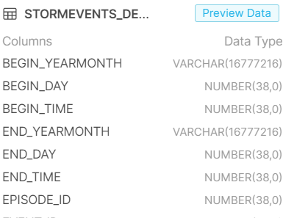
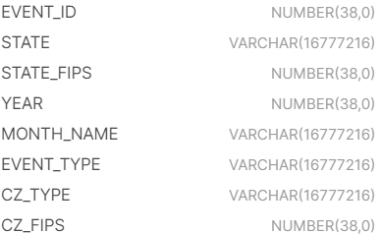
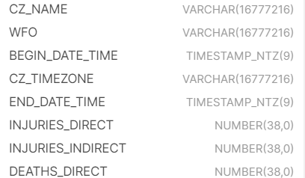

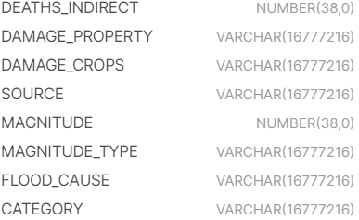
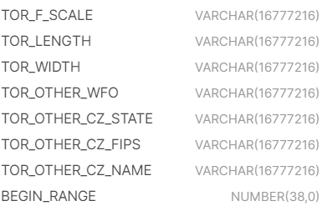
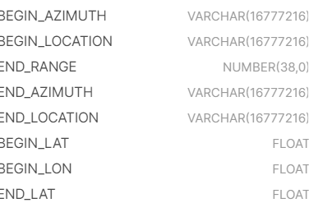

3 | Verify Audit Columns.
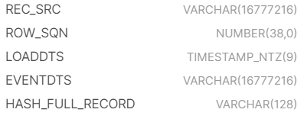

4 | Table Schema name should be "NOAA_WEATHER"

5 | Check source count and target count are matching.

 | COUNT : 309445

6 | Make sure the quarantine is empty, validated is good and zone1,zone2 and zone3 are populated with appropriate data.

STORM_LOCATIONS
NOAA - STORM- LOCATIONS
1 | Check Whether the data stored in the tables is correct and as per the business requirements?
 | YES

2 | Check for the table name ("STORM_LOCATIONS") created ?
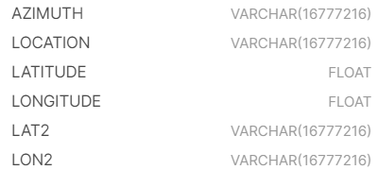
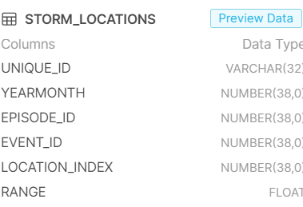

3 | Verify Audit Columns.

4 | Table Schema name should be "NOAA_WEATHER"

5 | Check source count and target count are matching.

 | COUNT : 262675

6 | Make sure the quarantine is empty, validated is good and zone1,zone2 and zone3 are populated with appropriate data.

STORM_FATALITIES
NOAA - STORM- FATALITIES
1 | Check Whether the data stored in the tables is correct and as per the business requirements?
 | YES

2 | Check for the table name ("STORM_FATALITIES") created ?
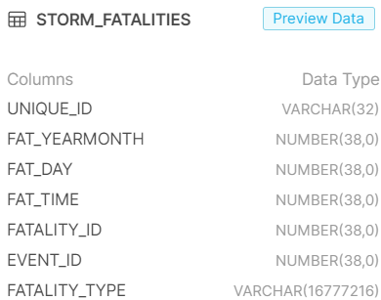
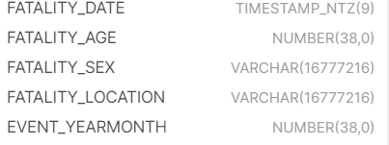

3 | Verify Audit Columns.

4 | Table Schema name should be "NOAA_WEATHER"

5 | Check source count and target count are matching.

 | COUNT : 4435

6 | Make sure the quarantine is empty, validated is good and zone1,zone2 and zone3 are populated with appropriate data.

