FULL_URL_LIST_US_CAN
PROWL - FULL_URL_LIST_US_CANADA
1 | CHEKING FOR NULL VALUES

2 | Check for the table name ("STACKLINE_VW") created ?

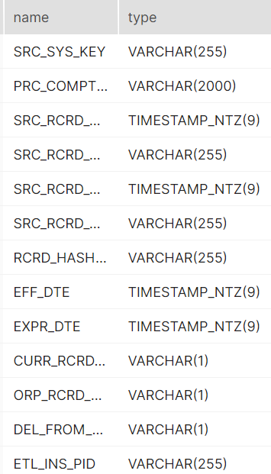
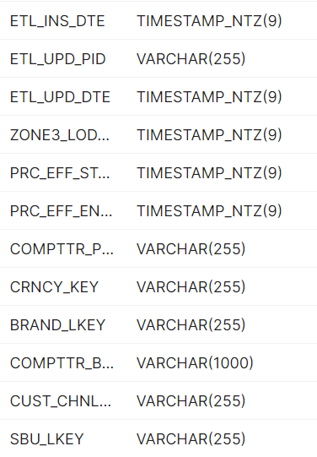
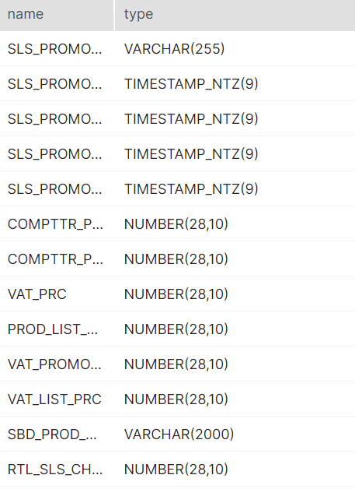
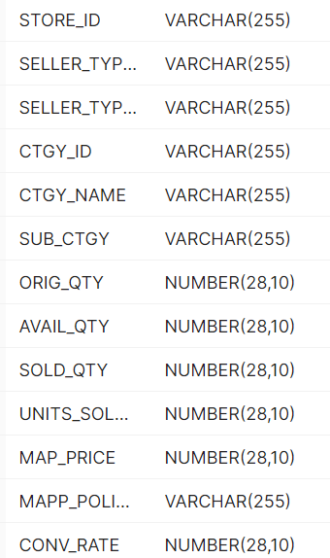
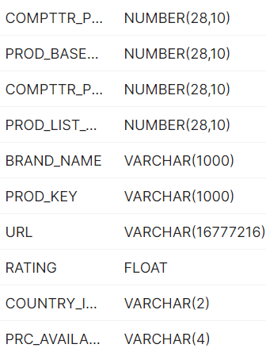

3 | Verify Audit Columns.

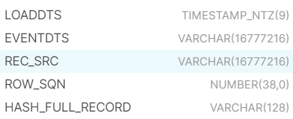

4 | Table Schema name should be "PROWL"

5 | SOURCE AND TARGET COUNT

6 | Make sure the quarantine is empty, validated is good and zone1,zone2 and zone3 are populated with appropriate data.

