BRAND_MANUFACTURER_MAPPING
SI REFERENCE DATA - BRAND_MANUFACTURER_MAPPING
1 | Check Whether the data stored in the tables is correct and as per the business requirements?
 | YES
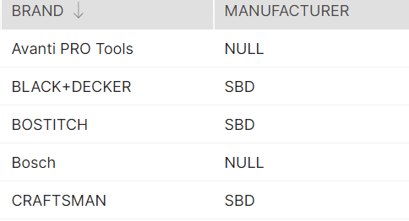

2 | Check for the table name ("Brand_Manufacturer_Mapping") created ?

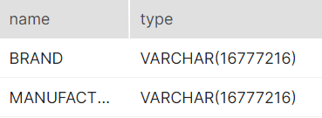

3 | Verify Audit Columns.
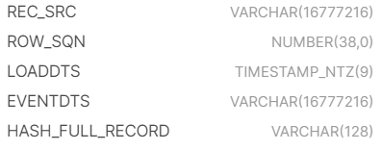

4 | Table Schema name should be "SI_MARKETPLACE_REF_DATA"

5 | Check source count and target count are matching.

6 | Make sure the quarantine is empty, validated is good and zone1,zone2 and zone3 are populated with appropriate data.

SI_CATEGORY_MARKET_SIZE
SI REFERENCE DATA - SI_CATEGORY_MARKET_SIZE
1 | Check Whether the data stored in the tables is correct and as per the business requirements?
 | YES

2 | Check for the table name ("SI_CATEGORY_MARKET_SIZE") created ?

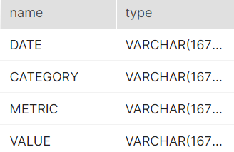

3 | Verify Audit Columns.

4 | Table Schema name should be "SI_MARKETPLACE_REF_DATA"

5 | Check source count and target count are matching.

6 | Make sure the quarantine is empty, validated is good and zone1,zone2 and zone3 are populated with appropriate data.

SI_ECON_MNEMONIC_MAPPING
SI REFERENCE DATA -SI_ECON_MNEMONIC_MAPPING
1 | Check Whether the data stored in the tables is correct and as per the business requirements?
 | YES

2 | Check for the table name ("SI_ECON_MNEMONIC_MAPPING") created ?

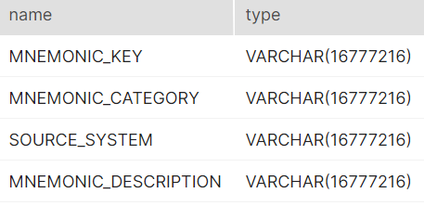

3 | Verify Audit Columns.

4 | Table Schema name should be "SI_MARKETPLACE_REF_DATA"

5 | Check source count and target count are matching.

6 | Make sure the quarantine is empty, validated is good and zone1,zone2 and zone3 are populated with appropriate data.

