Global-Market Size in Value
EURO_MONITOR - Global-Market Size in Value
1 | Check Whether the data stored in the tables is correct and as per the business requirements?
 | YES

2 | Check for the table name ("Global-Market Size in Value") created ?

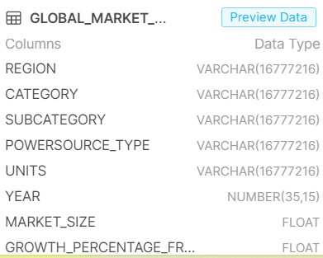

3 | Verify Audit Columns.

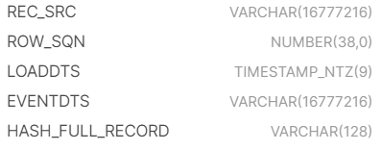

4 | Table Schema name should be "EUROMONITOR"

5 | Check source count and target count are matching.

Market Size in Value
EURO_MONITOR -Market Size in Value (Incomplete)
1 | Check Whether the data stored in the tables is correct and as per the business requirements?
 | YES

2 | Check for the table name ("Market Size in Value") created ?

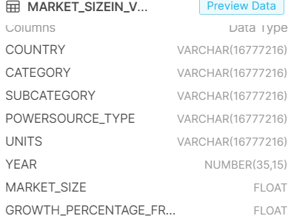

3 | Verify Audit Columns.

4 | Table Schema name should be "EUROMONITOR"

5 | Check source count and target count are matching.

Channel_Data
EURO_MONITOR - Channel Data
1 | Check Whether the data stored in the tables is correct and as per the business requirements?
 | YES

2 | Check for the table name ("Channel_data") created ?
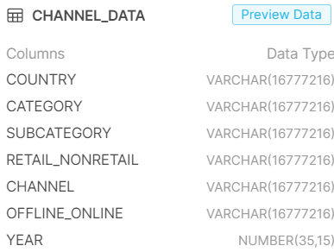


3 | Verify Audit Columns.

4 | Table Schema name should be "EUROMONITOR"

5 | Check source count and target count are matching.

Manufacturer Data
EURO_MONITOR - Manufacturer Data
1 | Check Whether the data stored in the tables is correct and as per the business requirements?
 | YES

2 | Check for the table name ("Manufacturer_data") created ?
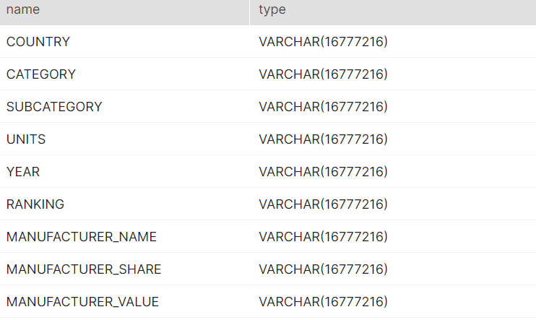

3 | Verify Audit Columns.

4 | Table Schema name should be "EUROMONITOR"

5 | Check source count and target count are matching.

Brand Data
EURO_MONITOR - Brand Data
1 | Check Whether the data stored in the tables is correct and as per the business requirements?
 | YES

2 | Check for the table name ("Brand_data") created ?

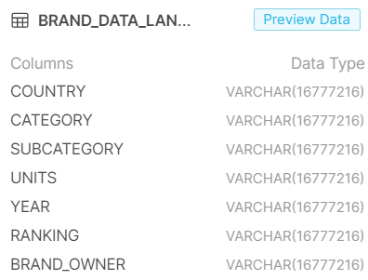

3 | Verify Audit Columns.

4 | Table Schema name should be "EUROMONITOR"

5 | Check source count and target count are matching.

Growth Trends
EURO_MONITOR - Growth Trends
1 | Check Whether the data stored in the tables is correct and as per the business requirements?
 | YES

2 | Check for the table name ("Growth_trends") created ?
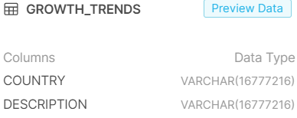

3 | Verify Audit Columns.

4 | Table Schema name should be "EUROMONITOR"

5 | Check source count and target count are matching.

Sources
EURO_MONITOR - Sources
1 | Check Whether the data stored in the tables is correct and as per the business requirements?
 | YES

2 | Check for the table name ("Sources") created ?
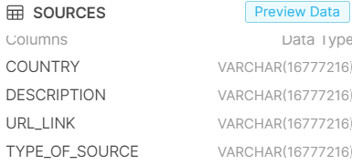

3 | Verify Audit Columns.

4 | Table Schema name should be "EUROMONITOR"

5 | Check source count and target count are matching.

Data Metrics - Exchange Rate
EURO_MONITOR - Data Metrics Exchange Rate
1 | Check Whether the data stored in the tables is correct and as per the business requirements?
 | YES

2 | Check for the table name ("Data Metrics Exchange Rate") created ?

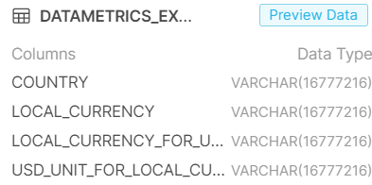

3 | Verify Audit Columns.

4 | Table Schema name should be "EUROMONITOR"

5 | Check source count and target count are matching.

Data Metrics - Inflation
EURO_MONITOR - Data Metrics Inflation
1 | Check Whether the data stored in the tables is correct and as per the business requirements?
 | YES

2 | Check for the table name ("Data Metrics Inflation") created ?

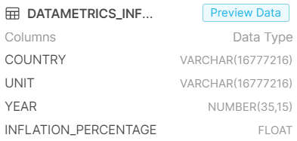

3 | Verify Audit Columns.

4 | Table Schema name should be "EUROMONITOR"

5 | Check source count and target count are matching.

