MS_POS_BASELINE
MS-POS BASELINE
1 | Check Whether the data stored in the tables is correct and as per the business requirements?
 | YES

2 | Check for the table name ("MS_POS BASELINE") created ?

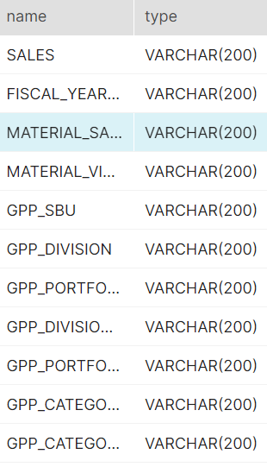

3 | Verify Audit Columns.
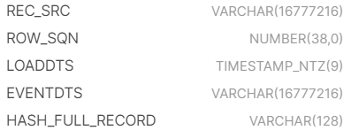

4 | Table Schema name should be "MS_POS"

5 | Check source count and target count are matching.

6 | Make sure the quarantine is empty, validated is good and zone1,zone2 and zone3 are populated with appropriate data.

