FULL_URL_LIST_CANADA
PROWL - FULL_URL_LIST_CANADA
1 | Check Whether the data stored in the tables is correct and as per the business requirements?
 | YES




2 | Check for the table name ("FULL_URL_LIST_CANADA") created ?

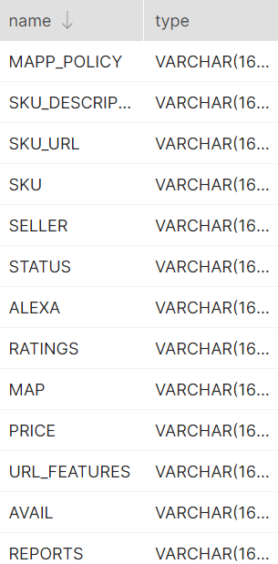
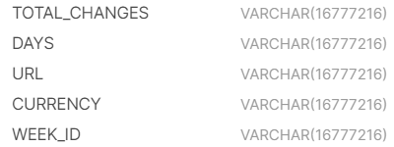

3 | Verify Audit Columns.

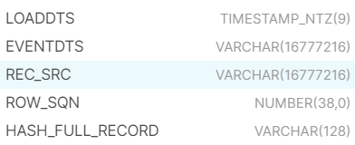

4 | Table Schema name should be "PROWL"

5 | Check source count and target count are matching.

6 | Make sure the quarantine is empty, validated is good and zone1,zone2 and zone3 are populated with appropriate data.

FULL_URL_LIST_US
PROWL - FULL_URL_LIST_US
1 | Check Whether the data stored in the tables is correct and as per the business requirements?
 | YES




2 | Check for the table name ("FULL_URL_LIST_US") created ?

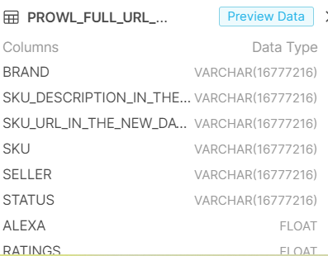
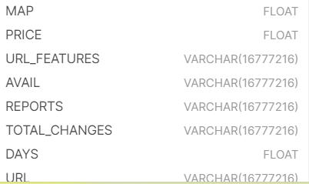

3 | Verify Audit Columns.

4 | Table Schema name should be "PROWL"

5 | Check source count and target count are matching.

6 | Make sure the quarantine is empty, validated is good and zone1,zone2 and zone3 are populated with appropriate data.

