ihsPricingAndPurchasingHistoric
IHSMARKIT - ihsPricingAndPurchasingHistoric
1 | Check Whether the data stored in the tables is correct and as per the business requirements?

2 | Check for the table name ("ihsPricingAndPurchasingHistoric") created ?

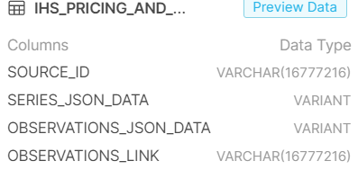

3 | Verify Audit Columns.

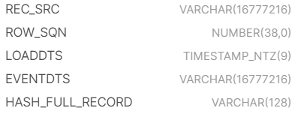

4 | Table Schema name should be "EUROMONITOR"

5 | Check source count and target count are matching.

6 | Make sure the quarantine is empty, validated is good and zone1,zone2 and zone3 are populated with appropriate data.

ihsEconomicUS
IHSMARKIT - ihsEconomicUS
1 | Check Whether the data stored in the tables is correct and as per the business requirements?

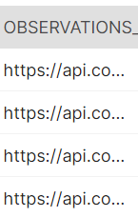

2 | Check for the table name ( ihsEconomicUS) created ?

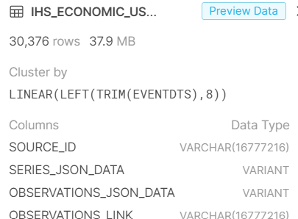

3 | Verify Audit Columns.

4 | Table Schema name should be "IHSMARKIT"

5 | Check source count and target count are matching.

6 | Make sure the quarantine is empty, validated is good and zone1,zone2 and zone3 are populated with appropriate data.

IHS_CHINA_REGIONAL_SERIES
IHSMARKIT - IHS_CHINA_REGIONAL_SERIES
1 | Check Whether the data stored in the tables is correct and as per the business requirements?

2 | Check for the table name ( IHS_CHINA_REGIONAL_SERIES) created ?

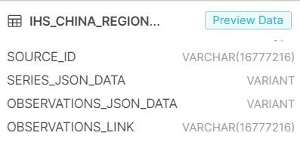

3 | Verify Audit Columns.

4 | Table Schema name should be "IHSMARKIT"

5 | Check source count and target count are matching.

6 | Make sure the quarantine is empty, validated is good and zone1,zone2 and zone3 are populated with appropriate data.

IHS_CHINA_REGIONAL_HISTORICAL_S
IHSMARKIT -IHS_CHINA_REGIONAL_HISTORICAL_SERIES
1 | Check Whether the data stored in the tables is correct and as per the business requirements?

2 | Check for the table name (IHS_CHINA_REGIONAL_HISTORICAL_SERIES) created ?

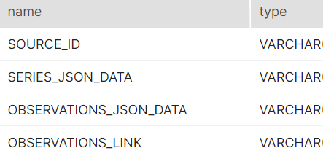

3 | Verify Audit Columns.

4 | Table Schema name should be "IHSMARKIT"

5 | Check source count and target count are matching.

6 | Make sure the quarantine is empty, validated is good and zone1,zone2 and zone3 are populated with appropriate data.

IHS_FINANCIAL_MARKETS_HISTORICA
IHSMARKIT - IHS_FINANCIAL_MARKETS_HISTORICAL
1 | Check Whether the data stored in the tables is correct and as per the business requirements?

2 | Check for the table name ( IHS_FINANCIAL_MARKETS_HISTORICAL) created ?

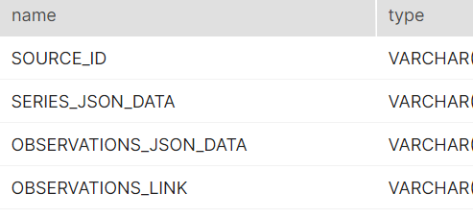

3 | Verify Audit Columns.

4 | Table Schema name should be "IHSMARKIT"

5 | Check source count and target count are matching.

6 | Make sure the quarantine is empty, validated is good and zone1,zone2 and zone3 are populated with appropriate data.

IHS_ECONOMIC_GLOBAL_ECONOMY_HIS
IHSMARKIT - IHS_ECONOMIC_GLOBAL_ECONOMY_HISTORY
1 | Check Whether the data stored in the tables is correct and as per the business requirements?

2 | Check for the table name ( IHS_ECONOMIC_GLOBAL_ECONOMY_HISTORY) created ?

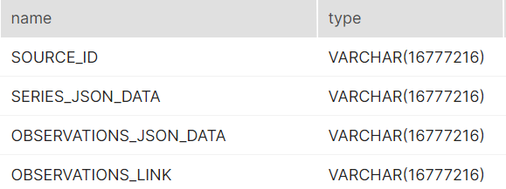

3 | Verify Audit Columns.

4 | Table Schema name should be "IHSMARKIT"

5 | Check source count and target count are matching.

6 | Make sure the quarantine is empty, validated is good and zone1,zone2 and zone3 are populated with appropriate data.

IHS_ECONOMIC_GLOBAL_ECONOMY_SER
IHSMARKIT - IHS_ECONOMIC_GLOBAL_ECONOMY_SERIES
1 | Check Whether the data stored in the tables is correct and as per the business requirements?

2 | Check for the table name ( IHS_ECONOMIC_GLOBAL_ECONOMY_SERIES) created ?
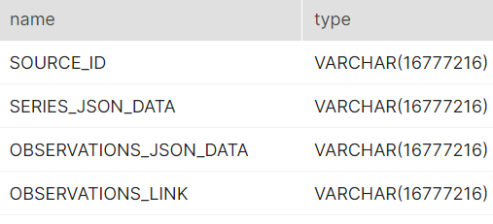

3 | Verify Audit Columns.

4 | Table Schema name should be "IHSMARKIT"

5 | Check source count and target count are matching.

6 | Make sure the quarantine is empty, validated is good and zone1,zone2 and zone3 are populated with appropriate data.

IHS_ECONOMIC_GLOBAL_ECONOMY_NEW
IHSMARKIT - IHS_ECONOMIC_GLOBAL_ECONOMY_NEW
1 | Check Whether the data stored in the tables is correct and as per the business requirements?

2 | Check for the table name ( IHS_ECONOMIC_GLOBAL_ECONOMY_NEW) created ?

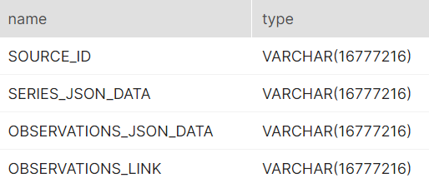

3 | Verify Audit Columns.

4 | Table Schema name should be "IHSMARKIT"

5 | Check source count and target count are matching.

6 | Make sure the quarantine is empty, validated is good and zone1,zone2 and zone3 are populated with appropriate data.

IHS_ECONOMIC_US_ECONOMY_SERIES
IHSMARKIT - IHS_ECONOMIC_US_ECONOMY_SERIES
1 | Check Whether the data stored in the tables is correct and as per the business requirements?

2 | Check for the table name ( IHS_ECONOMIC_US_ECONOMY_SERIES) created ?
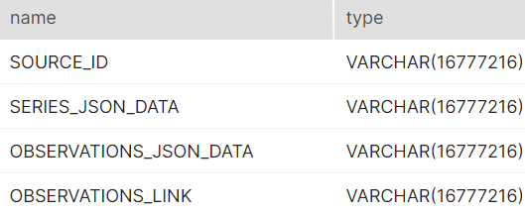

3 | Verify Audit Columns.

4 | Table Schema name should be "IHSMARKIT"

5 | Check source count and target count are matching.

6 | Make sure the quarantine is empty, validated is good and zone1,zone2 and zone3 are populated with appropriate data.

IHS_ECONOMIC_WORLD_MARKET_MONIT
IHSMARKIT - IHS_ECONOMIC_WORLD_MARKET_MONITOR
1 | Check Whether the data stored in the tables is correct and as per the business requirements?

2 | Check for the table name ( IHS_ECONOMIC_WORLD_MARKET_MONITOR) created ?

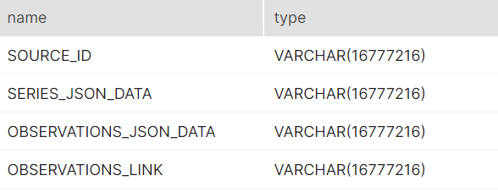

3 | Verify Audit Columns.

4 | Table Schema name should be "IHSMARKIT"

5 | Check source count and target count are matching.

6 | Make sure the quarantine is empty, validated is good and zone1,zone2 and zone3 are populated with appropriate data.

