PROWL
PROWL - FULL_URL_LIST_US_CANADA
1 | TEST SCENARIO : DATA QUALITY
 | TEST STATUS :
 | CHEKING FOR NULL VALUES (KEYS: PRC_COMPTTR_SLS_KEY,SRC_SYS_KEY)

2 | Check For Duplicates

3 | Check for the Flags

4 | Check for the minimum effecive date and maximum expiry date

5 | Check for Loaddts and currency_key

6 | Check for the BRAND_LKEY ,SBU_LKEY,CUST_CHNL_LKEY,COMPTTR_BRAND_KEY

7 | Check for the table name ("EDW_PRICING_COMPETITOR_SALES") created ?

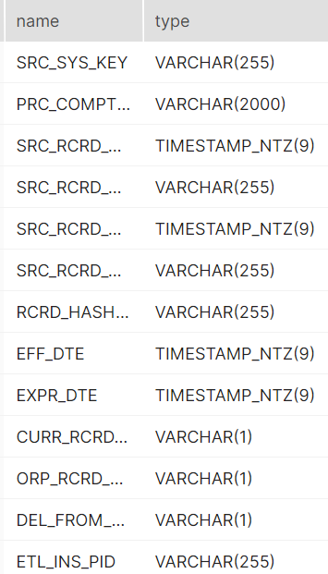
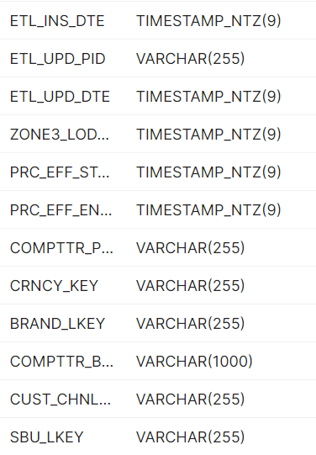
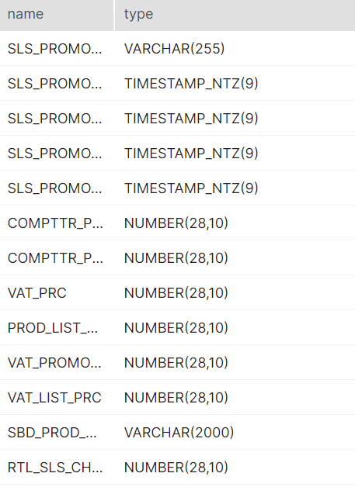
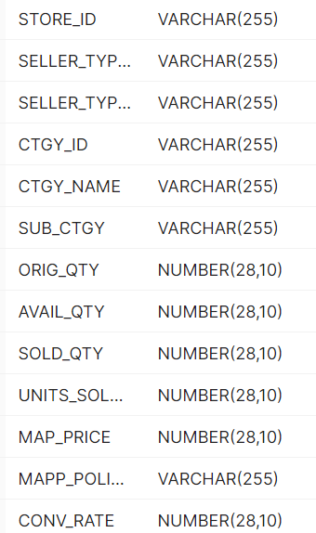
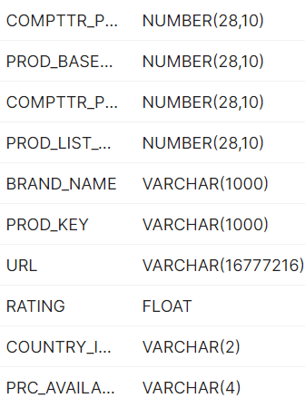

8 | Verify Audit Columns.

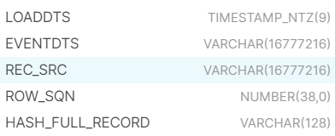

9 | Table Schema name should be "CONSOLIDATED"

10 | Check for count mismatch wih Zone3 (by source system)

11 | Make sure the quarantine is empty, validated is good and zone1,zone2 and zone3 are populated with appropriate data.

SEQUENTUM
SEQUENTUM
1 | TEST SCENARIO : DATA QUALITY
 | TEST STATUS :
 | CHEKING FOR NULL VALUES (KEYS: PRC_COMPTTR_SLS_KEY,SRC_SYS_KEY)

2 | Check For Duplicates

3 | Check for the Flags
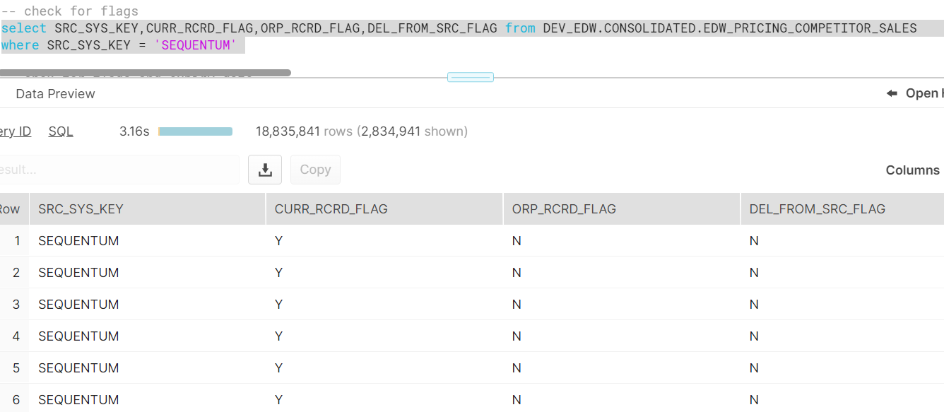

4 | Check for the minimum effecive date and maximum expiry date

5 | Check for Loaddts and currency_key

6 | Check for the BRAND_LKEY

7 | Check for the table name ("EDW_PRICING_COMPETITOR_SALES") created ?

8 | Verify Audit Columns.

9 | Table Schema name should be "CONSOLIDATED"

10 | Check for count mismatch wih Zone3 (by source system)

