PROWL
PROWL - FULL_URL_LIST_US_CANADA (TEST DATABASE)
1 | TEST SCENARIO : DATA QUALITY
 | TEST STATUS : PASS
1 | Check For Duplicates

2 | Check Number of records against Primary Key,Current Record Flag, Minimum Effective Date and Maximum Expiry Date

3 | Source data transformed in Target data

 | Target Data:

4 | Check for the table name ("EDW_PRICING_COMPETITOR_SALES") created ?

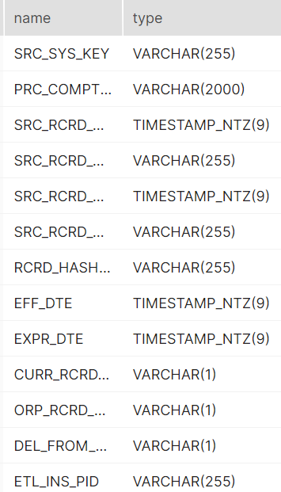
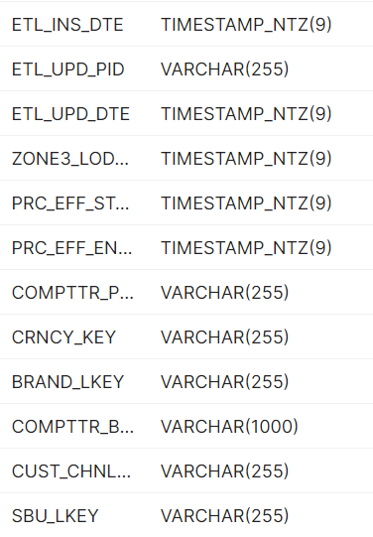
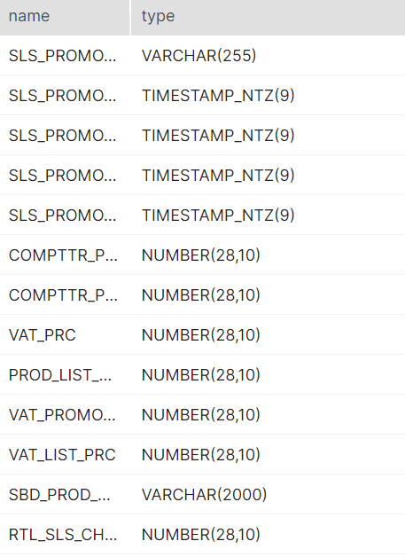
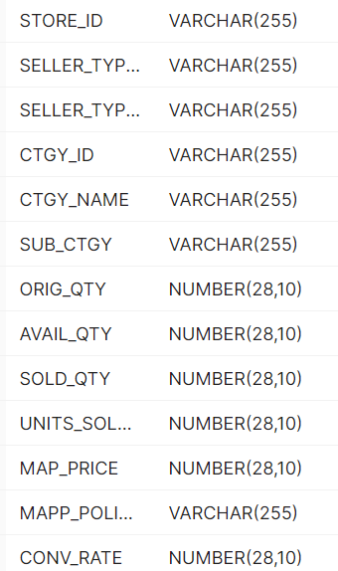
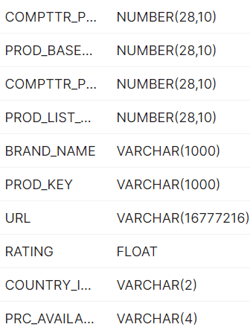

5 | Verify Audit Columns.

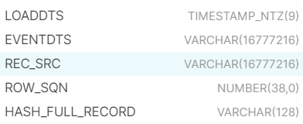

6 | Table Schema name should be "CONSOLIDATED"

7 | Check for count mismatch wih Zone3 (by source system)

