PROWL
PROWL - FULL_URL_LIST_US_CANADA (TEST DATABASE)
1 | TEST SCENARIO : DATA QUALITY
 | TEST STATUS : PASS
 | CHEKING FOR NULL VALUES (KEYS: PRC_COMPTTR_SLS_KEY,SRC_SYS_KEY)

2 | Check For Duplicates

3 | Check for the Flag columns

4 | Check Number of records against Primary Key,Current Record Flag, Minimum Effective Date and Maximum Expiry Date

5 | The Number of Orphan Records from source table is identifined by Orphan flag "Y" AND DEL_FROM_SRC_FLAG ='Y'

6 | Check for Loaddts and currency_key (Delta Load)

7 | Check for the BRAND_LKEY,SBU_LKEY,COMPTTR_BRAND_LKEY,CUST_CHNL_LKEY

8 | To measure volume metrics - how many Records are getting loaded in target table,start and end time,job stauts,Record count

9 | Source data transformed in Target data




 | Target Data:




10 | Check for the table name ("EDW_PRICING_COMPETITOR_SALES") created ?

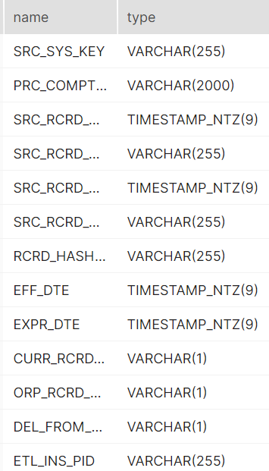
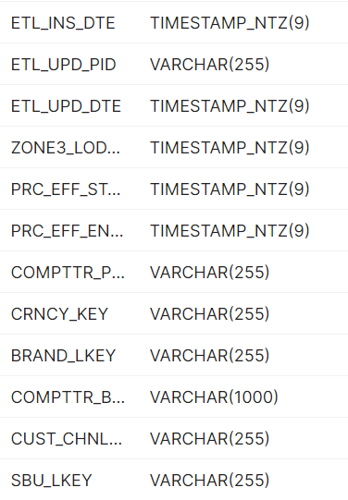
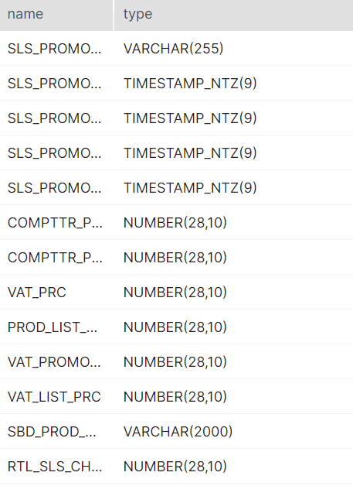
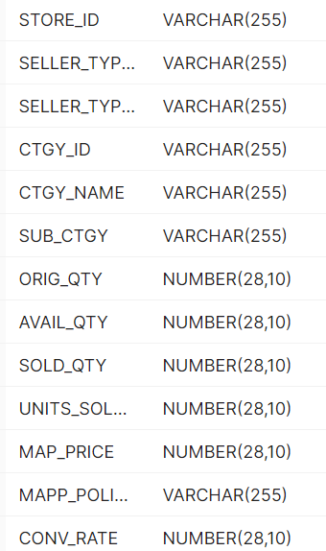
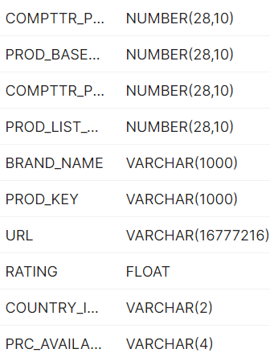

11 | Verify Audit Columns.

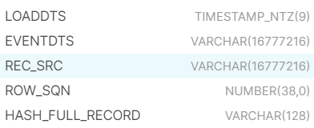

12 | Table Schema name should be "CONSOLIDATED"

13 | Check for count mismatch wih Zone3 (by source system)

SEQUENTUM
SEQUENTUM
1 | TEST SCENARIO : DATA QUALITY
 | TEST STATUS : PASS
 | CHEKING FOR NULL VALUES (KEYS: PRC_COMPTTR_SLS_KEY,SRC_SYS_KEY)

2 | Check For Duplicates

3 | Check for the Flag columns

4 | Check Number of records against Primary Key,Current Record Flag, Minimum Effective Date and Maximum Expiry Date

5 | The Number of Orphan Records from source table is identifined by Orphan flag "Y"

6 | Check for Loaddts and currency_key (Delta Load)

7 | Check for the BRAND_LKEY,SBU_LKEY,COMPTTR_BRAND_LKEY,CUST_CHNL_LKEY

8 | To measure volume metrics - how many Records are getting loaded in target table,start and end time,job stauts,Record count

9 | Source data transformed in Target data

 | Target Data:




10 | Check for the table name ("EDW_PRICING_COMPETITOR_SALES") created ?

11 | Verify Audit Columns.

12 | Table Schema name should be "CONSOLIDATED"

13 | Check for count mismatch wih Zone3 (by source system)

