Conversion Rate
SIMILAR WEB
1 | Check Whether the data stored in the tables is correct and as per the business requirements?
 | YES

2 | Check for the table name ("STORM_FATALITIES") created ?

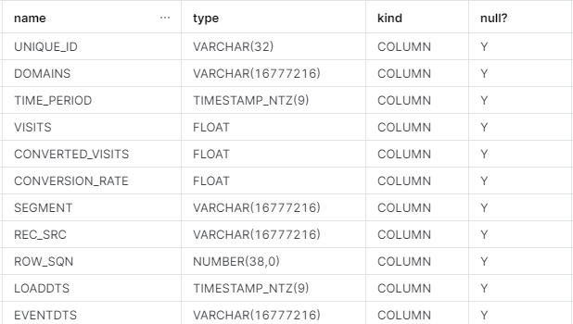

3 | Verify Audit Columns.
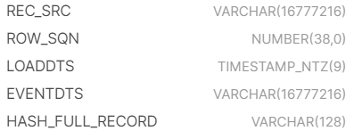

4 | Table Schema name should be "SIMILAR_WEB"

5 | Check source count and target count are matching.

 | COUNT : 38

6 | Make sure the quarantine is empty, validated is good and zone1,zone2 and zone3 are populated with appropriate data.

Online Traffic
SIMILAR WEB
1 | Check Whether the data stored in the tables is correct and as per the business requirements?
 | YES

2 | Check for the table name ("ONLINE_TRAFFIC") created ?

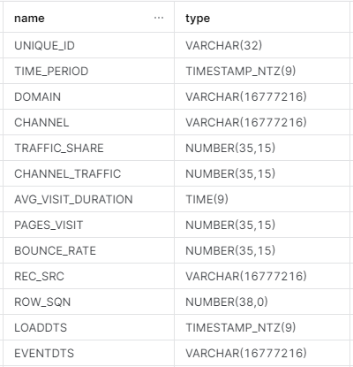

3 | Verify Audit Columns.

4 | Table Schema name should be "SIMILAR_WEB"

5 | Check source count and target count are matching.

 | COUNT : 756

6 | Make sure the quarantine is empty, validated is good and zone1,zone2 and zone3 are populated with appropriate data.

