FRED_SERIES_OBSERVATIONS_DATA
FRED - FRED_SERIES_OBSERVATIONS_DATA
1 | Check Whether the data stored in the tables is correct and as per the business requirements?
 | YES

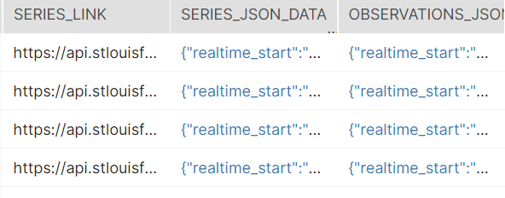
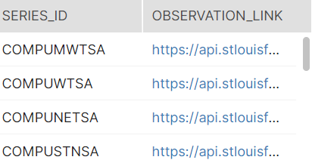

2 | Check for the table name ("FRED_SERIES_OBSERVATIONS_DATA") created ?

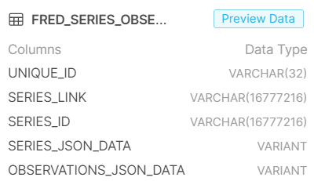

3 | Verify Audit Columns.

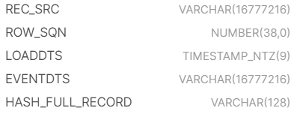

4 | Table Schema name should be "FRED"

5 | Check source count and target count are matching.

6 | Make sure the quarantine is empty, validated is good and zone1,zone2 and zone3 are populated with appropriate data.

FRED_SERIES_UNITS
FRED - FRED_SERIES_UNITS
1 | Check Whether the data stored in the tables is correct and as per the business requirements?

2 | Check for the table name ("FRED_SERIES_UNITS") created ?

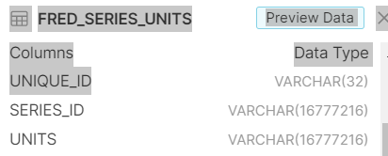

3 | Verify Audit Columns.

4 | Table Schema name should be "FRED"

5 | Check source count and target count are matching.

6 | Make sure the quarantine is empty, validated is good and zone1,zone2 and zone3 are populated with appropriate data.

