attributes
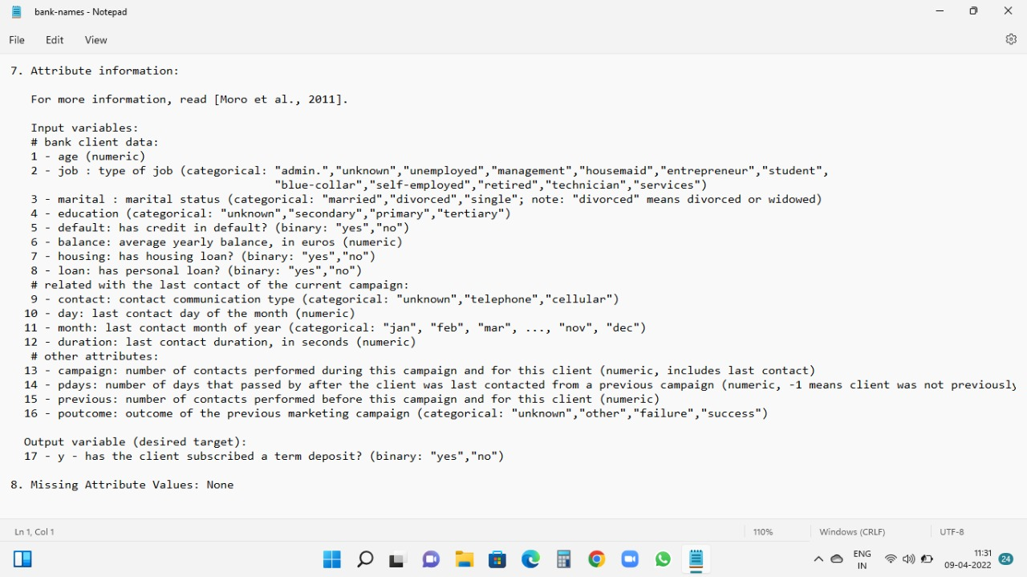

Analyse Graph
What kind of people have highest amount of bank balance and what are their average age?

Row Labels | Average of balance | Average of Age
admin. | 1226.7364017 | 39.682008368
blue-collar | 1085.1617336 | 40.156448203
entrepreneur | 1645.125 | 42.011904762
housemaid | 2042.0267857 | 47.339285714
management | 1766.9287926 | 40.540763674
retired | 2319.1913043 | 61.869565217
self-employed | 1392.4098361 | 41.453551913
services | 1103.9568345 | 38.570743405
student | 1543.8214286 | 26.821428571
technician | 1330.9960938 | 39.470052083
unemployed | 1089.421875 | 40.90625
unknown | 1533.1842105 | 48.105263158
Grand Total | 1421.8874143 | 41.170095112

Retired people whose average age is near 60 has large amount of account balance.

Out of total people howmany of them took a subscription for deposite on percentage?And visualise with a Pie Chart. |  |  | Find out the educational qualification of people who has more credit balance in default.

Deposite Subscription
 |  |  |  | default | yes

Row Labels | Count of y |  |  | Row Labels | Count of default
no | 4000 |  |  | no | 67
yes | 521 |  |  | primary | 9
Grand Total | 4521 |  |  | secondary | 40
 |  |  |  | tertiary | 16
 |  |  |  | unknown | 2
 |  |  |  | yes | 9
 |  |  |  | primary | 1
 |  |  |  | secondary | 6
Only 12% of people took subscription out of 4521 people and most of the people like 88% not took the subscription. |  |  |  | tertiary | 1
 |  |  |  | unknown | 1
 |  |  |  | Grand Total | 76
How many peoples previous outcome were successful and how much time they took to realise about the term and policy and how many of them took the subscription?

 |  |  | Secondary educated people have default credit balance is more.Less is for primary eduated people.Most of the people who doesn’t took subscription.

Data Analyse By Filtering Out of 4521 people only 129 peoples previous outcome were successful and out of 129 only 66 peoples need above average time to convince about loan and plans.And out of 66 only 48 were took deposite subscription.

