attributes
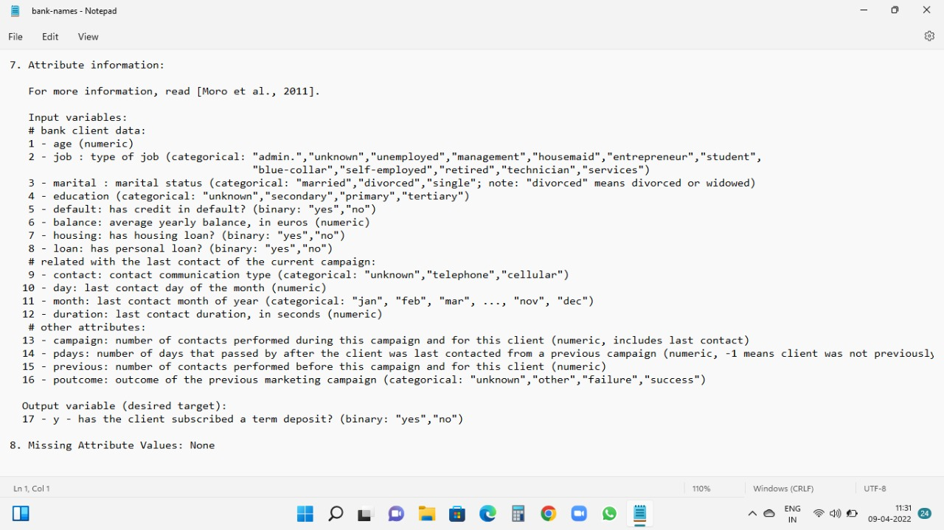

Analyse Graph
Row Labels | Average of balance | Average of Age
admin. | 1226.7364017 | 39.682008368
blue-collar | 1085.1617336 | 40.156448203
entrepreneur | 1645.125 | 42.011904762
housemaid | 2042.0267857 | 47.339285714
management | 1766.9287926 | 40.540763674
retired | 2319.1913043 | 61.869565217
self-employed | 1392.4098361 | 41.453551913
services | 1103.9568345 | 38.570743405
student | 1543.8214286 | 26.821428571
technician | 1330.9960938 | 39.470052083
unemployed | 1089.421875 | 40.90625
unknown | 1533.1842105 | 48.105263158
Grand Total | 1421.8874143 | 41.170095112

Retired people whose average age is near 60 has large amount of account balance.

 |  |  |  | Data Analyse By Filtering
Deposite Subscription
 |  |  |  | 1.Out of 4521 people only 129 peoples previous outcome were successful and outof 129 only 66 peoples need above average time to convince about loan and plans.And out of 66 only 48 were took deposite subscription.
Row Labels | Count of y
no | 4000
yes | 521
Grand Total | 4521

 |  |  |  | default | yes

 |  |  |  | Row Labels | Count of default
 |  |  |  | no | 67
Only 12% of people took subscription out of 4529 people and most of the people like 88% not took the subscription. |  |  |  | primary | 9
 |  |  |  | secondary | 40
 |  |  |  | tertiary | 16
 |  |  |  | unknown | 2
 |  |  |  | yes | 9
 |  |  |  | primary | 1
 |  |  |  | secondary | 6
 |  |  |  | tertiary | 1
 |  |  |  | unknown | 1
 |  |  |  | Grand Total | 76

 |  |  | Secondary educated people have default credit balance is more. Less is for primary eduated people.Most of the people who doesn’t took subscription.

