summary table
Rifle 1 |  |  |  |  |  | Rifle 2 |  |  |  |  |  | Rifle | Ammo | µ | σ | n | Shapiro-Wilk Test Normality |  |  | Brown-Forsythe Test (alpha = 0.05)
Ammo | Shot # | Velocity (fps) | Ammo | Shot # | Velocity (fps) | Ammo | Shot # | Velocity (fps) | Ammo | Shot # | Velocity (fps) | 1 | A | 2,587 | 29.7 | 16 | Ammo | W Statistic | P-value
A | 1 | 2,565 | C | 3 | 2,441 | A | 1 | 2,393 | C | 3 | 2,438 |  | B | 2,413 | 14.8 | 16 | A | 0.9600 | 0.391
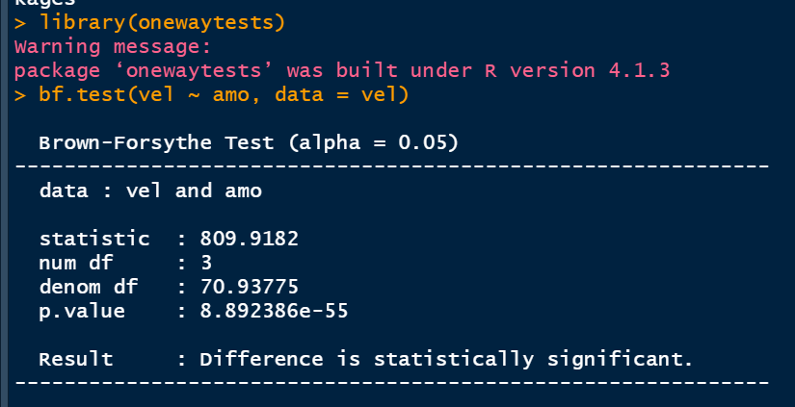
 | 5 | 2,532 |  | 7 | 2,436 |  | 5 | 2,550 |  | 7 | 2,439 |  | C | 2,437 | 19.6 | 16 | B | 0.9794 | 0.849
 | 9 | 2,566 |  | 11 | 2,441 |  | 9 | 2,599 |  | 11 | 2,460 |  | D | 2,732 | 43.3 | 16 | C | 0.9786 | 0.829
 | 13 | 2,586 |  | 15 | 2,438 |  | 13 | 2,583 |  | 15 | 2,415 | 2 | A | 2,582 | 23.1 | 10 | D | 0.9643 | 0.459
 | 17 | 2,613 |  | 19 | 2,425 |  | 17 | 2,604 |  | 19 | 2,419 |  | B | 2,397 | 16.9 | 11
 | 21 | 2,621 |  | 23 | 2,429 |  | 21 | 2,566 |  | 23 | 2,446 |  | C | 2,429 | 17.8 | 11
 | 25 | 2,608 |  | 27 | 2,410 |  | 25 | 2,582 |  | 27 | 2,438 |  | D | 2,720 | 33.3 | 11
 | 29 | 2,631 |  | 31 | 2,462 |  | 29 | 2,558 |  | 31 | 2,394 | Total |  | 2,537 | 132.5 | 107
 | 33 | 2,564 |  | 35 | 2,443 |  | 33 | 2,561 |  | 35 | 2,423
 | 37 | 2,571 |  | 39 | 2,450 |  | 37 | 2,620 |  | 39 | 2,424
 | 41 | 2,586 |  | 43 | 2,406 |  | 41 | 2,599 |  | 43 | 2,421 | Ammo | µ | σ | Variance | n
 | 45 | 2,601 |  | 47 | 2,472 | B | 2 | 2,368 | D | 4 | 2,753 | B | 2,406 | 17.3 | 299.2 | 27
 | 49 | 2,563 |  | 51 | 2,424 |  | 6 | 2,382 |  | 8 | 2,688 | C | 2,434 | 19.0 | 361.7 | 27
 | 53 | 2,613 |  | 55 | 2,469 |  | 10 | 2,389 |  | 12 | 2,773 | A | 2,570 | 26.9 | 726.2 | 26
 | 57 | 2,624 |  | 59 | 2,413 |  | 14 | 2,411 |  | 16 | 2,741 | D | 2,727 | 39.3 | 1,546.1 | 27
 | 61 | 2,549 |  | 63 | 2,440 |  | 18 | 2,406 |  | 20 | 2,692
B | 2 | 2,438 | D | 4 | 2,779 |  | 22 | 2,412 |  | 24 | 2,740
 | 6 | 2,411 |  | 8 | 2,681 |  | 26 | 2,386 |  | 28 | 2,737
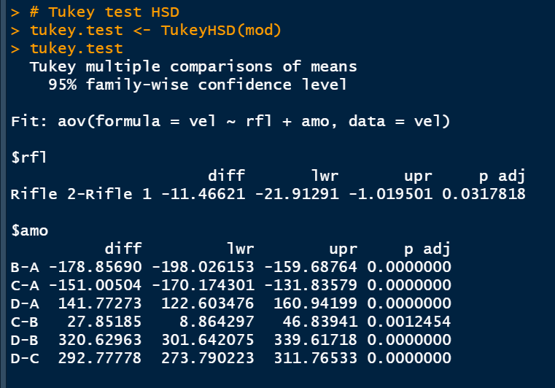
 | 10 | 2,384 |  | 12 | 2,667 |  | 30 | 2,390 |  | 32 | 2,676
 | 14 | 2,422 |  | 16 | 2,785 |  | 34 | 2,429 |  | 36 | 2,725
 | 18 | 2,398 |  | 20 | 2,668 |  | 38 | 2,399 |  | 40 | 2,719
 | 22 | 2,421 |  | 24 | 2,711 |  | 42 | 2,392 |  | 44 | 2,672
 | 26 | 2,414 |  | 28 | 2,794
 | 30 | 2,425 |  | 32 | 2,712
 | 34 | 2,420 |  | 36 | 2,741
 | 38 | 2,414 |  | 40 | 2,804
 | 42 | 2,389 |  | 44 | 2,727
 | 46 | 2,397 |  | 48 | 2,722
 | 50 | 2,409 |  | 52 | 2,710
 | 54 | 2,416 |  | 56 | 2,739
 | 58 | 2,433 |  | 60 | 2,704
 | 62 | 2,409 |  | 64 | 2,761

