1. Support table for POT
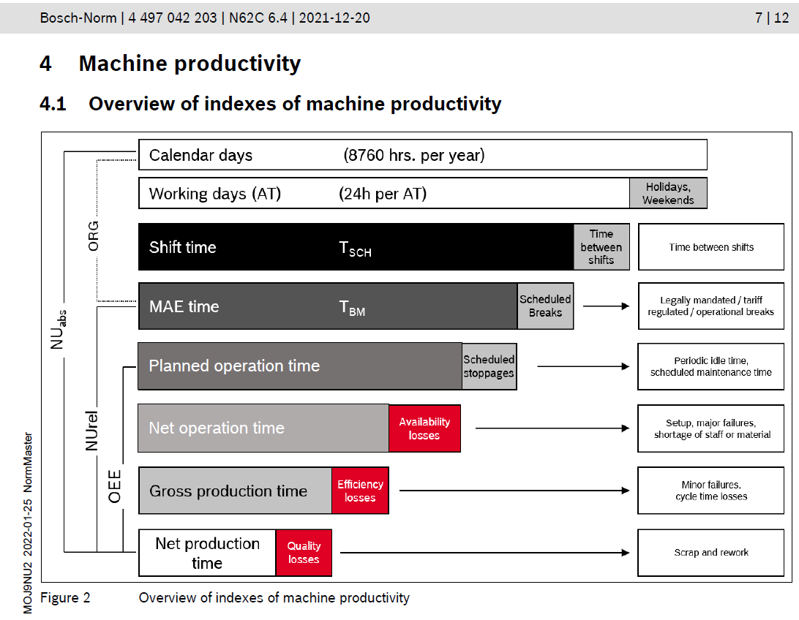
Instruction: In this section, you will indicate your working hours per day according the different shift models used in your plant. Complete only the information requested in white cells according the KPI used in your plant (UTrel or OEE). You do not need to fulfill all the tables, only the one(s) applicable, you can even modify the description of the shift model.

2. Working hours / day

3 shift per day (Mo-Sa) |  |  |  | 4 shift per day (Mo-Sa) |  |  |  | shift model at the weekend
 |  | OEE (Planned operation time / POT) | Utrel (MAE time) |  |  | OEE (Planned operation time / POT) | Utrel (MAE time) |  |  | OEE (Planned operation time / POT) | Utrel (MAE time)
 |  | POT (min) | MAE time (min) |  |  | POT (min) | MAE time (min) |  |  | POT (min) | MAE time (min)
Working minutes / day |  | 1320 | 1365 | Working minutes / day |  | 1360 | 1400 | Working minutes / day |  | 1310 | 1330
Working hours / day |  | 22.0 | 22.8 | Working hours / day |  | 22.7 | 23.3 | Working hours / day |  | 21.8 | 22.2
Concept |  | Time (min) | Time (min) | Concept |  | Time (min) | Time (min) | Concept |  | Time (min) | Time (min)
1st shift | Shift Time | 540 | 540 | 1st shift | Shift Time | 360 | 360 | 1st shift | Shift Time | 720 | 720
 | Shift change: meeting | 5 | 10 |  | Shift change: meeting | 5 | 5 |  | Shift change: meeting | 5 | 5
 | Pause / Break | 30 | 0 |  |  |  |  |  | Lunch | 30 | 30
 | Stretching | 5 | 15 |  | Stretching | 5 | 5 |  | Break | 15 | 15
 | other | 10 |  |  | other | 10 |  |  | Stretching | 5 | 5
 | working time | 490 | 515 |  | working time | 340 | 350 |  | other | 10
2nd shift | Shift Time | 510 | 510 | 2nd shift | Shift Time | 360 | 360 |  | working time | 655 | 665
 | Shift change: meeting | 5 | 5 |  | Shift change: meeting | 5 | 5 | 2nd shift | Shift Time | 720 | 720
 | Pause / Break | 30 | 30 |  |  |  |  |  | Shift change: meeting | 5 | 5
 | Stretching | 5 | 5 |  | Stretching | 5 | 5 |  | Lunch | 30 | 30
 | TPM | 10 |  |  | other | 10 |  |  | Break | 15 | 15
 | working time | 460 | 470 |  | working time | 340 | 350 |  | Stretching | 5 | 5
3rd shift | Shift Time | 390 | 390 | 3rd shift | Shift Time | 330 | 330 |  | other | 10
 | Shift change: meeting | 5 | 5 |  | Shift change: meeting | 5 | 5 |  | working time | 655 | 665
 | Pause / Break |  |  |  |  |  |  | 3rd shift | Shift Time | 0 | 0
 | Stretching | 5 | 5 |  | Stretching | 5 | 5 |  | Shift change: meeting
 | TPM | 10 |  |  | other | 10 |  |  | Lunch
 | working time | 370 | 380 |  | working time | 310 | 320 |  | Break
 |  |  |  | 4th shift | Shift Time | 390 | 390 |  | Stretching
 |  |  |  |  | Shift change: meeting | 5 | 5 |  | other
 |  |  |  |  |  |  |  |  | working time | 0 | 0
 |  |  |  |  | Stretching | 5 | 5
 |  |  |  |  | other | 10
 |  |  |  |  | working time | 370 | 380

Back up information
You can save here screen shoots from documents you needed to complete the information

color code
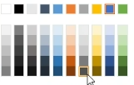
BueP | grau |  |  | colors in plant and worldwide diagram are the same
RBCC | blau |  |  | lines separate shown in worldwide view
TlP | gruen |  |  | lines in worldwide view are also shown in color stack
CaP | gelb
plant5 | braun

 | BueP |  | #EAEFF6 | lines
 | plant1 | line1 | #DCE5F0 | Customer EDI | #FF0000
 | plant1 | line2 | #CEDBEA | BueP Stock | #FFC000
 | plant1 | line3 | #C2D1E4 | Produced Volume BueP | #0000FF
 | plant1 | line4 | #B4C7DE | Additional Curve 4 | #00B050
 | plant1 | line5 | #A7BED9 | Additional Curve 5 | #948A54
 | plant1 | line6 | #99B3D3 | Additional Curve 6 | #00B0F0
 | plant1 | line7 | #8CAACE | PVA2023-1 | #A6A6A6
 | plant1 | line8 | #7E9FC8 | PVA2024-1 | #000000
 | plant1 | line9 | #7095C2 | PVA_Cust._Fluc. | #F4B183
 | plant1 | line10 | #638CBD | PVA_Acquisition_Status_Accepted | #CAD9C2
 |  |  | #5581B7

 |  |  | #F9F0E7
 | RBCC |  | #F5E6D7
 | plant2 | line1 | #F1DCC7
 | plant2 | line2 | #EDD3B9
 | plant2 | line3 | #E9C9A9
 | plant2 | line4 | #E5C09B
 | plant2 | line5 | #E1B68B
 | plant2 | line6 | #DDAD7D
 | plant2 | line7 | #D9A36D
 | plant2 | line8 | #D1904F
 | plant2 | line9 | #CD853F
 | plant2 | line10 | #C77D33
 |  |  | #B7732F

 | TlP |  | #EFE5F7
 | plant3 | line1 | #E6D5F3
 | plant3 | line2 | #DEC7EF
 | plant3 | line3 | #D5B8EA
 | plant3 | line4 | #CBA9E5
 | plant3 | line5 | #C39BE1
 | plant3 | line6 | #BA8CDC
 | plant3 | line7 | #B17ED8
 | plant3 | line8 | #A86ED4
 |  |  | #9F5FCF
 |  |  | #8439BD
 |  |  | #8439BD

 | CaP
 | plant4 | line1 | #F7DDE9
 | plant4 | line2 | #F3CDDE
 | plant4 | line3 | #ECAECA
 | plant4 | line4 | #E8A0C1
 | plant4 | line5 | #E490B6
 | plant4 | line6 | #E080AB
 | plant4 | line7 | #DD71A2
 | plant4 | line8 | #D96197
 |  |  | #D6528E
 |  |  | #CD3278

 |  |  | #FFFFEF
 |  |  | #FFFEC9
 | plant5 | line1 | #FFFC7D
 | plant5 | line2 | #FFF909
 | plant5 | line3 | #F6F000
 | plant5 | line4 | #F2EC00
 | plant5 | line5 | #E3DE00
 | plant5 | line6 | #CCCC00
 | plant5 | line7 | #BCB800
 | plant5 | line8 | #A8A400
 |  |  | #969200
 |  |  | #827F00
 |  |  | #706D00

 |  |  | #F3F3F3
 | plant6 | line1 | #EAEAEA
 | plant6 | line2 | #E0E0E0
 | plant6 | line3 | #D7D7D7
 | plant6 | line4 | #CDCDCD
 | plant6 | line5 | #C4C4C4
 | plant6 | line6 | #BABABA
 | plant6 | line7 | #B0B0B0
 | plant6 | line8 | #A6A6A6
 |  |  | #9D9D9D
 |  |  | #949494
 |  |  | #8A8A8A
 |  |  | #808080

