DASHBOARD
Transportation Management
MS Excel Solution
Route 1 Route 2 Route 3 Route 4 Route 5
 | 0 | 0 | 10
Volvo FM
|
|
|
|
|
|
|
|
|
|
•
•
•
•
•
•
•
•
Dashboard
Driver 1 Driver 2 Driver 3
Routes

Route Types
Far | 61%
Regular | 24%
Close | 15%

Total Amount of Cargo
 | 44%
 | 56%
Logistics Costs
 | 71%
 | 0%
 | 100%
 | 71%
 | 71%
 | 29%
Fuel Budget
$10,91,388
$4,79,567
$71,057
61%
24%
15%
Amount:
Weight:
44%
71%
196 8ton
Share of all costs
Share of fuel used

Value of Сargo by Month ($ thous.)
JAN | 117 | 117
FEB | 76 | 76
MAR | 132 | 132
APR | 49 | 49
MAY | 72 | 72
JUN | 163 | 163
JUL | 66 | 66
AUG | 80 | 80
SEP | 54 | 54
OCT | 140 | 140
NOV | 64 | 64
DEC | 77 | 77
1 | 7000 | 3338
2 | 7000 | 563
3 | 7000 | 4245
4 | 7000 | 0
5 | 7000 | 740
6 | 7000 | 6685
7 | 7000 | 255
8 | 7000 | 1114
9 | 7000 | 0
10 | 7000 | 4762
11 | 7000 | 681
12 | 7000 | 454
Variable Costs
bonuses
$42,794
Fixed Costs
Products Types (ton)
 | Firewood | Pellets
Driver 1 | 232 | 111
Driver 2 | 252 | 125
Driver 3 | 126 | 70
salary
$2,00,000

1 | 7000 | 3514
2 | 7000 | 3174
3 | 7000 | 6053
4 | 7000 | 2259
5 | 7000 | 1766
6 | 7000 | 6493
7 | 7000 | 2804
8 | 7000 | 4543
9 | 7000 | 1516
10 | 7000 | 6508
11 | 7000 | 1835
12 | 7000 | 2328
bus trips
$1,00,000
depreciation
$65,716

Total Distance
3,05,334
U-Turn
One Way
Mileage by Month (miles thous.)
JAN | 23 | 23
FEB | 22 | 22
MAR | 43 | 43
APR | 17 | 17
MAY | 12 | 12
JUN | 50 | 50
JUL | 19 | 19
AUG | 33 | 33
SEP | 10 | 10
OCT | 45 | 45
NOV | 13 | 13
DEC | 17 | 17
Cargo Types (ton)
Pellets | 306
Firewood | 610
Raw materials | 1,051

305
K Miles
25
Trips
35
Trips

Routes
Routes Manager
MS Excel Solution
 | 0 | 0 | 0 | 0 | 0 | 0
Route 1 Route 2 Route 3 Route 4 Route 5
Mack Anthem

Dashboard
SEATTLE
•
•
•
•
•
•
•
•
Fuel Сonsumption
9,3gal/100ml
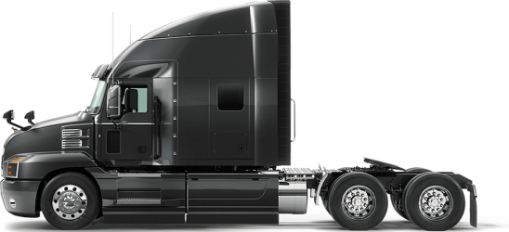

Routes
DENVER
Depreciation
CHICAGO
25,05$/100ml
Total Amount of Cargo
SAN FRANCISCO
$10,91,388
NEW YORK
DALLAS
Total Millage
Driver 1 KPI:
3,05,334
IIIIIIIII
95%
LOS ANGELES
NASHVILLE
DAF XF
Fuel Сonsumption
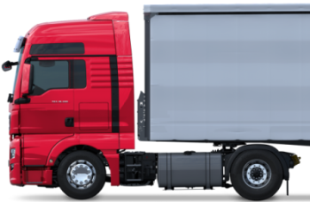
7,1gal/100ml
Depreciation
17,2$/100ml

•
•
•
•
•
•

Driver 2 KPI:
IIII
IIIIIIIIII
141%
 |  |  |  |  |  |  |  |  |  |  | TOTAL
Month | Route1 |  | Route2 |  | Route3 |  | Route4 |  | Route5
 | $ Cagro | Millage | $ Cagro | Millage | $ Cagro | Millage | $ Cagro | Millage | $ Cagro | Millage | Value of Cargo | Millage
JAN | 14718.373182 | 5318 | 27778.107273 | 7355 | 24332.058409 | 4600 | 18480.148182 | 1845 | 31903.779318 | 3921 | $117,212.47 | 23,039
Volvo FM
FEB | 15749.374091 | 4174 | 11399.887955 | 4939 | 17542.595682 | 4400 | 14087.112727 | 3861 | 17407.792955 | 4719 | $76,186.76 | 22,093
Fuel Сonsumption

MAR | 23156.138864 | 8196 | 26640.429773 | 7958 | 19944.036364 | 8705 | 30876.117727 | 9242 | 31112.615 | 9004 | $131,729.34 | 43,105
5,7gal/100ml
APR | 9745.555 | 3148 | 13800.268864 | 1386 | 10946.774545 | 3400 | 8468.0136364 | 5414 | 6420.4586364 | 3744 | $49,381.07 | 17,092
Depreciation
MAY | 12202.460227 | 1374 | 7910.7381818 | 3206 | 14048.925455 | 2400 | 19582.388864 | 1594 | 17934.413409 | 3615 | $71,678.93 | 12,189
20,75$/100ml
JUN | 26951.440682 | 7177 | 30705.946136 | 3359 | 32349.905909 | 10011 | 36281.921818 | 16722 | 36934.448864 | 12823 | $163,223.66 | 50,092
JUL | 15124.670909 | 4062 | 10570.070455 | 4982 | 16047.018182 | 3805 | 13598.700909 | 2618 | 11061.806364 | 3558 | $66,402.27 | 19,025
AUG | 20616.151818 | 3816 | 13439.244318 | 5464 | 19472.594091 | 6600 | 18706.248636 | 7736 | 7923.1620455 | 9594 | $80,157.40 | 33,210
SEP | 11007.382955 | 821 | 17293.677727 | 3406 | 5193.7404545 | 2001 | 10423.882727 | 594 | 10461.778636 | 3303 | $54,380.46 | 10,125
OCT | 22461.854773 | 12065 | 26172.862045 | 9156 | 33630.810455 | 9140 | 26933.6625 | 8844 | 30417.953409 | 5935 | $139,617.14 | 45,140
Driver 3 KPI:
III
IIIIIIIIII
133%
NOV | 5798.1311364 | 3447 | 19222.517045 | 1383 | 13369.852045 | 2601 | 3129.1806818 | 2928 | 22605.659773 | 2753 | $64,125.34 | 13,112
DEC | 13303.554091 | 1975 | 16623.857045 | 2698 | 13168.751364 | 3472 | 19311.081818 | 4102 | 14886.095682 | 4865 | $77,293.34 | 17,112

Resources




