Pearson's r
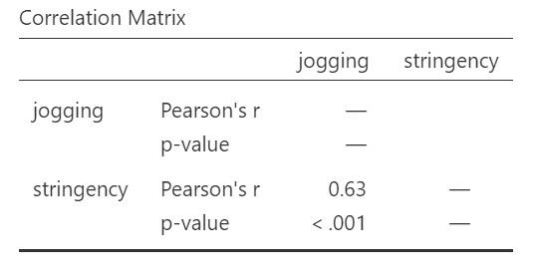
 | book | jogging | origami | yoga | bread | orchids | mindfulness | podcast | calligraphy | board games
German AUT | 0.26 | 0.63 | 0.21 | -0.2 | 0.26 | 0.54 | -0.03 | 0.43 | -0.32 | 0.19
German CHE | 0.35 | 0.67 | 0.32 | -0.17 | 0.34 | 0.48 | -0.03 | 0.57 | -0.28 | 0.29
German DEU | 0.27 | 0.63 | 0.24 | -0.23 | 0.27 | 0.47 | -0.03 | 0.46 | -0.32 | 0.21
Japanese | -0.1 | 0.48 | 0.13 | -0.1 | 0.4 | 0.41 | -0.17 | 0.39 | -0.38 | 0.21
Serbian | 0.53 | 0.42 | 0.47 | 0.58 | 0.63 | 0.52 | 0.13 | 0.5 | 0.33 | 0.55
Tamil | -0.29 | 0.11 | 0.04 | -0.17 | 0.13 | -0.08 | 0.11 | 0 | 0.01 | 0.19
VN | 0.56 | 0.47 | 0.46 | 0.64 | 0.28 | 0.52 | 0.3 | 0.56 | -0.57 | 0.5

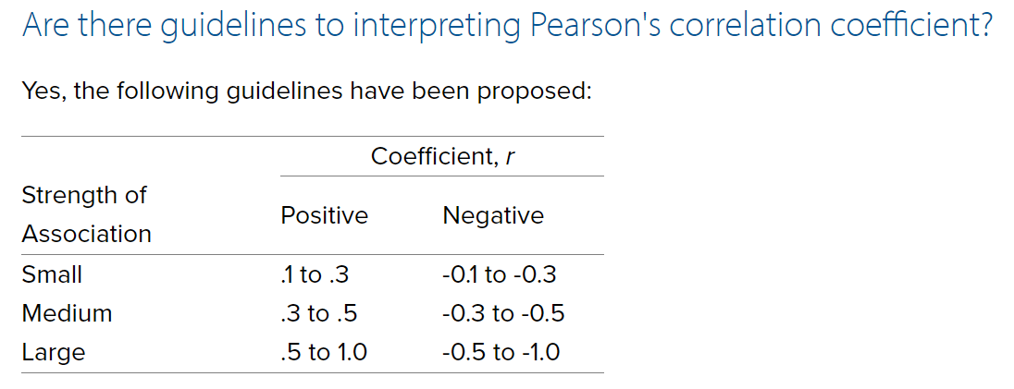
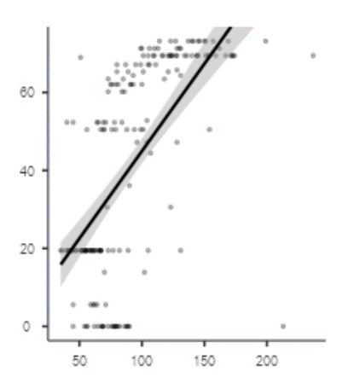

 |  |  |  |  |  |  | large positive
 |  |  |  |  |  |  | med positive
 |  |  |  |  |  |  | small positive
 |  |  |  |  |  |  | smal neg
 |  |  |  |  |  |  | med neg
 |  |  |  |  |  |  | large neg

