Summary
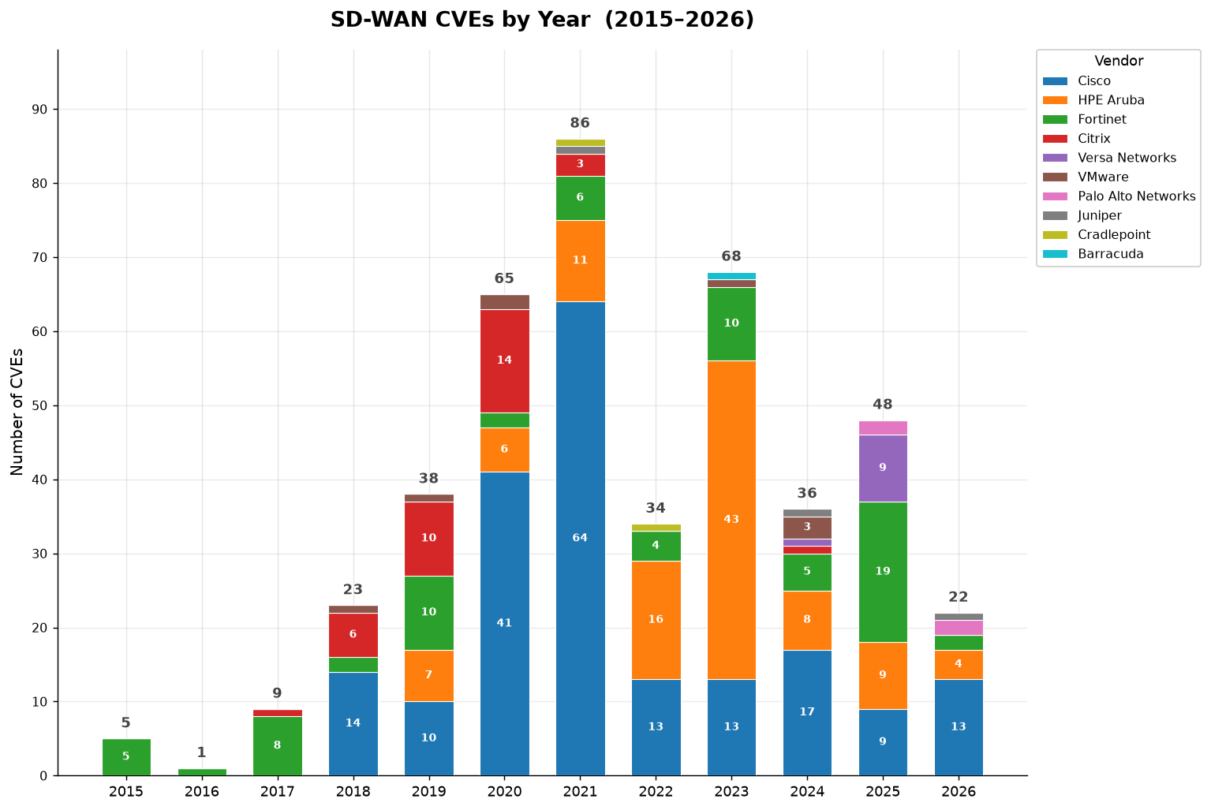
SD-WAN CVE Trend Analysis | All Vendors

Vendor | Total | 2015 | 2016 | 2017 | 2018 | 2019 | 2020 | 2021 | 2022 | 2023 | 2024 | 2025 | 2026
Cisco | 194 | 0 | 0 | 0 | 14 | 10 | 41 | 64 | 13 | 13 | 17 | 9 | 13
HPE Aruba | 104 | 0 | 0 | 0 | 0 | 7 | 6 | 11 | 16 | 43 | 8 | 9 | 4
Fortinet | 74 | 5 | 1 | 8 | 2 | 10 | 2 | 6 | 4 | 10 | 5 | 19 | 2
Citrix | 35 | 0 | 0 | 1 | 6 | 10 | 14 | 3 | 0 | 0 | 1 | 0 | 0
Versa Networks | 10 | 0 | 0 | 0 | 0 | 0 | 0 | 0 | 0 | 0 | 1 | 9 | 0
VMware | 8 | 0 | 0 | 0 | 1 | 1 | 2 | 0 | 0 | 1 | 3 | 0 | 0
Palo Alto Networks | 4 | 0 | 0 | 0 | 0 | 0 | 0 | 0 | 0 | 0 | 0 | 2 | 2
Juniper | 3 | 0 | 0 | 0 | 0 | 0 | 0 | 1 | 0 | 0 | 1 | 0 | 1
Cradlepoint | 2 | 0 | 0 | 0 | 0 | 0 | 0 | 1 | 1 | 0 | 0 | 0 | 0
Barracuda | 1 | 0 | 0 | 0 | 0 | 0 | 0 | 0 | 0 | 1 | 0 | 0 | 0
TOTAL

Cisco
Cisco | SD-WAN CVE Analysis

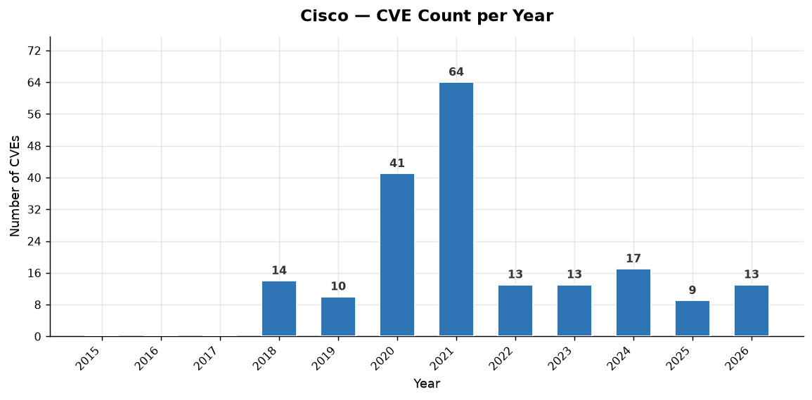
Year | Total CVEs | Score <5 (Low) | Score 5-8 (Med) | Score >8 (High)
2015 | 0 | 0 | 0 | 0
2016 | 0 | 0 | 0 | 0
2017 | 0 | 0 | 0 | 0
2018 | 14 | 0 | 8 | 6
2019 | 10 | 0 | 6 | 4
2020 | 41 | 3 | 30 | 8
2021 | 64 | 4 | 39 | 21
2022 | 13 | 1 | 12 | 0
2023 | 13 | 2 | 8 | 3
2024 | 17 | 3 | 14 | 0
2025 | 9 | 1 | 8 | 0
2026 | 13 | 0 | 8 | 5
TOTAL

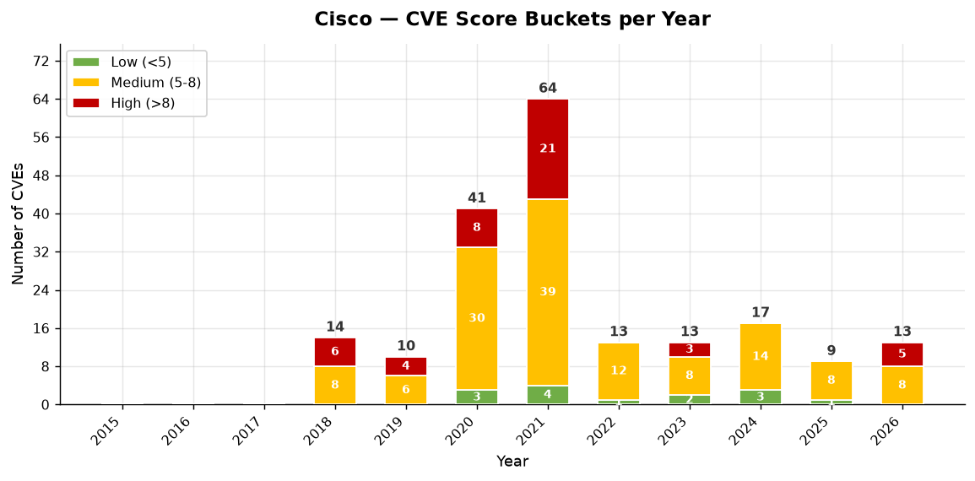

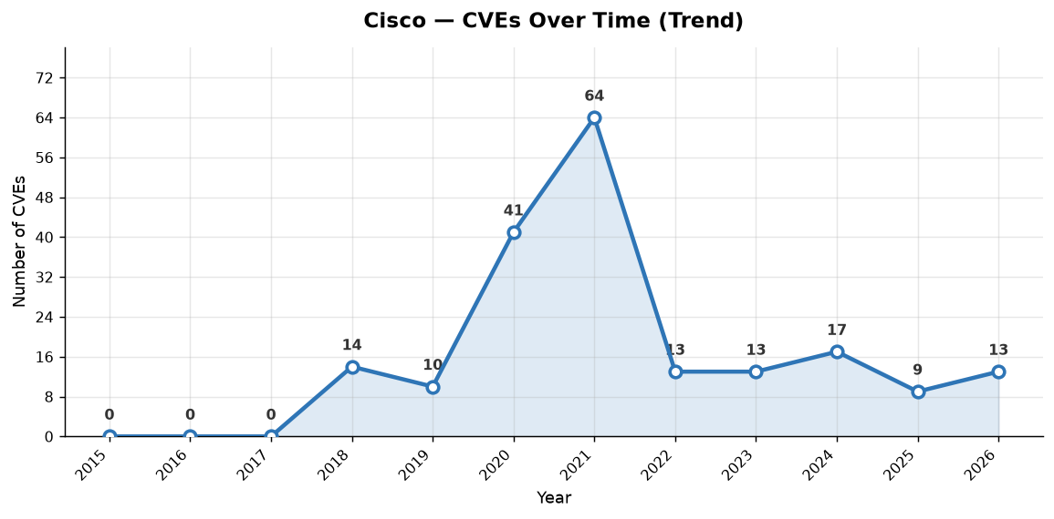

Cisco — Individual CVEs (194 total, sorted by severity)
CVE ID | Published | CVSS Score | Severity | CWE(s) | Vendors | Description
CVE-2026-20182 | 2026-05-14 | 10.0 | CRITICAL | CWE-287 | Cisco | May 2026: This security advisory provides the details and fix information for a vulnerability that was discovered and fixed after the was disclosed in February 2026. This new advisory is for a new vulnerability in the control connection handshaking. The section of this advisory includes Show Contr…
CVE-2026-20127 | 2026-02-25 | 10.0 | CRITICAL | CWE-287 | Cisco | A vulnerability in the peering authentication in Cisco Catalyst SD-WAN Controller, formerly SD-WAN vSmart, Cisco Catalyst SD-WAN Manager, formerly SD-WAN vManage, and Cisco Catalyst SD-WAN Validator, formerly SD-WAN vBond, could allow an unauthenticated, remote attacker to bypass authentication and …
CVE-2020-3374 | 2020-07-31 | 9.9 | CRITICAL | CWE-285, CWE-863 | Cisco | A vulnerability in the web-based management interface of Cisco SD-WAN vManage Software could allow an authenticated, remote attacker to bypass authorization, enabling them to access sensitive information, modify the system configuration, or impact the availability of the affected system. The vulnera…
CVE-2019-1651 | 2019-01-24 | 9.9 | CRITICAL | CWE-119 | Cisco | A vulnerability in the vContainer of the Cisco SD-WAN Solution could allow an authenticated, remote attacker to cause a denial of service (DoS) condition and execute arbitrary code as the root user. The vulnerability is due to improper bounds checking by the vContainer. An attacker could exploit thi…
CVE-2026-20129 | 2026-02-25 | 9.8 | CRITICAL | CWE-287 | Cisco | A vulnerability in the API user authentication of Cisco Catalyst SD-WAN Manager could allow an unauthenticated, remote attacker to gain access to an affected system as a user who has the&nbsp;netadmin role. The vulnerability is due to improper authentication for requests that are sent to the API.…
CVE-2023-20252 | 2023-09-27 | 9.8 | CRITICAL | CWE-287, CWE-862 | Cisco | A vulnerability in the Security Assertion Markup Language (SAML) APIs of Cisco Catalyst SD-WAN Manager Software could allow an unauthenticated, remote attacker to gain unauthorized access to the application as an arbitrary user. This vulnerability is due to improper authentication checks for SAML…
CVE-2021-34727 | 2021-09-23 | 9.8 | CRITICAL | CWE-120 | Cisco | A vulnerability in the vDaemon process in Cisco IOS XE SD-WAN Software could allow an unauthenticated, remote attacker to cause a buffer overflow on an affected device. This vulnerability is due to insufficient bounds checking when an affected device processes traffic. An attacker could exploit this…
CVE-2021-1508 | 2021-05-06 | 9.8 | CRITICAL | CWE-20, CWE-862 | Cisco | Multiple vulnerabilities in Cisco SD-WAN vManage Software could allow an unauthenticated, remote attacker to execute arbitrary code or gain access to sensitive information, or allow an authenticated, local attacker to gain escalated privileges or gain unauthorized access to the application. For more…
CVE-2021-1506 | 2021-05-06 | 9.8 | CRITICAL | CWE-20, CWE-862 | Cisco | Multiple vulnerabilities in Cisco SD-WAN vManage Software could allow an unauthenticated, remote attacker to execute arbitrary code or gain access to sensitive information, or allow an authenticated, local attacker to gain escalated privileges or gain unauthorized access to the application. For more…
CVE-2021-1505 | 2021-05-06 | 9.8 | CRITICAL | CWE-20, CWE-862 | Cisco | Multiple vulnerabilities in Cisco SD-WAN vManage Software could allow an unauthenticated, remote attacker to execute arbitrary code or gain access to sensitive information, or allow an authenticated, local attacker to gain escalated privileges or gain unauthorized access to the application. For more…
CVE-2021-1468 | 2021-05-06 | 9.8 | CRITICAL | CWE-20, CWE-287 | Cisco | Multiple vulnerabilities in Cisco SD-WAN vManage Software could allow an unauthenticated, remote attacker to execute arbitrary code or gain access to sensitive information, or allow an authenticated, local attacker to gain escalated privileges or gain unauthorized access to the application. For more…
CVE-2021-1275 | 2021-05-06 | 9.8 | CRITICAL | CWE-20, CWE-400 | Cisco | Multiple vulnerabilities in Cisco SD-WAN vManage Software could allow an unauthenticated, remote attacker to execute arbitrary code or gain access to sensitive information, or allow an authenticated, local attacker to gain escalated privileges or gain unauthorized access to the application. For more…
CVE-2021-1301 | 2021-01-20 | 9.8 | CRITICAL | CWE-119, CWE-20 | Cisco | Multiple vulnerabilities in Cisco SD-WAN products could allow an unauthenticated, remote attacker to execute attacks against an affected device. For more information about these vulnerabilities, see the Details section of this advisory.
CVE-2021-1300 | 2021-01-20 | 9.8 | CRITICAL | CWE-119, CWE-120 | Cisco | Multiple vulnerabilities in Cisco SD-WAN products could allow an unauthenticated, remote attacker to execute attacks against an affected device. For more information about these vulnerabilities, see the Details section of this advisory.
CVE-2020-3375 | 2020-07-31 | 9.8 | CRITICAL | CWE-119, CWE-20 | Cisco | A vulnerability in Cisco SD-WAN Solution Software could allow an unauthenticated, remote attacker to cause a buffer overflow on an affected device. The vulnerability is due to insufficient input validation. An attacker could exploit this vulnerability by sending crafted traffic to an affected device…
CVE-2018-15387 | 2018-10-05 | 9.8 | CRITICAL | CWE-20, CWE-295 | Cisco | A vulnerability in the Cisco SD-WAN Solution could allow an unauthenticated, remote attacker to bypass certificate validation on an affected device. The vulnerability is due to improper certificate validation. An attacker could exploit this vulnerability by supplying a system image signed with a cra…
CVE-2018-0349 | 2018-07-18 | 9.8 | CRITICAL | CWE-20, CWE-78 | Cisco | A vulnerability in the Cisco SD-WAN Solution could allow an authenticated, remote attacker to overwrite arbitrary files on the underlying operating system of an affected device. The vulnerability is due to improper input validation of the request admin-tech command in the CLI of the affected softwar…
CVE-2023-20214 | 2023-08-03 | 9.1 | CRITICAL | CWE-287 | Cisco | A vulnerability in the request authentication validation for the REST API of Cisco SD-WAN vManage software could allow an unauthenticated, remote attacker to gain read permissions or limited write permissions to the configuration of an affected Cisco SD-WAN vManage instance. This vulnerability is…
CVE-2021-1225 | 2021-01-20 | 9.1 | CRITICAL | CWE-89 | Cisco | Multiple vulnerabilities in the web-based management interface of Cisco SD-WAN vManage Software could allow an unauthenticated, remote attacker to conduct SQL injection attacks on an affected system. These vulnerabilities exist because the web-based management interface improperly validates values i…
CVE-2026-20126 | 2026-02-25 | 8.8 | HIGH | CWE-648 | Cisco | A vulnerability in Cisco Catalyst SD-WAN Manager could allow an authenticated, local attacker with low privileges to gain root privileges on the underlying operating system. This vulnerability is due to an insufficient user authentication mechanism in the REST API. An attacker could exploit this …
CVE-2021-1284 | 2021-05-06 | 8.8 | HIGH | CWE-284 | Cisco | A vulnerability in the web-based messaging service interface of Cisco SD-WAN vManage Software could allow an unauthenticated, adjacent attacker to bypass authentication and authorization and modify the configuration of an affected system. To exploit this vulnerability, the attacker must be able to a…
CVE-2021-1305 | 2021-01-20 | 8.8 | HIGH | CWE-20, CWE-863 | Cisco | Multiple vulnerabilities in the web-based management interface of Cisco SD-WAN vManage Software could allow an authenticated, remote attacker to bypass authorization and modify the configuration of an affected system, gain access to sensitive information, and view information that they are not autho…
CVE-2021-1304 | 2021-01-20 | 8.8 | HIGH | CWE-20 | Cisco | Multiple vulnerabilities in the web-based management interface of Cisco SD-WAN vManage Software could allow an authenticated, remote attacker to bypass authorization and modify the configuration of an affected system, gain access to sensitive information, and view information that they are not autho…
CVE-2021-1302 | 2021-01-20 | 8.8 | HIGH | CWE-20 | Cisco | Multiple vulnerabilities in the web-based management interface of Cisco SD-WAN vManage Software could allow an authenticated, remote attacker to bypass authorization and modify the configuration of an affected system, gain access to sensitive information, and view information that they are not autho…
CVE-2021-1299 | 2021-01-20 | 8.8 | HIGH | CWE-20, CWE-77 | Cisco | Multiple vulnerabilities in Cisco SD-WAN products could allow an authenticated attacker to perform command injection attacks against an affected device, which could allow the attacker to take certain actions with root privileges on the device. For more information about these vulnerabilities, see th…
CVE-2021-1298 | 2021-01-20 | 8.8 | HIGH | CWE-20, CWE-77 | Cisco | Multiple vulnerabilities in Cisco SD-WAN products could allow an authenticated attacker to perform command injection attacks against an affected device, which could allow the attacker to take certain actions with root privileges on the device. For more information about these vulnerabilities, see th…
CVE-2020-3387 | 2020-07-16 | 8.8 | HIGH | CWE-20 | Cisco | A vulnerability in Cisco SD-WAN vManage Software could allow an authenticated, remote attacker to execute code with root privileges on an affected system. The vulnerability is due to insufficient input sanitization during user authentication processing. An attacker could exploit this vulnerability b…
CVE-2020-3381 | 2020-07-16 | 8.8 | HIGH | CWE-22 | Cisco | A vulnerability in the web management interface of Cisco SD-WAN vManage Software could allow an authenticated, remote attacker to conduct directory traversal attacks and obtain read and write access to sensitive files on a targeted system. The vulnerability is due to a lack of proper validation of f…
CVE-2020-3115 | 2020-01-26 | 8.8 | HIGH | CWE-264, CWE-269 | Cisco | A vulnerability in the CLI of the Cisco SD-WAN Solution vManage software could allow an authenticated, local attacker to elevate privileges to root-level privileges on the underlying operating system. The vulnerability is due to insufficient input validation. An attacker could exploit this vulnerabi…
CVE-2019-1626 | 2019-06-20 | 8.8 | HIGH | CWE-264, CWE-863 | Cisco | A vulnerability in the vManage web-based UI (Web UI) of the Cisco SD-WAN Solution could allow an authenticated, remote attacker to gain elevated privileges on an affected vManage device. The vulnerability is due to a failure to properly authorize certain user actions in the device configuration. An …
CVE-2019-1624 | 2019-06-20 | 8.8 | HIGH | CWE-77 | Cisco | A vulnerability in the vManage web-based UI (Web UI) in the Cisco SD-WAN Solution could allow an authenticated, remote attacker to inject arbitrary commands that are executed with root privileges. The vulnerability is due to insufficient input validation. An attacker could exploit this vulnerability…
CVE-2019-1650 | 2019-01-24 | 8.8 | HIGH | CWE-20, CWE-78 | Cisco | A vulnerability in the Cisco SD-WAN Solution could allow an authenticated, remote attacker to overwrite arbitrary files on the underlying operating system of an affected device. The vulnerability is due to improper input validation of the save command in the CLI of the affected software. An attacker…
CVE-2018-0432 | 2018-10-05 | 8.8 | HIGH | CWE-264, CWE-78 | Cisco | A vulnerability in the error reporting feature of the Cisco SD-WAN Solution could allow an authenticated, remote attacker to gain elevated privileges on an affected device. The vulnerability is due to a failure to properly validate certain parameters included within the error reporting application c…
CVE-2018-0350 | 2018-07-18 | 8.8 | HIGH | CWE-77 | Cisco | A vulnerability in the VPN subsystem configuration in the Cisco SD-WAN Solution could allow an authenticated, remote attacker to inject arbitrary commands that are executed with root privileges. The vulnerability is due to insufficient input validation. An attacker could exploit this vulnerability b…
CVE-2018-0345 | 2018-07-18 | 8.8 | HIGH | CWE-20, CWE-88 | Cisco | A vulnerability in the configuration and management database of the Cisco SD-WAN Solution could allow an authenticated, remote attacker to execute arbitrary commands with the privileges of the vmanage user in the configuration management system of the affected software. The vulnerability is due to i…
CVE-2018-0343 | 2018-07-18 | 8.8 | HIGH | CWE-269, CWE-284 | Cisco | A vulnerability in the configuration and management service of the Cisco SD-WAN Solution could allow an authenticated, remote attacker to execute arbitrary code with vmanage user privileges or cause a denial of service (DoS) condition on an affected system. The vulnerability is due to insufficient a…
CVE-2026-20224 | 2026-05-14 | 8.6 | HIGH | CWE-20 | Cisco | A vulnerability in the web UI of Cisco Catalyst SD-WAN Manager, formerly SD-WAN vManage, could allow an unauthenticated, remote attacker to read arbitrary files that are stored in an affected system. The attacker does not need to have valid user credentials. This vulnerability is due to improper …
CVE-2021-1241 | 2021-01-20 | 8.6 | HIGH | CWE-119 | Cisco | Multiple vulnerabilities in Cisco SD-WAN products could allow an unauthenticated, remote attacker to execute denial of service (DoS) attacks against an affected device. For more information about these vulnerabilities, see the Details section of this advisory.
CVE-2021-1279 | 2021-01-20 | 8.6 | HIGH | CWE-119, CWE-20 | Cisco | Multiple vulnerabilities in Cisco SD-WAN products could allow an unauthenticated, remote attacker to execute denial of service (DoS) attacks against an affected device. For more information about these vulnerabilities, see the Details section of this advisory.
CVE-2021-1278 | 2021-01-20 | 8.6 | HIGH | CWE-119, CWE-59 | Cisco | Multiple vulnerabilities in Cisco SD-WAN products could allow an unauthenticated, remote attacker to execute denial of service (DoS) attacks against an affected device. For more information about these vulnerabilities, see the Details section of this advisory.
CVE-2021-1274 | 2021-01-20 | 8.6 | HIGH | CWE-119, CWE-476 | Cisco | Multiple vulnerabilities in Cisco SD-WAN products could allow an unauthenticated, remote attacker to execute denial of service (DoS) attacks against an affected device. For more information about these vulnerabilities, see the Details section of this advisory.
CVE-2021-1273 | 2021-01-20 | 8.6 | HIGH | CWE-119 | Cisco | Multiple vulnerabilities in Cisco SD-WAN products could allow an unauthenticated, remote attacker to execute denial of service (DoS) attacks against an affected device. For more information about these vulnerabilities, see the Details section of this advisory.
CVE-2020-3351 | 2020-07-16 | 8.6 | HIGH | CWE-399, CWE-400 | Cisco | A vulnerability in Cisco SD-WAN Solution Software could allow an unauthenticated, remote attacker to cause a denial of service (DoS) condition. The vulnerability is due to improper validation of fields in Cisco SD-WAN peering messages that are encapsulated in UDP packets. An attacker could exploit t…
CVE-2019-1950 | 2020-02-19 | 8.4 | HIGH | CWE-1188, CWE-255 | Cisco | A vulnerability in Cisco IOS XE SD-WAN Software could allow an unauthenticated, local attacker to gain unauthorized access to an affected device. The vulnerability is due to the existence of default credentials within the default configuration of an affected device. An attacker who has access to an …
CVE-2020-26064 | 2023-08-04 | 8.1 | HIGH | CWE-611 | Cisco | A vulnerability in the web UI of Cisco SD-WAN vManage Software could allow an authenticated, remote attacker to gain read and write access to information that is stored on an affected system. The vulnerability is due to improper handling of XML External Entity (XXE) entries when parsing certain XM…
CVE-2021-1433 | 2021-03-24 | 8.1 | HIGH | CWE-119 | Cisco | A vulnerability in the vDaemon process in Cisco IOS XE SD-WAN Software could allow an unauthenticated, remote attacker to cause a buffer overflow on an affected device. This vulnerability is due to insufficient bounds checking when the device processes traffic. An attacker could exploit this vulnera…
CVE-2019-16012 | 2020-03-19 | 8.1 | HIGH | CWE-77, CWE-89 | Cisco | A vulnerability in the web UI of Cisco SD-WAN Solution vManage software could allow an authenticated, remote attacker to conduct SQL injection attacks on an affected system. The vulnerability exists because the web UI improperly validates SQL values. An attacker could exploit this vulnerability by a…
CVE-2019-1647 | 2019-01-24 | 8.0 | HIGH | CWE-284 | Cisco | A vulnerability in the Cisco SD-WAN Solution could allow an authenticated, adjacent attacker to bypass authentication and have direct unauthorized access to other vSmart containers. The vulnerability is due to an insecure default configuration of the affected system. An attacker could exploit this v…
CVE-2026-20245 | 2026-06-04 | 7.8 | HIGH | CWE-116 | Cisco | A vulnerability in the CLI of Cisco Catalyst SD-WAN Controller, formerly SD-WAN vSmart, Cisco Catalyst SD-WAN Manager, formerly SD-WAN vManage, and Cisco Catalyst SD-WAN Validator, formerly SD-WAN vBond, could allow an authenticated, local attacker to execute arbitrary commands as root by supplying …
CVE-2025-20122 | 2025-05-07 | 7.8 | HIGH | CWE-300 | Cisco | A vulnerability in the CLI of Cisco Catalyst SD-WAN Manager, formerly Cisco SD-WAN vManage, could allow an authenticated, local attacker to gain privileges of the root user on the underlying operating system. This vulnerability is due to insufficient input validation. An authenticated attacker wi…
CVE-2020-26074 | 2024-11-18 | 7.8 | HIGH | CWE-250 | Cisco | A vulnerability in system file transfer functions of Cisco&nbsp;SD-WAN vManage Software could allow an authenticated, local attacker to gain escalated privileges on the underlying operating system. The vulnerability is due to improper validation of path input to the system file transfer functions. …
CVE-2023-20035 | 2023-03-23 | 7.8 | HIGH | CWE-146 | Cisco | A vulnerability in the CLI of Cisco IOS XE SD-WAN Software could allow an authenticated, local attacker to execute arbitrary commands with elevated privileges. This vulnerability is due to insufficient input validation by the system CLI. An attacker with privileges to run commands could exploit this…
CVE-2022-20818 | 2022-09-30 | 7.8 | HIGH | CWE-22, CWE-25 | Cisco | Multiple vulnerabilities in the CLI of Cisco SD-WAN Software could allow an authenticated, local attacker to gain elevated privileges. These vulnerabilities are due to improper access controls on commands within the application CLI. An attacker could exploit these vulnerabilities by running a malici…
CVE-2022-20775 | 2022-09-30 | 7.8 | HIGH | CWE-22, CWE-25 | Cisco | A vulnerability in the CLI of Cisco SD-WAN Software could allow an authenticated, local attacker to gain elevated privileges. This vulnerability is due to improper access controls on commands within the application CLI. An attacker could exploit this vulnerability by running a maliciously crafted…
CVE-2022-20716 | 2022-04-15 | 7.8 | HIGH | CWE-284 | Cisco | A vulnerability in the CLI of Cisco SD-WAN Software could allow an authenticated, local attacker to gain escalated privileges. This vulnerability is due to improper access control on files within the affected system. A local attacker could exploit this vulnerability by modifying certain files on the…
CVE-2021-1529 | 2021-10-21 | 7.8 | HIGH | CWE-78 | Cisco | A vulnerability in the CLI of Cisco IOS XE SD-WAN Software could allow an authenticated, local attacker to execute arbitrary commands with root privileges. The vulnerability is due to insufficient input validation by the system CLI. An attacker could exploit this vulnerability by authenticating to a…
CVE-2021-1528 | 2021-06-04 | 7.8 | HIGH | CWE-250 | Cisco | A vulnerability in the CLI of Cisco SD-WAN Software could allow an authenticated, local attacker to gain elevated privileges on an affected system. This vulnerability exists because the affected software does not properly restrict access to privileged processes. An attacker could exploit this vulner…
CVE-2021-1514 | 2021-05-06 | 7.8 | HIGH | CWE-20, CWE-78 | Cisco | A vulnerability in the CLI of Cisco SD-WAN Software could allow an authenticated, local attacker to inject arbitrary commands to be executed with Administrator privileges on the underlying operating system. This vulnerability is due to insufficient input validation on certain CLI commands. An attack…
CVE-2021-1480 | 2021-04-08 | 7.8 | HIGH | CWE-119, CWE-20 | Cisco | Multiple vulnerabilities in Cisco SD-WAN vManage Software could allow an unauthenticated, remote attacker to execute arbitrary code or allow an authenticated, local attacker to gain escalated privileges on an affected system. For more information about these vulnerabilities, see the Details section …
CVE-2021-1479 | 2021-04-08 | 7.8 | HIGH | CWE-119 | Cisco | Multiple vulnerabilities in Cisco SD-WAN vManage Software could allow an unauthenticated, remote attacker to execute arbitrary code or allow an authenticated, local attacker to gain escalated privileges on an affected system. For more information about these vulnerabilities, see the Details section …
CVE-2021-1137 | 2021-04-08 | 7.8 | HIGH | CWE-119, CWE-20 | Cisco | Multiple vulnerabilities in Cisco SD-WAN vManage Software could allow an unauthenticated, remote attacker to execute arbitrary code or allow an authenticated, local attacker to gain escalated privileges on an affected system. For more information about these vulnerabilities, see the Details section …
CVE-2021-1263 | 2021-01-20 | 7.8 | HIGH | CWE-20, CWE-77 | Cisco | Multiple vulnerabilities in Cisco SD-WAN products could allow an authenticated attacker to perform command injection attacks against an affected device, which could allow the attacker to take certain actions with root privileges on the device. For more information about these vulnerabilities, see th…
CVE-2021-1262 | 2021-01-20 | 7.8 | HIGH | CWE-20, CWE-77 | Cisco | Multiple vulnerabilities in Cisco SD-WAN products could allow an authenticated attacker to perform command injection attacks against an affected device, which could allow the attacker to take certain actions with root privileges on the device. For more information about these vulnerabilities, see th…
CVE-2021-1261 | 2021-01-20 | 7.8 | HIGH | CWE-20, CWE-77 | Cisco | Multiple vulnerabilities in Cisco SD-WAN products could allow an authenticated attacker to perform command injection attacks against an affected device, which could allow the attacker to take certain actions with root privileges on the device. For more information about these vulnerabilities, see th…
CVE-2021-1260 | 2021-01-20 | 7.8 | HIGH | CWE-20, CWE-77 | Cisco | Multiple vulnerabilities in Cisco SD-WAN products could allow an authenticated attacker to perform command injection attacks against an affected device, which could allow the attacker to take certain actions with root privileges on the device. For more information about these vulnerabilities, see th…
CVE-2020-3600 | 2020-11-06 | 7.8 | HIGH | CWE-269, CWE-863 | Cisco | A vulnerability in Cisco SD-WAN Software could allow an authenticated, local attacker to elevate privileges to root on the underlying operating system. The vulnerability is due to insufficient security controls on the CLI. An attacker could exploit this vulnerability by using an affected CLI utility…
CVE-2020-3595 | 2020-11-06 | 7.8 | HIGH | CWE-269, CWE-732 | Cisco | A vulnerability in Cisco SD-WAN Software could allow an authenticated, local attacker to elevate privileges to root group on the underlying operating system. The vulnerability is due to incorrect permissions being set when the affected command is executed. An attacker could exploit this vulnerabilit…
CVE-2020-3594 | 2020-11-06 | 7.8 | HIGH | CWE-269 | Cisco | A vulnerability in Cisco SD-WAN Software could allow an authenticated, local attacker to elevate privileges to root on the underlying operating system. The vulnerability is due to insufficient input validation. An attacker could exploit this vulnerability by providing crafted options to a specific c…
CVE-2020-3593 | 2020-11-06 | 7.8 | HIGH | CWE-269 | Cisco | A vulnerability in Cisco SD-WAN Software could allow an authenticated, local attacker to elevate privileges to root on the underlying operating system. The vulnerability is due to insufficient input validation. An attacker could exploit this vulnerability by sending a crafted request to a utility th…
CVE-2020-3388 | 2020-07-16 | 7.8 | HIGH | CWE-287 | Cisco | A vulnerability in the CLI of Cisco SD-WAN vManage Software could allow an authenticated, local attacker to inject arbitrary commands that are executed with root privileges. The vulnerability is due to insufficient input validation. An attacker could exploit this vulnerability by authenticating to t…
CVE-2020-3379 | 2020-07-16 | 7.8 | HIGH | CWE-20, CWE-264 | Cisco | A vulnerability in Cisco SD-WAN Solution Software could allow an authenticated, local attacker to elevate privileges to Administrator on the underlying operating system. The vulnerability is due to insufficient input validation. An attacker could exploit this vulnerability by sending a crafted reque…
CVE-2020-3180 | 2020-07-16 | 7.8 | HIGH | CWE-264, CWE-522 | Cisco | A vulnerability in Cisco SD-WAN Solution Software could allow an unauthenticated, local attacker to access an affected device by using an account that has a default, static password. This account has root privileges. The vulnerability exists because the affected software has a user account with a de…
CVE-2019-16011 | 2020-04-29 | 7.8 | HIGH | CWE-20, CWE-77 | Cisco | A vulnerability in the CLI of Cisco IOS XE SD-WAN Software could allow an authenticated, local attacker to inject arbitrary commands that are executed with root privileges. The vulnerability is due to insufficient input validation. An attacker could exploit this vulnerability by authenticating to th…
CVE-2020-3266 | 2020-03-19 | 7.8 | HIGH | CWE-77, CWE-78 | Cisco | A vulnerability in the CLI of Cisco SD-WAN Solution software could allow an authenticated, local attacker to inject arbitrary commands that are executed with root privileges. The vulnerability is due to insufficient input validation. An attacker could exploit this vulnerability by authenticating to …
CVE-2020-3265 | 2020-03-19 | 7.8 | HIGH | CWE-264, CWE-269 | Cisco | A vulnerability in Cisco SD-WAN Solution software could allow an authenticated, local attacker to elevate privileges to root on the underlying operating system. The vulnerability is due to insufficient input validation. An attacker could exploit this vulnerability by sending a crafted request to an …
CVE-2019-1625 | 2019-06-20 | 7.8 | HIGH | CWE-264 | Cisco | A vulnerability in the CLI of Cisco SD-WAN Solution could allow an authenticated, local attacker to elevate lower-level privileges to the root user on an affected device. The vulnerability is due to insufficient authorization enforcement. An attacker could exploit this vulnerability by authenticatin…
CVE-2019-1648 | 2019-01-24 | 7.8 | HIGH | CWE-20, CWE-264 | Cisco | A vulnerability in the user group configuration of the Cisco SD-WAN Solution could allow an authenticated, local attacker to gain elevated privileges on an affected device. The vulnerability is due to a failure to properly validate certain parameters included within the group configuration. An attac…
CVE-2019-1646 | 2019-01-24 | 7.8 | HIGH | CWE-264, CWE-77 | Cisco | A vulnerability in the local CLI of the Cisco SD-WAN Solution could allow an authenticated, local attacker to escalate privileges and modify device configuration files. The vulnerability exists because user input is not properly sanitized for certain commands at the CLI. An attacker could exploit th…
CVE-2018-0433 | 2018-10-05 | 7.8 | HIGH | CWE-77, CWE-78 | Cisco | A vulnerability in the command-line interface (CLI) in the Cisco SD-WAN Solution could allow an authenticated, local attacker to inject arbitrary commands that are executed with root privileges. The vulnerability is due to insufficient input validation. An attacker could exploit this vulnerability b…
CVE-2018-0351 | 2018-07-18 | 7.8 | HIGH | CWE-77 | Cisco | A vulnerability in the command-line tcpdump utility in the Cisco SD-WAN Solution could allow an authenticated, local attacker to inject arbitrary commands that are executed with root privileges. The vulnerability is due to insufficient input validation. An attacker could exploit this vulnerability b…
CVE-2018-0347 | 2018-07-18 | 7.8 | HIGH | CWE-77 | Cisco | A vulnerability in the Zero Touch Provisioning (ZTP) subsystem of the Cisco SD-WAN Solution could allow an authenticated, local attacker to inject arbitrary commands that are executed with root privileges. The vulnerability is due to insufficient input validation. An attacker could exploit this vuln…
CVE-2026-20128 | 2026-02-25 | 7.5 | HIGH | CWE-257 | Cisco | A vulnerability in the Data Collection Agent (DCA) feature of Cisco Catalyst SD-WAN Manager could allow an unauthenticated, remote attacker to gain DCA user privileges on an affected system. This vulnerability is due to the presence of a credential file for the DCA user on an affected system. An …
CVE-2020-26073 | 2024-11-18 | 7.5 | HIGH | CWE-35 | Cisco | A vulnerability in the application data endpoints of Cisco&nbsp;SD-WAN vManage Software could allow an unauthenticated, remote attacker to gain access to sensitive information. The vulnerability is due to improper validation of directory traversal character sequences within requests to application …
CVE-2023-20034 | 2023-09-27 | 7.5 | HIGH | CWE-798 | Cisco | Vulnerability in the Elasticsearch database used in the of Cisco SD-WAN vManage software could allow an unauthenticated, remote attacker to access the Elasticsearch configuration database of an affected device with the privileges of the elasticsearch user. These vulnerability is due to the presen…
CVE-2022-20696 | 2022-09-08 | 7.5 | HIGH | CWE-284 | Cisco | A vulnerability in the binding configuration of Cisco SD-WAN vManage Software containers could allow an unauthenticated, adjacent attacker who has access to the VPN0 logical network to also access the messaging service ports on an affected system. This vulnerability exists because the messaging serv…
CVE-2021-1513 | 2021-05-06 | 7.5 | HIGH | CWE-20 | Cisco | A vulnerability in the vDaemon process of Cisco SD-WAN Software could allow an unauthenticated, remote attacker to cause a device to reload, resulting in a denial of service (DoS) condition. This vulnerability is due to insufficient handling of malformed packets. An attacker could exploit this vulne…
CVE-2021-1511 | 2021-05-06 | 7.5 | HIGH | CWE-119 | Cisco | Multiple vulnerabilities in Cisco SD-WAN vEdge Software could allow an attacker to execute arbitrary code as the root user or cause a denial of service (DoS) condition on an affected device. For more information about these vulnerabilities, see the Details section of this advisory.
CVE-2021-1510 | 2021-05-06 | 7.5 | HIGH | CWE-119 | Cisco | Multiple vulnerabilities in Cisco SD-WAN vEdge Software could allow an attacker to execute arbitrary code as the root user or cause a denial of service (DoS) condition on an affected device. For more information about these vulnerabilities, see the Details section of this advisory.
CVE-2021-1509 | 2021-05-06 | 7.5 | HIGH | CWE-119 | Cisco | Multiple vulnerabilities in Cisco SD-WAN vEdge Software could allow an attacker to execute arbitrary code as the root user or cause a denial of service (DoS) condition on an affected device. For more information about these vulnerabilities, see the Details section of this advisory.
CVE-2021-1431 | 2021-03-24 | 7.5 | HIGH | CWE-20 | Cisco | A vulnerability in the vDaemon process of Cisco IOS XE SD-WAN Software could allow an unauthenticated, remote attacker to cause a device to reload, resulting a denial of service (DoS) condition. This vulnerability is due to insufficient handling of malformed packets. An attacker could exploit this v…
CVE-2020-3444 | 2020-11-06 | 7.5 | HIGH | CWE-20 | Cisco | A vulnerability in the packet filtering features of Cisco SD-WAN Software could allow an unauthenticated, remote attacker to bypass L3 and L4 traffic filters. The vulnerability is due to improper traffic filtering conditions on an affected device. An attacker could exploit this vulnerability by craf…
CVE-2020-3369 | 2020-07-16 | 7.5 | HIGH | CWE-118 | Cisco | A vulnerability in the deep packet inspection (DPI) engine of Cisco SD-WAN vEdge Routers could allow an unauthenticated, remote attacker to cause a denial of service (DoS) condition on an affected device. The vulnerability is due to improper processing of FTP traffic. An attacker could exploit this …
CVE-2018-0346 | 2018-07-18 | 7.5 | HIGH | CWE-119 | Cisco | A vulnerability in the Zero Touch Provisioning service of the Cisco SD-WAN Solution could allow an unauthenticated, remote attacker to cause a denial of service (DoS) condition on an affected device. The vulnerability is due to incorrect bounds checks for certain values in packets that are sent to t…
CVE-2018-0434 | 2018-10-05 | 7.4 | HIGH | CWE-295 | Cisco | A vulnerability in the Zero Touch Provisioning feature of the Cisco SD-WAN Solution could allow an unauthenticated, remote attacker to gain unauthorized access to sensitive data by using an invalid certificate. The vulnerability is due to insufficient certificate validation by the affected software.…
CVE-2022-20739 | 2022-04-15 | 7.3 | HIGH | CWE-269 | Cisco | A vulnerability in the CLI of Cisco SD-WAN vManage Software could allow an authenticated, local attacker to execute arbitrary commands on the underlying operating system as the root user. The attacker must be authenticated on the affected system as a low-privileged user to exploit this vulnerability…
CVE-2021-1432 | 2021-03-24 | 7.3 | HIGH | CWE-20, CWE-74 | Cisco | A vulnerability in the CLI of Cisco IOS XE SD-WAN Software could allow an authenticated, local attacker to execute arbitrary commands on the underlying operating system as the root user. The attacker must be authenticated on the affected device as a low-privileged user to exploit this vulnerability.…
CVE-2020-3405 | 2020-07-16 | 7.3 | HIGH | CWE-611 | Cisco | A vulnerability in the web UI of Cisco SD-WAN vManage Software could allow an authenticated, remote attacker to gain read and write access to information that is stored on an affected system. The vulnerability is due to improper handling of XML External Entity (XXE) entries when parsing certain XML …
CVE-2023-20254 | 2023-09-27 | 7.2 | HIGH | CWE-732 | Cisco | A vulnerability in the session management system of the Cisco Catalyst SD-WAN Manager multi-tenant feature could allow an authenticated, remote attacker to access another tenant that is being managed by the same Cisco Catalyst SD-WAN Manager instance. This vulnerability requires the multi-tenant fea…
CVE-2019-12629 | 2020-01-26 | 7.2 | HIGH | CWE-77, CWE-78 | Cisco | A vulnerability in the WebUI of the Cisco SD-WAN Solution could allow an authenticated, remote attacker to inject and execute arbitrary commands with vmanage user privileges on an affected system. The vulnerability is due to insufficient input validation of data parameters for certain fields in the …
CVE-2018-0348 | 2018-07-18 | 7.2 | HIGH | CWE-77, CWE-78 | Cisco | A vulnerability in the CLI of the Cisco SD-WAN Solution could allow an authenticated, remote attacker to inject arbitrary commands that are executed with root privileges. The vulnerability is due to insufficient input validation. An attacker could exploit this vulnerability by authenticating to the …
CVE-2018-0344 | 2018-07-18 | 7.2 | HIGH | CWE-77 | Cisco | A vulnerability in the vManage dashboard for the configuration and management service of the Cisco SD-WAN Solution could allow an authenticated, remote attacker to inject and execute arbitrary commands with vmanage user privileges on an affected system. The vulnerability is due to insufficient input…
CVE-2023-20253 | 2023-09-27 | 7.1 | HIGH | CWE-286 | Cisco | A vulnerability in the command line interface (cli) management interface of Cisco SD-WAN vManage could allow an authenticated, local attacker to bypass authorization and allow the attacker to roll back the configuration on vManage controllers and edge router device. This vulnerability is due to i…
CVE-2020-3264 | 2020-03-19 | 7.1 | HIGH | CWE-119, CWE-120 | Cisco | A vulnerability in Cisco SD-WAN Solution software could allow an authenticated, local attacker to cause a buffer overflow on an affected device. The vulnerability is due to insufficient input validation. An attacker could exploit this vulnerability by sending crafted traffic to an affected device. A…
CVE-2020-3216 | 2020-06-03 | 6.8 | MEDIUM | CWE-287 | Cisco | A vulnerability in Cisco IOS XE SD-WAN Software could allow an unauthenticated, physical attacker to bypass authentication and gain unrestricted access to the root shell of an affected device. The vulnerability exists because the affected software has insufficient authentication mechanisms for certa…
CVE-2021-1462 | 2024-11-18 | 6.7 | MEDIUM | CWE-20 | Cisco | A vulnerability in the CLI of Cisco&nbsp;SD-WAN vManage Software could allow an authenticated, local attacker to elevate privileges on an affected system. To exploit this vulnerability, an attacker would need to have a valid Administrator account on an affected system. The vulnerability is due to i…
CVE-2022-20930 | 2022-09-30 | 6.7 | MEDIUM | CWE-78, CWE-88 | Cisco | A vulnerability in the CLI of Cisco SD-WAN Software could allow an authenticated, local attacker to overwrite and possibly corrupt files on an affected system. This vulnerability is due to insufficient input validation. An attacker could exploit this vulnerability by injecting arbitrary commands tha…
CVE-2021-34729 | 2021-09-23 | 6.7 | MEDIUM | CWE-77, CWE-78 | Cisco | A vulnerability in the CLI of Cisco IOS XE SD-WAN Software and Cisco IOS XE Software could allow an authenticated, local attacker to execute arbitrary commands with elevated privileges on an affected device. This vulnerability is due to insufficient validation of arguments passed to certain CLI comm…
CVE-2021-34726 | 2021-09-23 | 6.7 | MEDIUM | CWE-77, CWE-78 | Cisco | A vulnerability in the CLI of Cisco SD-WAN Software could allow an authenticated, local attacker to inject arbitrary commands to be executed with root-level privileges on the underlying operating system of an affected device. This vulnerability is due to insufficient input validation on certain CLI …
CVE-2021-34725 | 2021-09-23 | 6.7 | MEDIUM | CWE-77, CWE-78 | Cisco | A vulnerability in the CLI of Cisco IOS XE SD-WAN Software could allow an authenticated, local attacker to inject arbitrary commands to be executed with root-level privileges on the underlying operating system. This vulnerability is due to insufficient input validation on certain CLI commands. An at…
CVE-2021-34723 | 2021-09-23 | 6.7 | MEDIUM | CWE-668 | Cisco | A vulnerability in a specific CLI command that is run on Cisco IOS XE SD-WAN Software could allow an authenticated, local attacker to overwrite arbitrary files in the configuration database of an affected device. This vulnerability is due to insufficient validation of specific CLI command parameters…
CVE-2020-27129 | 2020-11-06 | 6.7 | MEDIUM | CWE-88 | Cisco | A vulnerability in the remote management feature of Cisco SD-WAN vManage Software could allow an authenticated, local attacker to inject arbitrary commands and potentially gain elevated privileges. The vulnerability is due to improper validation of commands to the remote management CLI of the affect…
CVE-2018-0342 | 2018-07-18 | 6.7 | MEDIUM | CWE-119 | Cisco | A vulnerability in the configuration and monitoring service of the Cisco SD-WAN Solution could allow an authenticated, local attacker to execute arbitrary code with root privileges or cause a denial of service (DoS) condition on an affected device. The vulnerability is due to incomplete bounds check…
CVE-2021-1371 | 2021-03-24 | 6.6 | MEDIUM | CWE-269 | Cisco | A vulnerability in the role-based access control of Cisco IOS XE SD-WAN Software could allow an authenticated, local attacker with read-only privileges to obtain administrative privileges by using the console port when the device is in the default SD-WAN configuration. This vulnerability occurs beca…
CVE-2026-20262 | 2026-06-15 | 6.5 | MEDIUM | CWE-22 | Cisco | A vulnerability in the web UI of Cisco Catalyst SD-WAN Manager, formerly SD-WAN vManage, could allow an authenticated, remote attacker to create a file or overwrite any file on the filesystem of an affected system. This vulnerability exists because the affected software does not properly validate…
CVE-2026-20133 | 2026-02-25 | 6.5 | MEDIUM | CWE-200 | Cisco | A vulnerability in Cisco Catalyst SD-WAN Software could allow an unauthenticated, remote attacker to view sensitive information on an affected system. This vulnerability is due to insufficient file system restrictions. An authenticated attacker with netadmin privileges could exploit this vulnerab…
CVE-2025-20187 | 2025-05-07 | 6.5 | MEDIUM | CWE-22 | Cisco | A vulnerability in the application data endpoints of Cisco Catalyst SD-WAN Manager, formerly Cisco SD-WAN vManage, could allow an authenticated, remote attacker to write arbitrary files to an affected system. This vulnerability is due to improper validation of requests to APIs. An attacker could …
CVE-2020-26066 | 2024-11-18 | 6.5 | MEDIUM | CWE-611 | Cisco | A vulnerability in the web UI of Cisco&nbsp;SD-WAN vManage Software could allow an authenticated, remote attacker to gain read and write access to information that is stored on an affected system. The vulnerability is due to improper handling of XML External Entity (XXE) entries when parsing certai…
CVE-2021-1232 | 2024-11-18 | 6.5 | MEDIUM | CWE-522 | Cisco | A vulnerability in the web-based management interface of Cisco&nbsp;SD-WAN vManage Software could allow an authenticated, remote attacker to read arbitrary files on the underlying filesystem of an affected system. This vulnerability is due to insufficient access control for sensitive information th…
CVE-2021-1491 | 2024-11-15 | 6.5 | MEDIUM | CWE-59 | Cisco | A vulnerability in the web-based management interface of Cisco&nbsp;SD-WAN vManage Software could allow an authenticated, remote attacker to read arbitrary files on the underlying file system of the device. This vulnerability is due to insufficient file scope limiting. An attacker could exploit thi…
CVE-2021-1484 | 2024-11-15 | 6.5 | MEDIUM | CWE-88 | Cisco | A vulnerability in the web UI of Cisco&nbsp;SD-WAN vManage Software could allow an authenticated, remote attacker to inject arbitrary commands on an affected system and cause a denial of service (DoS) condition. This vulnerability is due to improper input validation of user-supplied input to the de…
CVE-2023-20261 | 2023-10-18 | 6.5 | MEDIUM | CWE-284 | Cisco | A vulnerability in the web UI of Cisco Catalyst SD-WAN Manager could allow an authenticated, remote attacker to retrieve arbitrary files from an affected system. This vulnerability is due to improper validation of parameters that are sent to the web UI. An attacker could exploit this vulnerabilit…
CVE-2020-26065 | 2023-08-04 | 6.5 | MEDIUM | CWE-22 | Cisco | A vulnerability in the web-based management interface of Cisco SD-WAN vManage Software could allow an authenticated, remote attacker to conduct path traversal attacks and obtain read access to sensitive files on an affected system. The vulnerability is due to insufficient validation of HTTP reques…
CVE-2023-20113 | 2023-03-23 | 6.5 | MEDIUM | CWE-352 | Cisco | A vulnerability in the web-based management interface of Cisco SD-WAN vManage Software could allow an unauthenticated, remote attacker to conduct a cross-site request forgery (CSRF) attack on an affected system. This vulnerability is due to insufficient CSRF protections for the web-based management …
CVE-2022-20747 | 2022-04-15 | 6.5 | MEDIUM | CWE-202 | Cisco | A vulnerability in the History API of Cisco SD-WAN vManage Software could allow an authenticated, remote attacker to gain access to sensitive information on an affected system. This vulnerability is due to insufficient API authorization checking on the underlying operating system. An attacker could …
CVE-2022-20735 | 2022-04-15 | 6.5 | MEDIUM | CWE-352 | Cisco | A vulnerability in the web-based management interface of Cisco SD-WAN vManage Software could allow an unauthenticated, remote attacker to conduct a cross-site request forgery (CSRF) attack on an affected system. This vulnerability is due to insufficient CSRF protections for the web-based management …
CVE-2021-1589 | 2021-09-23 | 6.5 | MEDIUM | CWE-256, CWE-522 | Cisco | A vulnerability in the disaster recovery feature of Cisco SD-WAN vManage Software could allow an authenticated, remote attacker to gain unauthorized access to user credentials. This vulnerability exists because access to API endpoints is not properly restricted. An attacker could exploit this vulner…
CVE-2021-1349 | 2021-01-20 | 6.5 | MEDIUM | CWE-943 | Cisco | A vulnerability in the web-based management interface of Cisco SD-WAN vManage Software could allow an authenticated, remote attacker to conduct Cypher query language injection attacks on an affected system. The vulnerability is due to insufficient input validation by the web-based management interfa…
CVE-2021-1259 | 2021-01-20 | 6.5 | MEDIUM | CWE-22 | Cisco | A vulnerability in the web-based management interface of Cisco SD-WAN vManage Software could allow an authenticated, remote attacker to conduct path traversal attacks and obtain write access to sensitive files on an affected system. The vulnerability is due to insufficient validation of HTTP request…
CVE-2020-3592 | 2020-11-06 | 6.5 | MEDIUM | CWE-284, CWE-863 | Cisco | A vulnerability in the web-based management interface of Cisco SD-WAN vManage Software could allow an authenticated, remote attacker to bypass authorization and modify the configuration of an affected system. The vulnerability is due to insufficient authorization checking on an affected system. An a…
CVE-2020-27128 | 2020-11-06 | 6.5 | MEDIUM | CWE-22 | Cisco | A vulnerability in the application data endpoints of Cisco SD-WAN vManage Software could allow an authenticated, remote attacker to write arbitrary files to an affected system. The vulnerability is due to improper validation of requests to APIs. An attacker could exploit this vulnerability by sendin…
CVE-2020-3437 | 2020-07-16 | 6.5 | MEDIUM | CWE-59 | Cisco | A vulnerability in the web-based management interface of Cisco SD-WAN vManage Software could allow an authenticated, remote attacker to read arbitrary files on the underlying filesystem of the device. The vulnerability is due to insufficient file scope limiting. An attacker could exploit this vulner…
CVE-2020-3401 | 2020-07-16 | 6.5 | MEDIUM | CWE-22 | Cisco | A vulnerability in the web-based management interface of Cisco SD-WAN vManage Software could allow an authenticated, remote attacker to conduct path traversal attacks and obtain read access to sensitive files on an affected system. The vulnerability is due to insufficient validation of HTTP requests…
CVE-2020-3385 | 2020-07-16 | 6.5 | MEDIUM | CWE-371 | Cisco | A vulnerability in the deep packet inspection (DPI) engine of Cisco SD-WAN vEdge Routers could allow an unauthenticated, adjacent attacker to cause a denial of service (DoS) condition on an affected system. The vulnerability is due to insufficient handling of malformed packets. An attacker could exp…
CVE-2020-3372 | 2020-07-16 | 6.5 | MEDIUM | CWE-400 | Cisco | A vulnerability in the web-based management interface of Cisco SD-WAN vManage Software could allow an authenticated, remote attacker to consume excessive system memory and cause a denial of service (DoS) condition on an affected system. The vulnerability is due to inefficient memory management. An a…
CVE-2019-12619 | 2020-01-26 | 6.5 | MEDIUM | CWE-89 | Cisco | A vulnerability in the web interface for Cisco SD-WAN Solution vManage could allow an authenticated, remote attacker to impact the integrity of an affected system by executing arbitrary SQL queries. The vulnerability is due to insufficient validation of user-supplied input. An attacker could exploit…
CVE-2019-16002 | 2019-11-26 | 6.5 | MEDIUM | CWE-352 | Cisco | A vulnerability in the vManage web-based UI (web UI) of the Cisco SD-WAN Solution could allow an unauthenticated, remote attacker to conduct a cross-site request forgery (CSRF) attack on an affected system. The vulnerability is due to insufficient CSRF protections for the web UI on an affected insta…
CVE-2021-1483 | 2024-11-15 | 6.4 | MEDIUM | CWE-611 | Cisco | A vulnerability in the web UI of Cisco&nbsp;SD-WAN vManage Software could allow an authenticated, remote attacker to gain read and write access to information that is stored on an affected system. This vulnerability is due to improper handling of XML External Entity (XXE) entries when the affected …
CVE-2021-1482 | 2024-11-15 | 6.4 | MEDIUM | CWE-20 | Cisco | A vulnerability in the web-based management interface of Cisco&nbsp;SD-WAN vManage Software could allow an authenticated, remote attacker to bypass authorization checking and gain access to sensitive information on an affected system. This vulnerability is due to insufficient authorization checks. …
CVE-2024-20475 | 2024-09-25 | 6.4 | MEDIUM | CWE-79 | Cisco | A vulnerability in the web-based management interface of Cisco Catalyst SD-WAN Manager, formerly Cisco SD-WAN vManage, could allow an authenticated, remote attacker to conduct a cross-site scripting (XSS) attack against a user of the interface. This vulnerability exists because the web-based mana…
CVE-2021-1507 | 2021-05-06 | 6.4 | MEDIUM | CWE-79 | Cisco | A vulnerability in an API of Cisco SD-WAN vManage Software could allow an authenticated, remote attacker to conduct a stored cross-site scripting (XSS) attack against users of the application web-based interface. This vulnerability exists because the API does not properly validate user-supplied inpu…
CVE-2020-3590 | 2020-11-06 | 6.4 | MEDIUM | CWE-79 | Cisco | A vulnerability in the web-based management interface of the Cisco SD-WAN vManage Software could allow an authenticated, remote attacker to conduct a cross-site scripting (XSS) attack against a user. The vulnerability exists because the web-based management interface does not properly validate user-…
CVE-2020-3587 | 2020-11-06 | 6.4 | MEDIUM | CWE-79 | Cisco | A vulnerability in the web-based management interface of the Cisco SD-WAN vManage Software could allow an authenticated, remote attacker to conduct a cross-site scripting (XSS) attack against a user. The vulnerability exists because the web-based management interface does not properly validate user-…
CVE-2024-20496 | 2024-09-25 | 6.1 | MEDIUM | CWE-787 | Cisco | A vulnerability in the UDP packet validation code of Cisco SD-WAN vEdge Software could allow an unauthenticated, adjacent attacker to cause a denial of service (DoS) condition on an affected system. This vulnerability is due to incorrect handling of a specific type of malformed UDP packet. An att…
CVE-2020-3579 | 2020-11-06 | 6.1 | MEDIUM | CWE-79 | Cisco | A vulnerability in the web-based management interface of Cisco SD-WAN vManage Software could allow an unauthenticated, remote attacker to conduct a cross-site scripting (XSS) attack against a user of the interface. The vulnerability exists because the web-based management interface does not properly…
CVE-2025-20155 | 2025-05-07 | 6.0 | MEDIUM | CWE-1287 | Cisco | A vulnerability in the bootstrap loading of Cisco IOS XE Software could allow an authenticated, local attacker to write arbitrary files to an affected system. This vulnerability is due to insufficient input validation of the bootstrap file that is read by the system software when a device is firs…
CVE-2021-34724 | 2021-09-23 | 6.0 | MEDIUM | CWE-284 | Cisco | A vulnerability in the Cisco IOS XE SD-WAN Software CLI could allow an authenticated, local attacker to elevate privileges and execute arbitrary code on the underlying operating system as the root user. An attacker must be authenticated on an affected device as a PRIV15 user. This vulnerability is d…
CVE-2021-1512 | 2021-05-06 | 6.0 | MEDIUM | CWE-552 | Cisco | A vulnerability in the CLI of Cisco SD-WAN Software could allow an authenticated, local attacker to overwrite arbitrary files in the underlying file system of an affected system. This vulnerability is due to insufficient validation of the user-supplied input parameters of a specific CLI command. An …
CVE-2021-1454 | 2021-03-24 | 6.0 | MEDIUM | CWE-20, CWE-88 | Cisco | Multiple vulnerabilities in the CLI of Cisco IOS XE SD-WAN Software could allow an authenticated, local attacker to access the underlying operating system with root privileges. These vulnerabilities are due to insufficient input validation of certain CLI commands. An attacker could exploit these vul…
CVE-2021-1383 | 2021-03-24 | 6.0 | MEDIUM | CWE-20, CWE-88 | Cisco | Multiple vulnerabilities in the CLI of Cisco IOS XE SD-WAN Software could allow an authenticated, local attacker to access the underlying operating system with root privileges. These vulnerabilities are due to insufficient input validation of certain CLI commands. An attacker could exploit these vul…
CVE-2021-1382 | 2021-03-24 | 6.0 | MEDIUM | CWE-77, CWE-78 | Cisco | A vulnerability in the CLI of Cisco IOS XE SD-WAN Software could allow an authenticated, local attacker to inject arbitrary commands to be executed with root privileges on the underlying operating system. This vulnerability is due to insufficient input validation on certain CLI commands. An attacker…
CVE-2025-20157 | 2025-05-07 | 5.9 | MEDIUM | CWE-295 | Cisco | A vulnerability in certificate validation processing of Cisco Catalyst SD-WAN Manager, formerly Cisco SD-WAN vManage, could allow an unauthenticated, remote attacker to gain access to sensitive information. This vulnerability is due to improper validation of certificates that are used by the Smar…
CVE-2025-20339 | 2025-09-24 | 5.8 | MEDIUM | CWE-284 | Cisco | A vulnerability in the access control list (ACL) processing of IPv4 packets of Cisco SD-WAN vEdge Software could allow an unauthenticated, remote attacker to bypass a configured ACL. This vulnerability is due to the improper enforcement of the implicit deny all at the end of a configured ACL. An …
CVE-2019-1951 | 2019-08-08 | 5.8 | MEDIUM | CWE-20 | Cisco | A vulnerability in the packet filtering features of Cisco SD-WAN Solution could allow an unauthenticated, remote attacker to bypass L3 and L4 traffic filters. The vulnerability is due to improper traffic filtering conditions on an affected device. An attacker could exploit this vulnerability by craf…
CVE-2025-20213 | 2025-05-07 | 5.5 | MEDIUM | CWE-78 | Cisco | A vulnerability in the CLI of Cisco Catalyst SD-WAN Manager, formerly Cisco SD-WAN vManage, could allow an authenticated, local attacker to overwrite arbitrary files on the local file system of an affected device. To exploit this vulnerability, the attacker must have valid read-only credentials with…
CVE-2022-20850 | 2022-09-30 | 5.5 | MEDIUM | CWE-20, CWE-22 | Cisco | A vulnerability in the CLI of stand-alone Cisco IOS XE SD-WAN Software and Cisco SD-WAN Software could allow an authenticated, local attacker to delete arbitrary files from the file system of an affected device. This vulnerability is due to insufficient input validation. An attacker could exploit th…
CVE-2022-20717 | 2022-04-15 | 5.5 | MEDIUM | CWE-770, CWE-789 | Cisco | A vulnerability in the NETCONF process of Cisco SD-WAN vEdge Routers could allow an authenticated, local attacker to cause an affected device to run out of memory, resulting in a denial of service (DoS) condition. This vulnerability is due to insufficient memory management when an affected device re…
CVE-2021-1612 | 2021-09-23 | 5.5 | MEDIUM | CWE-59, CWE-61 | Cisco | A vulnerability in the Cisco IOS XE SD-WAN Software CLI could allow an authenticated, local attacker to overwrite arbitrary files on the local system. This vulnerability is due to improper access controls on files within the local file system. An attacker could exploit this vulnerability by placing …
CVE-2021-1546 | 2021-09-23 | 5.5 | MEDIUM | CWE-209 | Cisco | A vulnerability in the CLI of Cisco SD-WAN Software could allow an authenticated, local attacker to access sensitive information. This vulnerability is due to improper protections on file access through the CLI. An attacker could exploit this vulnerability by running a CLI command that targets an ar…
CVE-2021-34700 | 2021-07-22 | 5.5 | MEDIUM | CWE-522 | Cisco | A vulnerability in the CLI interface of Cisco SD-WAN vManage Software could allow an authenticated, local attacker to read arbitrary files on the underlying file system of an affected system. This vulnerability exists because access to sensitive information on an affected system is not sufficiently …
CVE-2021-1235 | 2021-01-20 | 5.5 | MEDIUM | CWE-497 | Cisco | A vulnerability in the CLI of Cisco SD-WAN vManage Software could allow an authenticated, local attacker to read sensitive database files on an affected system. The vulnerability is due to insufficient user authorization. An attacker could exploit this vulnerability by accessing the vshell of an aff…
CVE-2026-20210 | 2026-05-14 | 5.4 | MEDIUM | CWE-779 | Cisco | A vulnerability in the web UI of Cisco Catalyst SD-WAN Manager, formerly SD-WAN vManage, could allow an authenticated, remote attacker with read-only permissions to modify configurations and perform unauthorized actions on an affected system. This vulnerability exists because of a failure to reda…
CVE-2026-20209 | 2026-05-14 | 5.4 | MEDIUM | CWE-779 | Cisco | A vulnerability in the web UI of Cisco Catalyst SD-WAN Manager, formerly SD-WAN vManage, could allow an authenticated, remote attacker with read-only permissions to elevate their privileges from low to high and perform actions as a high-privileged user. This vulnerability exists because sensitive…
CVE-2026-20108 | 2026-03-25 | 5.4 | MEDIUM | CWE-79 | Cisco | A vulnerability in the web-based management interface of Cisco Catalyst SD-WAN Manager could allow an authenticated, remote attacker to conduct a cross-site scripting (XSS) attack against a user of the interface of an affected device. This vulnerability is due to insufficient validation of user i…
CVE-2026-20122 | 2026-02-25 | 5.4 | MEDIUM | CWE-648 | Cisco | A vulnerability in the API of Cisco Catalyst SD-WAN Manager could allow an authenticated, remote attacker to overwrite arbitrary files on the local file system. To exploit this vulnerability, the attacker must have valid read-only credentials with API access on the affected system. This vulnerabi…
CVE-2025-20147 | 2025-05-07 | 5.4 | MEDIUM | CWE-79 | Cisco | A vulnerability in the web-based management interface of Cisco Catalyst SD-WAN Manager, formerly Cisco SD-WAN vManage, could allow an authenticated, remote attacker to conduct a stored cross-site scripting attack (XSS) on an affected system.&nbsp; This vulnerability is due to improper sanitizatio…
CVE-2021-1466 | 2024-11-15 | 5.4 | MEDIUM | CWE-20 | Cisco | A vulnerability in the vDaemon service of Cisco&nbsp;SD-WAN vManage Software could allow an authenticated, local attacker to cause a buffer overflow on an affected system, resulting in a&nbsp;denial of service (DoS) condition. The vulnerability is due to incomplete bounds checks for data that is pr…
...

HPE Aruba
HPE Aruba | SD-WAN CVE Analysis

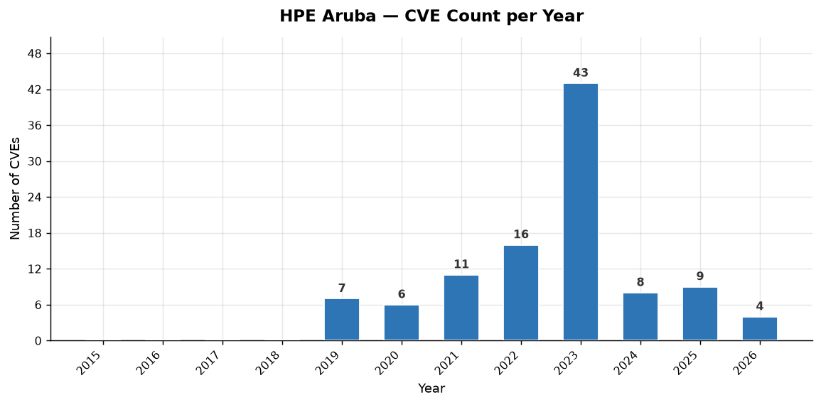
Year | Total CVEs | Score <5 (Low) | Score 5-8 (Med) | Score >8 (High)
2015 | 0 | 0 | 0 | 0
2016 | 0 | 0 | 0 | 0
2017 | 0 | 0 | 0 | 0
2018 | 0 | 0 | 0 | 0
2019 | 7 | 1 | 4 | 2
2020 | 6 | 0 | 6 | 0
2021 | 11 | 1 | 8 | 2
2022 | 16 | 2 | 11 | 3
2023 | 43 | 6 | 26 | 11
2024 | 8 | 0 | 7 | 1
2025 | 9 | 1 | 6 | 2
2026 | 4 | 0 | 4 | 0
TOTAL

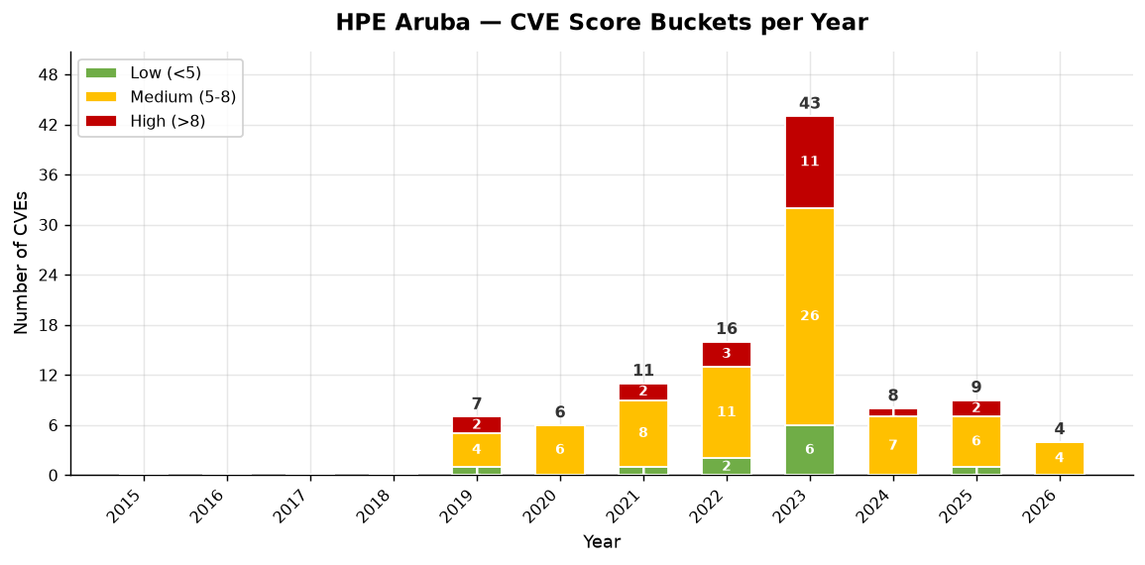

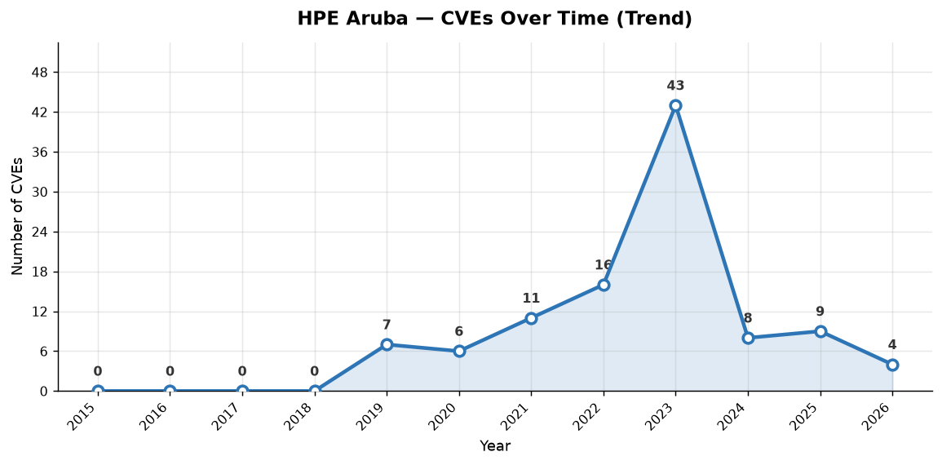

HPE Aruba — Individual CVEs (104 total, sorted by severity)
CVE ID | Published | CVSS Score | Severity | CWE(s) | Vendors | Description
CVE-2022-37915 | 2022-10-28 | 9.8 | CRITICAL | CWE-78 | HPE Aruba | A vulnerability in the web-based management interface of Aruba EdgeConnect Enterprise Orchestrator could allow an unauthenticated remote attacker to run arbitrary commands on the underlying host. Successful exploitation of this vulnerability could allow an attacker to execute arbitrary commands on t…
CVE-2022-37914 | 2022-10-28 | 9.8 | CRITICAL | CWE-287 | HPE Aruba | Vulnerabilities in the web-based management interface of Aruba EdgeConnect Enterprise Orchestrator could allow an unauthenticated remote attacker to bypass authentication. Successful exploitation of these vulnerabilities could allow an attacker to gain administrative privileges leading to a complete…
...

Fortinet
Fortinet | SD-WAN CVE Analysis

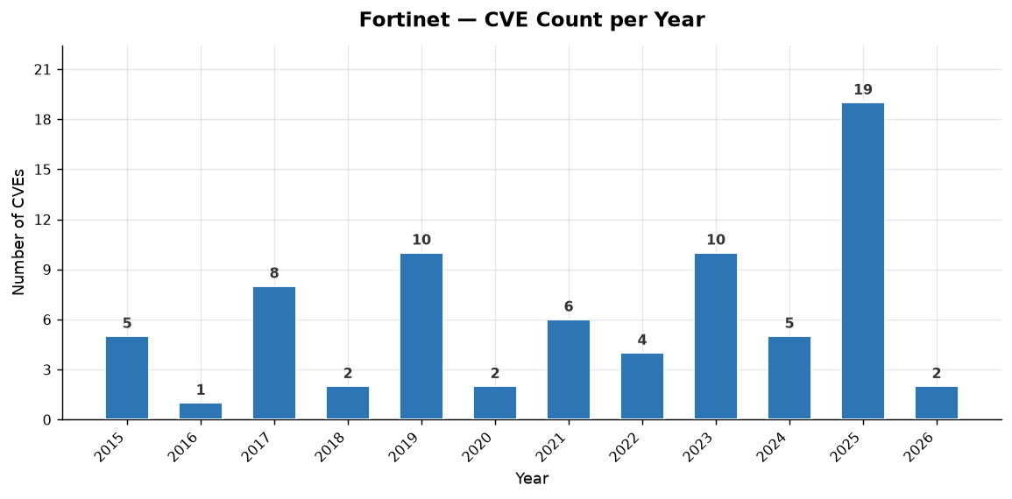
Year | Total CVEs | Score <5 (Low) | Score 5-8 (Med) | Score >8 (High)
2015 | 5 | 4 | 1 | 0
2016 | 1 | 0 | 1 | 0
2017 | 8 | 0 | 6 | 2
2018 | 2 | 0 | 2 | 0
2019 | 10 | 2 | 6 | 2
2020 | 2 | 0 | 1 | 1
2021 | 6 | 0 | 5 | 1
2022 | 4 | 2 | 2 | 0
2023 | 10 | 3 | 4 | 3
2024 | 5 | 1 | 4 | 0
2025 | 19 | 6 | 13 | 0
2026 | 2 | 0 | 1 | 1
TOTAL

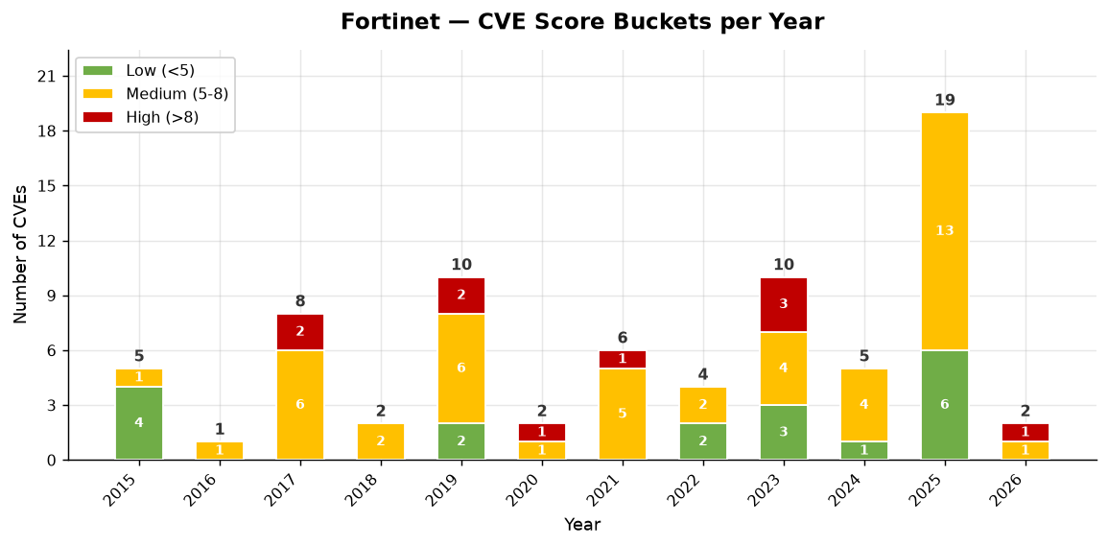

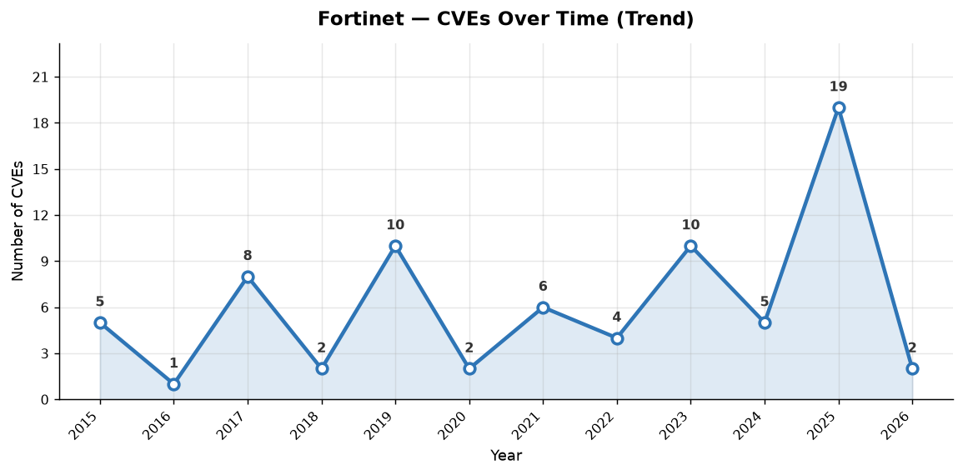

Fortinet — Individual CVEs (74 total, sorted by severity)
CVE ID | Published | CVSS Score | Severity | CWE(s) | Vendors | Description
CVE-2023-33308 | 2023-07-26 | 9.8 | CRITICAL | CWE-121, CWE-787 | Fortinet | A stack-based overflow vulnerability [CWE-124] in Fortinet FortiOS version 7.0.0 through 7.0.10 and 7.2.0 through 7.2.3 and FortiProxy version 7.0.0 through 7.0.9 and 7.2.0 through 7.2.2 allows a remote unauthenticated attacker to execute arbitrary code or command via crafted packets reaching proxy …
CVE-2023-27997 | 2023-06-13 | 9.8 | CRITICAL | CWE-122, CWE-787 | Fortinet | A heap-based buffer overflow vulnerability [CWE-122] in FortiOS version 7.2.4 and below, version 7.0.11 and below, version 6.4.12 and below, version 6.0.16 and below and FortiProxy version 7.2.3 and below, version 7.0.9 and below, version 2.0.12 and below, version 1.2 all versions, version 1.1 all v…
...

Citrix
Citrix | SD-WAN CVE Analysis

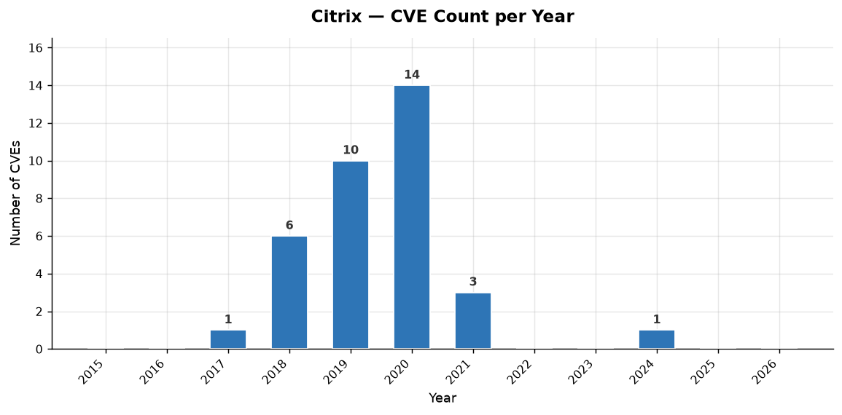
Year | Total CVEs | Score <5 (Low) | Score 5-8 (Med) | Score >8 (High)
2015 | 0 | 0 | 0 | 0
2016 | 0 | 0 | 0 | 0
2017 | 1 | 0 | 0 | 1
2018 | 6 | 0 | 3 | 3
2019 | 10 | 0 | 1 | 9
2020 | 14 | 1 | 10 | 3
2021 | 3 | 0 | 3 | 0
2022 | 0 | 0 | 0 | 0
2023 | 0 | 0 | 0 | 0
2024 | 1 | 0 | 1 | 0
2025 | 0 | 0 | 0 | 0
2026 | 0 | 0 | 0 | 0
TOTAL

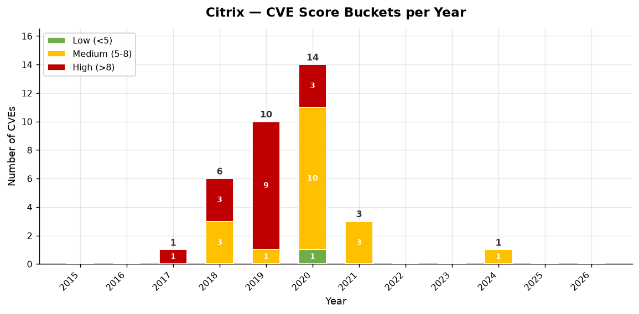

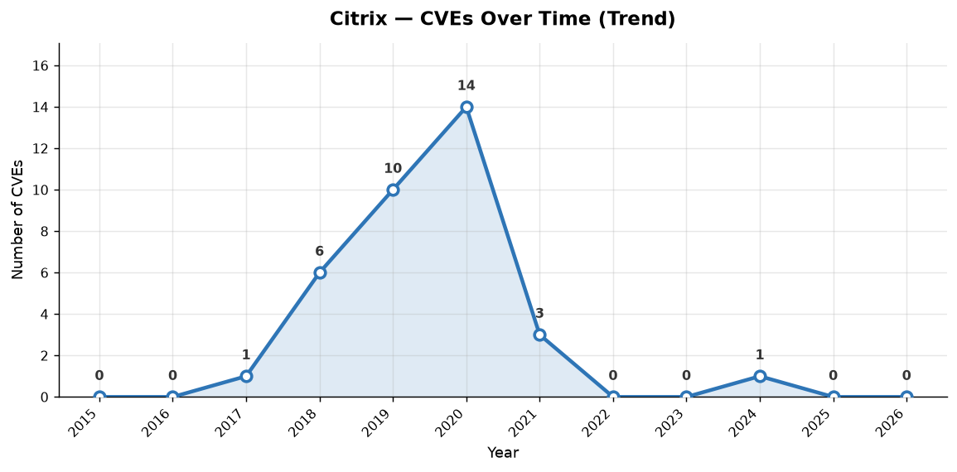

Citrix — Individual CVEs (35 total, sorted by severity)
CVE ID | Published | CVSS Score | Severity | CWE(s) | Vendors | Description
CVE-2020-8271 | 2020-11-16 | 9.8 | CRITICAL | CWE-22, CWE-23 | Citrix | Unauthenticated remote code execution with root privileges in Citrix SD-WAN Center versions before 11.2.2, 11.1.2b and 10.2.8
CVE-2019-12990 | 2019-07-16 | 9.8 | CRITICAL | CWE-22 | Citrix | Citrix SD-WAN 10.2.x before 10.2.3 and NetScaler SD-WAN 10.0.x before 10.0.8 allow Directory Traversal.
...

Versa Networks
Versa Networks | SD-WAN CVE Analysis

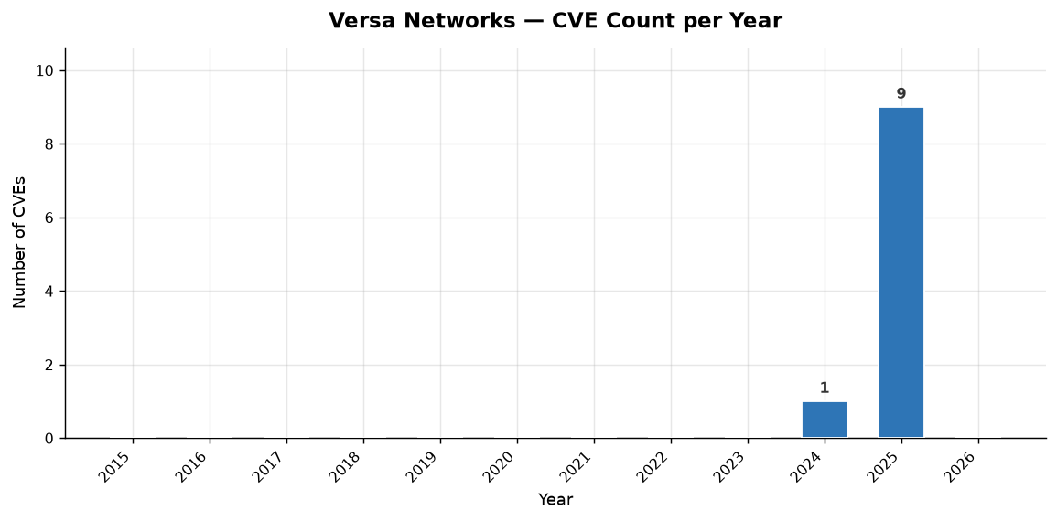
Year | Total CVEs | Score <5 (Low) | Score 5-8 (Med) | Score >8 (High)
2015 | 0 | 0 | 0 | 0
2016 | 0 | 0 | 0 | 0
2017 | 0 | 0 | 0 | 0
2018 | 0 | 0 | 0 | 0
2019 | 0 | 0 | 0 | 0
2020 | 0 | 0 | 0 | 0
2021 | 0 | 0 | 0 | 0
2022 | 0 | 0 | 0 | 0
2023 | 0 | 0 | 0 | 0
2024 | 1 | 0 | 0 | 1
2025 | 9 | 0 | 7 | 2
2026 | 0 | 0 | 0 | 0
TOTAL

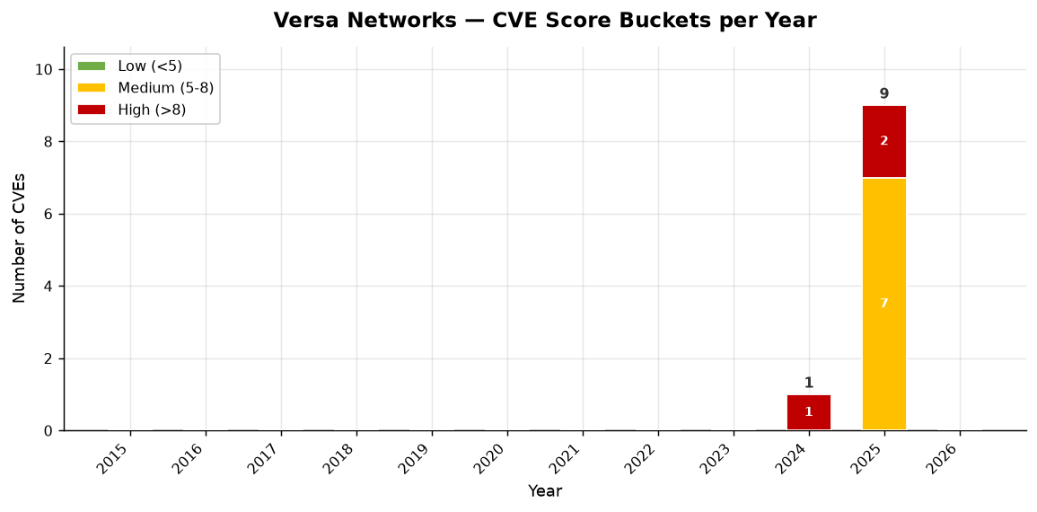

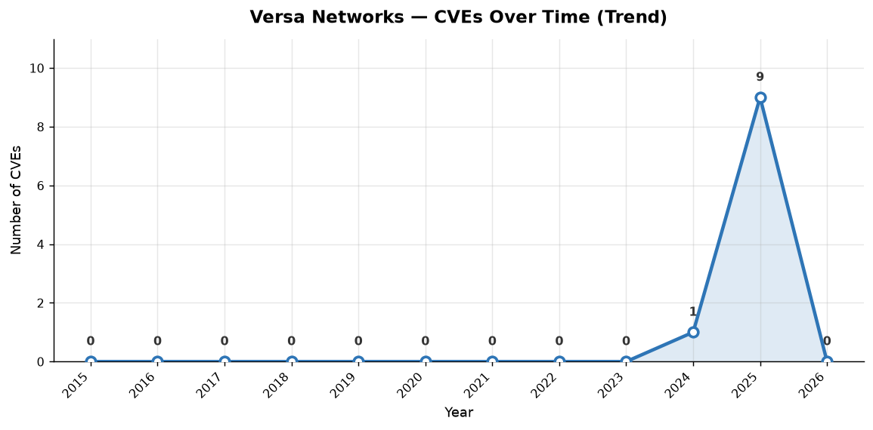

Versa Networks — Individual CVEs (10 total, sorted by severity)
CVE ID | Published | CVSS Score | Severity | CWE(s) | Vendors | Description
CVE-2024-42450 | 2024-11-19 | 10.0 | CRITICAL | CWE-798 | Versa Networks | The Versa Director uses PostgreSQL (Postgres) to store operational and configuration data. It is also needed for High Availability function of the Versa Director. The default configuration has a common password across all instances of Versa Director. By default, Versa Director configures Postgres to…
CVE-2025-24288 | 2025-06-19 | 9.8 | CRITICAL | CWE-1188 | Versa Networks | The Versa Director software exposes a number of services by default and allow attackers an easy foothold due to default credentials and multiple accounts (most with sudo access) that utilize the same default credentials. By default, Versa director exposes ssh and postgres to the internet, alongside …
...

VMware
VMware | SD-WAN CVE Analysis

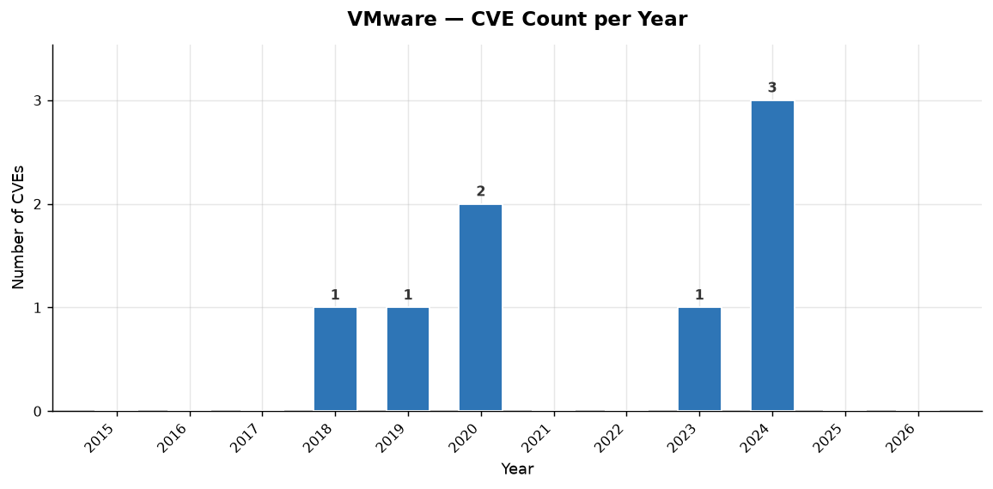
Year | Total CVEs | Score <5 (Low) | Score 5-8 (Med) | Score >8 (High)
2015 | 0 | 0 | 0 | 0
2016 | 0 | 0 | 0 | 0
2017 | 0 | 0 | 0 | 0
2018 | 1 | 0 | 0 | 1
2019 | 1 | 1 | 0 | 0
2020 | 2 | 0 | 1 | 1
2021 | 0 | 0 | 0 | 0
2022 | 0 | 0 | 0 | 0
2023 | 1 | 0 | 1 | 0
2024 | 3 | 1 | 2 | 0
2025 | 0 | 0 | 0 | 0
2026 | 0 | 0 | 0 | 0
TOTAL

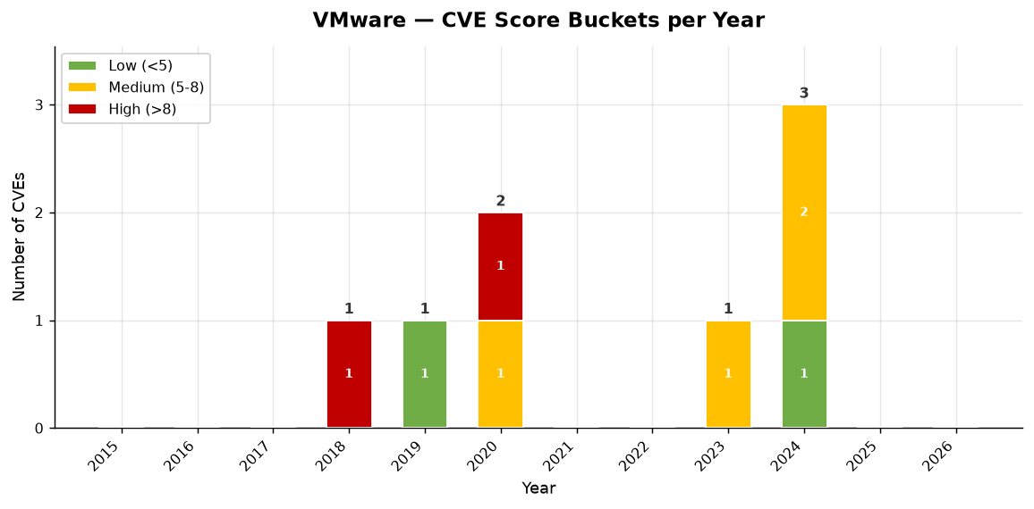

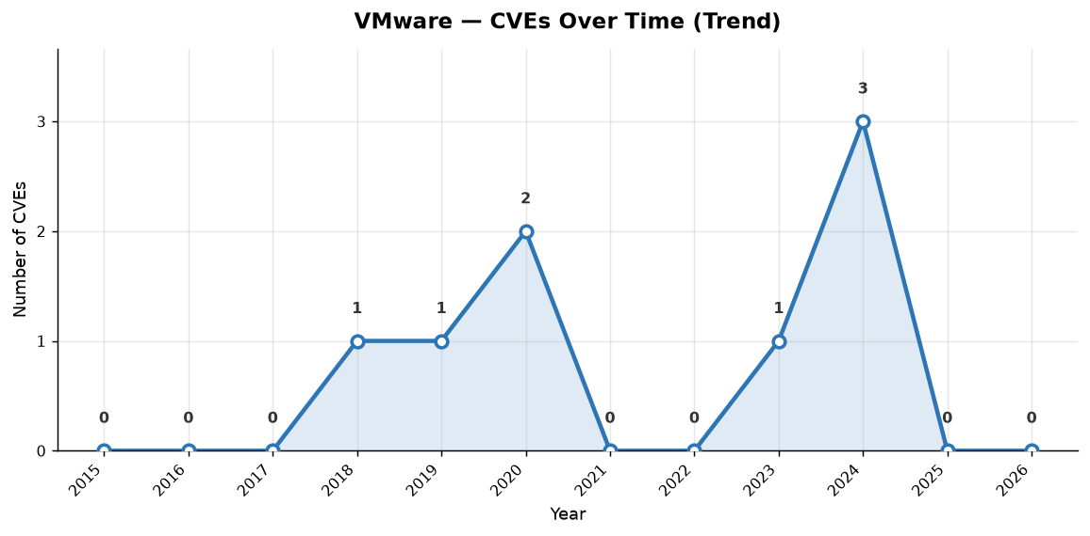

VMware — Individual CVEs (8 total, sorted by severity)
CVE ID | Published | CVSS Score | Severity | CWE(s) | Vendors | Description
CVE-2020-3973 | 2020-07-08 | 8.8 | HIGH | CWE-89 | VMware | The VeloCloud Orchestrator does not apply correct input validation which allows for blind SQL-injection. A malicious actor with tenant access to Velocloud Orchestrator could enter specially crafted SQL queries and obtain data to which they are not privileged.
CVE-2018-6961 | 2018-06-11 | 8.1 | HIGH | CWE-78 | VMware | VMware NSX SD-WAN Edge by VeloCloud prior to version 3.1.0 contains a command injection vulnerability in the local web UI component. This component is disabled by default and should not be enabled on untrusted networks. VeloCloud by VMware will be removing this service from the product in future rel…
...

Palo Alto Networks
Palo Alto Networks | SD-WAN CVE Analysis

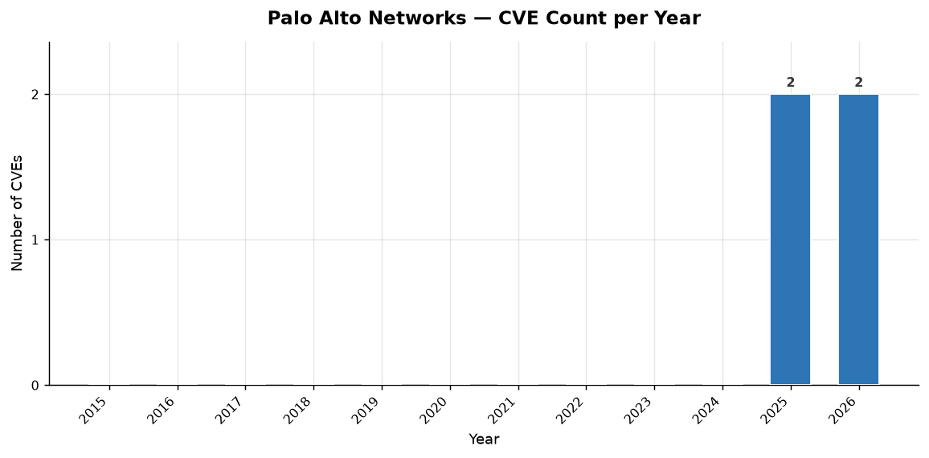
Year | Total CVEs | Score <5 (Low) | Score 5-8 (Med) | Score >8 (High)
2015 | 0 | 0 | 0 | 0
2016 | 0 | 0 | 0 | 0
2017 | 0 | 0 | 0 | 0
2018 | 0 | 0 | 0 | 0
2019 | 0 | 0 | 0 | 0
2020 | 0 | 0 | 0 | 0
2021 | 0 | 0 | 0 | 0
2022 | 0 | 0 | 0 | 0
2023 | 0 | 0 | 0 | 0
2024 | 0 | 0 | 0 | 0
2025 | 2 | 2 | 0 | 0
2026 | 2 | 2 | 0 | 0
TOTAL

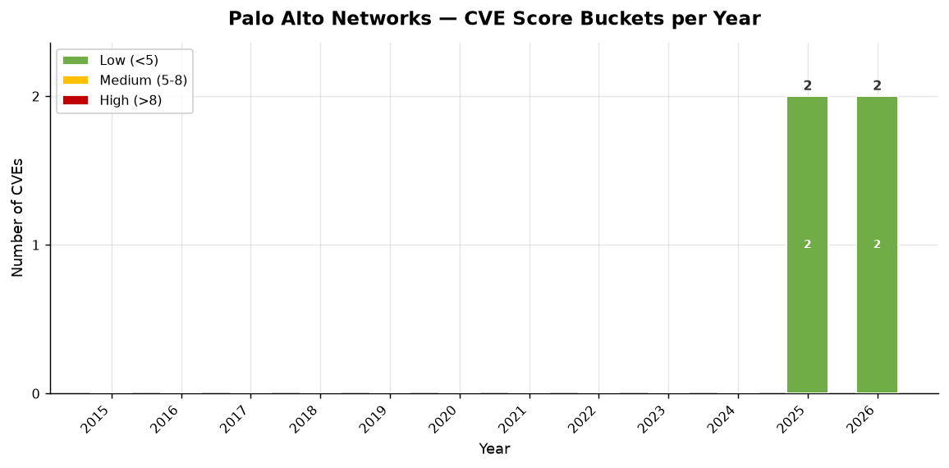

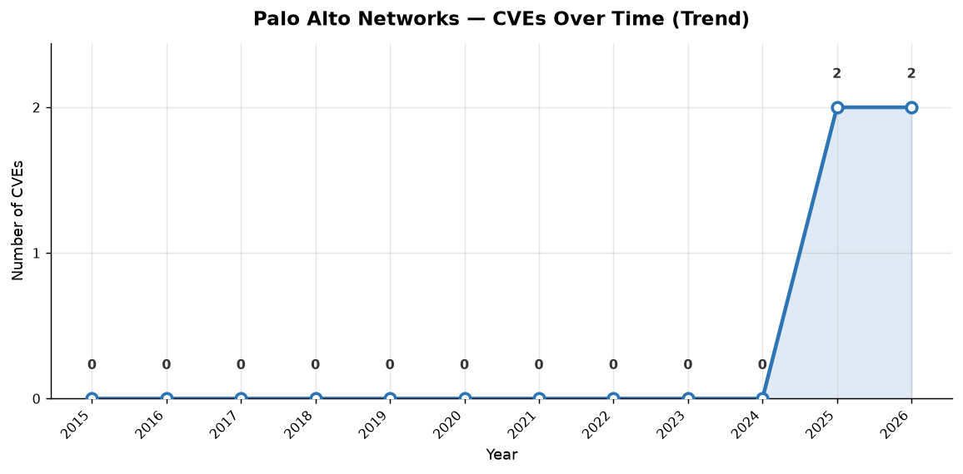

Palo Alto Networks — Individual CVEs (4 total, sorted by severity)
CVE ID | Published | CVSS Score | Severity | CWE(s) | Vendors | Description
CVE-2026-0243 | 2026-05-13 |  | NAN | CWE-606 | Palo Alto Networks | A denial of service (DoS) vulnerability in Palo Alto Networks Prisma SD-WAN ION devices enables an unauthenticated attacker in a network adjacent to a Prisma SD-WAN ION device to cause a system disruption by sending a specially crafted IPv6 packet.
CVE-2026-0244 | 2026-05-13 |  | NAN | CWE-295 | Palo Alto Networks | An improper certificate validation vulnerability in the Palo Alto Networks Prisma SD-WAN ION enables man-in-the-middle (MitM) attacker to impersonate the controller.
...

Juniper
Juniper | SD-WAN CVE Analysis

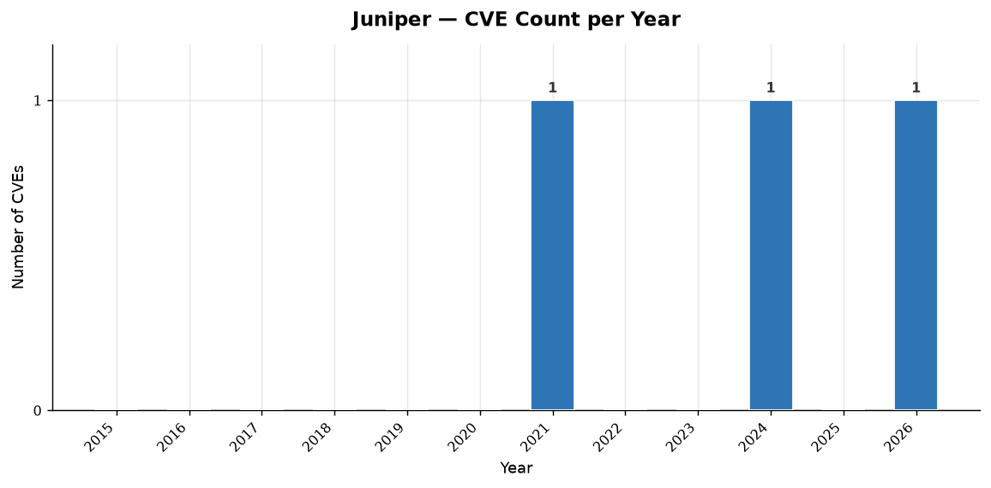
Year | Total CVEs | Score <5 (Low) | Score 5-8 (Med) | Score >8 (High)
2015 | 0 | 0 | 0 | 0
2016 | 0 | 0 | 0 | 0
2017 | 0 | 0 | 0 | 0
2018 | 0 | 0 | 0 | 0
2019 | 0 | 0 | 0 | 0
2020 | 0 | 0 | 0 | 0
2021 | 1 | 0 | 0 | 1
2022 | 0 | 0 | 0 | 0
2023 | 0 | 0 | 0 | 0
2024 | 1 | 0 | 0 | 1
2025 | 0 | 0 | 0 | 0
2026 | 1 | 0 | 0 | 1
TOTAL

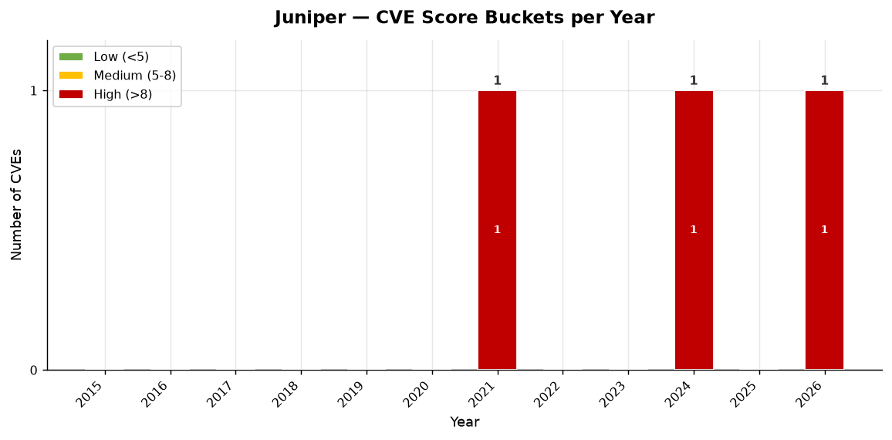

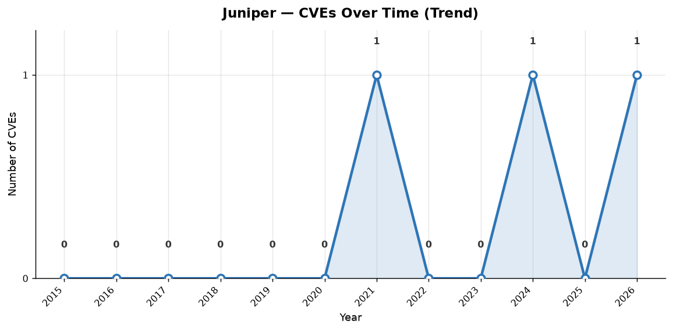

Juniper — Individual CVEs (3 total, sorted by severity)
CVE ID | Published | CVSS Score | Severity | CWE(s) | Vendors | Description
CVE-2024-2973 | 2024-06-27 | 10.0 | CRITICAL | CWE-288 | Juniper | An Authentication Bypass Using an Alternate Path or Channel vulnerability in Juniper Networks Session Smart Router or conductor running with a redundant peer allows a network based attacker to bypass authentication and take full control of the device. Only routers or conductors that are running in h…
CVE-2025-21589 | 2026-01-27 | 9.8 | CRITICAL | CWE-288 | Juniper | An Authentication Bypass Using an Alternate Path or Channel vulnerability in Juniper Networks Session Smart Router may allows a network-based attacker to bypass authentication and take administrative control of the device. This issue affects Session Smart Router: * from 5.6.7 before 5.6.17, …
...

Cradlepoint
Cradlepoint | SD-WAN CVE Analysis

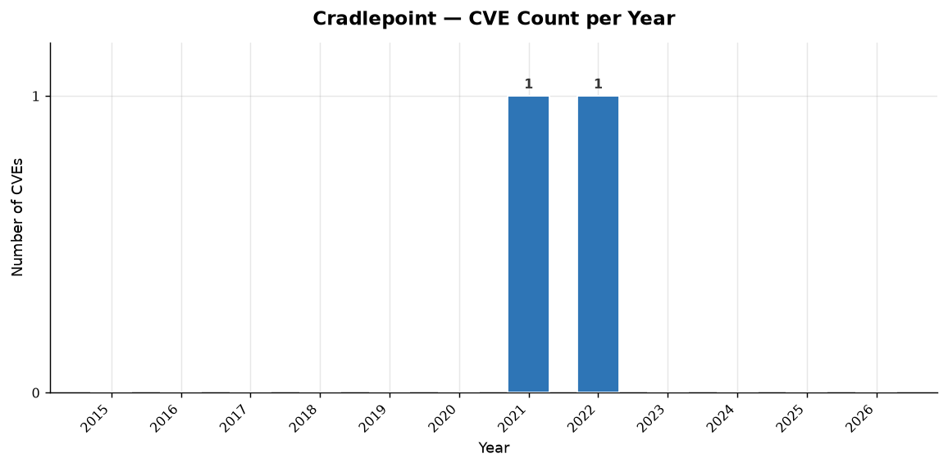
Year | Total CVEs | Score <5 (Low) | Score 5-8 (Med) | Score >8 (High)
2015 | 0 | 0 | 0 | 0
2016 | 0 | 0 | 0 | 0
2017 | 0 | 0 | 0 | 0
2018 | 0 | 0 | 0 | 0
2019 | 0 | 0 | 0 | 0
2020 | 0 | 0 | 0 | 0
2021 | 1 | 0 | 1 | 0
2022 | 1 | 0 | 1 | 0
2023 | 0 | 0 | 0 | 0
2024 | 0 | 0 | 0 | 0
2025 | 0 | 0 | 0 | 0
2026 | 0 | 0 | 0 | 0
TOTAL

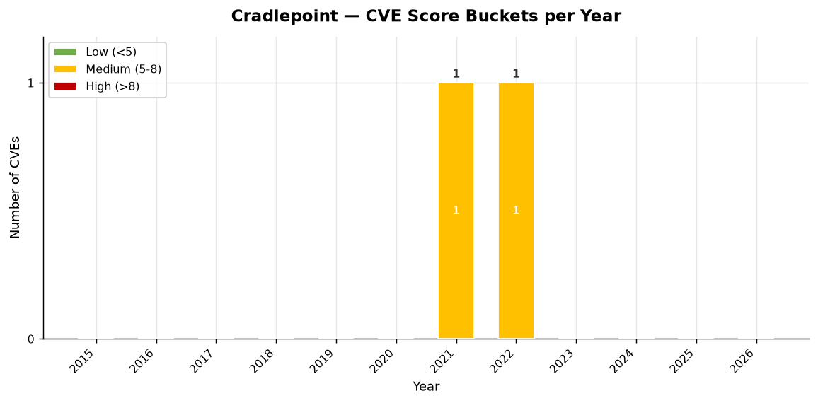

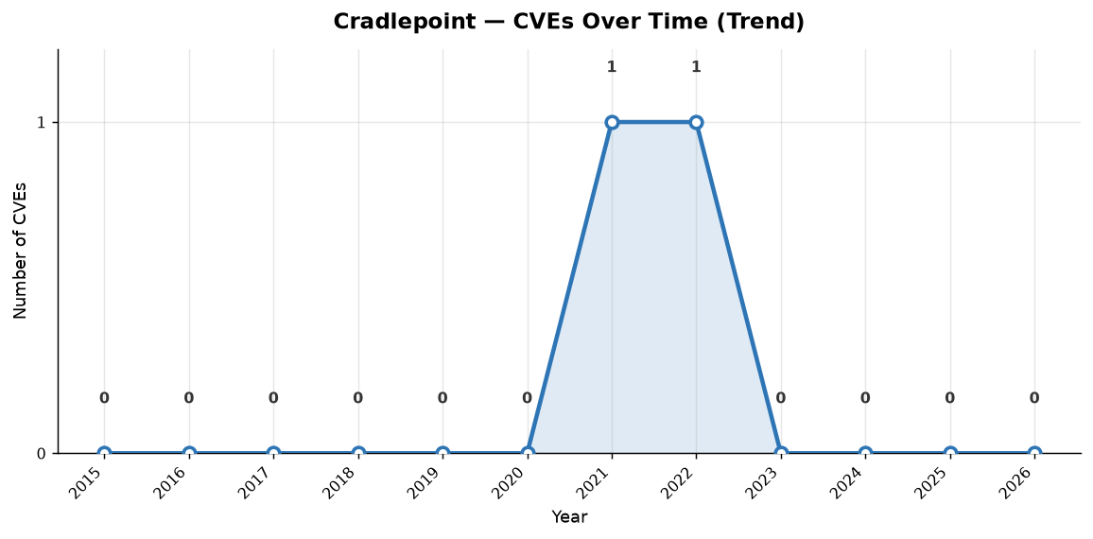

Cradlepoint — Individual CVEs (2 total, sorted by severity)
CVE ID | Published | CVSS Score | Severity | CWE(s) | Vendors | Description
CVE-2021-37471 | 2021-11-07 | 7.5 | HIGH |  | Cradlepoint | Cradlepoint IBR900-600 devices running versions < 7.21.10 are vulnerable to a restricted shell escape sequence that provides an attacker the capability to simultaneously deny availability to the device's NetCloud Manager console, local console and SSH command-line.
CVE-2022-3086 | 2022-12-02 | 7.1 | HIGH | CWE-77 | Cradlepoint | Cradlepoint IBR600 NCOS versions 6.5.0.160bc2e and prior are vulnerable to shell escape, which enables local attackers with non-superuser credentials to gain full, unrestrictive shell access which may allow an attacker to execute arbitrary code.

Barracuda
Barracuda | SD-WAN CVE Analysis

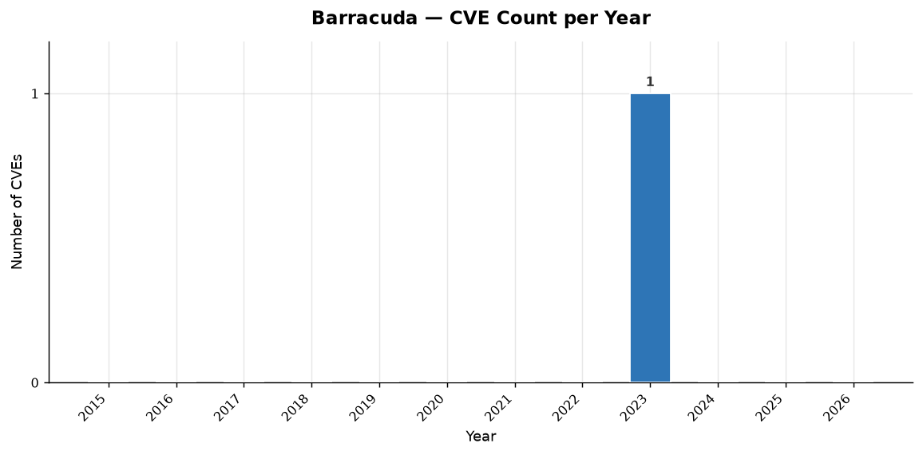
Year | Total CVEs | Score <5 (Low) | Score 5-8 (Med) | Score >8 (High)
2015 | 0 | 0 | 0 | 0
2016 | 0 | 0 | 0 | 0
2017 | 0 | 0 | 0 | 0
2018 | 0 | 0 | 0 | 0
2019 | 0 | 0 | 0 | 0
2020 | 0 | 0 | 0 | 0
2021 | 0 | 0 | 0 | 0
2022 | 0 | 0 | 0 | 0
2023 | 1 | 0 | 1 | 0
2024 | 0 | 0 | 0 | 0
2025 | 0 | 0 | 0 | 0
2026 | 0 | 0 | 0 | 0
TOTAL

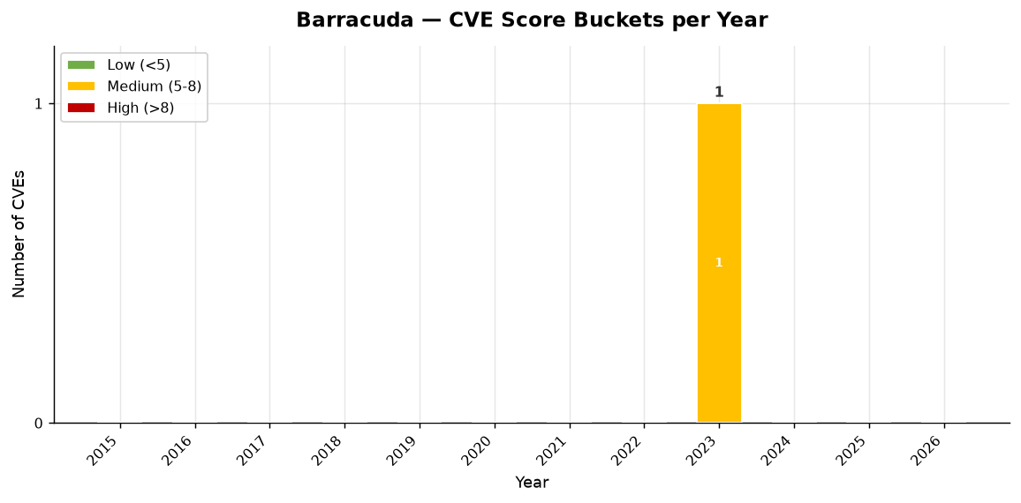

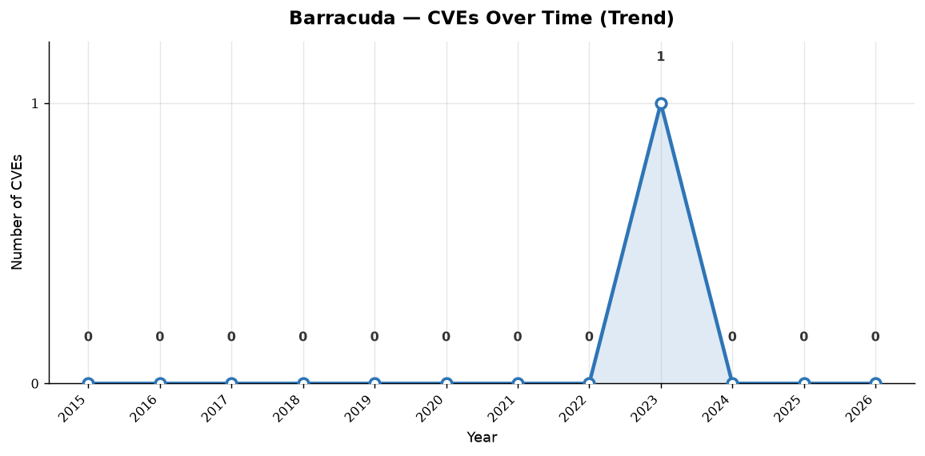

Barracuda — Individual CVEs (1 total, sorted by severity)
CVE ID | Published | CVSS Score | Severity | CWE(s) | Vendors | Description
CVE-2023-26213 | 2023-03-03 | 7.2 | HIGH | CWE-78 | Barracuda | On Barracuda CloudGen WAN Private Edge Gateway devices before 8 webui-sdwan-1089-8.3.1-174141891, an OS command injection vulnerability exists in /ajax/update_certificate - a crafted HTTP request allows an authenticated attacker to execute arbitrary commands. For example, a name field can contain :p…

