UI Concepts
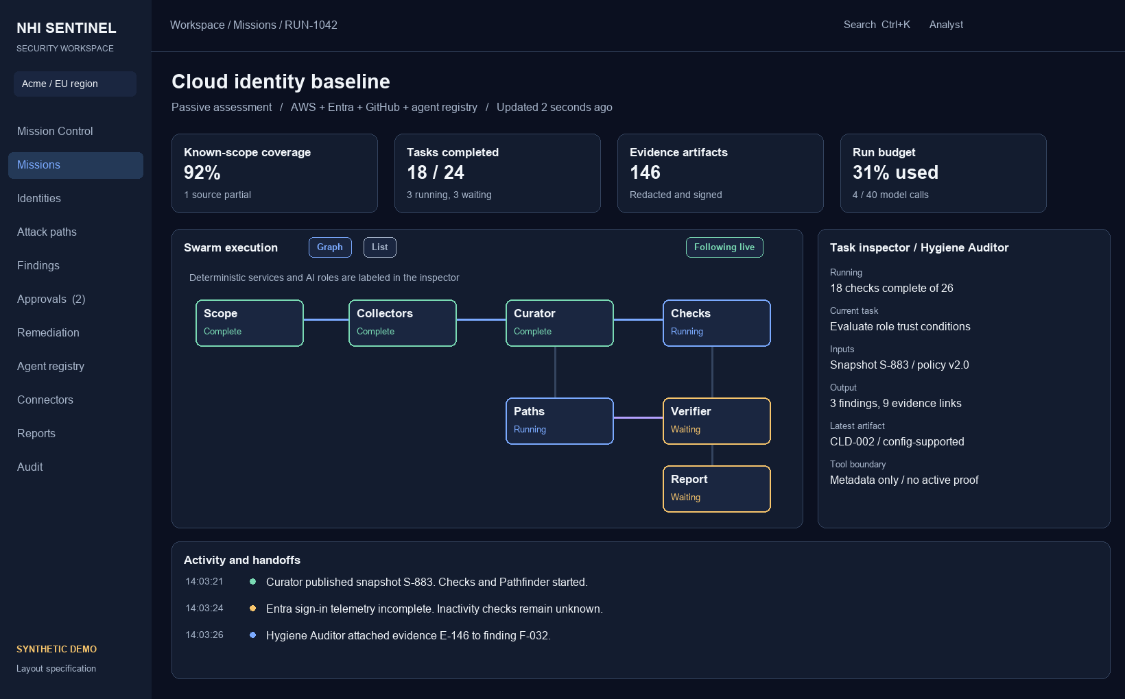
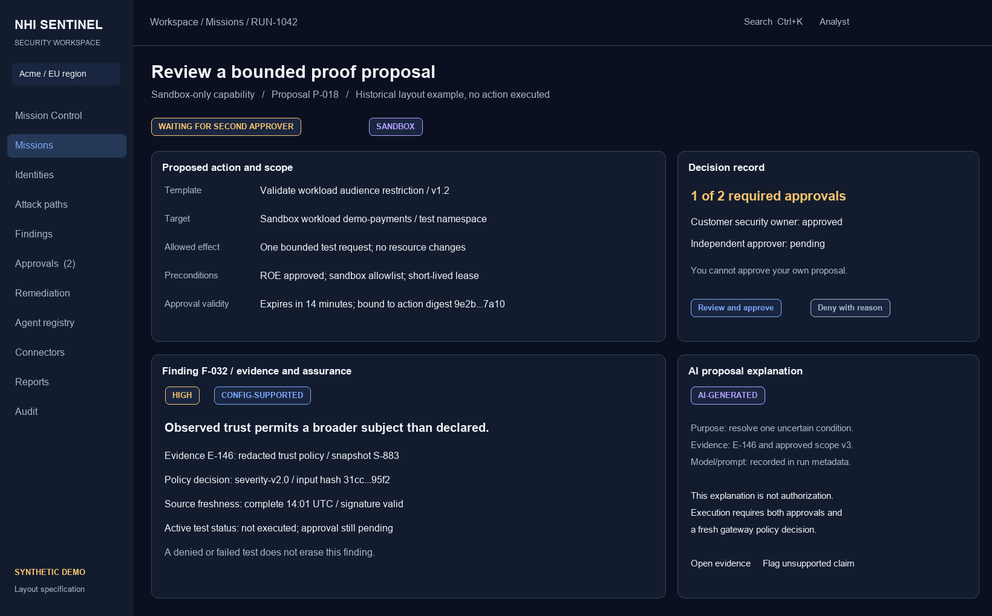
Swarm workspace and approval review

Illustrative UI layouts with synthetic data. Functional contracts are specified in UI Screens, UI Interactions and UI Design.

