1. Title Page
Instacart Grocery Basket Analysis

Project Name: Instacart Grocery Basket Analysis
Date: 24 May 2024
Analyst Name: Angela Gratreaks

Contents:
Population Flow
Consistency checks
Wrangling steps
Column derivations
Visualizations
Recommendations

Data Citation: “The Instacart Online Grocery Shopping Dataset 2017”, Accessed from www.instacart.com/datasets/grocery-shopping-2017 via Kaggle on May 2024.
Note: the customer data in Exercises 4.9 and 4.10, as well as the “prices” column in the products data set, were both fabricated for the purpose of this course.

2. Population Flow
Population flow

Exclusion flag
Condition: max_order < 5
Obervations to be removed: 967358
Final total count of order_products_all: 27695232

Orders_products_combined
Orders_products_merged
Orders_products_all

Total: 30356421
Total: 30323987
*30328763 before removing outliers
Total: 28662590

1.) The grey boxes in the first row of the population flow represent the original data sets as they were when you downloaded them. In the Total fields you need to add the count of the rows when you imported the data set into Jupyter.
2.) The second row of boxes (coloured) represents the data sets after you manipulated them, e.g., removed missing values and duplicates. In the Total fields you need to add the count of the rows after conducting these operations. This offers a visual oveview of how the data flows throughout the data consistency checks.
3.) The third row, where also the arrows are coloured, represents the merges you performed between the datasets. In the Total fields you need to add the count of the rows in the merged datasets, so that you end up with the final dataset (in the red box). Keep in mind the final dataset should be without exclusions (based on the exclusion flag).

3. Consistency checks
Consistency checks

Dataset | Missing values | Missing values treatment | Task | Duplicates | Record Count Start | Record Count End | Comments
orders | days_since_prior_order = 206209 | removed 206209 records | 4.5 | none | 3421083 | 3214874 | Removing missing data records made no impact on the descriptive analysis for the entire dataframe. Any difference is entirely negligible.
products | product_name = 16 | removed 16 records | 4.5 | 5 duplicate records removed | 49693 | 49672
orders_products_prior | none | n/a | 4.6.1 | none | 32434489 | 30356421 | Merged - End count after combined with orders cleaned df (3214874)
orders_products_prior | none | n/a | 4.6.2 | none | 30356427 | 30328763 | Merged - End count after combined with products cleaned df (49672)
ords_prods_merge_agg | prices = 4776 | removed 4776 records | 4.9 | none | 30328763 | 30323987 | Inconsistent priced records of 14,900 and 99,999 prices removed
customers | first_name = 11259 | removed 11259 records | 4.9 | none | 206209 | 194950 | Removing missing data records made no impact on the descriptive analysis for the continuous variables (age, dependents & income). Any slight difference is entirely negligible.
ords_prods_merge_agg_cln | n/a | n/a | 4.9 | n/a | 30323987 | 28662590 | Merged - End count after combined with customers cleaned df (194950)
ord_prod_cust_all | exclusion flag (max order <5) | removed 967358 records | 4.10 | n/a | 28662590 | 27695232 | final

4. Wrangling steps
Wrangling steps

Columns dropped | Columns renamed | Columns' type changed | Task | Comment/Reason
df_ords/eval_set |  |  | 4.4 | unnecessary,irrelavant label - contains only one value "prior"
 | df_ords/order_dow |  | 4.4 | renamed to 'orders_day_of_week' for clarity
 |  | df_ords/order_id | 4.4 | no calculations needed as this is a key - changed from integer to string
df_dep index column |  |  | 4.4 | removed initial index column due to transposition of df from wide to long
 |  | df_ords/user_id | 4.4 | no calculations needed as this is a key - changed from integer to string
 |  | df_prods/product_id | 4.4 | no calculations needed as this is a key - changed from integer to string
 |  | df_prods/department_id | 4.4 | no calculations needed as this is a key - changed from integer to string
 |  | df_prods/aisle_id | 4.4 | no calculations needed as this is a key - changed from integer to string
 | df_ords/days_since_prior_order |  | 4.4 | renamed to 'days_since_last_order' for clarity | task 4.4 only, no overwrite
 | df/busiest_day |  | 4.7 | renamed to 'busiest_days' (plural) per task exercise
 | df_cust/First Name |  | 4.9 | renamed to first_name
 | df_cust/Surnam |  | 4.9 | renamed to last_name
 | df_cust/Gender |  | 4.9 | renamed to gender
 | df_cust/STATE |  | 4.9 | renamed to state
 | df_cust/Age |  | 4.9 | renamed to age
 | df_cust/n_dependants |  | 4.9 | renamed to dependents
 |  | df_cust/user_id | 4.9 | no calculations needed as this is a key - changed from integer to string

5. Column derivations
Column derivations and aggregations

Task | Data set | New column | Column/s it was derived from | Frequencies(value_counts) of variables | Conditions
4.6.1 | ords_prods_merge.pkl | _merge | Combinded 2 dataframes: df_ords_prior (orders_products_prior.csv) df_ords (orders_checked.csv) | _merge both 30356421 left_only 0 right_only 0 Name: count, dtype: int64 | In order to perform the merge process, a default _merge flag column is created to flag both, left, or right. New merged file: ords_prods_merge.pkl
4.6.2 | ords_prods_merge.pkl | _merge | Combinded 2 dataframes: df_ords_prior (orders_products_prior.csv) df_ords (orders_checked.csv) | _merge both 30328763 left_only 0 right_only 0 Name: count, dtype: int64 | In order to perform the merge process, a default _merge flag column is created to flag both, left, or right. New merged file: ords_prods_merge.pkl
4.7 | ords_prods_merge.pkl | price_range | Create a new filter/sort variable: categorize prices value into High, Mid, Low - Range | price_range Mid-range product 20462144 Low-range product 9476774 High-range product 389845 Name: count, dtype: int64 | New 'price_range' variable filter/sort: >15 = High-range <=15 & >5 = Mid-range <5 = Low-range
4.7 | ords_prods_merge.pkl | busiest_day | Create a new filter/sort variable: categorize weekday by freq/order Busiest, Regularly, Least - busy | busiest_day Regularly busy 20995145 Busiest day 5779087 Least busy 3554531 Name: count, dtype: int64 | New 'busiest_day' variable filter/sort: 0 = Busiest day (Saturday) 4 = Least busy (Wednesday) | UPDATED ⬇️
4.7 | ords_prods_merge.pkl | busiest_day renamed to busiest_days | Create a new filter/sort variable: categorize weekday by freq/order Busiest, Regularly, Least - busy include 2 days instead of 1 | busiest_days Regularly busy 12090838 Busiest day 11082805 Least busy 7155120 Name: count, dtype: int64 | New 'busiest_days' variable filter/sort: 0, 1 = Busiest day (Saturday, Sunday) 3, 4 = Least busy (Tuesday, Wednesday)
4.7 | ords_prods_merge.pkl | busiest_period_of_day | Create a new filter/sort variable: categorize hour value into Most, Average, Fewest - Range | busiest_period_of_day Most orders 19772790 Average orders 9349786 Fewest orders 1206187 Name: count, dtype: int64 | New 'busiest_period_of_day' variable filter/sort: Most orders = 10, 11, 14, 15, 13, 12, 16, 9 Fewest orders = 23, 6, 0, 1, 5, 2, 4, 3
4.8 | ords_prods_merge.pkl | max_order | Create a new column to group by user_id and aggregate order_number (max) | max_order 99 1157474 9 720052 8 710465 11 699701 10 696026 ... 90 47748 97 44452 98 44112 96 40045 2 4 Name: count, Length: 98, dtype: int64 | Step 1 to creating a customer loyalty flag column in the data set. The max_order column will be used to create another new column that assigns a loyalty flag to each customer according to the criteria (via the loc() function).
4.8 | ords_prods_merge.pkl | loyalty_flag | Create a new column to assign flag based on max_order value | loyalty_flag Regular customer 15081691 Loyal customer 10095381 New customer 5151691 Name: count, dtype: int64 | Step 2 to creating a customer loyalty flag column in the data set. The loyalty criteria: max_order > 40 = Loyal Customer max_order <= 40 and >10 = Regular Customer max_order <=10 = New Customer
4.8 | ords_prods_merge.pkl | avg_prices | Create a new column to group by user_id and aggregate prices (mean) | avg_prices 8.00 9353 8.40 7568 7.80 7241 7.50 7226 8.10 6550 ... 14.20 2 12.90 2 14.15 2 1.95 2 2.75 2 Name: count, Length: 121423, dtype: int64 | Step 1 to creating a customer spending flag column in the data set. The avg_prices column will be used to create another new column that assigns a spending flag to each customer according to the criteria (via the loc() function).
4.8 | ords_prods_merge.pkl | spending_flag | Create a new column to assign flag based on avg_prices value | spending_flag Low Spender 29730505 High Spender 598258 Name: count, dtype: int64 | Step 2 to creating a customer spending flag column in the data set. The spending criteria: avg_prices < 10 = Low Spender avg_prices >10 = High Spender
4.8 | ords_prods_merge.pkl | median_days | Create a new column to group by user_id and aggregate days_since_prior_order (median) | median_days 7.0 5445701 6.0 2870088 8.0 2571811 5.0 2405138 4.0 2252267 ... 27.5 4668 26.5 4534 29.5 4196 1.5 1556 0.5 178 Name: count, Length: 61, dtype: int64 | Step 1 to creating a customer frequency flag column in the data set. The median_days column will be used to create another new column that assigns a frequency flag to each customer according to the criteria (via the loc() function).
4.8 | ords_prods_merge.pkl | order_freq_flag | Create a new column to assign flag based on median_days value | order_freq_flag Frequent customer 20675290 Regular customer 6594542 Non-frequent customer 3058931 Name: count, dtype: int64 | Step 2 to creating a customer frequency flag column in the data set. The frequency criteria: median_days > 20 = Non-frequent customer median_days <= 20 and >10 = Regular customer median_days <=10 = Frequent customer
4.9.1 | ords_prods_merge.pkl | _merge | Combinded 2 dataframes: df_cust_clean(customers.csv) df_main (ords_prods_merge_agg_ccln.pkl) | _merge both 28662590 left_only 0 right_only 0 Name: count, dtype: int64 | In order to perform the merge process, a default _merge flag column is created to flag both, left, or right. New merged file: ords_prods_merge.pkl

In this tab you should add tables below that the frequences of flags/label variables that you produced after deriving them. NB: don't do this for continuous variables, only for flags.

6. Visualizations
In this tab you should include all the visualtions from Exercises 4.9 and 4.10, alongside the questions from the project brief that they answer. Include any commentary on the relationship between different variables.
Visualisations

What are the busiest days of the week and hours of the day (i.e., the days and time with the most orders)?

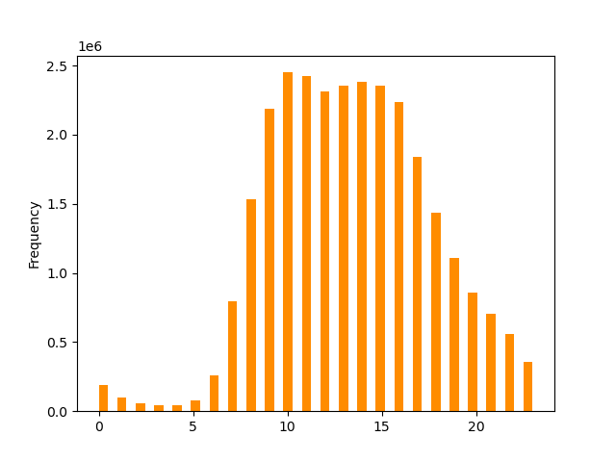
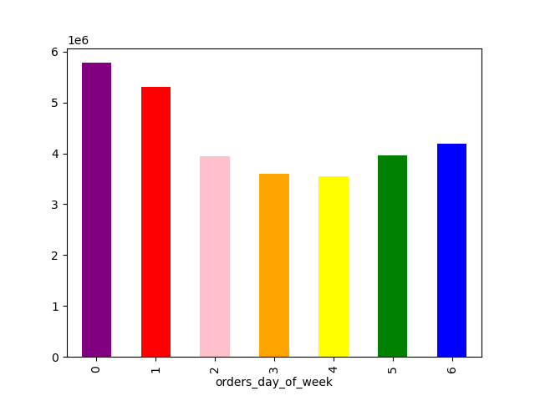
Count of Orders by Day of the Week
Count of Orders by Hour of the Day
The histogram reflects very little order activity in the early morning hours. Then from about 10am to 3pm, orders are at their highest. Then as the day ends and we get into evening time, orders start to gradually taper off. This shape is expected as most everyone is asleep during the early morning hours, fully active during the midday to late afternoon, and then slowly winding down in the evening/night.
For days of the week: Saturday and Sunday are the days when the most orders are made. Tues/Wed being the least busy.
Legend - Weekdays
0 - Saturday
1 - Sunday
2 - Monday
3 - Tuesday
4 - Wednesday
5 - Thursday
6 - Friday

Frequency

order_hour_of_day
Are there particular times of the day when people spend the most money?

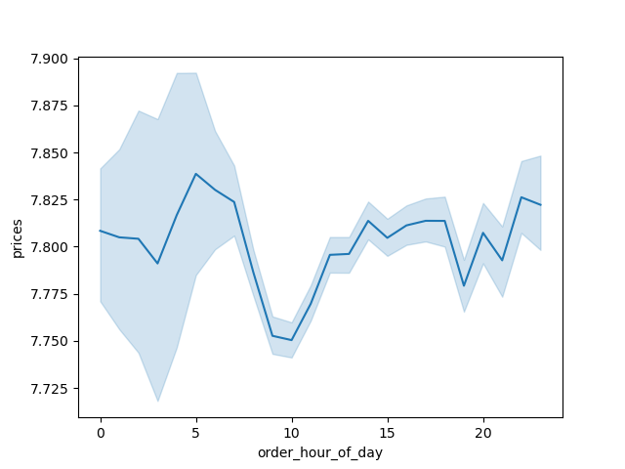
Average Prices by Order Hour of the Day

As you can see from the Line chart:
On average pricing, it peaks early around
5am and again late evening around 10pm.

However, the data at 5am is much less
certain than the 10pm data point as
indicated by the error bands.

Are there certain types of products that are more popular (sell more) than others?
Which departments have the highest frequency of product orders?

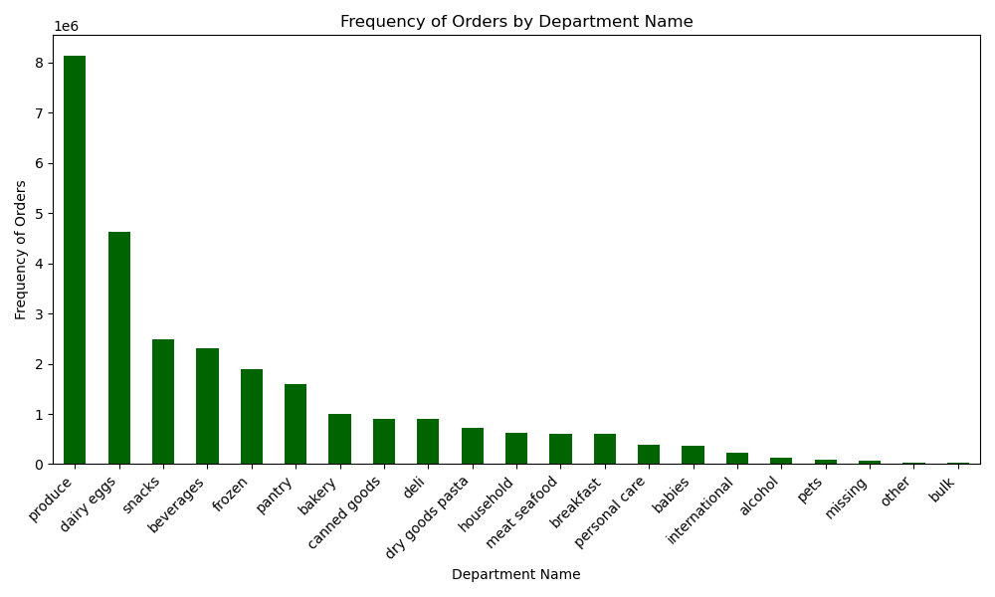

Produce is by far the bestselling department with dairy/eggs following in 2nd place.
Snacks and beverages are the next highest sellers

What is the distribution among users in regards to their brand loyalty? How often do they return to instacart?

Count of Customer Loyalty
Distribution of Days Since Last Order by Dependents Group with Summary Statistics
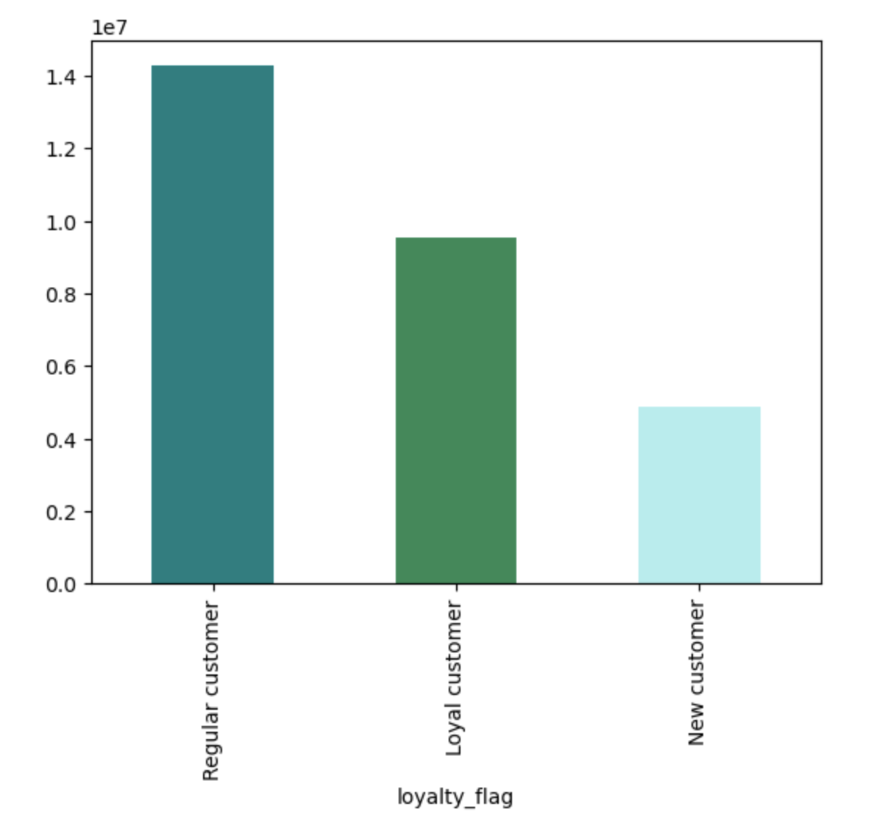
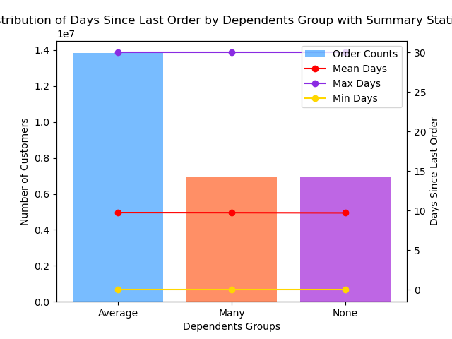

Customer Loyalty is highest with regular customers (those between 10-40 orders) and lowest with new customers (those with less than 10 orders).
The average amount of days since last orders for customers (chart comparison for dependents group) is just under 10 days.

Frequency

Are there differences in ordering habits based on a customer's loyalty status?

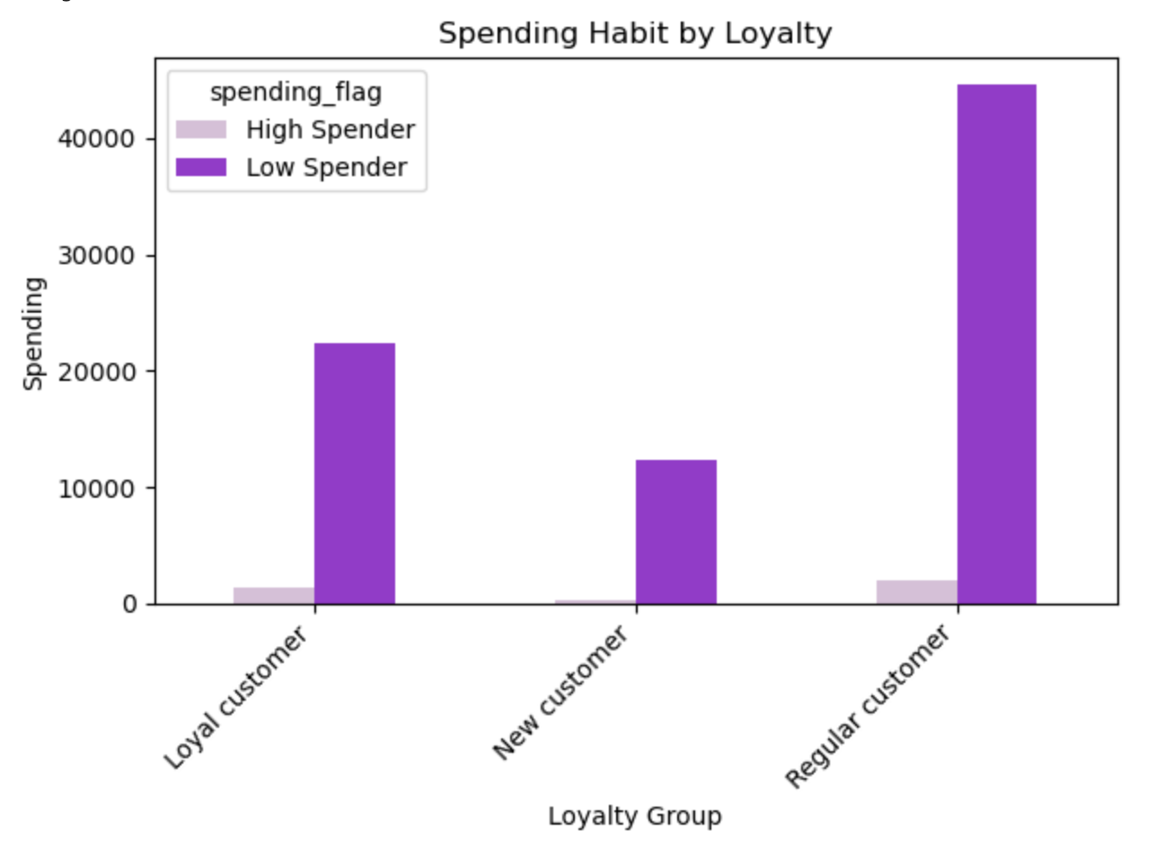
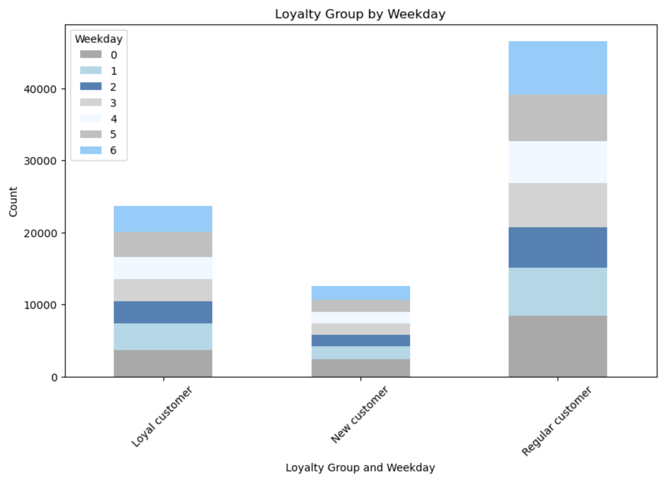

All levels of loyalty customers distribute their shopping fairly evenly throughout the weekdays with a minor increase on Saturdays.
Regarding spending levels, higher spending is much more rare than lower with Regular customers dominating the segment.

Legend - Weekdays
0 - Saturday
1 - Sunday
2 - Monday
3 - Tuesday
4 - Wednesday
5 - Thursday
6 - Friday

Are there differences in ordering habits based on a customer's region?

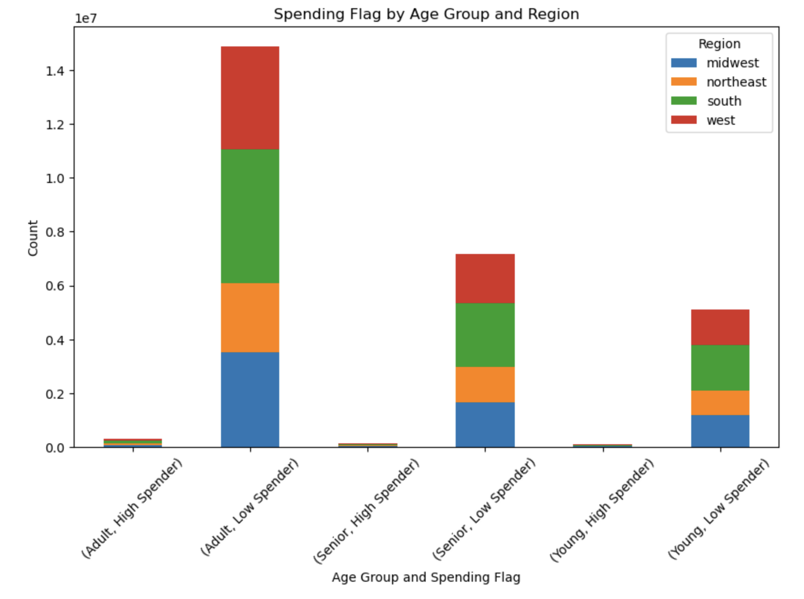
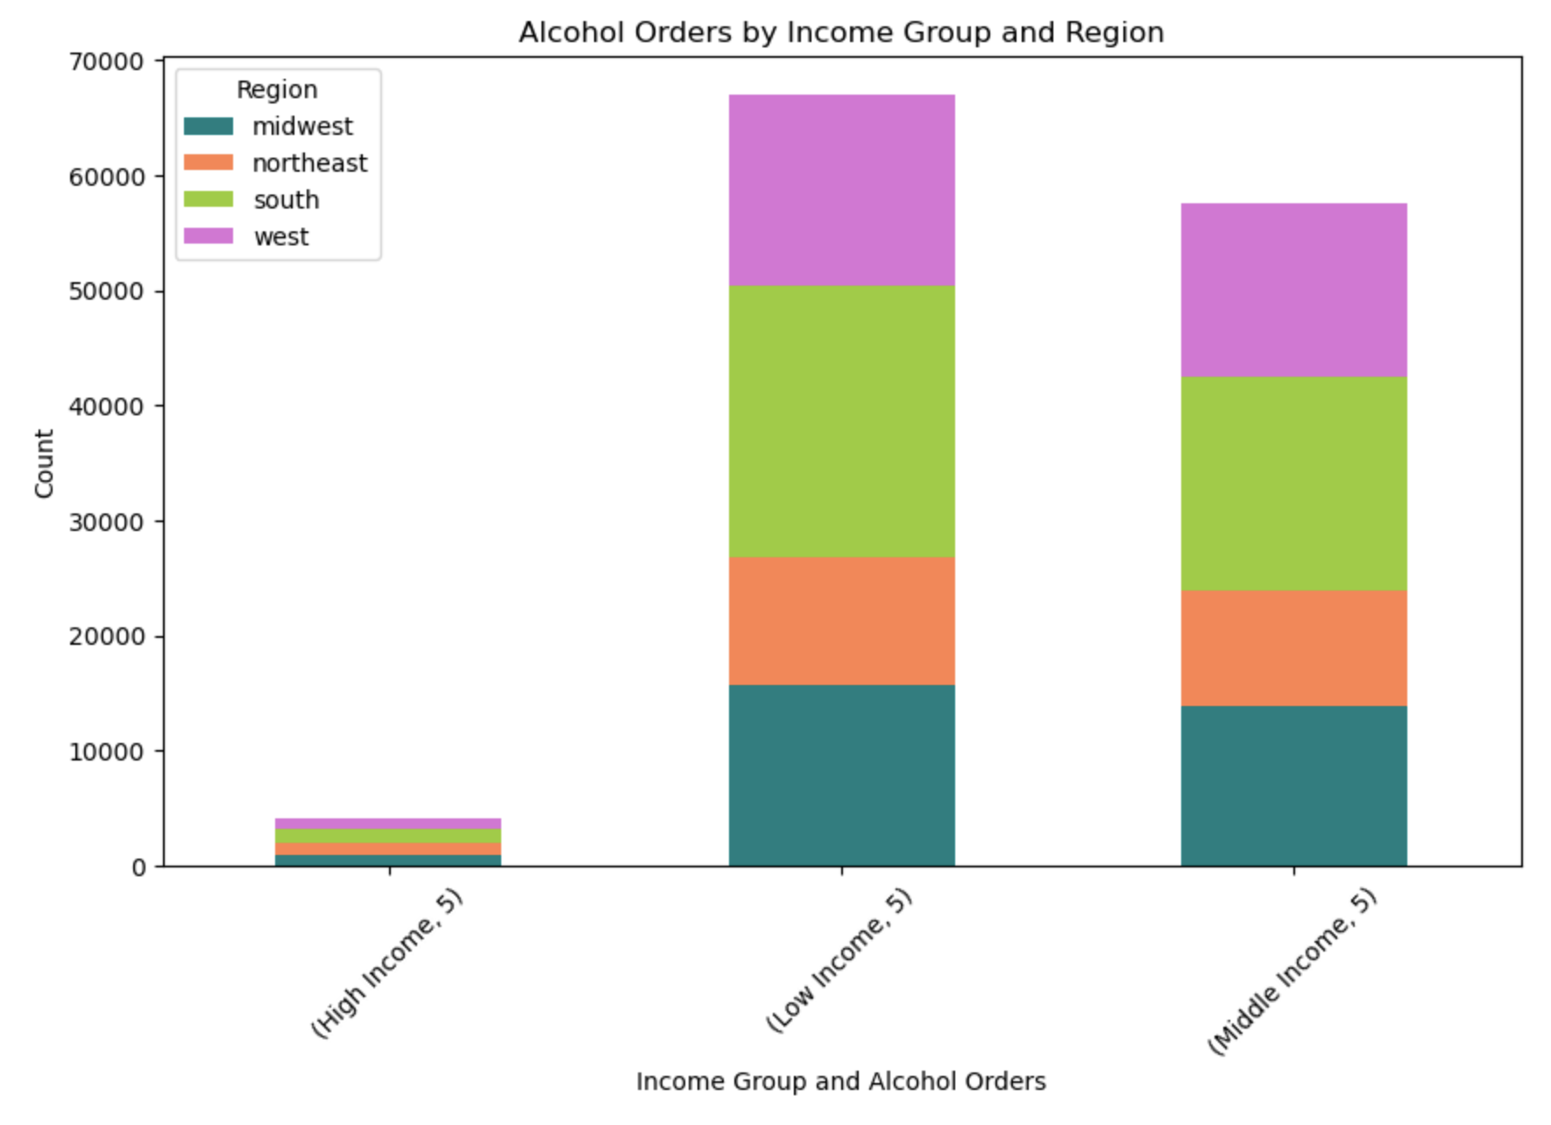
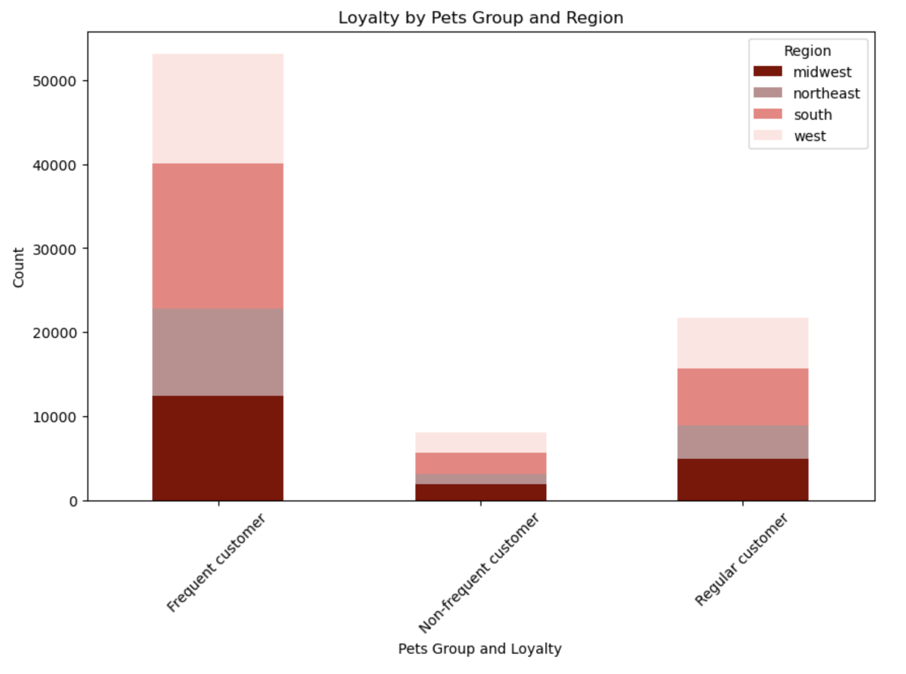

Regional spending, age group, income, and specialty groups like alcohol orders and pet owners are higher in the south with the west and mid-west very close behind.
Instacart is least represented in the northeast market.

Is there a connection between age and family status in terms of ordering habits?

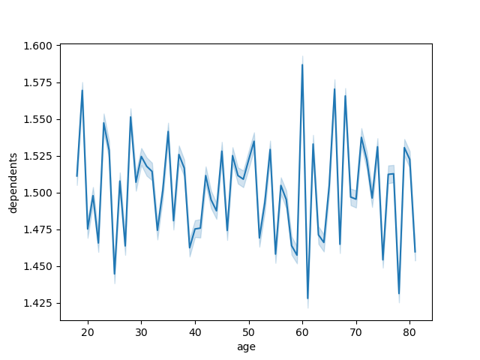
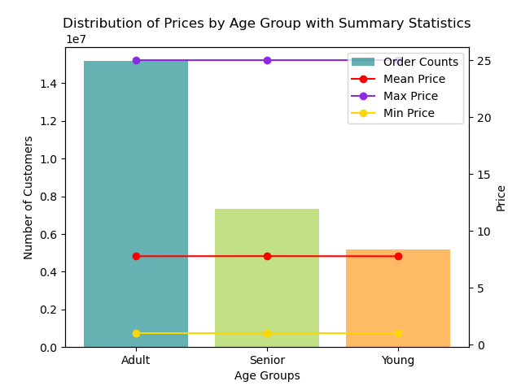
Age & No. Dependents (Average)
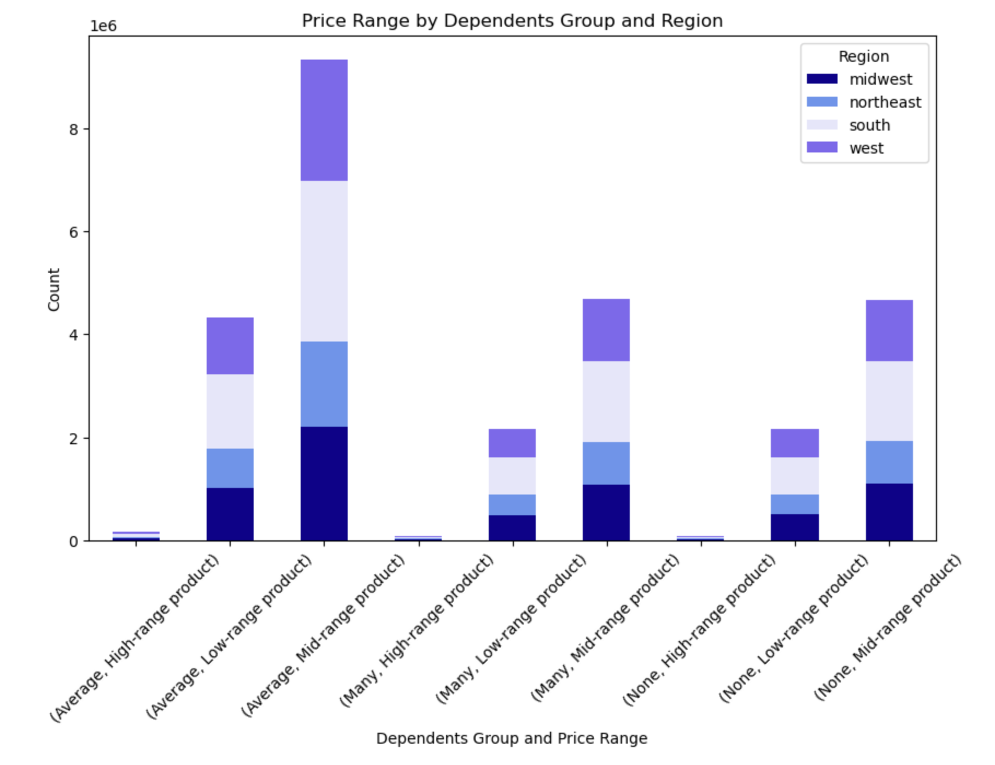

There is no pattern or correlation between age, family status or no. of dependents insofar as the charts.

What different classifications does the demographic information suggest?
Age? Income? Certain types of goods? Family status?

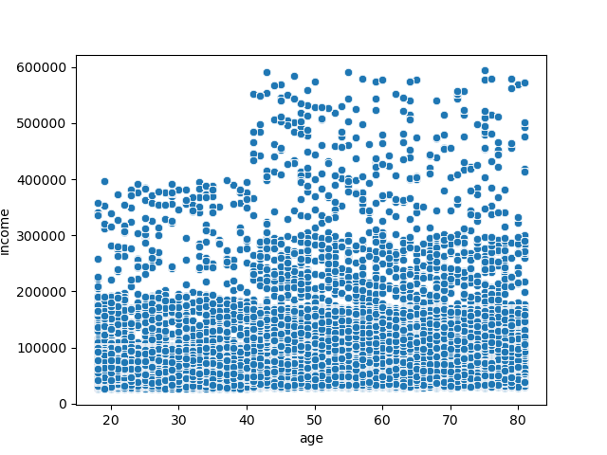
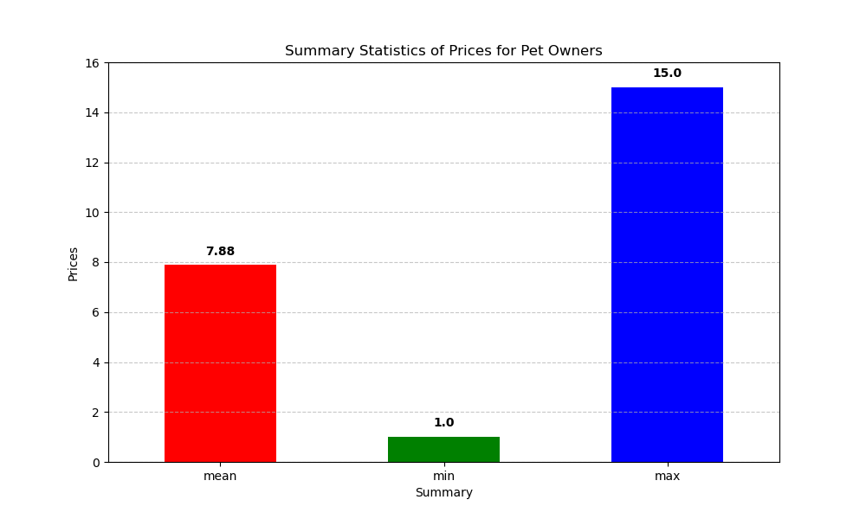
Age & Income Comparison
Pet owners spend on average of almost 8 on their order items - just slightly over the median.
It's a strong sector that can be tapped for improvement.
There is a correlation between
age and income. As the scatterplot
shows, income increases
significantly after 40.

Most customers fall into the
under 100k income bracket
no matter the age.

What differences can you find in ordering habits of different customer profiles? Consider price of orders, frequency of orders, products customers are orderiing, and anything else you may think of.

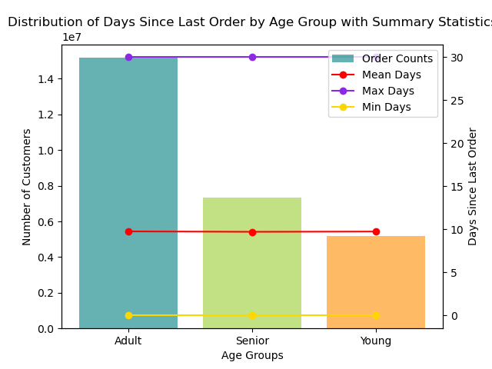
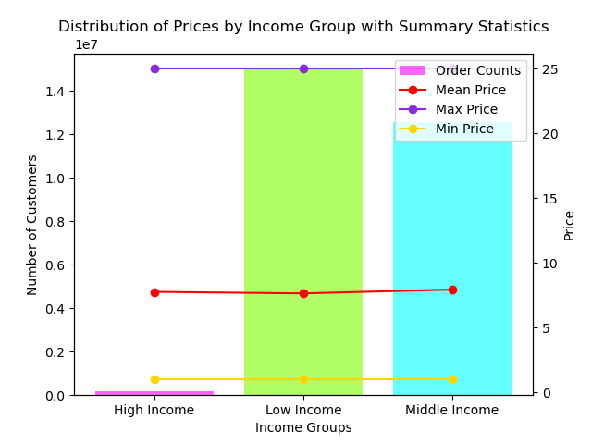

Both charts reflect statistical summaries overlayed with frequency distribution of age groups and income groups.
While the means stay consistently close amongst the groupsand about 9 for day and about 8 for price, you can see a better distribution for ages and incomes.
Adults order almost twice as much as Seniors and Young people. And lower scale income earners under 100k by far make the most orders.

7. Recommendations
Recommendations

In this tab you should include any recommendations you would made to Instcart in terms of their marketing strategy based on the questions posed in the brief. Every key question has been covered in the Tasks of the Exercises - here you need to add an item - a visualisation or table/crosstable that is showing the answer in the data, acompanied by a comment from you. Please, list the questions below and add the answer underneath.

Question | Answer

Specific Key Questions and Chart points are documented on tab 6. Visualizations.
Recommendations regarding these points are:
10am - 3pm are peak hours and Saturday & Sunday are peak days so marketing campaigns and customer contact should happen during that time. Special campaigns to increase activity on Tuesday and Wednesdy (the slowest days) should be implemented to increase business.
Produce is by far the bestselling department so pricing models should use produce as a guide due to it's success with customers.
Special campaigns can be should target solid selling niches like alcohol order and pet owners - as well as other themed niches (parents, baby, dinner party, summer brunch, etc.) to maximize customer satisfaction, sales, seasonal opportunities, etc.
For brand loyalty, while regular customers technically make the most orders, loyal customers are very close behind. Rewards programs, bonus points, and other customer appreciation campaigns should be designed and put into action to keep loyal customers happy and to push regular customers over to loyal. The same with new customers achieving regular customer status.
While there is not a solid direct connection with age, dependents, and family status and spending or ordering habits - this doesn't mean that instacart wouldn't benefit from offering senior or family specials or singles campaigns like dinner for one specials. This can increase sales, customer satisfaction, and boost numbers in segments where they may be lacking.
The northeast sector is instacart's lowest market share. This region should take priority with strategies to boost instacart's exposure, online presence, marketing campaigns, promotions, customer acquisitiona and retention. Significant budgeting should be allocated to this regions to support the plans necessary to increase activity and customer numbers in the region. Pricing specials and introductory offers and discounts can entice new customers to join and order.
Overall, instacart has great opportunity to increase its customer base and also to increase order activity with current customers based on this analysis and visualizations provided.

