Head
Base | Height | 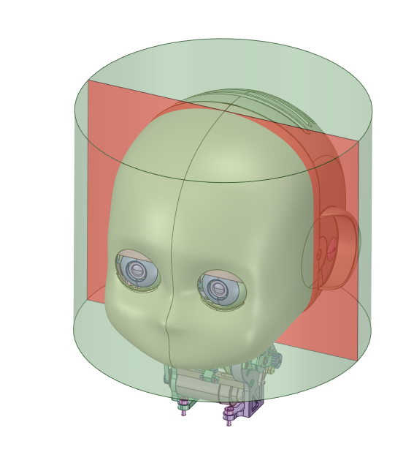 | 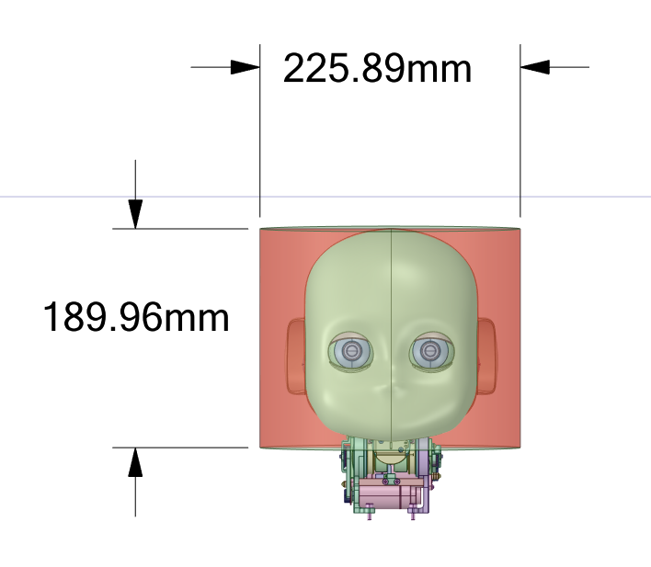
[mm] | [mm]
225.89 | 189.96

Chest
Base | Height | 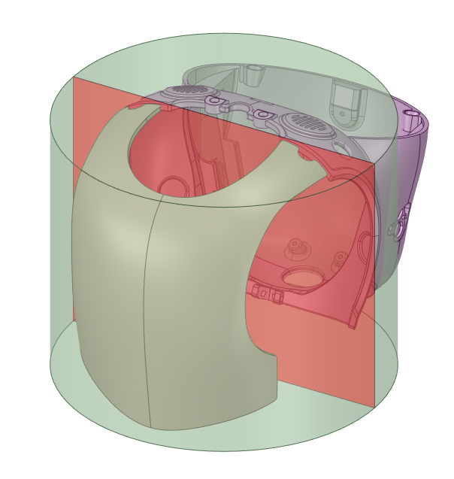 | 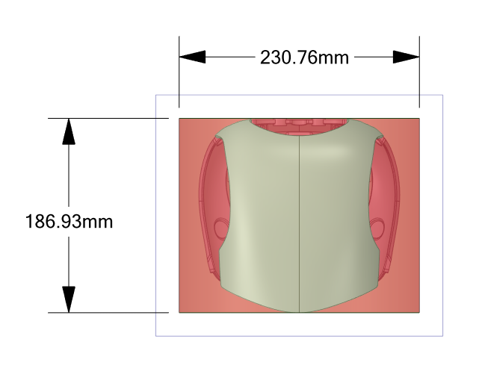
[mm] | [mm]
230.76 | 186.93

Chest_With_JetPack
Base | Height | 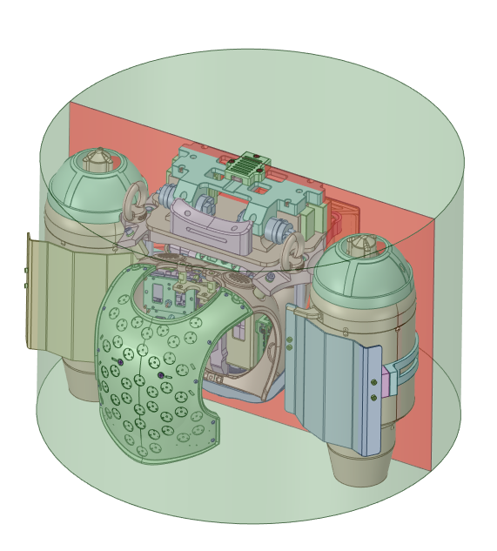 | 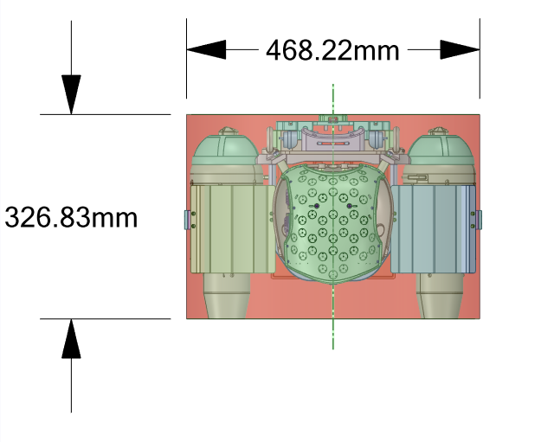
[mm] | [mm]
468.22 | 326.83

Upper_Arm
Base | Height | 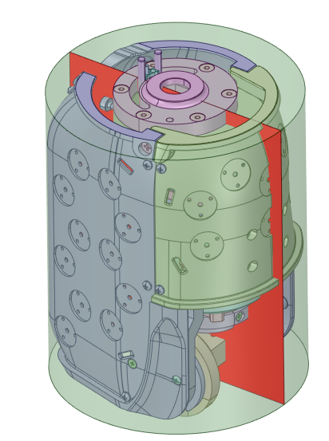 | 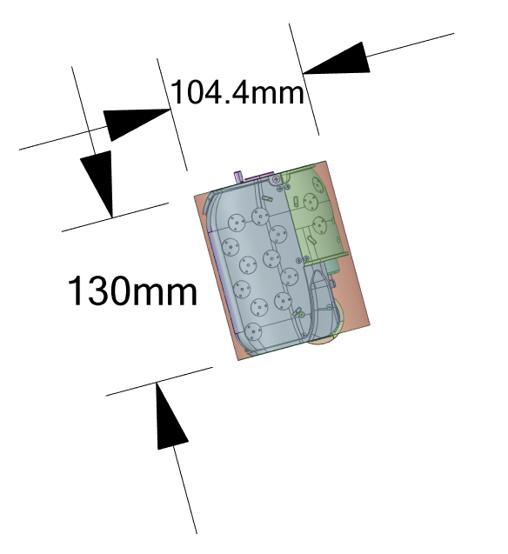
[mm] | [mm]
104.40 | 130.00

Lower_Arm
Base | Height | 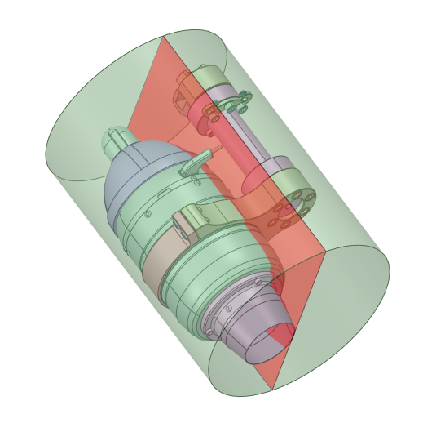 | 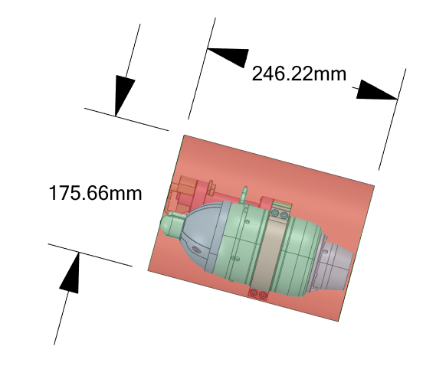
[mm] | [mm]
175.66 | 246.22

Root_Link
Base | Height | 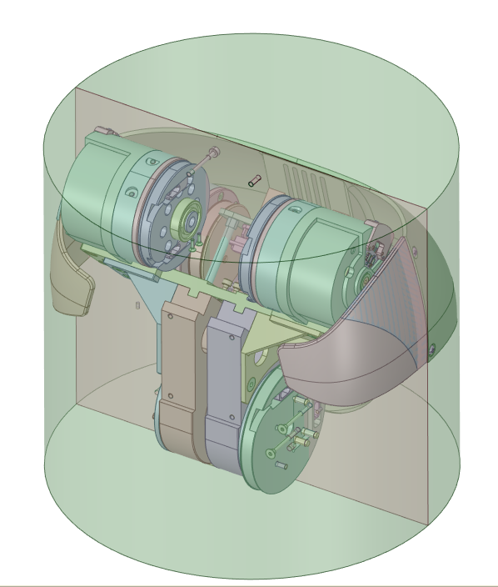 | 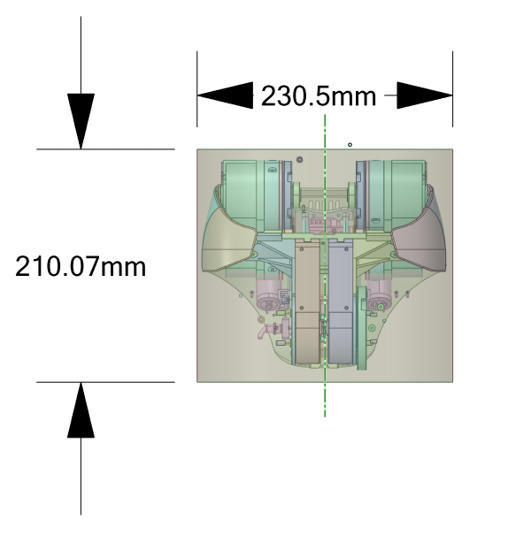
[mm] | [mm]
230.50 | 210.07

Upper_Leg
Base | Height | 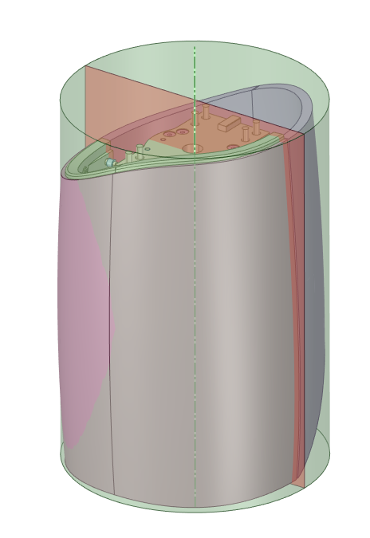 | 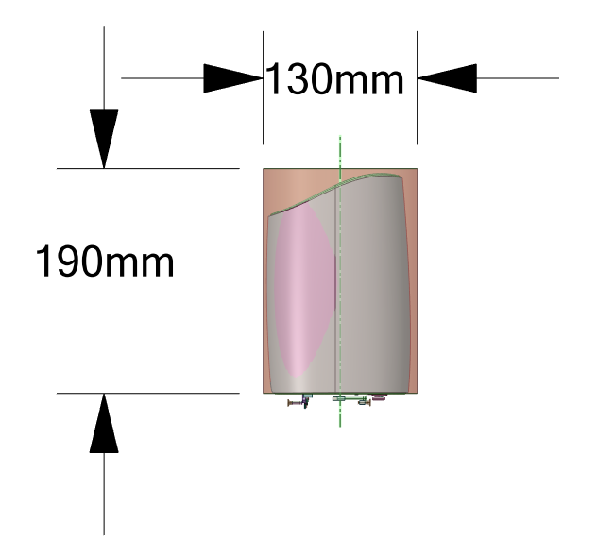
[mm] | [mm]
130.00 | 190.00

Lower_Leg
Base | Height | 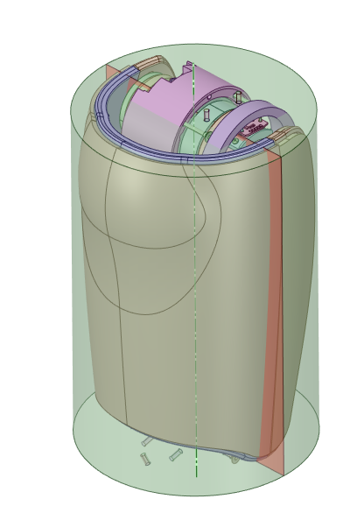 | 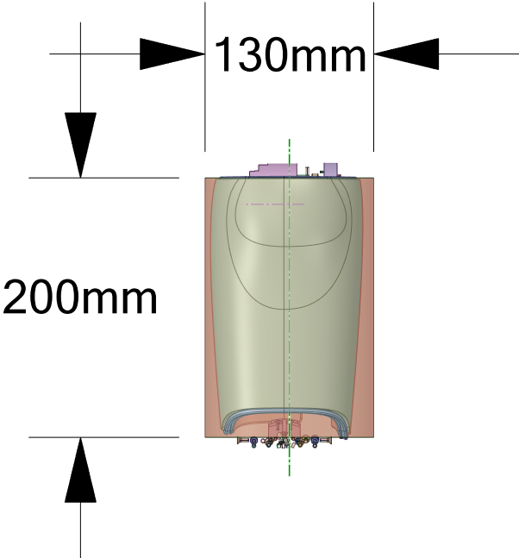
[mm] | [mm]
130.00 | 200.00

Foot
Base | Height | 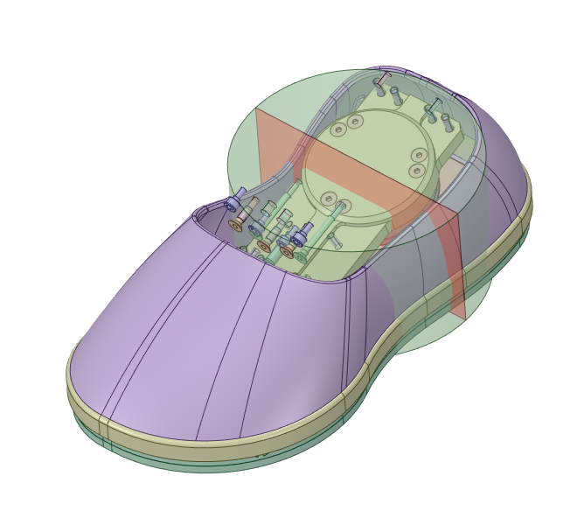 | 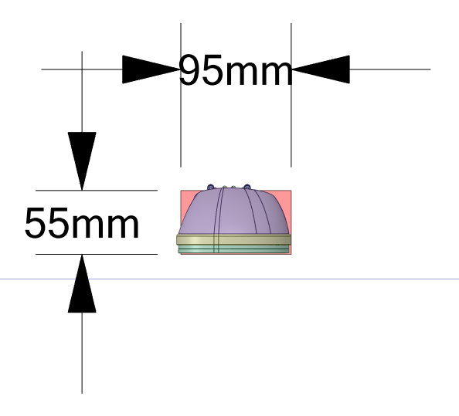
[mm] | [mm]
95.00 | 55.00

