General (Dashboard)
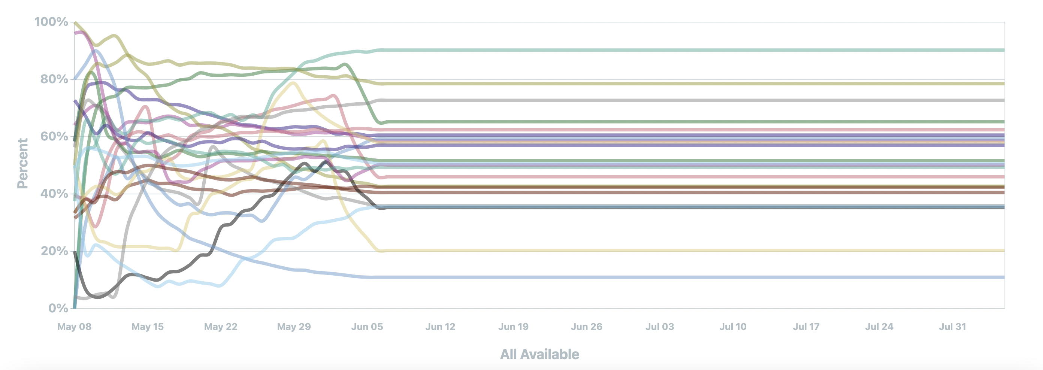
SARASWATI | Last Updated: Apr 20 2022, 03:55 PM

Dashboard Measures Report (4/13/2021 - 4/13/2022)

This report is a summary and analysis of measures data as displayed in the dashboard from 4/13/2021 - 4/13/2022 as pulled froom the Saraswati platform.

General Info:
 | Company: | Measure Count
 | HBCS Health | 23

Ratings & Trends:
Note: | Rating and Trends displays the current projected star rating as well as highlighting large changes in tracked measures.

 | Star Rating | Composite Score % Change | ADD-E Score % Change | URI Score % Change
 | 3 | 1 | -2 | 0
 | Composite | Over the past week | Over the past week | Over the past week

Chart Snapshot:
Note: | The chart below is a snapshot of the chart when the excel file was created.

