Login
 | enrollment-system-of-cvsu-silang-campus
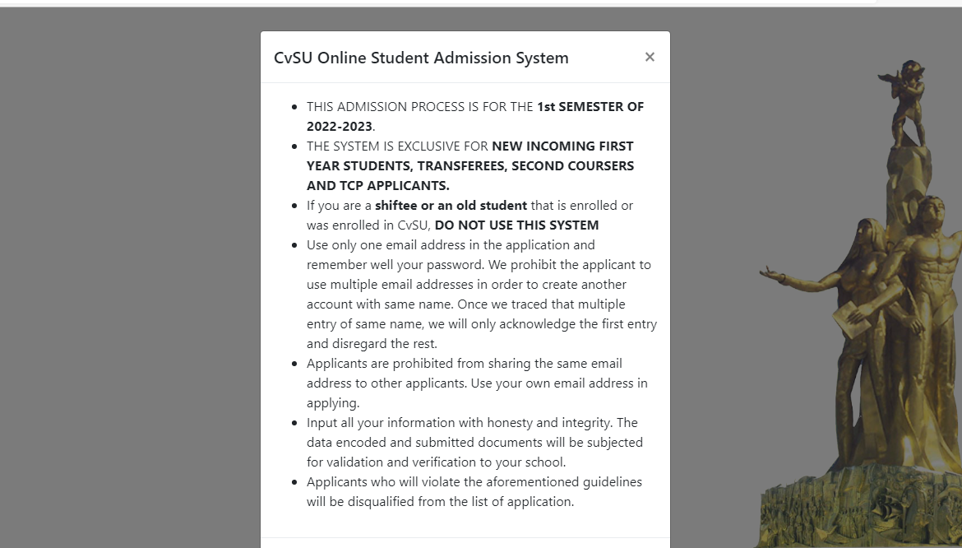

generate | 2022-01-001
use personal email

Register
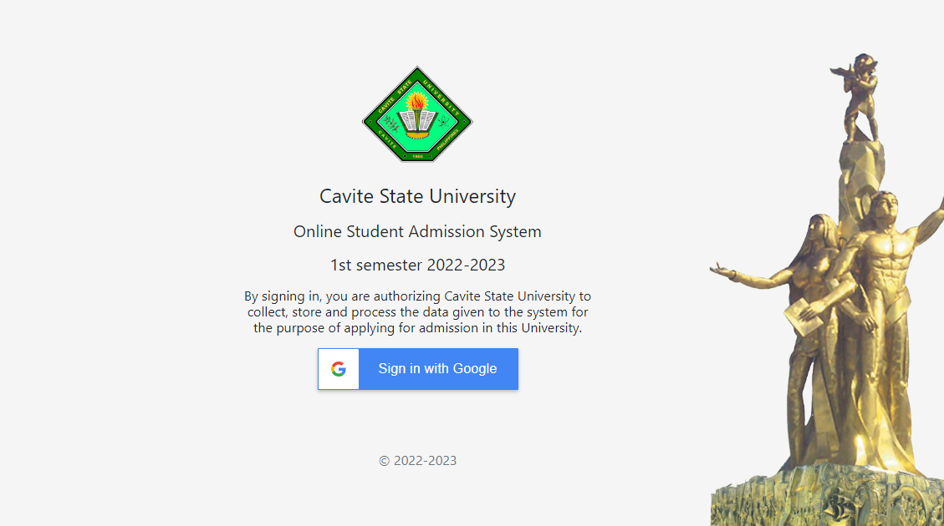

Admission Page
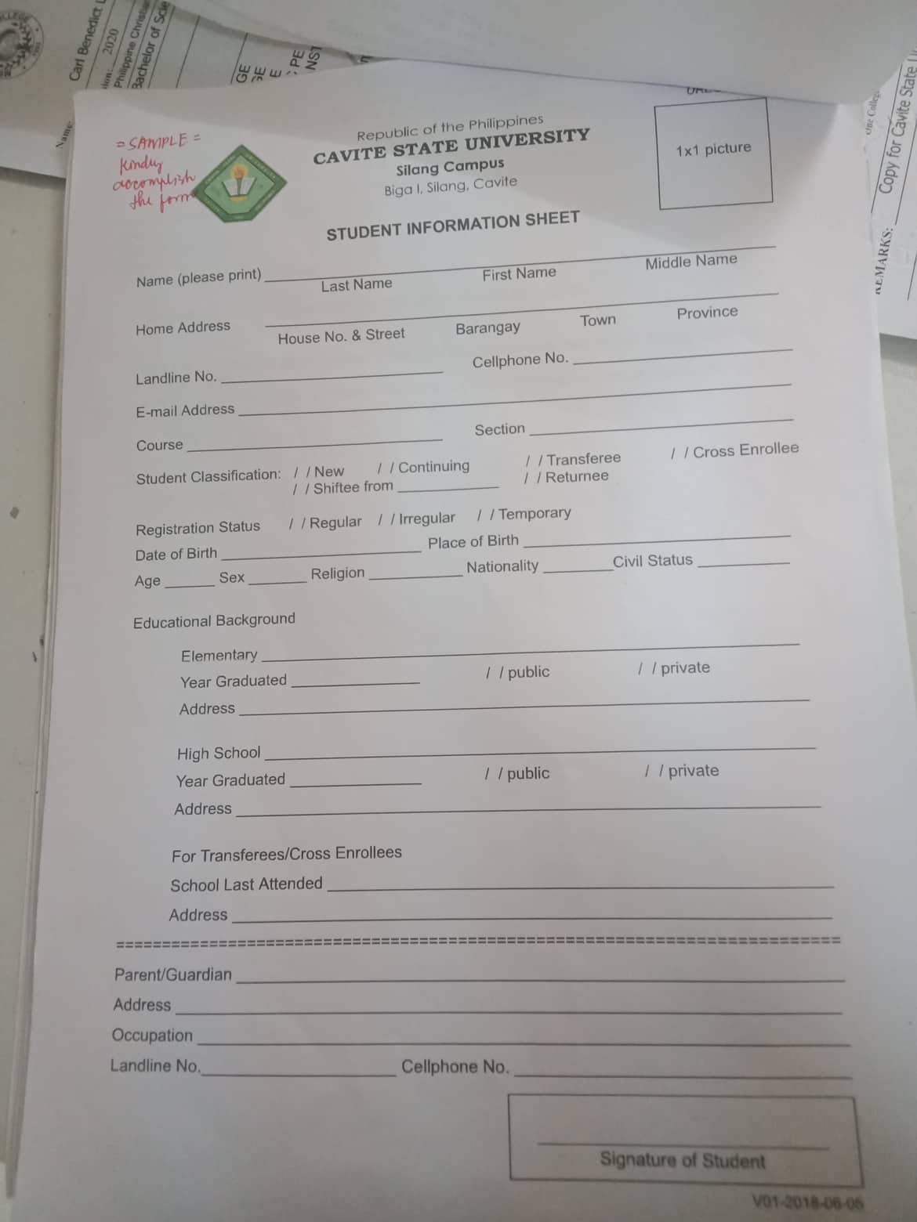
add year level
add school year
auto-copy info from previous enrollment

Account page
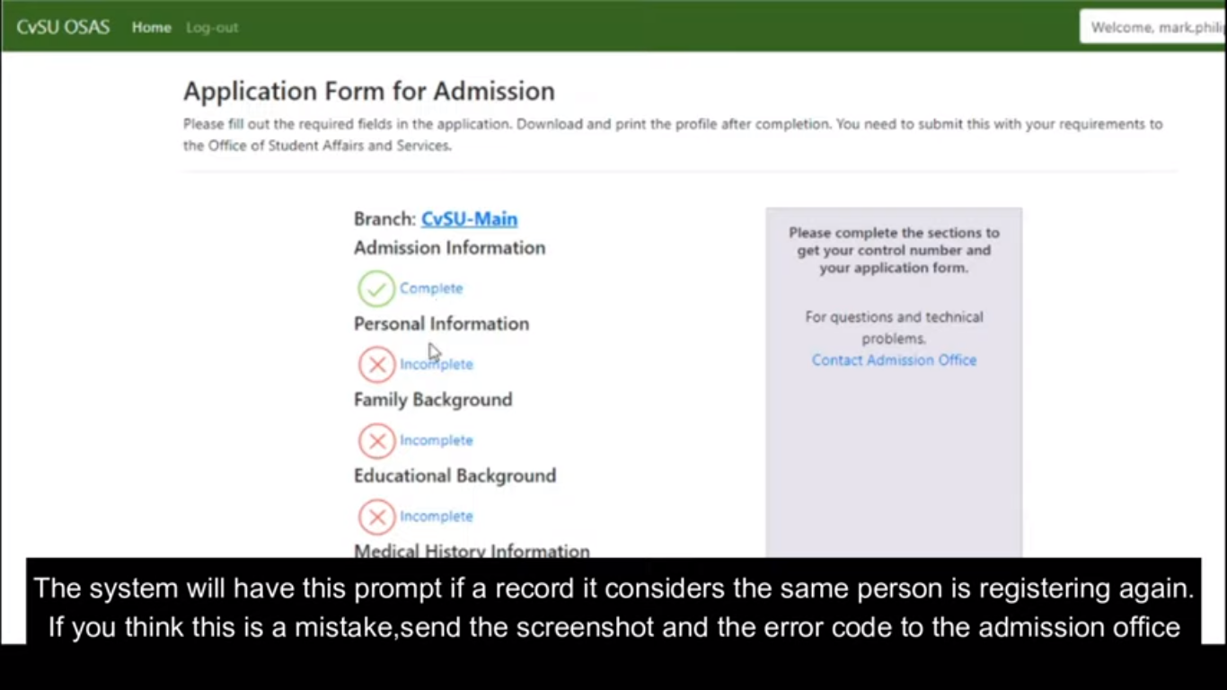
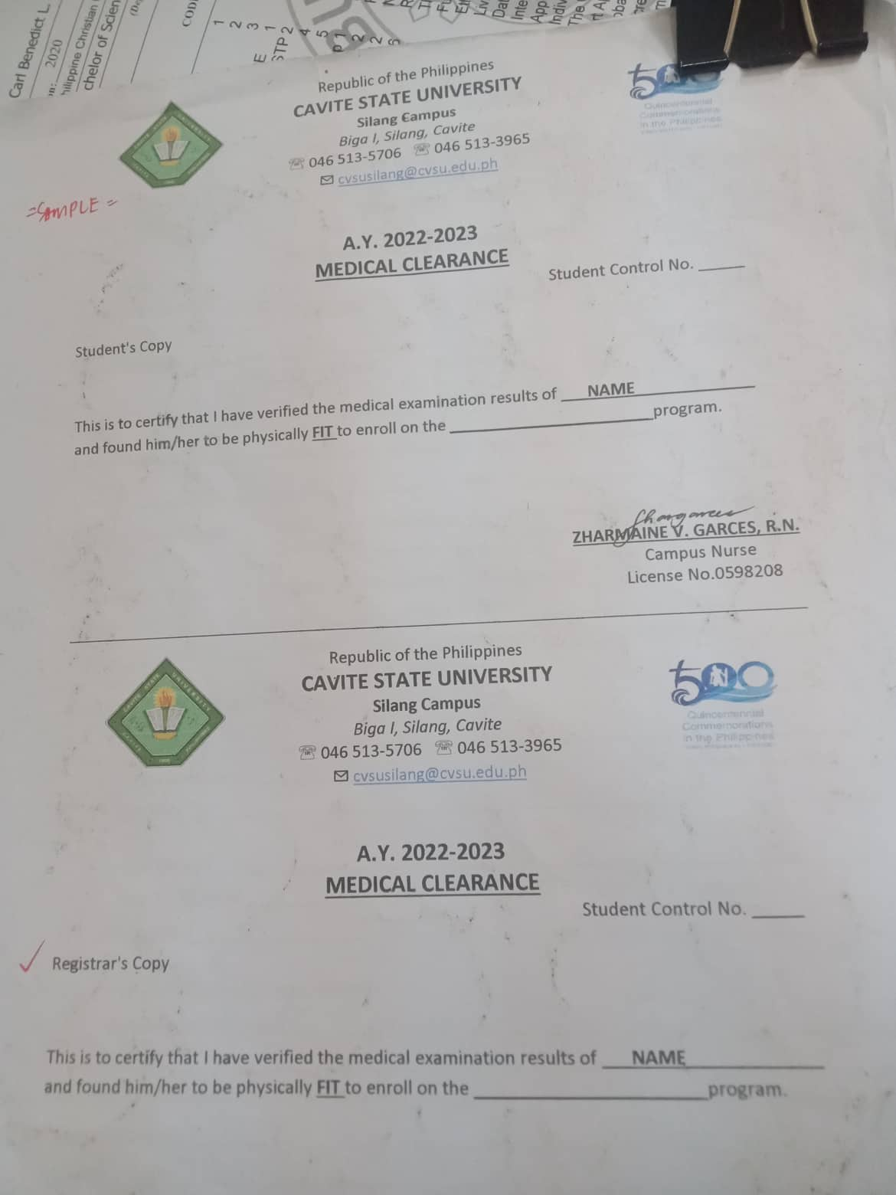
 | add profile picture
 | For New Students: Form 137 Card/138 Goodmoral Notice of Admission Medical Clearance Application Form For Transferee: Transcript of Record Notice of Admission Medical Clearance Application Form Cert of transfer | 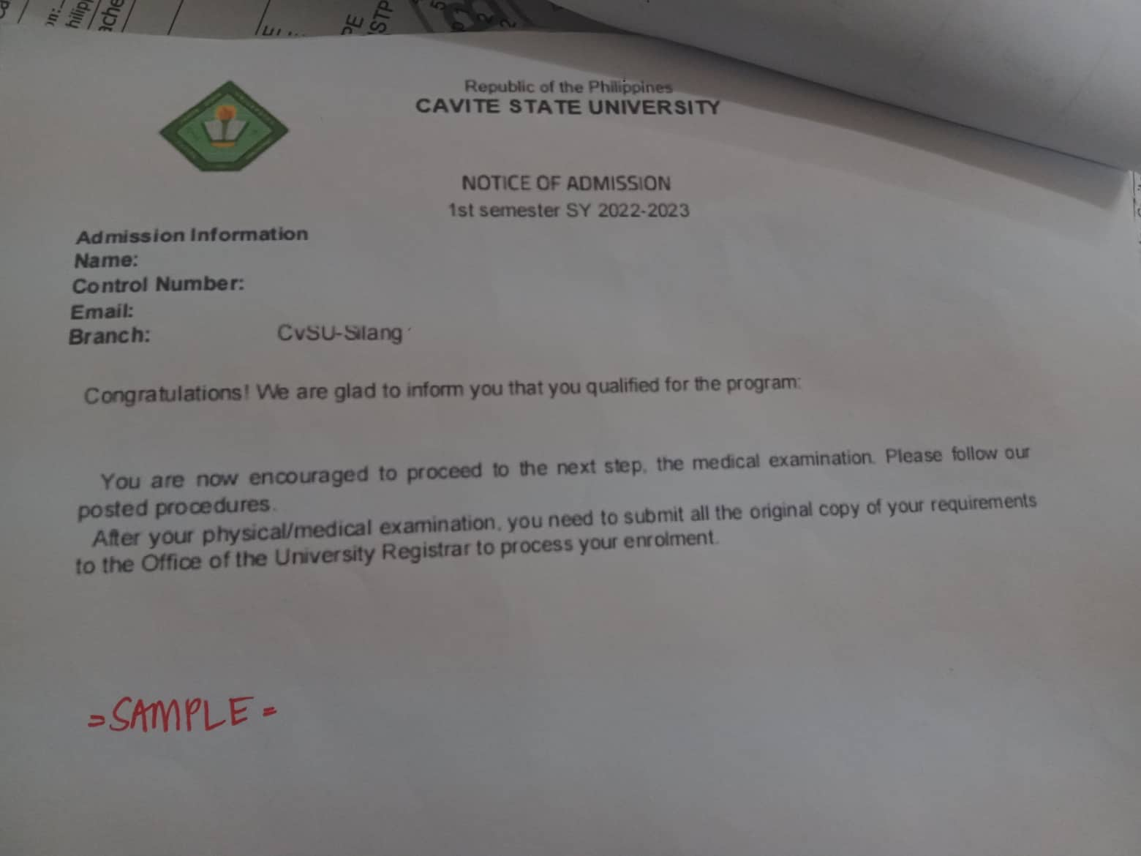

complete uploading files and approved, before download link available
registrar will upload reg form in admin page

