Blad1
Input | w1 - w4 | δ-I | w NEW | h-net | h-out | w5 - w8 | δ-H | w NEW | O-net | O-out | Target | δ-out | Error | Total Error | O1 | O2 | Error

0.05 | 0.15 | 0.018718125 | 0.1481281875 | 0.3775 | 0.3775 | 0.4 | 0.3464034375 | 0.36535965625 | 0.927625 | 0.927625 | 0.01 | 0.917625 | 0.42101782031
 | 0.2 | 0.03743625 | 0.196256375 |  |  | 0.45 | 0.3601678125 | 0.41398321875
 | 0.35 | 0.3743625 | 0.31256375 |  |  | 0.6 | 0.917625 | 0.5082375 |  |  |  |  |  | 0.42112476562
 |  |  |  |  |  |  |  |  |  |  | 0.99 | 0.014625 | 0.0001069453125 | 0.00065614061739
0.1 | 0.25 | 0.02104875 | 0.247895125 | 0.3925 | 0.3925 | 0.5 | 0.0055209375 | 0.49944790625 | 1.004625 | 1.004625
 | 0.3 | 0.0420975 | 0.29579025 |  |  | 0.55 | 0.0057403125 | 0.54942596875
1 | 0.35 | 0.420975 | 0.3079025 |  | 1 | 0.6 | 0.014625 | 0.5985375

Training
 | O1 | O2 | Error
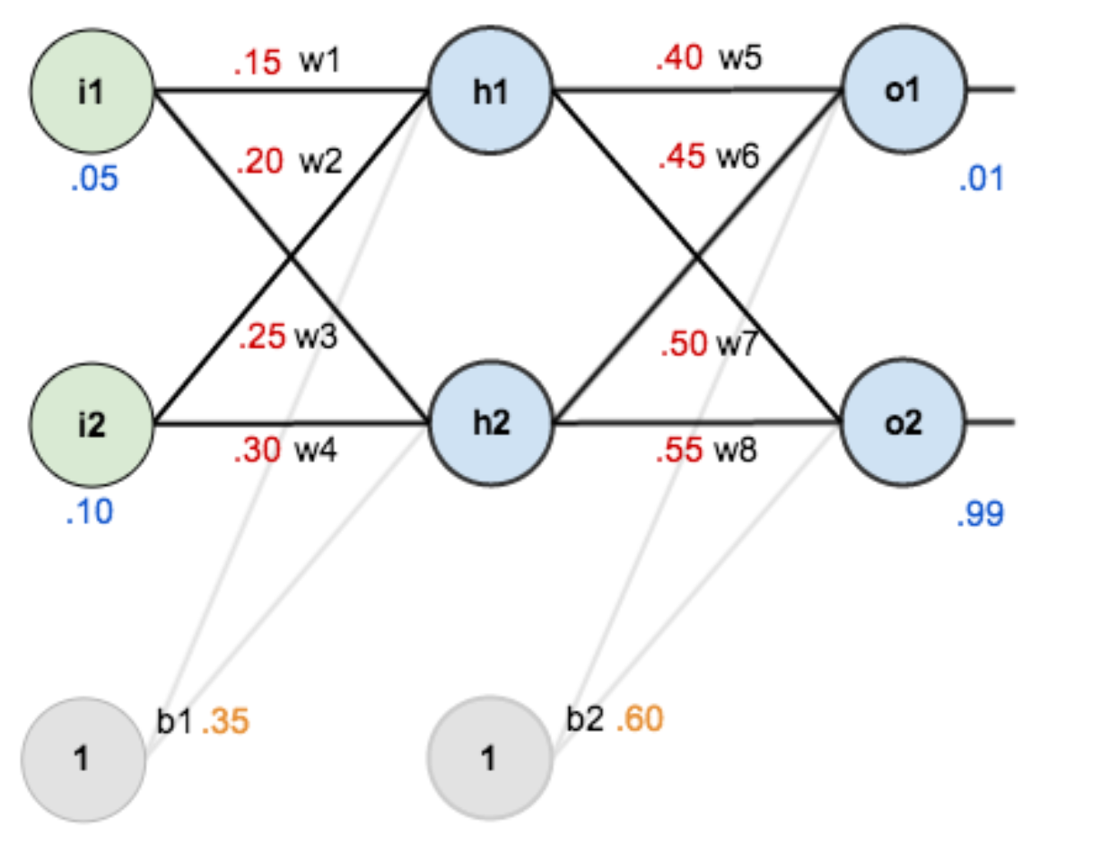
Learning Rate |  | Iterations
0.1 |  | 100
 |  | 500

