Sheet1
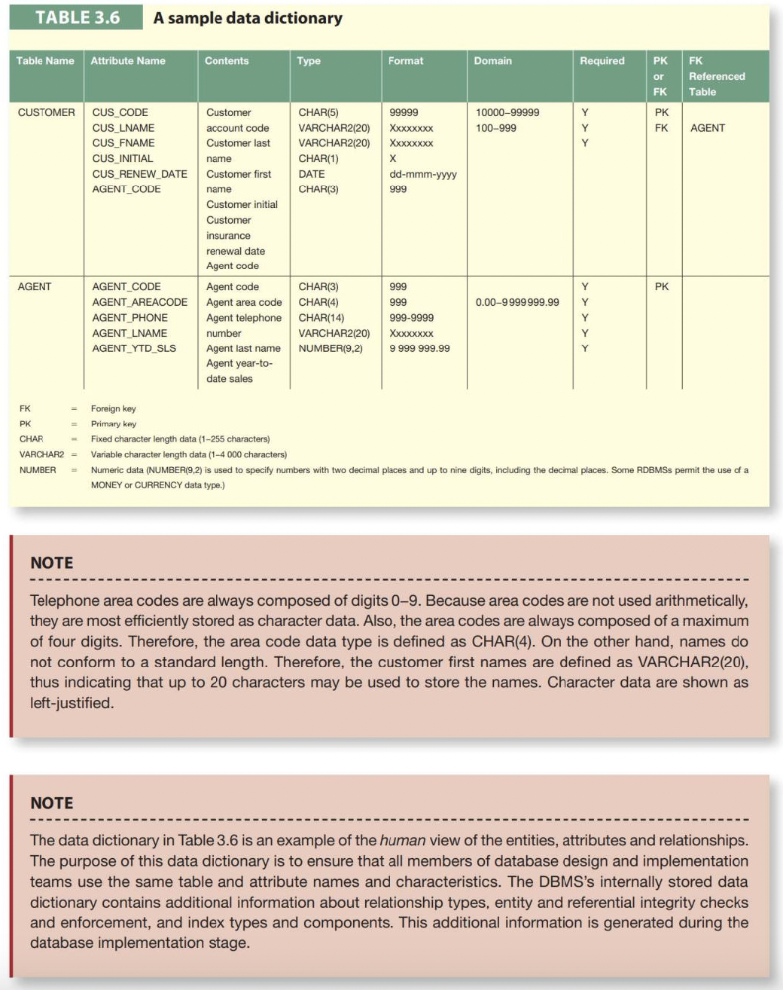
Table Name | Attribute Name | Contents | Type | Format | Domain | Required | PK or FK | FK Referenced Table | Describe attributes in a tabular format. Add or remove rows if necessary.
ALUMNI | alumni_id | Unique Alumni Identifier | INT AUTO_INCREMENT PRIMARY KEY | 99999 | 10000-99999 | Y | PK
 | full_name | Full Name of Alumni | VARCHAR(100) | X(100) | A-Z (100) | N
 | date_of_birth | Date of Birth | DATE | YYYY-MM-DD | YYYY-MM-DD | Y
 | nationality | Nationality | VARCHAR(50) | X(50) | A-Z (50) | Y
 | contact_information | Email or Phone Contact | VARCHAR(255) | X(255) | Alphanumeric (255) | Y
 | current_location | Current City and Country | VARCHAR(100) | X(100) | A-Z (100) | N
 | graduation_year | Year of Graduation | YEAR | YYYY | YYYY | Y
 | mobility_track | Study Mobility Program | VARCHAR(100) | X(100) | A-Z (100) | N
 | specialization | Alumni's Field of Study | VARCHAR(100) | X(100) | A-Z (100) | N
 | current_job_title | Current Job Position | VARCHAR(100) | X(100) | A-Z (100) | N
 | skills_certifications | List of Skills and Certifications | TEXT | X(255) | Text | N
 | profile_visibility | Public or Private Profile Status | ENUM('Public', 'Private') | A (Public/Private) | ('Public', 'Private') | Y
 | linkedin_profile | LinkedIn URL | VARCHAR(255) | X(255) | Alphanumeric (255) | N
 | status | Active or Inactive Alumni | ENUM('Active', 'Inactive') | A (Active/Inactive) | ('Active', 'Inactive') | Y
EMPLOYER | employer_id | Unique Employer Identifier | INT AUTO_INCREMENT PRIMARY KEY | 99999 | 10000-99999 | Y | PK
 | company_name | Name of the Company | VARCHAR(255), UNIQUE | X(255) | A-Z (255) | Y
 | industry | Industry Sector | VARCHAR(100) | X(100) | A-Z (100) | N
 | contact_information | Employer’s Contact Details | VARCHAR(255) | X(255) | Alphanumeric (255) | N
 | location | Company’s Location | VARCHAR(100) | X(100) | A-Z (100) | N
JOB_POSTING | job_posting_id | Unique Job Posting Identifier | INT AUTO_INCREMENT PRIMARY KEY | 99999 | 10000-99999 | Y | PK
 | employer_id | Employer Posting the Job | INT | 99999 | 10000-99999 | Y | FK | EMPLOYER
 | job_title | Job Position Title | VARCHAR(100) | X(100) | A-Z (100) | Y
 | job_description | Details About the Job | TEXT | X(n) | Text | N
 | job_type | Type of Employment | ENUM('Full-time', 'Part-time', 'Internship', 'Contract') | A | ('Full-time', 'Part-time', 'Internship', 'Contract') | Y
 | application_deadline | Last Date for Applications | DATE | YYYY-MM-DD | YYYY-MM-DD | N
 | location | Job Location | VARCHAR(100) | X(100) | A-Z (100) | N
JOB_APPLICATION | application_id | Unique Application Identifier | INT AUTO_INCREMENT PRIMARY KEY | 99999 | 10000-99999 | Y | PK
 | alumni_id | Alumni Who Applied | INT | 99999 | 10000-99999 | Y | FK | ALUMNI
 | job_posting_id | Job Posting Applied For | INT | 99999 | 10000-99999 | Y | FK | JOB POSTING
 | status | Application Status | ENUM('Pending', 'Accepted', 'Rejected') | A | ('Pending', 'Accepted', 'Rejected') | Y
 | submission_date | Date of Application Submission | DATETIME | YYYY-MM-DD HH:MM:SS | YYYY-MM-DD HH:MM:SS | Y
EVENT | event_id | Unique Event Identifier | INT AUTO_INCREMENT PRIMARY KEY | 99999 | 10000-99999 | Y | PK
 | admin_id | Administrator Organizing Event | INT | 99999 | 10000-99999 | Y | FK
 | event_name | Event Title | VARCHAR(100) | X(100) | A-Z (100) | Y
 | event_description | Event Description | TEXT | X(50) | A-Z (50) | Y
 | event_date | Date and Time of Event | DATETIME | YYYY-MM-DD HH:MM:SS | YYYY-MM-DD HH:MM:SS | Y
 | event_location | Venue of the Event | VARCHAR(100) | X(100) | A-Z (100) | N
EVENT_ATTENDANCE | attendance_id | Unique Attendance | INT AUTO_INCREMENT PRIMARY KEY | 99999 | 10000-99999 | Y | PK
 | alumni_id | Alumni Attending Event | INT | 99999 | 10000-99999 | Y | FK | ALUMNI
 | event_id | Event Attended | INT | 99999 | 10000-99999 | Y | FK | EVENT
 | feedback | Alumni’s Feedback | TEXT NULL | X(n) | Text | N
 | rating | Alumni’s Rating | ENUM('1', '2 ', '3', '4', '5') | 9 (1-5) | 1--5 | N
ADMINISTRATOR | admin_id | Unique Administrator Identifier | INT AUTO_INCREMENT PRIMARY KEY | 99999 | 10000-99999 | Y | PK
 | name | Administrator's Name | VARCHAR(100) | X(100) | A-Z (100) | Y
 | role | Administrator’s Role in the System | ENUM('Admin', 'EventManager', 'JobManager') | X(50) | A-Z (50) | Y
MENTORSHIP | mentorship_id | Unique Mentorship Identifier | INT AUTO_INCREMENT PRIMARY KEY | 99999 | 10000-99999 | Y | PK
 | mentor_alumni_id | Alumni Acting as Mentor | INT | 99999 | 10000-99999 | Y | FK | ALUMNI
 | mentee_alumni_id | Alumni Being Mentored | INT | 99999 | 10000-99999 | Y | FK | ALUMNI
 | mentorship_type | Type of Mentorship | ENUM('Career Advice', 'Internship', 'General') | A() | A-Z (50) | Y
 | availability_status | Mentor’s Availability Status | ENUM('Available', 'Unavailable') | A (Available/Unavailable) | ('Available', 'Unavailable') | Y
EMPLOYMENT_HISTORY | employment_id | Unique Employment | INT AUTO_INCREMENT PRIMARY KEY | 99999 | 10000-99999 | Y | PK
 | alumni_id | Alumni Working | INT | 99999 | 10000-99999 | Y | FK | ALUMNI
 | employer_id | Employer | INT | 99999 | 10000-99999 | Y | FK | EMPLOYER
 | job_posting_id | Unique Job Posting Identifier | INT | 99999 | 10000-99999 | N | FK | JOB POSTING
 | job_title | Job Title Held by Alumni | VARCHAR(100) | X(100) | A-Z (100) | Y
 | start_date | Start Date of Employment | DATE | YYYY-MM-DD | YYYY-MM-DD | Y
 | end_date | End Date of Employment | DATE NULL | YYYY-MM-DD (NULL if ongoing) | YYYY-MM-DD | N

