Raw
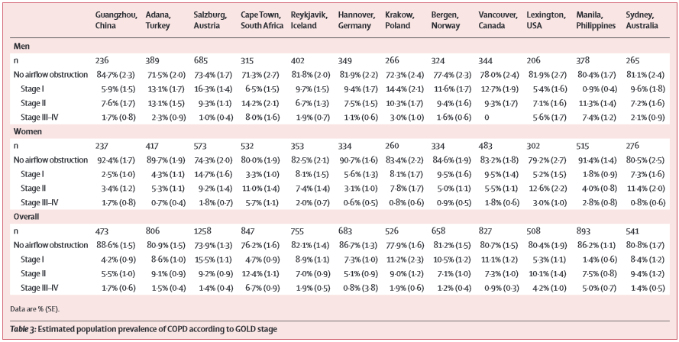
sex | gold | value
male | I | 0.127
male | II | 0.093
male | III+IV | 0
female | I | 0.095
female | II | 0.055
female | III+IV | 0.018

