Introduction
Shell & Tube Heat Exchanger Design Project


by
 | Motahhare Safiallah
 | &
 | Mohammad Amin Adibi

Instructor:
 | Dr. Fatola Farhadi

 | Department of Petroleum & Chemical Engineering
 | Sharif University of Technology

 |  | Spring 2010

Temp. dependency
Tube Side; Cp Vs. T
Cp (kJ/kg.K) = a*T(°C) + b
a = 0.0064
b = 1.0871
Hot - Tube Side
Temp. | Cp
°C | kJ/(kgK)
278.4 | 2.89
272.4 | 2.83
266.4 | 2.78
260.4 | 2.74
254.4 | 2.69 |  | a_cp_tube | 0.0064
248.4 | 2.65 |  | b_cp_tube | 1.0871
242.4 | 2.61 |  | intgrl_cp_tube | 198.119532
236.4 | 2.58 |  | avg_cp_tube | 2.62758
230.4 | 2.54 |  | cp_tube_in | 2.89
224.4 | 2.51 |  | cp_tube_out | 2.4
218.4 | 2.48
212.4 | 2.44
207.4 | 2.42
203.4 | 2.4

Shell Side; Cp Vs. T
Cp (kJ/kg.K) = a*T(°C) + b
a = 0.005
b = 1.343
Cold - Shell Side
Temp. | Cp
°C | kJ/(kgK)
189 | 2.32
195 | 2.35
201 | 2.37
207 | 2.4 |  | a_cp_shell | 0.0051
213 | 2.44 |  | b_cp_shell | 1.3433
219 | 2.47 |  | intgrl_cp_shell | 108.98775
225 | 2.5 |  | avg_cp_shell | 2.42195
229 | 2.52 |  | cp_shell_in | 2.32
234 | 2.55 |  | cp_shell_out | 2.55

Hot Tube; Cp Vs. T
μ (kg/m.s) = a*T(°C) + b
a = -9E-07
b = 0.0003
Hot - Tube Side
Temp. | Viscosity | Viscosity
°C | kg/m·s | cP
278.4 | 0.000093 | 0.093
272.4 | 0.000098 | 0.098
266.4 | 0.000102 | 0.102
260.4 | 0.000107 | 0.107 |  | a_mu_tube | -0.0000009
254.4 | 0.000112 | 0.112 |  | b_mu_tube | 0.0003
248.4 | 0.000117 | 0.117 |  | intgrl_mu_tube | 0.006286098
242.4 | 0.000122 | 0.122 |  | avg_mu_tube | 0.00008337
236.4 | 0.000127 | 0.127 |  | mu_tube_in | 0.000093
230.4 | 0.000133 | 0.133 |  | mu_tube_out | 0.00016
224.4 | 0.000138 | 0.138 |  | mu_tube_avg | 0.0001265
218.4 | 0.000144 | 0.144
212.4 | 0.00015 | 0.15
207.4 | 0.000156 | 0.156
203.4 | 0.00016 | 0.16

Shell Side; Viscosity Vs. T
Cold - Shell Side
Temp. | Visosity | Viscosity
°C | kg/m·s | cP
189 | 0.000166 | 0.166
195 | 0.000159 | 0.159
201 | 0.000152 | 0.152
207 | 0.000146 | 0.146
213 | 0.00014 | 0.14 |  | mu_shell_in | 0.000166
219 | 0.000134 | 0.134 |  | mu_shell_out | 0.000121
225 | 0.000129 | 0.129 |  | mu_shell_avg | 0.0001435
229 | 0.000125 | 0.125
234 | 0.000121 | 0.121

Tube Side; Density Vs. T
Hot - Tube Side
Temp. | Density
°C | kg/m^3
278.4 | 597.4
272.4 | 606.5 |  |  | density_tube_in | 597.4
266.4 | 615.3 |  |  | density_tube_out | 692.7
260.4 | 623.7 |  |  | denitys_tube_avg | 645.05
254.4 | 631.9
248.4 | 639.7
242.4 | 647.4
236.4 | 654.8
230.4 | 662
224.4 | 669.1
218.4 | 676
212.4 | 682.8
207.4 | 688.4
203.4 | 692.7

Shell Side; Density Vs. T
Cold - Shell Side
Temp. | Density
°C | kg/m^3
189 | 710.2
195 | 703.7
201 | 697
207 | 690.2
213 | 683.3 |  |  | density_shell_in | 710.2
219 | 676.3 |  |  | density_shell_out | 658
225 | 669.1 |  |  | density_shell_avg | 684.1
229 | 664.2
234 | 658

Tube Side; K Vs. T
k (W/m.k)= a*T(°C) + b
a = -6E-05
b = 0.0.0912
Hot - Tube Side
Temp. | k
°C | W/(mK)
278.4 | 0.0749
272.4 | 0.0752
266.4 | 0.0756
260.4 | 0.0759
254.4 | 0.0763
248.4 | 0.0766 |  |  | k_tube_in | 0.0749
242.4 | 0.077 |  |  | k_tube_out | 0.0794
236.4 | 0.0773 |  |  | k_tube_avg | 0.07715
230.4 | 0.0777
224.4 | 0.078
218.4 | 0.0784
212.4 | 0.0787
207.4 | 0.079
203.4 | 0.0794

Shell Side; k Vs. T
Cold - Shell Side
Temp. | k
°C | W/(mK)
189 | 0.1007
195 | 0.0991
201 | 0.0975
207 | 0.0958 |  |  | k_shell_in | 0.1007
213 | 0.0941 |  |  | k_shell_out | 0.088
219 | 0.0924 |  |  | k_shell_avg | 0.09435
225 | 0.0907
229 | 0.0895
234 | 0.088

Results
Write U_Guess Below:
Tube |  |  |  |  |  | Required/Actual Values
No. of Tubes | 288 |  |  |  |  | Surface Required | 185.95633817 | m^2
Tube Passes | 4 |  | U Guess | 723.82626594 | W/(m^2.°C) | Surface Actual | 206.83240722 | m^2
Pitch | 0.02505 | m |  |  |  | Duty Required | 2614583.4638 | W
Velocity | 1.8095468948 | m/s |  |  |  | Duty Actual | 2908105.1875 | W
Then Push It -->
h | 2150.5217261 | W/m^.°C |  |  |  | U Dirty | 723.82626594 | W/m^.°C
 |  |  |  |  |  | U Clean | 724.08589418 | W/m^.°C
Shell |  |  |  |  |  | R_d | 4.9536749831E-07
No. Series Shells | 2
Shell Passes | 1
<-- Final U
Tube Passes | 4
Pitch | 0.02505 | m | U | 723.82626594 | W/(m^2.°C)
Velocity | 0.91199675061 | m/s | A per tube bundle | 102.275986 | m^2
h | 1354.7107077 | W/m^.°C | A Total | 204.55197199 | m^2

Duty |  |  |  |  |  | LMTD
duty _tube | 2876041.8102 | W |  |  |  | LMTD | 26.338997071
duty_shell | 2850901.5645 | W |  |  |  | LMTD_R | 1.6755555556
duty_max | 2876041.8102 | W |  |  |  | LMTD_P | 0.5033557047
cp_design | 2.62758 | kJ/KgK |  |  |  | Fkomaki | 1.9512781503
ovrdsgn (%) | 10 |  |  |  |  | LMTD_N | 2
duty_design | 2876041.8102 | W |  |  |  | P'komaki | 0.56152944296
 |  |  |  |  |  | LMTD_P' | 0.39359091504
 |  |  |  |  |  | LMTD_A | 9.5848884034
 |  |  |  |  |  | F_LMTD | 0.73749308406

Mechanical Design
 | Shell |  |  |  | Tube |  |  | Heads
 | Type | E | _ |  | Material | CS - Plain | _ | Material | CS | _
 | Material | CS - Plain | _ |  | Max. Allowable Stress | 345000 | bar | Front head | A | _
 | Max. Allowable Stress | 345000 | bar |  | Design Pressure | 13.4 | bar | Rear End Head | L | _
 | Design Pressure | 34 | bar |  | Design Temperature | 325 | °C
 | Design Temperature | 260 | °C |  | Corrosion Allowance | 0 | m | Front Head
 | Corrosion allowance | 0.003 | m |  | Joint Efficiency | 1 | _ | L_F_head
 | Joint efficiency | 1 | _ |  | Nominal Size | 3/4 | inch | Thick_F_head | 0.0095 | m
 | Min. Thickness | 0.0095 | m |  | ID | 0.01483 | m | D_F_head | 0.5588 | m
 | Used Thickness | 0.0095 | m |  | OD | 0.01905 | m
 | ID | 0.54101518677 | m |  | Thickness | 0.00211 | m | Rear Head
 | OD | 0.56001518677 | m |  | BWG | 14 | _ | L_R_head
 | Length | 6 | m |  | Pitch | 0.02505 | m | Thick_R_head | 0.0095 | m
 | Number of Passes | 1 | _ |  | Length | 6 | m | D_R_head | 0.5588 | m
 | Vol_shell | 1.613650457 | m^3 |  | CS Density | 7854 | kg/m^3
 |  |  |  |  | Pattern | 90 | degrees | Sealing Strips
 | Installation |  |  |  | Vol_tube_i | 0.5969609423 | m^3 | N.O | 2 | _
 | Horizontal |  |  |  | Vol_tube_o | 0.98503933937 | m^3 | Length | 6 | m
 |  |  |  |  | Number of Tubes | 288 | _ | Width | 0.025470270159 | m
 |  |  |  |  | Number of Passes | 4 | _

 | Nozzle - Shell |  |  |  | Nozzle - Tube |  |  | Baffles
IN | ρ-in | 710.2 | kg/m^3 | IN | ρ-in | 597.4 | kg/m^3 | Type | Double Segmental
 | V_max | 3.048 | m/s |  | V_max | 3.048 | m/s | Material | CS
 | A_noz_in_min | 0.012083949588 | m^2 |  | A_noz_in_min | 0.0079723750425 | m^2 | No. | 21 | -
 | D_min | 0.12403935856 | m |  | D_min | 0.10075089662 | m | No. of Type A Baffles | 11
 | OD_nozz_s | 0.1524 | m |  | OD_nozz_t | 0.1524 | m | No. of Type B Baffles | 10
 | Thick_nozz_s | 0.0182626 | m |  | Thick_nozz_t | 0.0182626 | m | h_DS | 0.2 | m
 | ID_nozz_s | 0.1341374 | m |  | ID_nozz_t | 0.1341374 | m | Diameter | 0.53801518677 | m
 | V_nozz_in_s | 2.6063588959 | m/s |  | V_nozz_in_t | 1.7195429741 | m/s | Thickness | 0.048 | m
 | material | CS |  |  | material | CS |  | Baffle Cut | 25 | %
OUT | ρ-out | 658 | kg/m^3 | OUT | ρ-out | 692.7 | kg/m^3 | Baffle Spacing | 0.25 | m
 | A_noz_o | 0.013042585102 | m^2 |  | A_noz_o | 0.0068755548584 | m^2 | Hole Diameter | 0.0206375 | m
 | Dmin | 0.12886556995 | m |  | Dmin | 0.093564033355 | m | Vol_baffle | 0.15991851286 | m^3
 | OD_nozz_s | 0.1524 | m |  | OD_nozz_t | 0.1524 | m
 | Thick_nozz_s | 0.0182626 | m |  | Thick_nozz_t | 0.0182626 | m
 | ID_nozz_s_out | 0.1158748 | m |  | ID_nozz_s_out | 0.1158748 | m | Tie Rods & Spacers
 | V_nozz_out_s | 3.7697345099 | m/s |  | V_nozz_in_t | 1.9872606712 | m/s | No. | 6 | -
 | material | CS |  |  | material | CS |  | Diameter | 0.0095 | m

 | Flanges - Shell |  |  |  | Tube Sheets |  |  | Pass Partitions
 | Type | Welding Neck |  |  | Material | CS |  | Material | CS
 | A_flange | 0.154178 | m |  | No_TSh | 2 |  | N.O | 0
 | E_flange | 0.168402 | m |  | OD_tube sheet | 0.5588 | m
 | G_flange | 0.1920875 | m |  | Thickness | 0.008 | m
 | H_flange | 0.2794 | m |  |  |  |  | Drain Diameter | 0.00381 | m
 | C_flange | 0.0889 | m |  |  |  |  | Vent Diameter | 0.018432467155 | m
 | J_flange | 0.0254 | m

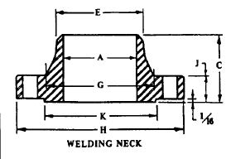
 |  |  |  |  | Gasket - Tube |  |  | Impingment Protection
 |  |  |  |  | Type | Spiral Wound |  | Area | 0.0225 | m^2
 |  |  |  |  | Inner Ring | SS |  | Material | CS
 |  |  |  |  | Outer Ring | CS
 |  |  |  |  |  |  |  | Cover - Front
 |  |  |  |  |  |  |  | Type | Cover Welded to a Cylander
 |  |  |  |  |  |  |  | Material | SA516 70
 |  |  |  |  | Gasket - Shell
 |  |  |  |  | Type | Spiral Wound |  | Cover - Rear
 |  |  |  |  | Inner Ring | SS |  | Type | Cover Welded to a Cylander
 |  |  |  |  | Outer Ring | CS |  | Material | SA516 70

Cost & Weight Estimation
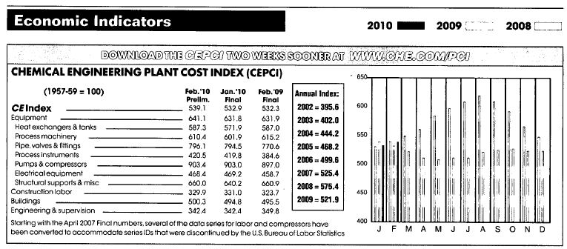

Cost: Old Regression Method
A | 204.55197199 | m^2
f_c_cost | 1.112
f_d_cost | 0.8
f_p_cost | 0.312
f_m_cost | 1
Cost index | 539.1
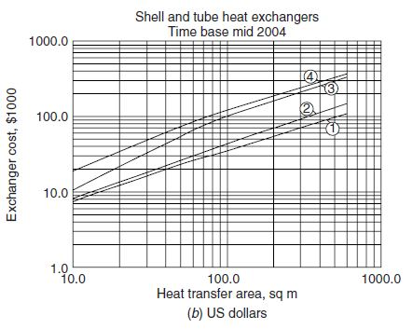
Estimated Cost | 369502.2768 | $

Cost: Coulson Richardson's Method |  |  | Weight Estimation
A | 204.55197199 | m^2 | Tubes | 3047.9677305 | kg
pressure factor | 1.3 |  | Shell | 1548.5132475 | kg
Type factor | 0.8 |  | Baffles | 2512 | kg
Material | 1 |  | Tube Sheet | 37.145628506 | kg
bare cost from figure | 55000 |  | Heads | 73.512972544 | kg
Index2010/Index2004 | 1.2136425034 |  | Nozzles | 37.089341183 | kg
Estimated Cost | 69420.351193 | $ | Pass Partition | 0 | kg
 |  |  | Liquid | 1488.9679335 | kg
 |  |  | Total(incl. liquid) | 8745.1968538 | kg
Cost: Peters's Method |  |  | Total(excl. liquid) | 7256.2289203 | kg
A | 204.55197199 | m^2
pressure factor | 1.2
bare cost from figure | 20000
Index2010/Index2002 | 1.3627401416
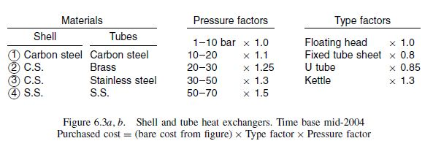
Estimated Cost | 32705.763397 | $

Cost Based on Weight
Weight | 7256.2289203 | m^2
cost per kg | 7 | $
Estimated Cost | 50793.602442 | $

Layout
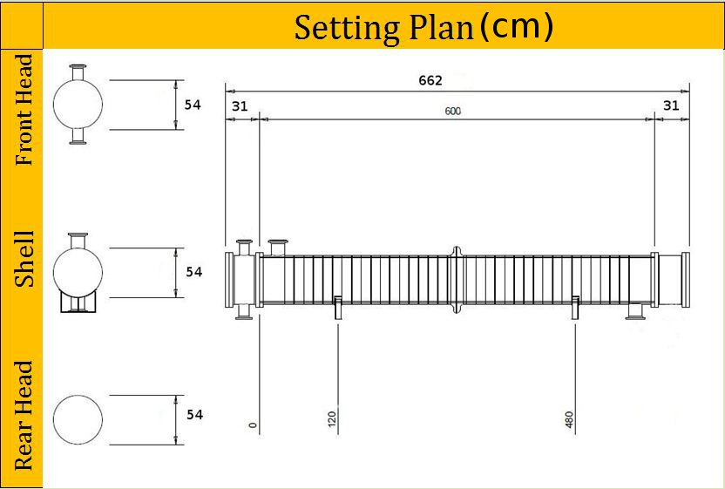

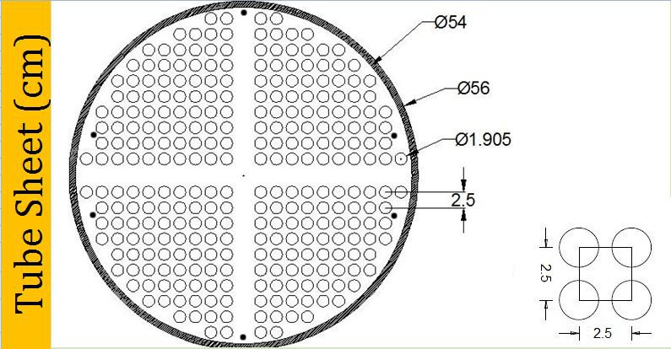

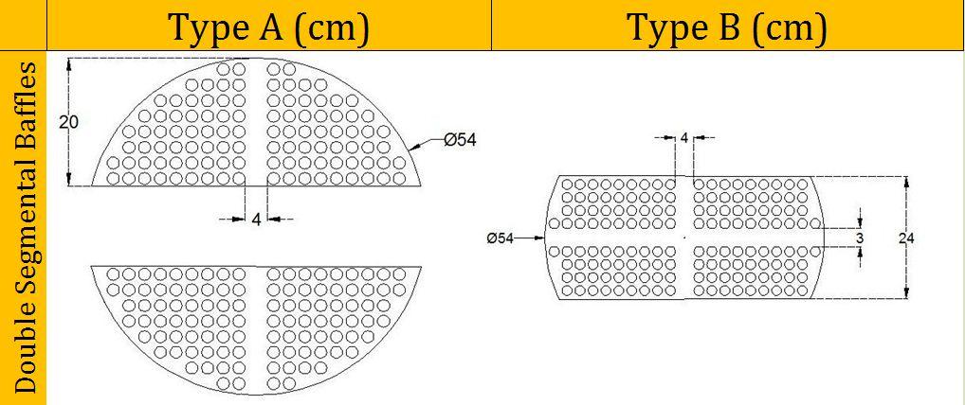

References

 | References
[1] | فرهادی، فتح‌اله؛ طراحی مبدل‌های پوسته و لوله‌ای به روش Bell، دانشکده‌ی مهندسی شیمی و نفت؛ دانشگاه صنعتی شریف
[2] | فرهادی، فتح‌اله؛ طراحی دستگاه‌های تبادل حرارتی و جرمی؛ دانشکده‌ی مهندسی شیمی و نفت؛ دانشگاه صنعتی شریف
[3] | Perry's Chemical Engineers' Handbook. Newyork: McGraw-hill; 1999
[4] | Schlunder, Ernst U.; Heat Exchanger Design Handbook; Dusseldorf: Hemisphere; 1983
[5] | Sinnott, R K; Chemical Engineering Design, Coulson & Richardson's Chemical Engineering Series; Oxford: Elsevier; 4th Ed. 2005
[6] | TEMA Standard; Newyork: TEMA; 9th Ed. 2007
[7] | Rules for Construction of Pressure Vesseles; ASME Sec. VIII Div. 1; American Society of Chemical Engineers; 1998
[8] | Peters M. & Timmerhaus K.; Plant Design and Economics for Chemical Engineers, Newyork: McGraw-hill; 5th Ed. 2002
[9] | Incropera, Fundamentals of Heat and Mass Transfer, Newyork: Wiley; 6th Ed. 2007
[10] | "Economic Indicators"; Chemical Engineering; Vol. 117 No.6, May 2010
[11] | Shah R.; Fundumental of Heat Exchanger Design; Newyork: Wiley; 2003
[12] | نوری، امین و ناظم‌زادگان، محمدرضا؛ پروژه‌ی درس طراحی دستگاه‌های تبادل حرارتی و جرمی
[13] | Smith, McCabe; Unit Operations of Chemical Engineering, Newyork: McGraw-hill; 7th Ed. 2007
[16] | Mukharjee, R.; "Effectively Design Shell-and-Tube Heat Exchangers"; Chemical Engineernig Progress; Feburary 1998
[17] | عابدینی، حامد و غفاری، محسن؛ پروژه‌ی درس طراحی دستگاه‌های تبادل حرارتی و جرمی
[18] | Mukharjee, R.; "Use Double-Segmental Baffles in Shell&Tube Heat Exchagers", Chemical Engineering Progress; November 1992
[19] | Trambouze, P. ; La rafinage du pétrole, Tome4. Matériels et équipments. Paris: Edition Technip; 1999
[20] | Megyesy E. F.; Pressure Vessle Handbook; Tulsa: Pressure Vessel Publishing; 10th Ed.

