TOTAL
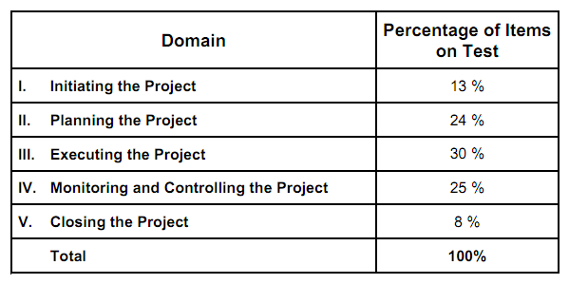

MILESTONE
RESEARCH ON PROJECT MANAGEMENT

 | POSITION |  | DATE
Project Start | 25 | 40931 | 1
Milestone 1 | 10 | 40963 | 1
Milestone 2 | -10 | 40963 | 1
Milestone 3 | 15 | 40969 | 1
Milestone 4 | -15 | 40983 | 1
Milestone 5 | 15 | 41044 | 1
Milestone 6 | -15 | 41075 | 1
Milestone 7 | 15 | 41090 | 1
Milestone 8 | -20 | 41105 | 1
Milestone 9 | 20 | 41120 | 1
Milestone 10 | -15 | 41205 | 1
Project End | 15 | 41274 | 1

Project Timeline Tips:
The role of the Position values in the Project Details table is to prevent the Milestone labels from overlapping each other on the timeline. Use positive numbers to position labels above the timeline and negative numbers to position them below.
To add additional Milestones, either insert new rows within the table or start typing below the last table entry and the table will automatically expand to accommodate your newly added data.
PROJECT DETAILS

DATE | MILESTONE | POSITION
2012-01-23 | Project Start | 25
2012-02-24 | Milestone 1 | 10
2012-02-24 | Milestone 2 | -10
2012-03-01 | Milestone 3 | 15
2012-03-15 | Milestone 4 | -15
2012-05-15 | Milestone 5 | 15
2012-06-15 | Milestone 6 | -15
2012-06-30 | Milestone 7 | 15
2012-07-15 | Milestone 8 | -20
2012-07-30 | Milestone 9 | 20
2012-10-23 | Milestone 10 | -15
2012-12-31 | Project End | 15

ADVISOR

5hrs/day

Sheet7
