PO
 | Me drinking coffee and kicking back
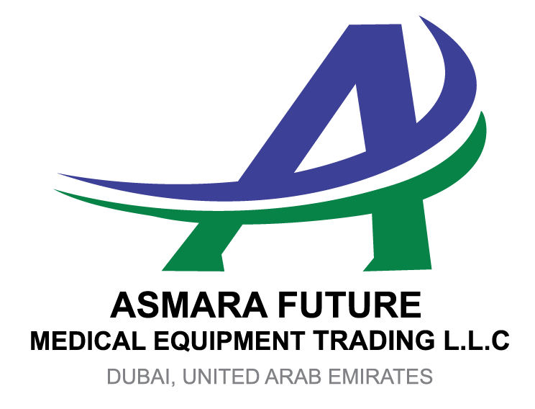
 |  |  | PURCHASE ORDER

 |  |  |  |  | Date : | 09 February 2019
 |  |  |  |  | Reference No: | MBBM-0237-CL

EXPORTER: |  |  |  | SHIP TO:
HOWELL CLEAN APPLIANCES (HK) LIMITED |  |  |  | COLORGRES BUILDING MATERIAL CO LTD
Hong Kong , China |  |  |  | Foshan, China

REPRESENTATIVE OF EXPORTER:
CGT COMMODITIES AND BUILDING MATERIALS
Dubai, U.A.E

SHIPMENT MODE |  | SHIPMENT TERMS |  | PAYMENT TERMS
BY SEA |  | EX FACTORY |  | 100% CASH ADVANCE

DESCRIPTION |  |  | QTY | UM | UNIT PRICE | AMOUNT
Thermal Insulation Building Construction Decorative Materials |  |  | 7088.00 | MS | AED 27.25 | AED 193,133.51
Gypsum Block Production Line |  |  | 15.00 | SETS | AED 101,657.77 | AED 1,524,866.49

Amount in words: |  |  |  |  | SUBTOTAL
One Million Seven Hundred Eighteen Thousand Dirhams Only |  |  |  |  | OTHERS
 |  |  |  |  | TOTAL
Packing: | Container
Origin: | Origin: China
Loading : | Loading: Hong Kong , China

Discharge : | Discharge: Foshan, China

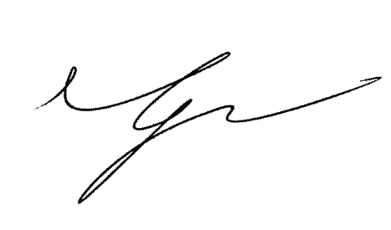
PREPARED BY:

_____________________________________

