PO
PURCHASE ORDER

 |  |  |  |  | Date : | datee
 |  |  |  |  | Reference No: | AAAA

EXPORTER: |  |  |  | SHIP TO:
exp |  |  |  | imp
expcity |  |  |  | impcity

REPRESENTATIVE OF EXPORTER:
repexp
repexpcity

SHIPMENT MODE |  | SHIPMENT TERMS |  | PAYMENT TERMS
BY SEA |  | EX FACTORY |  | 100% CASH ADVANCE

DESCRIPTION |  |  | QTY | UM | UNIT PRICE | AMOUNT
pname1 |  |  | qty1 | unit1 | unitp1 | amount1
pname2 |  |  | qty2 | unit2 | unitp2 | amount2
pname3 |  |  | qty3 | unit3 | unitp3 | amount3
pname4 |  |  | qty4 | unit4 | unitp4 | amount4
pname5 |  |  | qty5 | unit5 | unitp5 | amount5
Amount in words: |  |  |  |  | SUBTOTAL | AED -
amtoword |  |  |  |  | OTHERS
 |  |  |  |  | TOTAL | AED -
Packing: | Container

Origin: | origin1
Loading : | loading1
Discharge : | discharge1
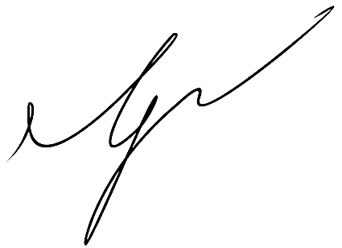
PREPARED BY:

_____________________________________

SQ
SALES QUOTATION

 |  |  |  | Date :
 |  |  |  | Reference #:

 |  | IMPORTER REPRESENTATIVE:

EXPORTER: |  | SHIP TO:

SHIPMENT MODE | SHIPMENT TERMS |  | PAYMENT TERMS
BY SEA | EX FACTORY |  | 100% CASH ADVANCE

DESCRIPTION |  | QTY | UM | UNIT PRICE | AMOUNT

Amount in words: |  |  |  | SUBTOTAL | AED -
Two Million Dirhams Only |  |  |  | OTHERS | -
 |  |  |  | TOTAL | AED -
Packing:
Origin:
Loading :
Discharge :

PREPARED BY:

_____________________________________

PI
PROFORMA INVOICE

 |  |  |  | Date :
 |  |  |  | Reference #:

 |  | BILL TO IMPORTER REPRESENTATIVE:

EXPORTER: |  | SHIP TO:

SHIPMENT MODE | SHIPMENT TERMS |  | PAYMENT TERMS
BY SEA | EX FACTORY |  | 100% CASH ADVANCE

DESCRIPTION |  | QTY | UM | UNIT PRICE | AMOUNT

Amount in words: |  |  |  | SUBTOTAL | AED -
Two Million Dirhams Only |  |  |  | OTHERS | -
 |  |  |  | TOTAL | AED -
Packing:
Origin:
Loading :
Discharge :

PREPARED BY:

_____________________________________

