YallaKora Bug Report
Bug_ID_Number | TC_ID NUMBER | TITLE | SUMMARY | Reproducible Steps | Attachments | Affected Devices | EXPECTED RESULT | ACTUAL RESULT | Issue Type | Severity | priority | Impact
1 | TC_09 | Unable to return to the matches page | When the user clicked on the calendar then he couldn't to return back to matches page even he click on return back button | 1-Open YallaKora application 2-Open the matches page(مباريات) 3-Open the calendar 4-Back to the matches page | 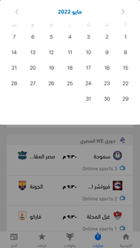 | 1.Iphone 7 plus(version 13) 2.Andriod Oppo Reno2(version 11) 3.Network: Wi-Fi connection | The calendar will be shown, and the user will be redirected to the matches page | the user couldn't be redirected to matches page | Functional | Major | High | Cauese confusion to user and bad user experience
2 | TC_13 | All Matches statistics are invalid | When user navigates to "مباريات" page and tries to see a brief about the match the statistics are invalid and do not make sense in most cases. | 1- Launch Yallakora app. 2- Click on " مباريات " button. 3- Go to date 25/4/2022 Monday. 4- Choose " الدوري الايطالي" . 5- Choose " ساسولو و يوفينتوس" 6- Go down the screen to " احصائيات ". | 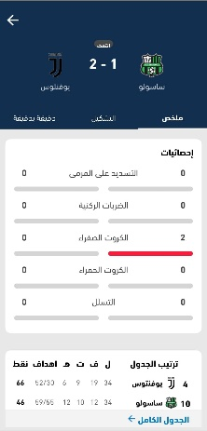 Issue | 1.Iphone 7 plus(version 13) 2.Andriod Oppo Reno2(version 11) 3.Network: Wi-Fi connection | Statistics must be filled correctly. | Statistics are all wrong. | Functional | Major | High | Impact business needs
3 | TC_14 | Teams have "دقيقة بدقيقة " feature empty | When user navigates to "مباريات" page and tries to see a brief about the match from "دقيقة بدقيقة " feature , it is empty. | 1-Open YallaKora application 2- Click on " مباريات " button. 3- Go to date 25/4/2022 Monday. 4- Choose " الدوري الايطالي" . 5- Choose " ساسولو و يوفينتوس" 6- Choose " دقيقة بدقيقة ". | 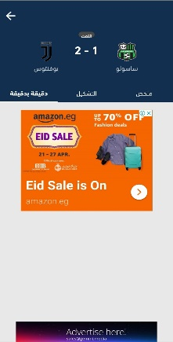 Issue | 1.Iphone 7 plus(version 13) 2.Andriod Oppo Reno2(version 11) 3.Network: Wi-Fi connection | A brief about the match should appear . | 1-Brief does not exist and is empty. | Functional | Major | High | Impact business needs
4 | TC_12 | Teams have "التشكيل " feature empty | When user navigates to "مباريات" page and tries to see a brief about the match from "التشكيل " feature , it is empty. | 1- Open Yallakora app. 2- Click on " مباريات " button. 3- Go to date 23/4/2022 Saturday. 4- Choose " دوري أبطال أفريقيا" . 5- Choose " الرجاء البيضاوي و الاأهلي " 6- Choose " التشكيل ". | 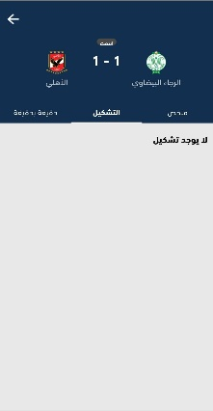 Issue | 1.Iphone 7 plus(version 13) 2.Andriod Oppo Reno2(version 11) 3.Network: Wi-Fi connection | 1- A brief about the match should appear . | 1-Brief does not exist and is empty. | Functional | Major | High | Impact business needs
5 | TC_16 | some teams haven't logo | When user navigates to "مباريات" page and tries to see that day natches there is a logo missing. | 1- Launch Yallakora app. 2- Click on " مباريات " button. 3- Go to date 26/4/2022 tuesday. 4- Choose " دوري أبطال اسا" . 5- Choose " الدحيل سباها | 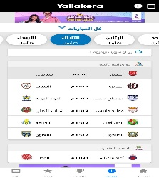 Issue | 1.Iphone 7 plus(version 13) 2.Andriod Oppo Reno2(version 11) 3.Network: Wi-Fi connection | 1- Logo should be next to team name | 1-no logo | UI | Minor | low | bad user experience
6 | TC_18 | "أهداف" is not recognized | When the user opened the matches page, he found that the details of the match aren’t shown clearly | 1-Open YallaKora application 2-Open championships page(بطولات) 3-Choose (الدوري الانجليزي) | 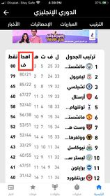 Issue | 1.Iphone 7 plus(version 13) 2.Andriod Oppo Reno2(version 11) 3.Network: Wi-Fi connection | The page will be opened, and the details of the matches will be shown | the details of the matches weren't shown clearly | UI, Functional | Major | High | impact buiness needs
7 | TC_17 | Team's name didn't displayed correctly | when user open championships , he found team's name diplayed incorrectly | 1-Open YallaKora application 2-Open the matches page (مباريات) 3- Check the teams names (مولودية) | 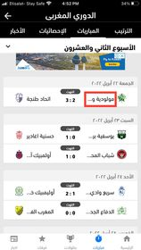 | 1.Iphone 7 plus(version 13) 2.Andriod Oppo Reno2(version 11) 3.Network: Wi-Fi connection | Team's name should displayed correctly | Team's name displayed incorrectly | UI | medium | High | bad user experience
8 | TC_21 | issue found team's order more than one digit not displayed correctly " |  | 1-Open YallaKora application 2-Open championships page(بطولات) 3-Choose (الدوري الانجليزي) 4-click on "مانشستر" | 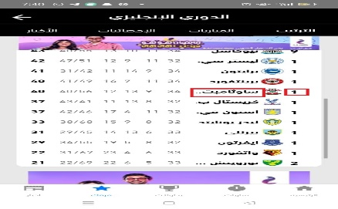 issue | 1.Iphone 7 plus(version 13) 2.Andriod Oppo Reno2(version 11) 3.Network: Wi-Fi connection | "مانشستر" should displayed correctly | "مانشستر" not displayed correctly | UI | major | High | bad user experience
9 | م | Confusiion In "موافق"button | When user navigates to "فرقك" page, tries to add his/her team and submits the team, The submit button " موافق " is not highlighted or in a different color which may cause confusion to the user. | 1- Launch Yallakora app. 2- Click on " فرقك " button. 3- Click on " أضف فريقك " button. 4- Click on " دوري أبطال أفريقيا " option. 5- Click on " الأهلي " option. | 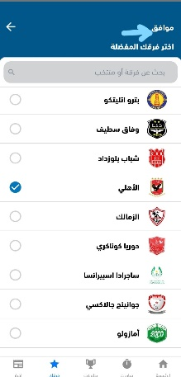 Issue | 1.Iphone 7 plus(version 13) 2.Andriod Oppo Reno2(version 11) 3.Network: Wi-Fi connection |  |  | UI | major | High | Cauese confusion to user and bad user experience.
10 |  |  | When user navigates to "فرقك" page and tries to add his/her team, The search bar indicates" بحث عن فرقة أو منتخب " but you can only search by Championship name | 1- Launch Yallakora app. 2- Click on " فرقك " button. 3- Click on " أضف فريقك " button. 4- Click on " دوري أبطال أفريقيا " option. 5- Click on " الأهلي " option. | 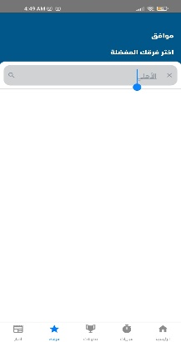 Issue | 1.Iphone 7 plus(version 13) 2.Andriod Oppo Reno2(version 11) 3.Network: Wi-Fi connection | 1- Results related to " الأهلي " must appear. | 1- No results appear at all | UI | Minor | High | Cauese confusion to user and bad user experience.
11 | TC_22 | Unable to see the team photos | When the user wanted to see the photos of players he couldn’t | 1-Open YallaKora application 2-Open the matches page (مباريات) 3-Click on the teams (ليفربول-فياريال) 4-Open all table (الجدول الكامل) 5-Open on the statistics page | 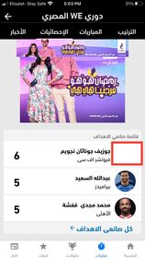 | 1.Iphone 7 plus(version 13) 2.Andriod Oppo Reno2(version 11) 3.Network: Wi-Fi connection | Player's Photo should be appeared | Player's Photo didn't appeare | UI | medium | High | user bad experience
12 | TC_24 | Unable to see the result clearly | When user navigates to "فرقك" page and tries to read team last 5 matches record that appears under team name and logo. The text is aligned to the bottom. | 1-Open YallaKora application 2-Open my team page (فرقك) 3-Add favorite teams | 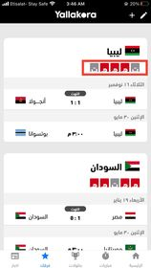 | 1.Iphone 7 plus(version 13) 2.Andriod Oppo Reno2(version 11) 3.Network: Wi-Fi connection | The results will be shown clearly |  | UI | Minor | Low
13 |  |  | When user navigates to "فرقك" page and tries to delete a team. If user uses the return button on phone it does not save the changes and no message appears to explain it. | 1- Launch Yallakora app. 2- Click on " فرقك " button. 3- " الأهلي " team information appear. 4- Click on "Edit" button at right top of screen(Pen-shaped button). 5- Click on "delete" button(Trash-shaped button) . 5- Use swipe return. |  | 1.Iphone 7 plus(version 13) 2.Andriod Oppo Reno2(version 11) 3.Network: Wi-Fi connection |  |  |  |  |  | Cauese confusion to user and bad user experienc
14 |  | Too much Ads |  |  |  | 1.Iphone 7 plus(version 13) 2.Andriod Oppo Reno2(version 11) 3.Network: Wi-Fi connection |  |  | UI | medium | medium
15 |  | Time Zone Not defined |  |  |  | 1.Iphone 7 plus(version 13) 2.Andriod Oppo Reno2(version 11) 3.Network: Wi-Fi connection |  |  | Functional | Major | High

