Newton-Raphson
Newton-Raphson
X | Y
50 | 1
5.443358373 | 27.053625368
0.21596501777 | 11.51548957
0.087735908568 | 4.4877271259
0.11203594314 | 1.7452130606
0.2324902218 | 0.68317027414
0.58620143552 | 0.27308764287
1.5950143943 | 0.11594875123
4.4677593908 | 0.058585403922
12.633902019 | 0.049491777953
35.418241694 | 0.21334546957

forward_euler
X | Y
50 | 1
53.75 | 1.4
Forward Euler
57.24375 | 2.0125
60.088048828 | 2.9632804688
61.645410173 | 4.4475298369
60.955706165 | 6.7444748637
56.77342108 | 10.181169658
48.000267387 | 14.943251012
34.86829302 | 20.621726353
20.379012395 | 25.749997689
9.2979255829 | 28.422593141
3.6209392438 | 28.223045386
1.4281848528 | 26.422680173
0.62759154823 | 24.157776872
0.31132028833 | 21.89361135
0.17205418221 | 19.772409469
0.10421145689 | 17.82918778
0.068182461737 | 16.064849058
0.047617184005 | 14.469317562
0.035154198486 | 13.029275687
0.027218774744 | 11.730928456
0.021958114739 | 10.561028625
0.018356419255 | 9.5072447657
0.015829086908 | 8.5582654788
0.014025257398 | 7.7037936262
0.012726590924 | 6.9344947405
0.011792938071 | 6.2419277912
0.011131965181 | 5.6184711188
0.010681546077 | 5.0572494531
0.010399219608 | 4.5520647003
0.010255693557 | 4.0973316094
0.010230738478 | 3.6880186583
0.010310533466 | 3.319594104
0.01048591716 | 2.9879769614
0.010751216904 | 2.6894925821
0.011103455641 | 2.4208324771
0.011541811055 | 2.1790180254
0.012067246802 | 1.961367721
0.012682263773 | 1.765467632
0.013390736996 | 1.5891447701
0.014197815204 | 1.4304430913
0.015109867557 | 1.2876018738
0.016134466969 | 1.1590362414
0.017280402867 | 1.0433196215
0.018557718569 | 0.93916794922
0.019977770063 | 0.84542544244
0.021553304192 | 0.76105179535
0.02329855509 | 0.68511064762
0.025229358395 | 0.61675920374
0.02736328326 | 0.55523888776

leapfrog
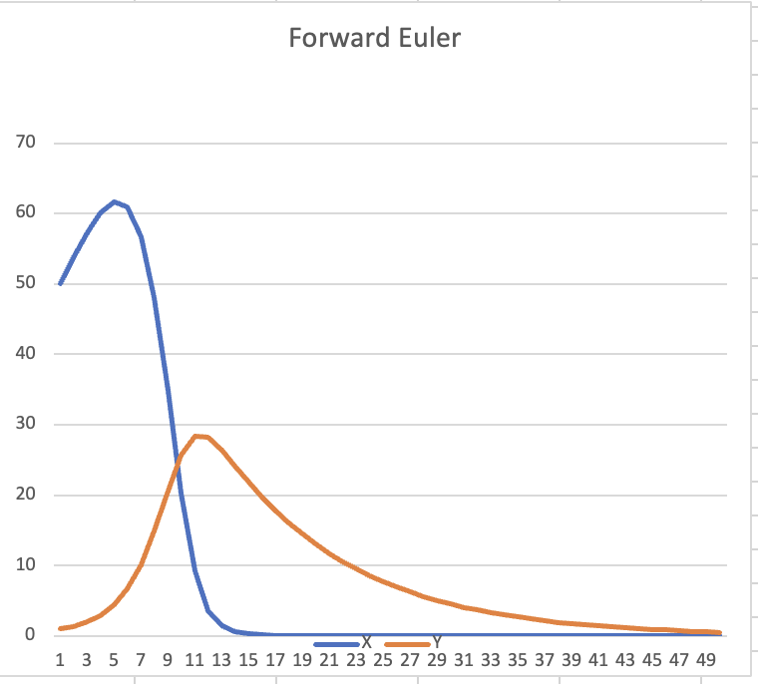
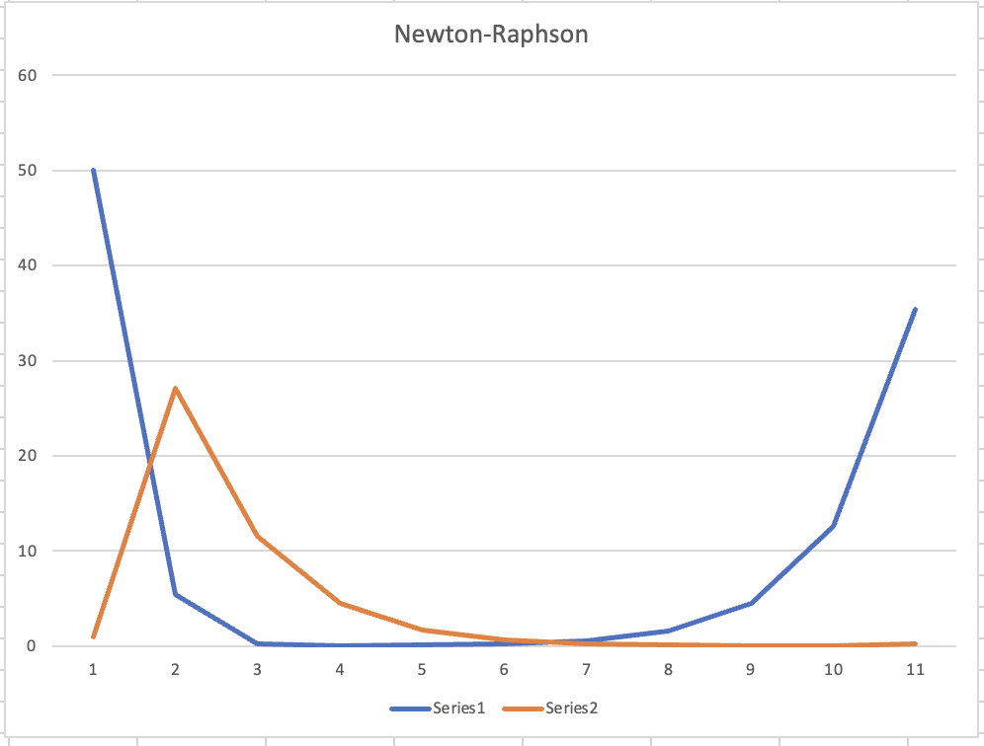
Leap Frog Simulation
X | Y
50 | 1
53.75 | 1.4
56.9875 | 2.225
58.807640625 | 3.49094375
58.48431985 | 5.6326945598
54.033289082 | 8.9528910432
45.103270174 | 13.517199348
32.570448407 | 18.442849058
21.58276667 | 21.842466811
13.315958507 | 23.502772989
8.5978608756 | 23.401151211
4.9755385597 | 22.846539596
3.9092766519 | 21.105320067
1.6320671417 | 20.275606282
2.5811325407 | 17.712021826

