CDC_Surface_Annexes_inf9
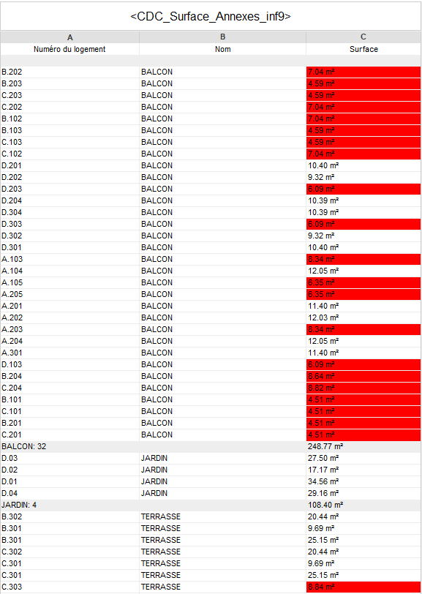
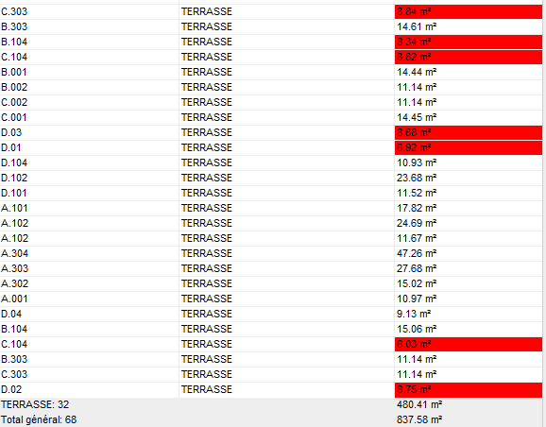
Numéro du logement | Nom | Surface
B.202 | BALCON | 7.04
B.203 | BALCON | 4.59
C.203 | BALCON | 4.59
C.202 | BALCON | 7.04
B.102 | BALCON | 7.04
B.103 | BALCON | 4.59
C.103 | BALCON | 4.59
C.102 | BALCON | 7.04
D.201 | BALCON | 10.40
D.202 | BALCON | 9.32
D.203 | BALCON | 6.09
D.204 | BALCON | 10.39
D.304 | BALCON | 10.39
D.303 | BALCON | 6.09
D.302 | BALCON | 9.32
D.301 | BALCON | 10.40
A.103 | BALCON | 8.34
A.104 | BALCON | 12.05
A.105 | BALCON | 6.35
A.205 | BALCON | 6.35
A.201 | BALCON | 11.40
A.202 | BALCON | 12.03
A.203 | BALCON | 8.34
A.204 | BALCON | 12.05
A.301 | BALCON | 11.40
D.103 | BALCON | 6.09
B.204 | BALCON | 8.64
C.204 | BALCON | 8.82
B.101 | BALCON | 4.51
C.101 | BALCON | 4.51
B.201 | BALCON | 4.51
C.201 | BALCON | 4.51
BALCON: 32 |  | 248.77
D.03 | JARDIN | 27.50
D.02 | JARDIN | 17.17
D.01 | JARDIN | 34.56
D.04 | JARDIN | 29.16
JARDIN: 4 |  | 108.40
B.302 | TERRASSE | 20.44
B.301 | TERRASSE | 9.69
B.301 | TERRASSE | 25.15
C.302 | TERRASSE | 20.44
C.301 | TERRASSE | 9.69
C.301 | TERRASSE | 25.15
C.303 | TERRASSE | 8.84
B.303 | TERRASSE | 14.61
B.104 | TERRASSE | 8.34
C.104 | TERRASSE | 8.82
B.001 | TERRASSE | 14.44
B.002 | TERRASSE | 11.14
C.002 | TERRASSE | 11.14
C.001 | TERRASSE | 14.45
D.03 | TERRASSE | 8.68
D.01 | TERRASSE | 6.92
D.104 | TERRASSE | 10.93
D.102 | TERRASSE | 23.68
D.101 | TERRASSE | 11.52
A.101 | TERRASSE | 17.82
A.102 | TERRASSE | 24.69
A.102 | TERRASSE | 11.67
A.304 | TERRASSE | 47.26
A.303 | TERRASSE | 27.68
A.302 | TERRASSE | 15.02
A.001 | TERRASSE | 10.97
D.04 | TERRASSE | 9.13
B.104 | TERRASSE | 15.06
C.104 | TERRASSE | 6.03
B.303 | TERRASSE | 11.14
C.303 | TERRASSE | 11.14
D.02 | TERRASSE | 8.75
TERRASSE: 32 |  | 480.41
Total général: 68 |  | 837.58

