Sheet1
Row Labels | Count of WinningTeam
Rising Pune Supergiants | 0.5%
Kochi Tuskers Kerala | 0.6%
Lucknow Super Giants | 1.0%
Rising Pune Supergiant | 1.1%
Gujarat Titans | 1.3%
Pune Warriors | 1.3%
Punjab Kings | 1.4%
Gujarat Lions | 1.4%
Deccan Chargers | 3.1%
Delhi Capitals | 3.8%
Delhi Daredevils | 7.1%
Sunrisers Hyderabad | 7.9%
Kings XI Punjab | 9.3%
Rajasthan Royals | 10.1%
Royal Challengers Bangalore | 11.5%
Kolkata Knight Riders | 12.1%
Chennai Super Kings | 12.8%
Mumbai Indians | 13.8%
Grand Total | 100.0%

Sheet2
Row Labels | Count of Player_of_Match
SK Raina | 14
V Kohli | 14
KA Pollard | 14
YK Pathan | 16
SR Watson | 16
MS Dhoni | 17
RG Sharma | 18
DA Warner | 18
CH Gayle | 22
AB de Villiers | 25
Grand Total | 174

Sheet3
TossDecision | bat

Row Labels | Count of WinningTeam
Dr DY Patil Sports Academy, Mumbai | 3
Zayed Cricket Stadium, Abu Dhabi | 3
JSCA International Stadium Complex | 3
Buffalo Park | 3
Saurashtra Cricket Association Stadium | 3
Brabourne Stadium, Mumbai | 3
Shaheed Veer Narayan Singh International Stadium | 3
Newlands | 4
MA Chidambaram Stadium, Chepauk, Chennai | 5
Dr. Y.S. Rajasekhara Reddy ACA-VDCA Cricket Stadium | 5
Rajiv Gandhi International Stadium | 5
Sardar Patel Stadium, Motera | 6
Arun Jaitley Stadium | 6
Brabourne Stadium | 6
SuperSport Park | 6
Dr DY Patil Sports Academy | 7
Wankhede Stadium, Mumbai | 7
St George's Park | 7
M Chinnaswamy Stadium | 8
Sharjah Cricket Stadium | 8
Kingsmead | 10
Punjab Cricket Association Stadium, Mohali | 14
Subrata Roy Sahara Stadium | 15
Sheikh Zayed Stadium | 15
Sawai Mansingh Stadium | 19
Dubai International Cricket Stadium | 19
Wankhede Stadium | 22
Rajiv Gandhi International Stadium, Uppal | 23
Feroz Shah Kotla | 25
Eden Gardens | 28
MA Chidambaram Stadium, Chepauk | 34
Grand Total | 325

Sheet4
TossDecision | field

Row Labels | Count of WinningTeam
M Chinnaswamy Stadium | 55
Wankhede Stadium | 51
Eden Gardens | 49
Feroz Shah Kotla | 34
Sawai Mansingh Stadium | 28
Dubai International Cricket Stadium | 27
Rajiv Gandhi International Stadium, Uppal | 26
Wankhede Stadium, Mumbai | 24
Punjab Cricket Association Stadium, Mohali | 21
Sharjah Cricket Stadium | 20
Maharashtra Cricket Association Stadium | 20
Dr DY Patil Sports Academy, Mumbai | 17
Brabourne Stadium, Mumbai | 14
Sheikh Zayed Stadium | 14
MA Chidambaram Stadium, Chepauk | 14
M.Chinnaswamy Stadium | 13
Maharashtra Cricket Association Stadium, Pune | 11
Dr DY Patil Sports Academy | 10
Rajiv Gandhi International Stadium | 10
Punjab Cricket Association IS Bindra Stadium, Mohali | 9
Punjab Cricket Association IS Bindra Stadium | 9
Himachal Pradesh Cricket Association Stadium | 8
Dr. Y.S. Rajasekhara Reddy ACA-VDCA Cricket Stadium | 8
Arun Jaitley Stadium | 8
Holkar Cricket Stadium | 8
Grand Total | 508

Sheet6
 | 2007 | 2009 | 2011 | 2012 | 2013 | 2014 | 2015 | 2016 | 2017 | 2018 | 2019 | 2021
AB de Villiers |  | 2 | 1 | 3 | 1 | 2 | 2 | 4 |  | 3 | 2 | 2
CH Gayle |  | 1 | 6 | 5 | 3 |  | 2 |  | 1 | 2 | 1
DA Warner |  | 1 | 1 | 1 | 2 | 2 | 4 | 3 | 1 |  | 2
KA Pollard |  | 2 | 1 | 1 | 3 |  | 1 |  | 1 |  | 1 | 3
MS Dhoni | 2 | 3 | 1 | 1 | 3 | 1 |  | 1 | 1 | 1 | 3
RG Sharma |  | 3 |  | 2 | 2 | 1 | 1 | 4 | 1 | 2 | 1
SK Raina | 1 | 3 | 1 | 1 | 2 | 2 | 2 | 1 | 1
SR Watson | 4 |  | 1 | 2 | 1 |  | 1 | 1 |  | 3 | 2
V Kohli |  |  | 2 |  | 3 |  | 1 | 5 |  |  | 1
YK Pathan | 4 | 5 | 2 | 1 | 1 | 1 |  | 2
Count of Player_of_Match | Column Labels
Row Labels | 2007 | 2009 | 2011 | 2012 | 2013 | 2014 | 2015 | 2016 | 2017 | 2018 | 2019 | 2021 | 2022 | 2020/21 | Grand Total
AB de Villiers |  | 2 | 1 | 3 | 1 | 2 | 2 | 4 |  | 3 | 2 | 2 |  | 3 | 25
CH Gayle |  | 1 | 6 | 5 | 3 |  | 2 |  | 1 | 2 | 1 |  |  | 1 | 22
DA Warner |  | 1 | 1 | 1 | 2 | 2 | 4 | 3 | 1 |  | 2 |  | 1 |  | 18
KA Pollard |  | 2 | 1 | 1 | 3 |  | 1 |  | 1 |  | 1 | 3 |  | 1 | 14
MS Dhoni | 2 | 3 | 1 | 1 | 3 | 1 |  | 1 | 1 | 1 | 3 |  |  |  | 17
RG Sharma |  | 3 |  | 2 | 2 | 1 | 1 | 4 | 1 | 2 | 1 |  |  | 1 | 18
SK Raina | 1 | 3 | 1 | 1 | 2 | 2 | 2 | 1 | 1 |  |  |  |  |  | 14
SR Watson | 4 |  | 1 | 2 | 1 |  | 1 | 1 |  | 3 | 2 |  |  | 1 | 16
V Kohli |  |  | 2 |  | 3 |  | 1 | 5 |  |  | 1 |  | 1 | 1 | 14
YK Pathan | 4 | 5 | 2 | 1 | 1 | 1 |  | 2 |  |  |  |  |  |  | 16
Grand Total | 11 | 20 | 16 | 17 | 21 | 9 | 14 | 21 | 6 | 11 | 13 | 5 | 2 | 8 | 174

Dashboard
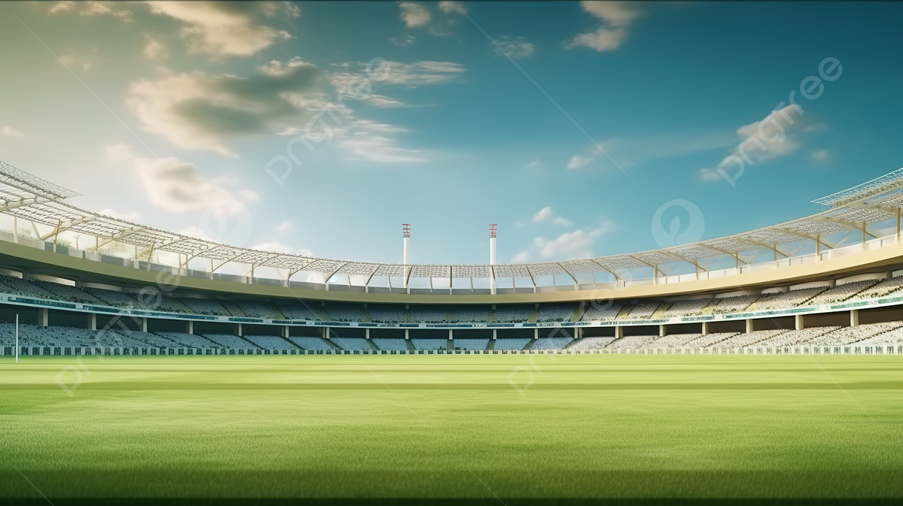
Winning Teams %age
 | Total
Rising Pune Supergiants | 0.5%
Kochi Tuskers Kerala | 0.6%
Lucknow Super Giants | 1.0%
Rising Pune Supergiant | 1.1%
Gujarat Titans | 1.3%
Pune Warriors | 1.3%
Punjab Kings | 1.4%
Gujarat Lions | 1.4%
Deccan Chargers | 3.1%
Delhi Capitals | 3.8%
Delhi Daredevils | 7.1%
Sunrisers Hyderabad | 7.9%
Kings XI Punjab | 9.3%
Rajasthan Royals | 10.1%
Royal Challengers Bangalore | 11.5%
Kolkata Knight Riders | 12.1%
Chennai Super Kings | 12.8%
Mumbai Indians | 13.8%
Most Player of the Matches
 | Total
SK Raina | 14
V Kohli | 14
KA Pollard | 14
YK Pathan | 16
SR Watson | 16
MS Dhoni | 17
RG Sharma | 18
DA Warner | 18
CH Gayle | 22
AB de Villiers | 25

Venue resulting in a win for Bat first
 | Total
Dr DY Patil Sports Academy, Mumbai | 3
Zayed Cricket Stadium, Abu Dhabi | 3
JSCA International Stadium Complex | 3
Buffalo Park | 3
Saurashtra Cricket Association Stadium | 3
Brabourne Stadium, Mumbai | 3
Shaheed Veer Narayan Singh International Stadium | 3
Newlands | 4
MA Chidambaram Stadium, Chepauk, Chennai | 5
Dr. Y.S. Rajasekhara Reddy ACA-VDCA Cricket Stadium | 5
Rajiv Gandhi International Stadium | 5
Sardar Patel Stadium, Motera | 6
Arun Jaitley Stadium | 6
Brabourne Stadium | 6
SuperSport Park | 6
Dr DY Patil Sports Academy | 7
Wankhede Stadium, Mumbai | 7
St George's Park | 7
M Chinnaswamy Stadium | 8
Sharjah Cricket Stadium | 8
Kingsmead | 10
Punjab Cricket Association Stadium, Mohali | 14
Subrata Roy Sahara Stadium | 15
Sheikh Zayed Stadium | 15
Sawai Mansingh Stadium | 19
Dubai International Cricket Stadium | 19
Wankhede Stadium | 22
Rajiv Gandhi International Stadium, Uppal | 23
Feroz Shah Kotla | 25
Eden Gardens | 28
MA Chidambaram Stadium, Chepauk | 34
Most Valuable Players by Season
 | 2007 | 2009 | 2011 | 2012 | 2013 | 2014 | 2015 | 2016 | 2017 | 2018 | 2019 | 2021
AB de Villiers |  | 2 | 1 | 3 | 1 | 2 | 2 | 4 |  | 3 | 2 | 2
CH Gayle |  | 1 | 6 | 5 | 3 |  | 2 |  | 1 | 2 | 1
DA Warner |  | 1 | 1 | 1 | 2 | 2 | 4 | 3 | 1 |  | 2
KA Pollard |  | 2 | 1 | 1 | 3 |  | 1 |  | 1 |  | 1 | 3
MS Dhoni | 2 | 3 | 1 | 1 | 3 | 1 |  | 1 | 1 | 1 | 3
RG Sharma |  | 3 |  | 2 | 2 | 1 | 1 | 4 | 1 | 2 | 1
SK Raina | 1 | 3 | 1 | 1 | 2 | 2 | 2 | 1 | 1
SR Watson | 4 |  | 1 | 2 | 1 |  | 1 | 1 |  | 3 | 2
V Kohli |  |  | 2 |  | 3 |  | 1 | 5 |  |  | 1
YK Pathan | 4 | 5 | 2 | 1 | 1 | 1 |  | 2

