UnemploymentReport
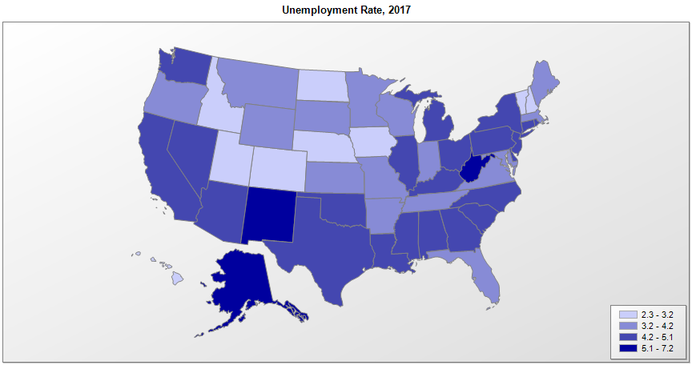
 |  | Unemployment Rate (percent)
FIPS | Name | 2008 | 2009 | 2010 | 2011 | 2012 | 2013 | 2014 | 2015 | 2017 | Median Household Income (2016)
01000 | Alabama | 5.7 | 11.0 | 10.5 | 9.6 | 8.0 | 7.2 | 6.8 | 6.1 | 5.9 | $46,309
02000 | Alaska | 6.7 | 7.7 | 7.9 | 7.6 | 7.1 | 7.0 | 6.9 | 6.5 | 6.9 | $76,144
04000 | Arizona | 6.2 | 9.9 | 10.4 | 9.5 | 8.3 | 7.7 | 6.8 | 6.1 | 5.4 | $53,481
05000 | Arkansas | 5.5 | 7.8 | 8.2 | 8.3 | 7.6 | 7.2 | 6.0 | 5.0 | 3.9 | $44,406
06000 | California | 7.3 | 11.2 | 12.2 | 11.7 | 10.4 | 8.9 | 7.5 | 6.2 | 5.5 | $67,715
08000 | Colorado | 4.8 | 7.3 | 8.7 | 8.4 | 7.9 | 6.9 | 5.0 | 3.9 | 3.3 | $65,718
09000 | Connecticut | 5.7 | 7.9 | 9.1 | 8.8 | 8.3 | 7.8 | 6.6 | 5.7 | 5.1 | $73,380
10000 | Delaware | 4.9 | 8.3 | 8.4 | 7.5 | 7.2 | 6.7 | 5.7 | 4.9 | 4.5 | $62,112
11000 | District of Columbia | 6.5 | 9.3 | 9.4 | 10.2 | 9.0 | 8.5 | 7.8 | 6.9 | 6.1 | $74,093
12000 | Florida | 6.3 | 10.4 | 11.1 | 10.0 | 8.5 | 7.2 | 6.3 | 5.5 | 4.8 | $50,857
13000 | Georgia | 6.2 | 9.9 | 10.5 | 10.2 | 9.2 | 8.2 | 7.1 | 6.0 | 5.4 | $53,468
15000 | Hawaii | 4.3 | 7.2 | 6.9 | 6.8 | 6.0 | 4.9 | 4.4 | 3.6 | 2.9 | $74,659
16000 | Idaho | 5.1 | 8.8 | 9.0 | 8.3 | 7.2 | 6.1 | 4.9 | 4.2 | 3.8 | $51,647
17000 | Illinois | 6.3 | 10.2 | 10.4 | 9.7 | 9.0 | 9.0 | 7.1 | 6.0 | 5.8 | $60,977
18000 | Indiana | 5.9 | 10.3 | 10.4 | 9.1 | 8.3 | 7.7 | 6.0 | 4.8 | 4.4 | $52,289
19000 | Iowa | 4.2 | 6.4 | 6.0 | 5.5 | 5.0 | 4.7 | 4.2 | 3.8 | 3.6 | $56,354
20000 | Kansas | 4.6 | 6.9 | 7.1 | 6.5 | 5.7 | 5.3 | 4.5 | 4.2 | 4.0 | $54,828
21000 | Kentucky | 6.4 | 10.3 | 10.2 | 9.4 | 8.2 | 8.0 | 6.5 | 5.3 | 5.1 | $46,610
22000 | Louisiana | 4.9 | 6.8 | 8.0 | 7.8 | 7.1 | 6.7 | 6.4 | 6.3 | 6.0 | $45,374
23000 | Maine | 5.5 | 8.1 | 8.1 | 7.9 | 7.5 | 6.6 | 5.6 | 4.4 | 3.8 | $52,926
24000 | Maryland | 4.2 | 7.0 | 7.7 | 7.2 | 7.0 | 6.6 | 5.8 | 5.1 | 4.4 | $78,787
25000 | Massachusetts | 5.5 | 8.1 | 8.3 | 7.3 | 6.7 | 6.7 | 5.7 | 4.8 | 3.9 | $75,207
26000 | Michigan | 8.0 | 13.7 | 12.6 | 10.4 | 9.1 | 8.8 | 7.2 | 5.4 | 5.0 | $52,436
27000 | Minnesota | 5.4 | 7.8 | 7.4 | 6.5 | 5.6 | 5.0 | 4.2 | 3.7 | 3.9 | $65,583
28000 | Mississippi | 6.6 | 9.5 | 10.4 | 10.0 | 9.0 | 8.5 | 7.5 | 6.4 | 5.8 | $41,793
29000 | Missouri | 6.1 | 9.3 | 9.6 | 8.5 | 6.9 | 6.7 | 6.1 | 5.0 | 4.6 | $51,713
30000 | Montana | 5.1 | 6.8 | 7.3 | 6.9 | 6.0 | 5.4 | 4.7 | 4.2 | 4.1 | $50,265
31000 | Nebraska | 3.3 | 4.6 | 4.6 | 4.4 | 4.0 | 3.8 | 3.3 | 3.0 | 3.1 | $56,979
32000 | Nevada | 6.7 | 11.3 | 13.5 | 13.0 | 11.2 | 9.6 | 7.9 | 6.8 | 5.7 | $55,201
33000 | New Hampshire | 3.9 | 6.2 | 5.8 | 5.4 | 5.5 | 5.1 | 4.3 | 3.4 | 2.9 | $70,986
34000 | New Jersey | 5.3 | 9.1 | 9.5 | 9.3 | 9.3 | 8.2 | 6.8 | 5.8 | 5.0 | $76,212
35000 | New Mexico | 4.5 | 7.5 | 8.1 | 7.5 | 7.1 | 6.9 | 6.7 | 6.5 | 6.7 | $46,844
36000 | New York | 5.4 | 8.3 | 8.6 | 8.3 | 8.5 | 7.7 | 6.3 | 5.3 | 4.8 | $62,700
37000 | North Carolina | 6.1 | 10.6 | 10.9 | 10.3 | 9.3 | 8.0 | 6.3 | 5.7 | 5.1 | $50,595
38000 | North Dakota | 3.2 | 4.1 | 3.8 | 3.5 | 3.1 | 2.9 | 2.7 | 2.8 | 3.1 | $61,898
39000 | Ohio | 6.4 | 10.3 | 10.3 | 8.8 | 7.4 | 7.5 | 5.8 | 4.9 | 5.0 | $52,357
40000 | Oklahoma | 3.7 | 6.4 | 6.8 | 5.9 | 5.2 | 5.3 | 4.5 | 4.4 | 4.8 | $49,204
41000 | Oregon | 6.5 | 11.3 | 10.6 | 9.5 | 8.8 | 7.9 | 6.8 | 5.6 | 4.8 | $57,379
42000 | Pennsylvania | 5.3 | 8.0 | 8.5 | 7.9 | 7.8 | 7.4 | 5.9 | 5.3 | 5.4 | $56,897
44000 | Rhode Island | 7.8 | 11.0 | 11.2 | 11.0 | 10.4 | 9.3 | 7.7 | 6.0 | 5.2 | $60,046
45000 | South Carolina | 6.8 | 11.2 | 11.2 | 10.6 | 9.2 | 7.6 | 6.5 | 6.0 | 5.0 | $49,587
46000 | South Dakota | 3.1 | 4.9 | 5.0 | 4.7 | 4.3 | 3.8 | 3.4 | 3.1 | 3.0 | $54,926
47000 | Tennessee | 6.6 | 10.5 | 9.7 | 9.0 | 7.8 | 7.8 | 6.6 | 5.6 | 4.7 | $48,506
48000 | Texas | 4.8 | 7.6 | 8.1 | 7.8 | 6.7 | 6.3 | 5.1 | 4.4 | 4.6 | $56,583
49000 | Utah | 3.6 | 7.3 | 7.8 | 6.7 | 5.4 | 4.6 | 3.8 | 3.6 | 3.4 | $65,931
50000 | Vermont | 4.7 | 6.6 | 6.1 | 5.5 | 5.0 | 4.4 | 4.0 | 3.6 | 3.2 | $57,661
51000 | Virginia | 3.9 | 6.7 | 7.1 | 6.6 | 6.1 | 5.7 | 5.2 | 4.5 | 4.1 | $68,127
53000 | Washington | 5.4 | 9.2 | 10.0 | 9.3 | 8.1 | 7.0 | 6.1 | 5.7 | 5.3 | $67,064
54000 | West Virginia | 4.3 | 7.7 | 8.7 | 8.1 | 7.5 | 6.8 | 6.6 | 6.7 | 6.1 | $43,175
55000 | Wisconsin | 4.9 | 8.6 | 8.7 | 7.8 | 7.0 | 6.7 | 5.4 | 4.5 | 4.0 | $56,808
56000 | Wyoming | 3.1 | 6.3 | 6.4 | 5.8 | 5.3 | 4.7 | 4.1 | 4.3 | 5.3 | $61,686
72000 | Puerto Rico | 11.8 | 15.3 | 16.4 | 16.0 | 14.5 | 14.3 | 13.9 | 12.0 | 11.8

Sources: Bureau of Labor Statistics, Local Area Unemployment Statistics (LAUS) data. Census Bureau, Small Area Income and Poverty Estimates (SAIPE) Program

