Sheet2
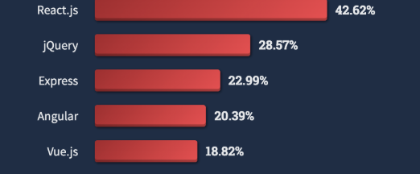
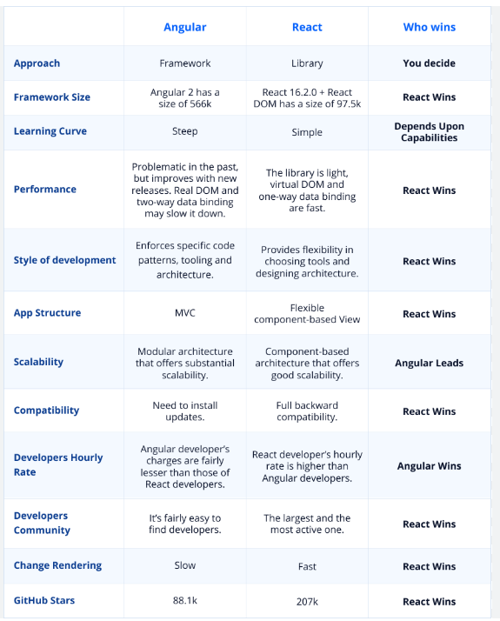
 |  |  | Frontend
options | pros | cons | cost | ReadyNess
React Js | 1.Virtual DOM for Efficient Updates 2.Component-Based Architecture 3.Optimized Rendering with React.memo 4.Lazy Loading and Code Splitting | 1.Overhead from Abstractions 2.Large Initial Bundle Size 3.Frequent Re-renders 4 Need Performance Optimization | Open Source | 80%
Angular | j1.Efficient Data Binding 2.Ahead-of-Time (AOT) Compilation 3.Lazy Loading 4.Tree Shaking | 1.Bundle Size Overhead 2.Digest Cycle (Change Detection) 3.Learning Curve 4.Initial Load Time | Open Source | need to learn

Sheet1
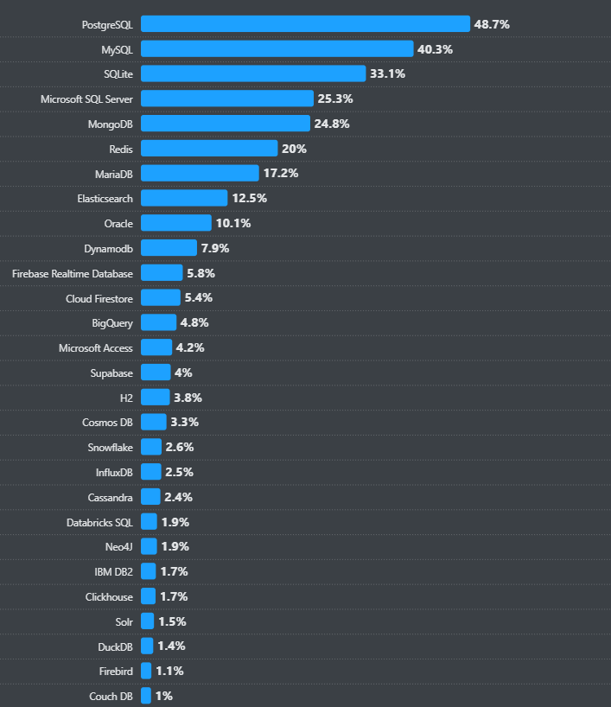
 |  | DataBase
options | pros | cons | cost | readyness
mysql | 1.High Read Performance 2.Scalable Architecture 3.In-Memory Caching 4.Lightweight Resource Utilization | 1.Performance Bottlenecks for Heavy Loads 2.Challenges for Complex Queries 3.Replication Delays 4.Limited Parallelism | 1.MySQL Community Edition: free 2.Enterprise Edition -: 1-4 socket server: $5,350/year | 80%
MongoDb | 1.High Write Performance 2.Horizontal Scalability 3.Flexible Schema 4.Efficient Query Execution | 1.Limited ACID Transactions 2.High Memory Usage 3.Complex Sharding Maintenance 4.Potential for Write Conflicts | 1.Multi-Region Clusters: Starts at $95/month 2.Dedicated Clusters: Starts at $57/month, | 60%
postgresSql | 1.High Performance with Complex Queries 2.Multiversion Concurrency Control 3.Horizontal and Vertical Scalability 4.Extensibility and Customization | 1.Write-Heavy Workload Overhead 2.Resource-Intensive 3.Replication Latency 4.Sharding Complexity | There is no fee, even for use in commercial software products. | 75%
AmazoneRedShift | 1.High Read Performance 2.Scalable Architecture 3.Columnar Storage 4.Result Caching | 1.Performance Degradation Under High Concurrency 2.Data Loading Delays 3.Vacuum and Analyze Overhead 4.Limited Real-Time Data Support | 1.tral version 2.ra3.16xlarge 8.00 GB/s $13.04 per Hour and many more | need to explore
BigQuery | 1.High Read Performance 2.Optimized Query Performance 3.Serverless Architecture 4.Integration with ETL Tools | 1.Cost with High Data Loads 2.Latency for Small Queries 3.Complex Query Performance Tuning 4.Data Load Constraints | $306 per TB per month for storage AND unlimited processing on that storage | need to explore
SnowFlake | 1.Elastic Scaling 2.High Concurrency Handling 3.Automatic Query Optimization 4.Efficient Data Partitioning | 1.Cold Start Latency 2.Cost for Heavy Workloads 3.Complex Query Bottlenecks 4.Storage and Query Dependency | 1.Snowflake charges a monthly fee for data stored in the platform 2.$23/TB | need to explore
Cassandra | 1.High Write Throughput 2.Linear Scalability 3.Low Latency Reads and Writes 4.Fault Tolerance | 1.Read Performance Can Degrade 2.High Latency for Coordination 3.Maintenance of Large Clusters 4.Inefficiency with Small Data Loads | 1.Apache Cassandra is a free and open-source | need to explore

Sheet3
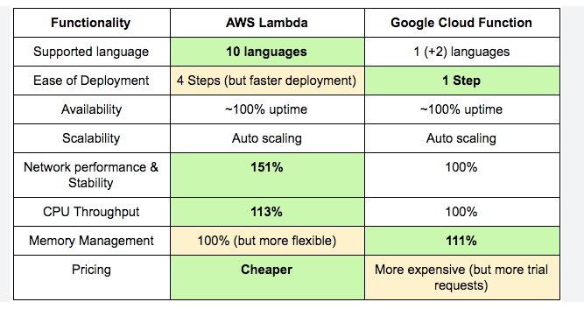
 |  |  | Back-End
options | pros | cons | cost | readyness
Node js | 1.Event-Driven Non-Blocking I/O 2.Scalability 3.Single Language for Full-Stack Development 4.Rich Ecosystem with NPM | 1.Single-Threaded Nature 2.Callback Hell 3.Memory Management 4.Overhead for Simple Tasks | open source | 80%
Aws Lamda | 1.Scalability 2.Reduced Latency for Short Tasks 3.Cost-Effective for Variable Workloads 4.High Availability | 1.Cold Start Latency 2.Execution Time Limits 3.Limited Concurrent Executions 4.Overhead for High-Throughput Workloads | $0.20 per million requests, with the first 1 million requests per month free as part of the free tier | Need to learn
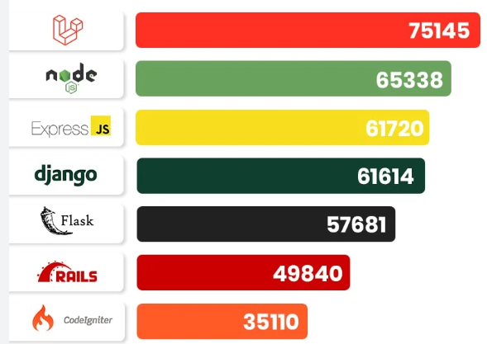
Google function | 1.Scalability (Auto-scaling) 2.Low Latency 3.Event-driven Architecture 4.Simplified Load Management | 1.Scalability (Auto-scaling) 2.Resource Limits 3.Concurrency Constraints 4.Simplified Load ManagementCold StartsCold Start Overhead with Multiple Functions | 2. Free Tier: 2 million free requests per month. 400,000 GB-seconds of compute time per month. $0.40 per 1 million requests. $0.0000125 per GB-second of compute time. | Need to learn
Kafka | 1.High Throughput 2.Scalability 3.Low Latency 4.Fault Tolerance | 1.Complex Setup 2.Storage Overhead 3.Message Ordering 4.Consumer Lag | $0.11 per GB for storage | Need to learn
Kinesis | 1.Scalable 2.Real-time Processing 3.Durability 4.Integration with AWS Ecosystem | 1.Cost Management 2.Sharding Limitations 3.Complexity in Management 4.Latency | 1. Kinesis Processing Units (KPUs) cost $0.11 per hour. | Need to learn

Sheet5
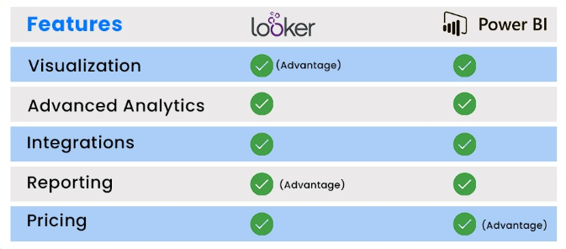
 |  |  | Bi/Reporting
options | pros | cons | cost | readyness
Tableau | 1.Fast Data Processing with In-Memory Engine 2.Optimized for Complex Visualizations 3.Scalability with Server and Cloud Solutions 4.Support for Data Blending and Real-time Data | 1.Memory and Resource Intensive 2.Slow Performance with Large Datasets 3.Limited Handling of Extremely Large Datasets 4.Complexity in Data Architecture for Optimal Performance | 1.Tableau Viewer: Starts at $15/m 2.Tableau Explorer: Costs $42/m 3.Tableau Creator: Priced at $70/m | Need to Learn
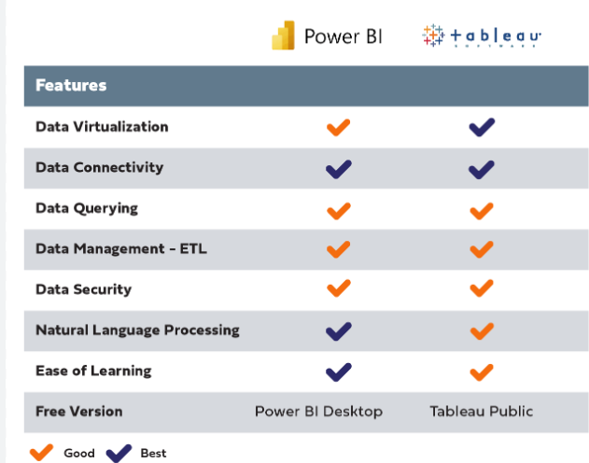
Looker | 1.Optimized Query Execution 2.Data Caching 3.Direct Database Connections 4.Scalable Architecture | 1.Heavy Database Load for Complex Queries 2.High Initial Setup Cost 3.Limited Data Pre-aggregation 4.Latency Issues with Real-Time Data | On average, Looker users pay around $150,000 annually, but prices can reach as high as $1.77 million | Need to Learn
PowerBi | 1.Efficient Data Processing with In-Memory Engine 2.DirectQuery for Real-Time Data 3.Optimized Data Models and Aggregations 4.Cloud-Based Performance | 1.Performance Degradation with Complex Models 2.Limited Performance with DirectQuery on Large Datasets 3.Data Load Issues with Huge Datasets 4.Concurrency Impact | 1.Desktop: Free for individual users 2.Pro: At $10/m 3. Premium Per User: Priced at $20/m 4.I Premium (Per Capacity): Starting at $4,995/m | Need to Learn
Elastic Stack | 1.Scalability 2.Real-time Search and Analytics 3.Efficient Data Processing 4.Load Balancing and Fault Tolerance | 1.Resource Consumption 2.Complex Configuration and Maintenance 3.Storage Overhead 4.Query Latency Under Heavy Load | Elastic Stack pricing primarily depends on whether you're using the hosted service through Elastic Cloud or managing it yoursel | Need to Learn

