Search
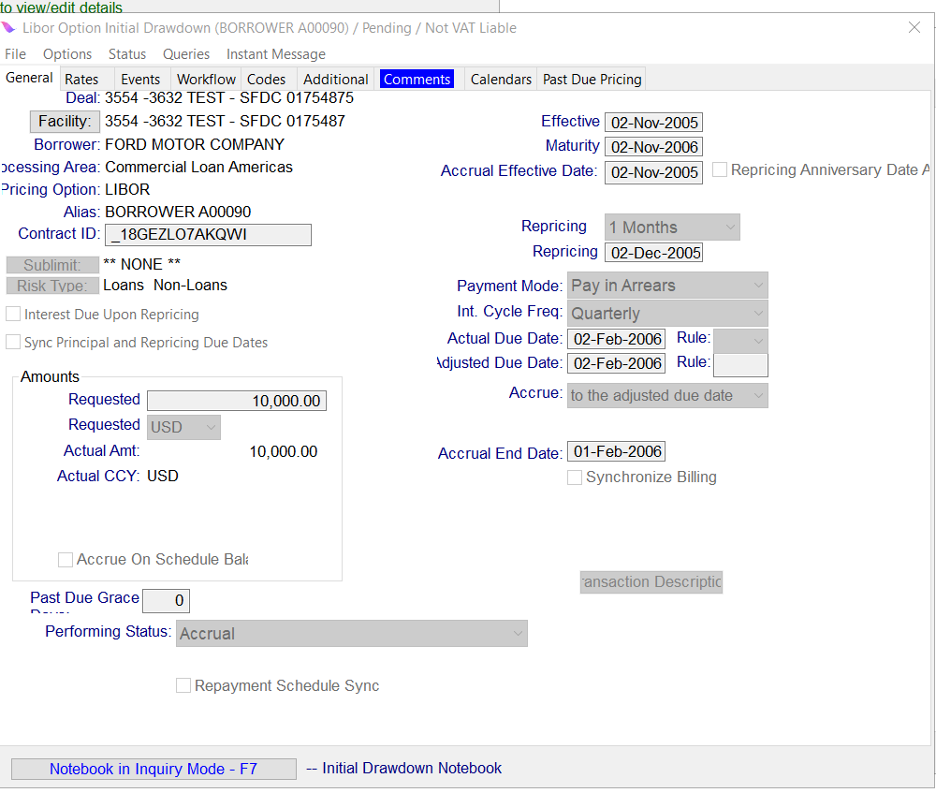
EnquireLoanInitialDrawdown : All the Loan Drawdowns meeting any of the below specfied search criteria.
Input
Sl No. | Attribute Category | Multiple instances allowed for Attribute Category (Y/N) | Attribute Category Required (Y/N) | Attriute Field Name | Data Type | Required (Y/N) | Description and Validation | Multiple Values allowed (Y/N) | Translation Required (Y/N) | Translation Logic | Code Table | Questions? | Attribute Existing in ONLINE (Y/N)
1 |  |  |  | dealName | Alphanumeric | N | Contains |  |  |  |  |  | Y
2 |  |  |  | facilityName | Alphanumeric | N | Contains |  |  |  |  |  | Y
3 | loanAttributes |  |  | loanAlias | Alphanumeric | N | Contains |  |  |  |  |  | N
4 | loanAttributes |  |  | loanId | Alphanumeric | N | Exact matching values expected, RID must be entered |  |  |  |  |  | N
5 | loanAttributes |  |  | loanMaturityDateRangeFrom | Date | N | <,>,=, Loan maturity date range. Both dates should be inclusive. | Y |  |  |  |  | N
6 | loanAttributes |  |  | loanMaturityDateRangeTo | Date | N |  | Y |  |  |  |  | N
7 | loanInitialDrawdownAttributes |  |  | loanTransactionId | Alphanumeric | N | Exact matching values expected, RID must be entered. It's a drawdown Id for loanIntialDrawdown | Y |  |  |  |  | N
8 | loanInitialDrawdownAttributes |  |  | requestedCurrency | List | N | List, Multi-select, The requested Currency Code of the outstanding transaction. | Y | Y |  | Currency |  | N
9 | loanInitialDrawdownAttributes |  |  | minimumRequestedAmount | Numeric | N | <,>,=, This the Requested Amount for the InitialDrawdown | Y |  |  |  |  | N
10 | loanInitialDrawdownAttributes |  |  | maximumRequestedAmount | Numeric | N |  | Y |  |  |  |  | N
11 | loanInitialDrawdownAttributes |  |  | loanCreationDateRangeFrom | Date | N | <,>,=, Insc Loan InitialDrawdown Creation Date Range when InitialDrawdown is created | Y |  |  |  |  | N
12 | loanInitialDrawdownAttributes |  |  | loanCreationDateRangeTo | Date | N |  | Y |  |  |  |  | N
13 | loanInitialDrawdownAttributes |  |  | effectiveDateRangeFrom | Date | N | <,>,=, Loan InitialDrawdown Effective Date Range | Y |  |  |  |  | N
14 | loanInitialDrawdownAttributes |  |  | effectiveDateRangeTo | Date | N |  | Y |  |  |  |  | N
15 | loanInitialDrawdownAttributes |  |  | statusCode | List | N | List, Multi-select, Code needs to be selected from Source system and passed as input | Y | Y |  | Object State |  | N
16 | loanInitialDrawdownAttributes |  |  | transactionDescription | Alphanumeric | N | The description of the transaction.
User can pass values for all or any of the above fields. API should return the Output details for the Loans meeting the above specfied search criteria.
OUTPUT
Sl No. | Attribute Category | Multiple instances allowed for Attribute Category (Y/N) | Attribute Category Required (Y/N) | Attriute Field Name | Data Type | Required (Y/N) | Description and Validation | Multiple Values allowed (Y/N) | Translation Required (Y/N)
1 |  |  |  | success | Alphanumeric | Y | success = ‘true’/'false'
2 |  |  |  | dealName | Alphanumeric | Y | Deal Name
3 |  |  |  | facilityName | Alphanumeric | Y | Facility name
4 |  |  |  | borrowerName | Alphanumeric | Y | Borrower name
5 | loanDetails | Y | Y | loanAlias | Alphanumeric | Y | Original Outstanding Alias
6 | loanDetails | Y | Y | loanId | Alphanumeric | Y | List of RID's Matching the specified criteria
7 | loanInitialDrawdownDetails | Y | Y | requestedAmount | Numeric | Y | The requested amount of the outstanding transaction.
8 | loanInitialDrawdownDetails | Y | Y | actualAmount | Numeric | Y | The actual amount of the outstanding transaction.
9 | loanInitialDrawdownDetails | Y | Y | requestedCurrency | Alphanumeric | Y | The requested Currency of the outstanding transaction.
10 | loanInitialDrawdownDetails | Y | Y | actualCurrency | Alphanumeric | N | The actual Currency of the outstanding transaction.
11 | loanInitialDrawdownDetails | Y | Y | effectiveDate | Date | Y | The effective date of the transaction.
12 | loanInitialDrawdownDetails | Y | Y | status | Alphanumeric | Y | Current status of the Transaction
13 | loanInitialDrawdownDetails | Y | Y | loanTransactionId | Alphanumeric | Y | List of RID's Matching the specified criteria. It's a drawdown Id for loanIntialDrawdown
14 | loanInitialDrawdownDetails | Y | Y | creationDate | Date | Y | Date on which transaction was created
15 | loanInitialDrawdownDetails | Y | Y | maturityDate | Date | Y | The maturity date of the transaction.
16 | loanInitialDrawdownDetails | Y | Y | pricingOption | Alphanumeric | Y
17 | loanInitialDrawdownDetails | Y | Y | repricingFrequency | Alphanumeric | Y
18 | loanInitialDrawdownDetails | Y | Y | repricingDate | Date | N | The next repricing date
19 | loanInitialDrawdownDetails | Y | Y | interestCycleFrequency | Alphanumeric
20 |  | Y | N | message | Alphanumeric | N | API_Name>>Message All pertinant warnings and Errors shown in Loan IQ must be shown | Y

