Search
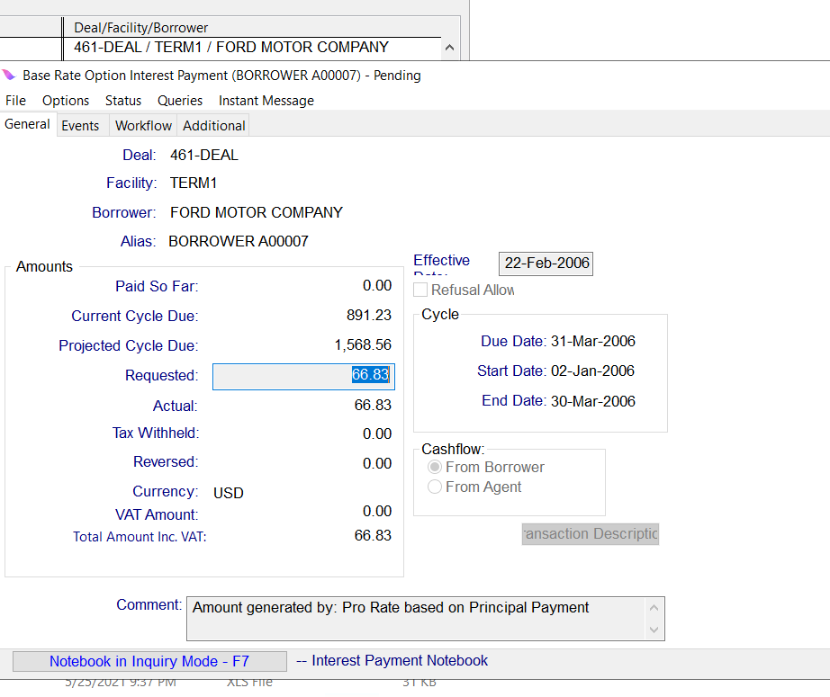
EnquireLoanInterestPayment : All the Interest payments meeting the below specfied search criteria.
Input
Sl No. | Attribute Category | Multiple instances allowed for Attribute Category (Y/N) | Attribute Category Required (Y/N) | Attriute Field Name | Data Type | Required (Y/N) | Description and Validation | Multiple Values allowed (Y/N) | Translation Required (Y/N) | Translation Logic | Code Table | Questions? | Attribute Existing in ONLINE (Y/N)
1 |  |  |  | dealName | Alphanumeric | N | Contains, Wildcard possible
2 |  |  |  | facilityName | Alphanumeric | N | Contains, Wildcard possible
3 | loanAttributes |  |  | loanAlias | Alphanumeric | N | Contains, Wildcard possible Changed name "loan Alias" to "loanAlias" | Y |  |  |  |  | Y
4 | loanAttributes |  |  | loanId | Alphanumeric | Y | Exact matching values expected, either of RID or OID must be entered |  |  |  |  |  | N
5 | loanAttributes |  |  | loanMaturityStartDate | Date | N | <,>,=, Loan maturity date range | Y |  |  |  |  | N
6 | loanAttributes |  |  | LoanMaturityEndDate | Date | N |  | Y |  |  |  |  | N
7 | interestPaymentAttributes |  |  | loanTransactionId | Alphanumeric | N | It's a drawdown Id for Interest Payment. | Y |  |  |  |  | N
8 | interestPaymentAttributes |  |  | currencyCode | List | N | List, Multi-select, Loan Interest Payment Currency | Y | Y |  | Currency |  | N
9 | interestPaymentAttributes |  |  | minimumRequestedAmount | Numeric | N | <,>,=, This the Requested Amount for the Interest Payment | Y |  |  |  |  | N
10 | interestPaymentAttributes |  |  | maximumRequestedAmount | Numeric | N |  | Y |  |  |  |  | N
11 | interestPaymentAttributes |  |  | creationStartDate | Date | N | <,>,=, Loan Interest Payment Creation Date Range when Interest payment is created | Y |  |  |  |  | N
12 | interestPaymentAttributes |  |  | creationEndDate | Date | N |  | Y |  |  |  |  | N
13 | interestPaymentAttributes |  |  | effectiveStartDate | Date | N | <,>,=, Loan InterestPayment Effective Date Range | Y |  |  |  |  | N
14 | interestPaymentAttributes |  |  | effectiveEndDate | Date | N |  | Y |  |  |  |  | N
15 | interestPaymentAttributes |  |  | cycleDueDate | Date | N | List | Y |  |  |  |  | N
16 | interestPaymentAttributes |  |  | statusCode | Alphanumeric | N | List, Multi-select, Code needs to be selected from Source system and passed as input | Y | Y |  | Object State |  | N
17 | interestPaymentAttributes |  |  | reason | Alphanumeric | N | Contains, Wildcard possible | Y
18 | interestPaymentAttributes |  |  | transactionDescription | Alphanumeric | Y | The description of the transaction.
User can pass values for all or any of the above fields. API should return the Output details for the Loan Transactions meeting the above specfied search criteria.
OUTPUT
Sl No. | Attribute Category | Multiple instances allowed for Attribute Category (Y/N) | Attribute Category Required (Y/N) | Attriute Field Name | Data Type | Required (Y/N) | Description and Validation | Multiple Values allowed (Y/N) | Translation Required (Y/N)
1 |  |  |  | success |  | Y | success = ‘true’/'false'
2 |  |  |  | deal | Alphanumeric | Y | Deal Name
3 |  |  |  | facility | Alphanumeric | Y | Facility name
4 |  |  |  | borrower | Alphanumeric | Y | Borrower name
5 | loanDetails | Y | Y | loanAlias | Alphanumeric | Y | Original Outstanding Alias
6 | loanDetails | Y | Y | loanId | Alphanumeric | Y | Exact matching values expected, either of RID or OID must be entered |  | N
7 | interestPaymentDetails | Y | Y | requestedAmount | Numeric | Y | The requested amount of the outstanding transaction.
8 | interestPaymentDetails | Y | Y | actualAmount | Numeric | N | The actual amount of the outstanding transaction.
9 | interestPaymentDetails | Y | Y | Currency | List | Y
10 | interestPaymentDetails | Y | Y | effectiveDate | Date | Y | The effective date of the transaction.
11 | interestPaymentDetails | Y | Y | statusCode | List | Y | Current status of the Transaction |  | Y
12 | interestPaymentDetails | Y | Y | loanTransactionId | Alphanumeric | Y | List of RID's Matching the specified criteria. It's a drawdown Id for Interest Payment.
13 | interestPaymentDetails | Y | Y | creationDate | Date | Y
14 | interestPaymentDetails | Y | Y | Comment | Alphanumeric | N
15 | interestPaymentDetails | Y | Y | transactionDescription | Alphanumeric | Y | The description of the transaction.
16 | interestPaymentDetails | Y | Y | cycleDueDate | Date | Y
17 | interestPaymentDetails | Y | Y | cycleStartDate | Date | Y
18 | interestPaymentDetails | Y | Y | cycleEndDate | Date | Y
19 |  | Y | N | Message | Alphanumeric | N | API_Name>>Message

