Search
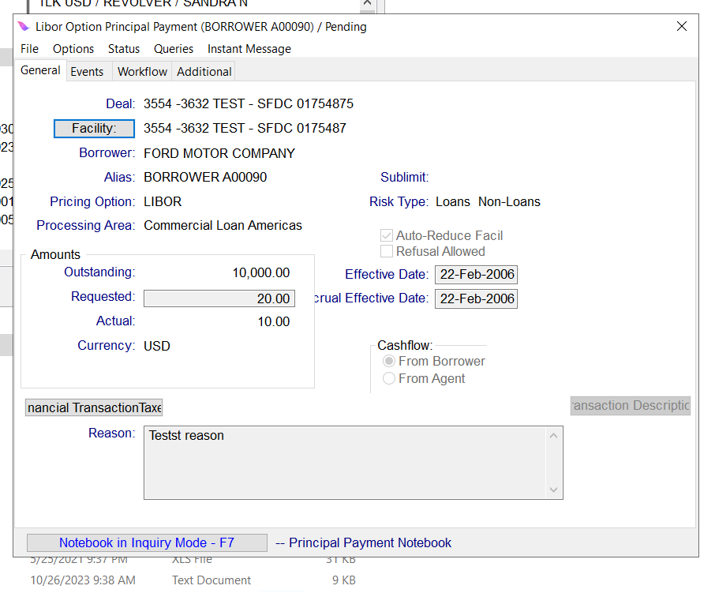
EnquireLoanPrincipalPayment : All the Principal payments meeting the below specfied search criteria.
Input
Sl No. | Attribute Category | Multiple instances allowed for Attribute Category (Y/N) | Attribute Category Required (Y/N) | Attriute Field Name | Data Type | Size | Required (Y/N) | Description and Validation | Multiple Values allowed (Y/N) | Translation Required (Y/N) | Translation Logic | Code Table | Questions? | Attribute Existing in ONLINE (Y/N)
1 |  |  |  | dealName | Alphanumeric |  | N | Contains, Wildcard possible
2 |  |  |  | facilityName | Alphanumeric |  | N | Contains, Wildcard possible
3 | loanAttributes |  |  | loanAlias | Alphanumeric | 15 | N | Contains, Wildcard possible | Y |  |  |  |  | Y
4 | loanAttributes |  |  | loanId | Alphanumeric |  | Y | Exact matching values expected, either of RID or OID must be entered |  |  |  |  |  | N
5 | loanAttributes |  |  | loanMaturityStartDate | Date |  | N | <,>,=, Loan maturity date range | Y |  |  |  |  | N
6 | loanAttributes |  |  | loanMaturityEndDate | Date |  | N |  | Y |  |  |  |  | N
7 | principalPaymentAttributes |  |  | loanTransactionId | Alphanumeric | 24 | N | Exact matching value expected. It's a drawdown Id for Loan Principal Payment. | Y |  |  |  |  | N
8 | principalPaymentAttributes |  |  | currencyCode | List |  | N | List, Multi-select, Loan Principal Payment Currency | Y | Y |  | Currency |  | N
9 | principalPaymentAttributes |  |  | minimumRequestedAmount | Numeric |  | N | <,>,=, This the Requested Amount for the Principal Payment | Y |  |  |  |  | N
10 | principalPaymentAttributes |  |  | maximumRequestedAmount | Numeric |  | N |  | Y |  |  |  |  | N
11 | principalPaymentAttributes |  |  | creationStartDate | Date |  | N | <,>,=, Loan Principal Payment Creation Date Range when principal payment is created | Y |  |  |  |  | N
12 | principalPaymentAttributes |  |  | creationEndDate | Date |  | N |  | Y |  |  |  |  | N
13 | principalPaymentAttributes |  |  | effectiveStartDate | Date |  | N | <,>,=, Loan PrincipalPayment Effective Date Range | Y |  |  |  |  | N
14 | principalPaymentAttributes |  |  | effectiveEndDate | Date |  | N |  | Y |  |  |  |  | N
15 | principalPaymentAttributes |  |  | statusCode | List |  | N | List, Multi-select, Code needs to be selected from Source system and passed as input | Y | Y |  | Object State |  | N
16 | principalPaymentAttributes |  |  | reason | Alphanumeric | 3500 | N | Contains, Wildcard possible | Y
17 | principalPaymentAttributes |  |  | transactionDescription | Alphanumeric |  | Y | Transaction Description
User can pass values for all or any of the above fields. API should return the Output details for the Loan Transactions meeting the above specfied search criteria.
OUTPUT
Sl No. | Attribute Category | Multiple instances allowed for Attribute Category (Y/N) | Attribute Category Required (Y/N) | Attriute Field Name | Data Type |  | Required (Y/N) | Description and Validation | Multiple Values allowed (Y/N) | Translation Required (Y/N)
1 |  |  |  | success |  |  | Y | success = ‘true’/'false'
2 |  |  |  | deal | Alphanumeric |  | Y | Deal Name
3 |  |  |  | facility | Alphanumeric |  | Y | Facility name
4 |  |  |  | borrower | Alphanumeric |  | Y | Borrower name
5 | loanDetails | Y | Y | loanAlias | Alphanumeric |  | Y | Original Outstanding Alias
6 | loanDetails | Y | Y | loanId | Alphanumeric |  | Y | Exact matching values expected, either of RID or OID must be entered
7 | principalPaymentDetails | Y | Y | requestedAmount | Numeric |  | Y | The requested amount of the outstanding transaction.
8 | principalPaymentDetails | Y | Y | actualAmount | Numeric |  | N | The actual amount of the outstanding transaction.
9 | principalPaymentDetails | Y | Y | Currency | Alphanumeric |  | Y
10 | principalPaymentDetails | Y | Y | effectiveDate | Date |  | Y | The effective date of the transaction.
11 | principalPaymentDetails | Y | Y | Status | Alphanumeric |  | Y | Current status of the Transaction
12 | principalPaymentDetails | Y | Y | loanTransactionId | Alphanumeric |  | Y | List of Loan Transaction RID's Matching the specified criteria. It's a drawdown Id for Loan Principal Payment.
13 | principalPaymentDetails | Y | Y | pricingOption | List |  | N | List of Pricing Options available | Y | Y
14 | principalPaymentDetails | Y | Y | creationDate | Date |  | Y
15 | principalPaymentDetails | Y | Y | Reason | Alphanumeric |  | N
16 | principalPaymentDetails | Y | Y | transactionDescription | Alphanumeric |  | Y | Transaction Description
17 |  | Y | N | Message | Alphanumeric |  | N | API_Name>>Message

