Charts
BankNifty Short Strangle — Equity Curve & Drawdown Chart
Equity Curve (Base NAV = 100) — Trade-wise
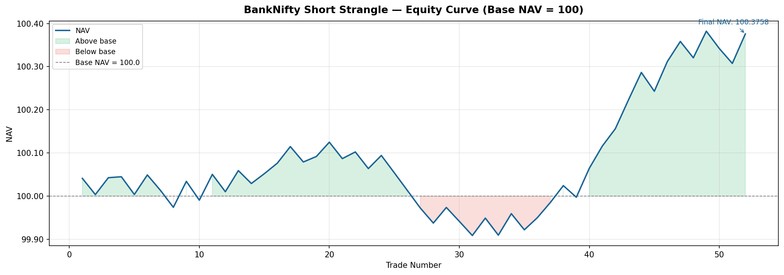

Drawdown from Peak (%)

