Sheet2
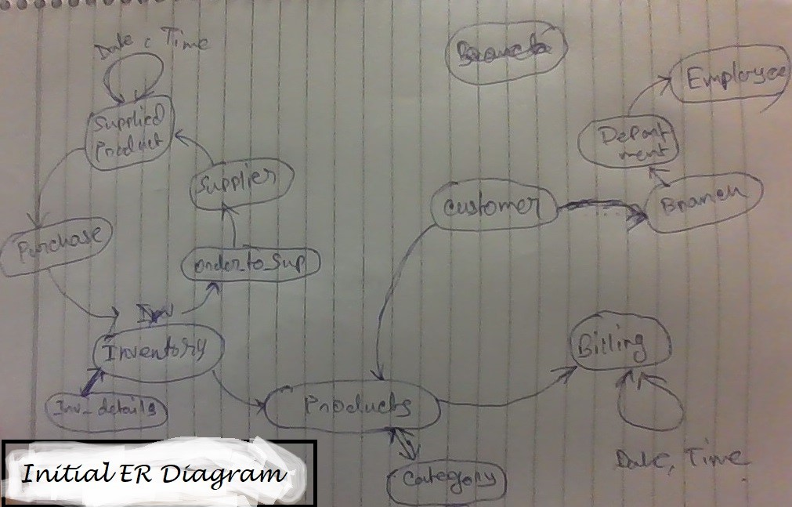

Vendor

Purchase

Product

Department
Vishal Mega
Mart

Employee

Customer
Salary
Sell

