Sheet1
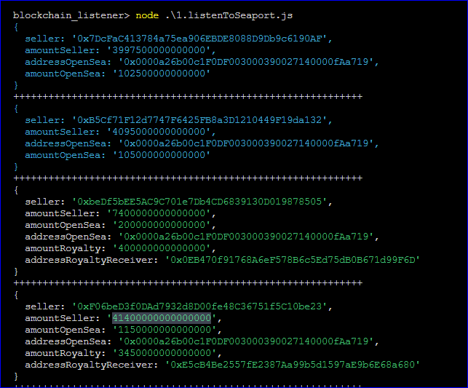
 | No royalty example 1 | no royalty example 1 | royalty example | royalty example | royalty example | royalty example | no royalty example 1
Owner | 3997500000000000 | 4095000000000000 | 7400000000000000 | 41400000000000000 | 5250000000000000 | 5162500000000000 | 3510000000000000
OpenSeaFees | 102500000000000 | 105000000000000 | 200000000000000 | 1150000000000000 | 150000000000000 | 147500000000000 | 90000000000000
Royalty | 0 | 0 | 400000000000000 | 3450000000000000 | 600000000000000 | 590000000000000 | 0
TOTAL | 4100000000000000 | 4200000000000000 | 8000000000000000 | 46000000000000000 | 6000000000000000 | 5900000000000000 | 3600000000000000
OwnerShare | 97.5 | 97.5 | 92.5 | 90 | 87.5 | 87.5 | 97.5
OpenSeaShare | 2.5 | 2.5 | 2.5 | 2.5 | 2.5 | 2.5 | 2.5
RoyaltyShare | 0 | 0 | 5 | 8 | 10 | 10 | 0
Totol Percentage | 100 | 100 | 100 | 100 | 100 | 100 | 100

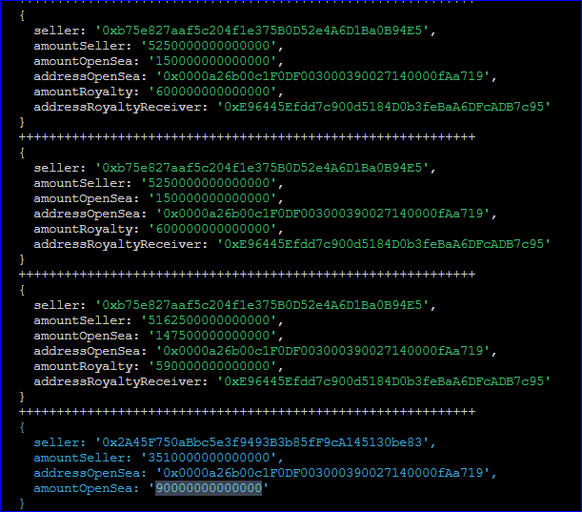
Conclusion
 | Out of 100
 | Open sea pays 2.5% to itself
 | Pays royalty
 | remaining goes to owner

So if we know

