Concepts
Stationary time series is one whose properties do not depend on the time at which the series is observed
Stationary Series
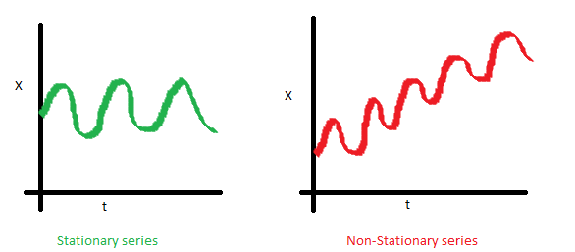 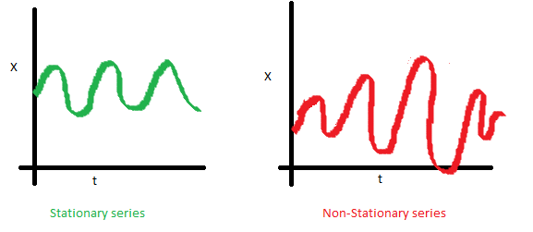 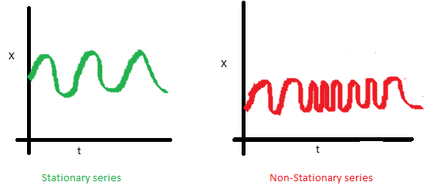

Time series with trends, or with seasonality, are not stationary
A white noise series is stationary

To check if time series is stationary
Dicky Fuller test

Ho: Time Series is not stationary
Ha: Time Series is stationary

Lag
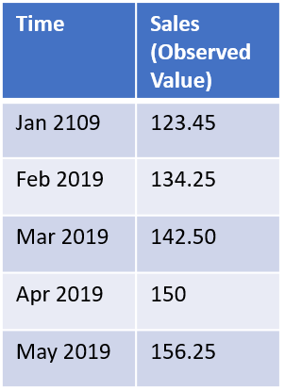 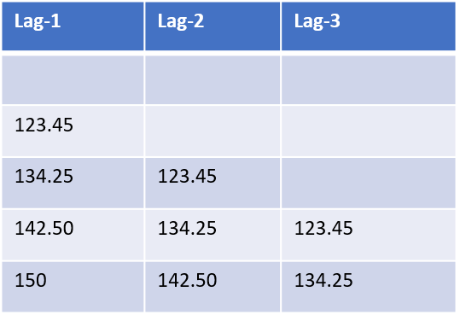

Lag values are values from previous periods

Lags

ACF
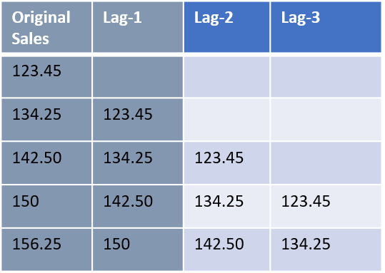 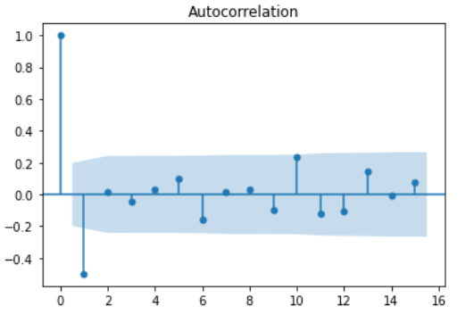
Correlation between original series and Lag-1 series = ACF(1)
Correlation between original series and Lag-2 series = ACF(2)
Correlation between original series and Lag-3 series = ACF(3)
Autocorrelations decrease as lag increases
-1 <= ACF <=1
ACF(0) = 1 (Correlation of original series with itself)

ACF – Autocorrelation Function represents the correlation between original series and the lags

PACF
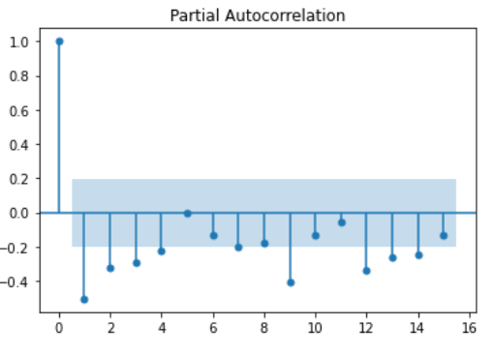
PACF(1) = ACF(1)
PACF(2) is the correlation between Original and Lag(2) series AFTER the influence of Lag(1) series has been eliminated
PACF(3) is the correlation between Original and Lag(3) series AFTER the influence of Lag(1) and Lag(2) series has been eliminated
PACF – Partial autocorrelation adjusts for intervening periods

ARIMA
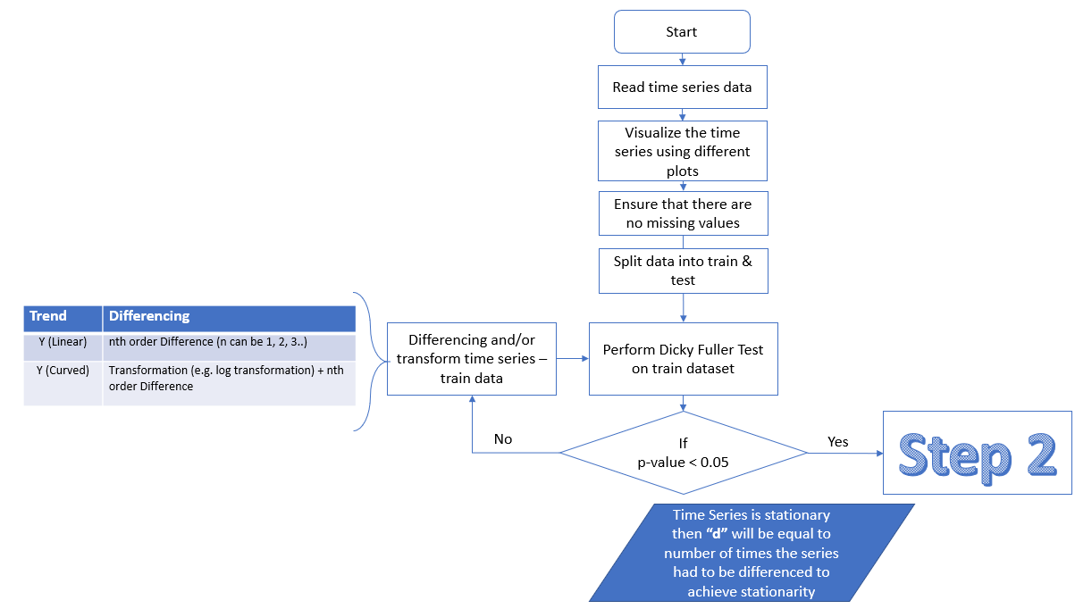

Note: | Differencing is done on the train dataset to check for stationarity. This step is done just to know what value of "d" has to be passed to the ARIMA model. We pass the actual time series i.e. train dataset (non-differenced) to train the ARIMA model with derived value of "d".

 | If the train data had to be transformed to achieve stationarity, transformed data has to be passed to the ARIMA model. test data should also be transformed before performing the forecast.Then do a reverse transformation to get actual forecasted values. For e.g. if log tranformation was done to achieve stationarity, once we get the forecast from the model, get exponent value of the forecast as it is inverse of log. This will get forecast value as per original data.

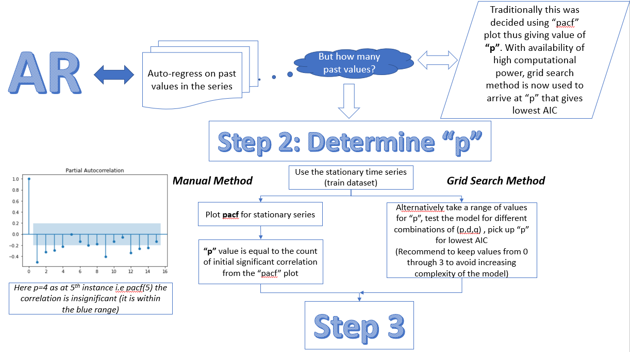

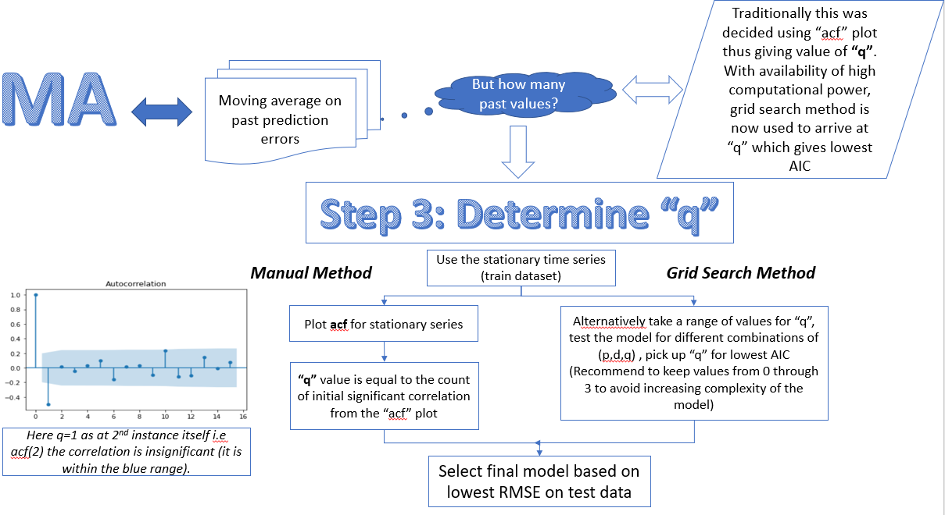

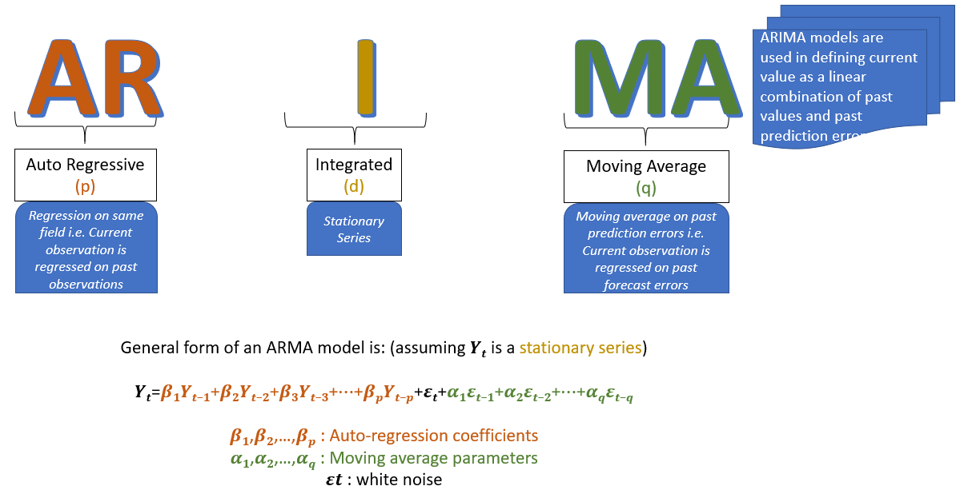

Python Code |  | from statsmodels.tsa.arima_model import ARIMA
 |  | arima_model = ARIMA(train['Y'].values,order=(p,d,q)).fit()
Residual Checks |  | As in regression we have some checks to be done on th residuals to confirm its assumptions
 |  | 1) Residuals are normally distributed
 |  | 2) Mean value of residual is 0
 |  | 3) There is no significant correlation between the residuals
 |  | Above checks are done using the "arima_model.plot_diagnostics()"

SARIMA
* | When there is a seasonal componenet in the time series SARIMA model is built for forecasting
* | "S" in SARIMA stands for seasonal component
* | In a seasonal timeseries, we first need to make a note of the frequency at which the seasonality occurs within a year (F)
* | SARIMA needs additional 3 parameters corresponding to the seasonal aspect in the time series i.e. "P","D","Q"
* | P: Seasonal autoregressive order
* | P=1 would make use of the first seasonally offset observation in the model, e.g. YtF. P=2, would use the last two seasonally offset observations YtF, Y2tF.
* | D: Seasonal difference order. Similarly, a D of 1 would calculate a first order seasonal difference (diff(F) corresponds to D=1)
* | Q: Seasonal moving average order. Q=1 would use a first order error at seasonal offset prediction in the model
* | "P" can be arrived manually by viewing the "pacf" plot. But now we just need to observe the correlation when there is seaonality i.e. at "F", "2F", "3F" etc. and count until it becomes insignificant
* | "Q" can be arrived manually by viewing the "acf" plot. But now we just need to observe the correlation when there is seaonality i.e. at "F", "2F", "3F" etc. and count until it becomes insignificant
* | Due to availabiality of improved computational power we can also determine "P" and "Q" values using grid search method. Recommend to try range of values between 0 through 3 and not higher to avoid increasing complexity of the model
* | So in SARIMA along with "p", "d", "q" parameters we need to provide "F", "P","D","Q" as well as input to the model
Python Code | import statsmodels.api as sm
 | SARIMA_model = sm.tsa.statespace.SARIMAX(train['Y'].values, order=(p, d, q), seasonal_order=(P, D, Q, F)).fit(maxiter=1000)

