Week1
 | Time Series Data
* | Time Series Data is observed across time in a sequential manner at pre-determined and equally-spaced time intervals
* | For e.g. data is collected on yearly, monthly, quarterly or hourly basis
* | Ordering among data points is important and cannot be destroyed
* | Each observation is dependent on the past observation
* | Missing data cannot be ignored and has to be imputed to maintain the continuity of the series
* | Two different types of time intervals cannot be mixed. Series data is captured on daily basis or monhtly basis and caanot have both combinations

 | Time Series Components
 | Trend (Tt) (Systematic Component) |  | Seasonal (St) (Systematic Component) |  |  |  | Irregular (It)
 | Long term movement |  | Intra-year stable fluctuations repeatable over the entire length of the series |  |  |  | Random movements
 | 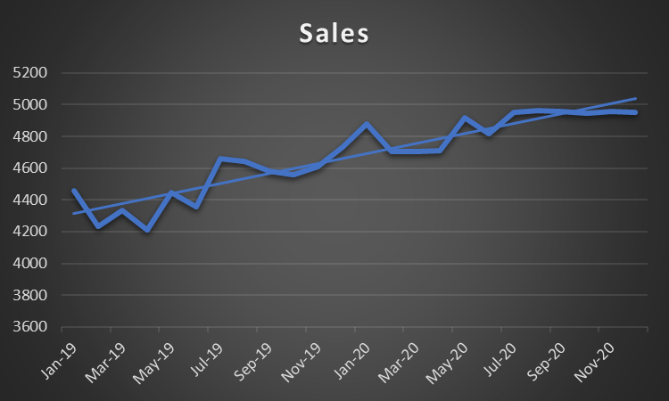 |  | 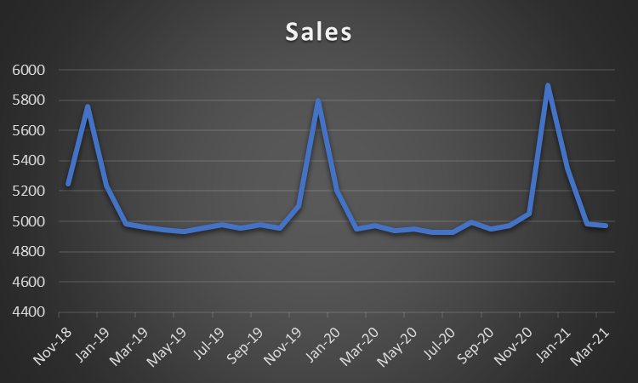 |  |  |  | 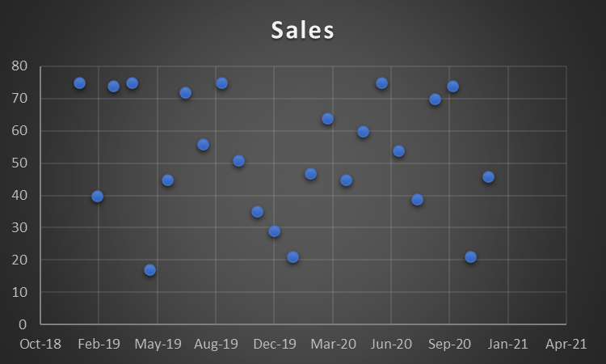

 | Time Series Decomposition
 | Decomposition of a time series leads to identification and extraction of the individual components
 | Objective: Study the components of the time series
 | Additive Model |  |  |  | Multiplicative Model (seasonal fluctuations increase)
 | -> | Resultant series is sum of the components |  |  | -> | Resultant series is product of the components
 | -> | Yt = Tt + St + It (Yt is the original series) |  |  | -> | Yt = Tt * St * It (Yt is the original series) OR
 |  |  |  |  | -> | log(Yt) = log(Tt) + log(St) + log(It) (Yt is the original series)

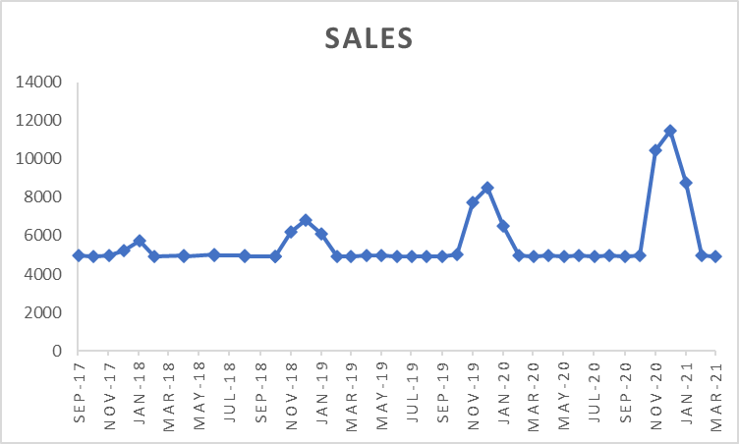
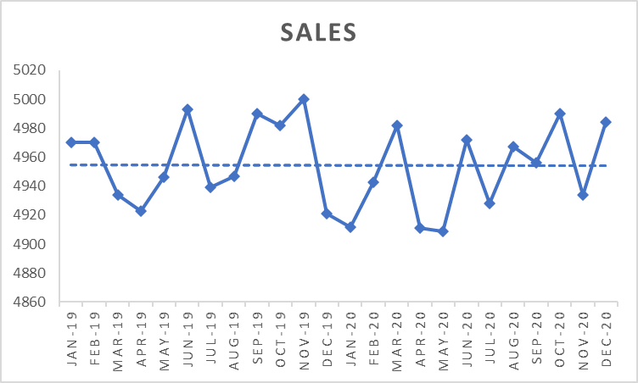
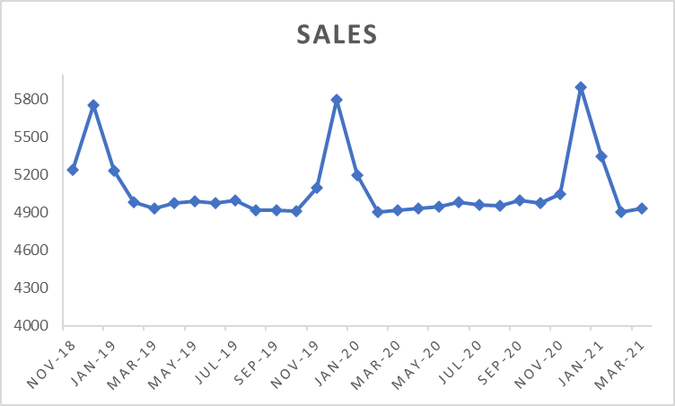
 | Time Series Examples
 |  | No Seasonality |  | Additive Seasonality |  |  |  | Multiplicative Seasonality
 | Constant Trend |  | Constant Trend |  |  |  | Constant Trend

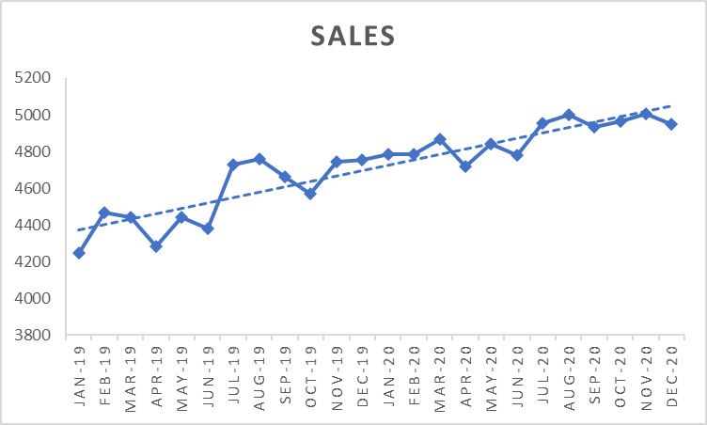
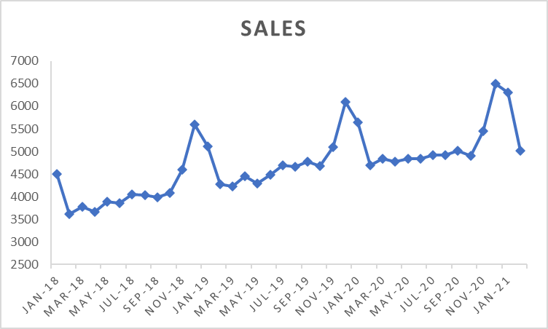
 |  | No Seasonality |  | Additive Seasonality |  |  |  | Multiplicative Seasonality
 | Upward Linear Trend |  | Upward Linear Trend |  |  |  | 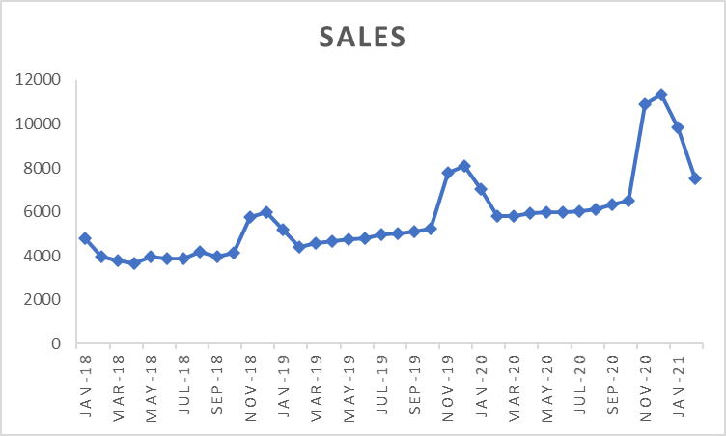 Upward Linear Trend

 | Time Series Decomposition (Using 'seasonal_decompose' from 'statsmodels.tsa.seasonal' in Python)
 | Additive Decomposition | 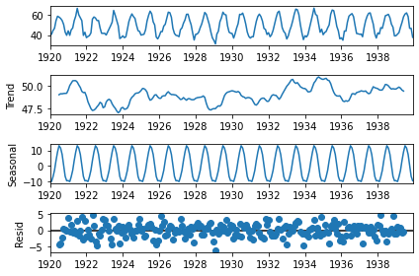 |  |  |  |  | Month | Yt | Trend (Tt) | Seasonality(St) | Residual (It) | Yt = Tt + St + It
 |  |  |  |  |  |  | 1920-01-01 | 40.60 | NA | -9.32 | NA | NA
 |  |  |  |  |  |  | 1920-02-01 | 40.80 | NA | -0.90 | NA | NA
 |  |  |  |  |  |  | 1920-03-01 | 44.40 | NA | -6.94 | NA | NA
 |  |  |  |  |  |  | 1920-04-01 | 46.70 | NA | -2.75 | NA | NA
 |  |  |  |  |  |  | 1920-05-01 | 54.10 | NA | 3.45 | NA | NA
 |  |  |  |  |  |  | 1920-06-01 | 58.50 | NA | 8.98 | NA | NA
 |  |  |  |  |  |  | 1920-07-01 | 57.70 | 49.04 | 12.97 | -4.31 | 57.70
 |  |  |  |  |  |  | 1920-08-01 | 56.40 | 49.15 | 11.46 | -4.21 | 56.40
 |  |  |  |  |  |  | 1920-09-01 | 54.30 | 49.14 | 7.39 | -2.23 | 54.30
 |  |  |  |  |  |  | 1920-10-01 | 50.50 | 49.18 | 0.65 | 0.67 | 50.50
 |  |  |  |  |  |  | 1920-11-01 | 42.90 | 49.19 | -6.60 | 0.31 | 42.90
 |  |  |  |  |  |  | 1920-12-01 | 39.80 | 49.20 | -9.37 | -0.03 | 39.80

 | Mulitplicative Decomposition | 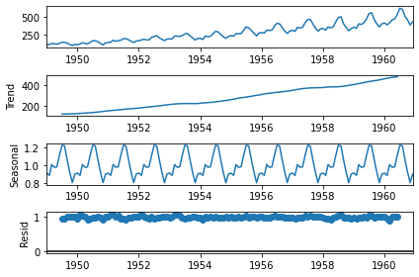 |  |  |  |  | Month | Yt | Trend (Tt) | Seasonality(St) | Residual (It) | Yt = Tt * St * It | log(Yt) | log(Tt) | log(St) | log(It) | log(Yt) = log(Tt) + log(St) + log(It)
 |  |  |  |  |  |  | 1949-01-01 | 112.00 | NA | 0.91 | NA | NA | 4.72 | NA | -0.09 | NA | NA
 |  |  |  |  |  |  | 1949-02-01 | 118.00 | NA | 0.88 | NA | NA | 4.77 | NA | -0.12 | NA | NA
 |  |  |  |  |  |  | 1949-03-01 | 132.00 | NA | 1.01 | NA | NA | 4.88 | NA | 0.01 | NA | NA
 |  |  |  |  |  |  | 1949-04-01 | 129.00 | NA | 0.98 | NA | NA | 4.86 | NA | -0.02 | NA | NA
 |  |  |  |  |  |  | 1949-05-01 | 121.00 | NA | 0.98 | NA | NA | 4.80 | NA | -0.02 | NA | NA
 |  |  |  |  |  |  | 1949-06-01 | 135.00 | NA | 1.11 | NA | NA | 4.91 | NA | 0.11 | NA | NA
 |  |  |  |  |  |  | 1949-07-01 | 148.00 | 126.79 | 1.23 | 0.95 | 148.00 | 5.00 | 4.84 | 0.20 | -0.05 | 5.00
 |  |  |  |  |  |  | 1949-08-01 | 148.00 | 127.25 | 1.22 | 0.95 | 148.00 | 5.00 | 4.85 | 0.20 | -0.05 | 5.00
 |  |  |  |  |  |  | 1949-09-01 | 136.00 | 127.96 | 1.06 | 1.00 | 136.00 | 4.91 | 4.85 | 0.06 | 0.00 | 4.91
 |  |  |  |  |  |  | 1949-10-01 | 119.00 | 128.58 | 0.92 | 1.00 | 119.00 | 4.78 | 4.86 | -0.08 | 0.00 | 4.78
 |  |  |  |  |  |  | 1949-11-01 | 104.00 | 129.00 | 0.80 | 1.01 | 104.00 | 4.64 | 4.86 | -0.22 | 0.01 | 4.64
 |  |  |  |  |  |  | 1949-12-01 | 118.00 | 129.75 | 0.90 | 1.01 | 118.00 | 4.77 | 4.87 | -0.11 | 0.01 | 4.77

 | Time Series (Frequency Change by resampling)
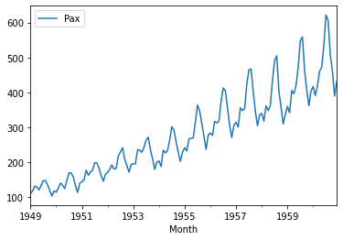
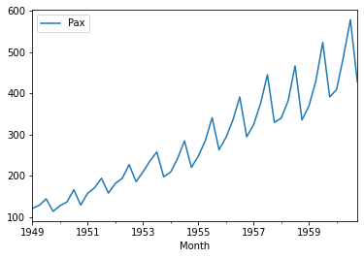
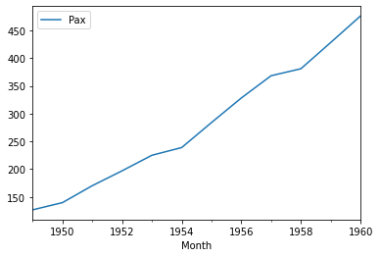

 | -> | Time frequency - Monthly |  | -> | Time frequency - Quarterly (Available monthly data resampled using mean across quarters) |  |  |  | -> | Time frequency - Yearly (Available monthly data resampled using mean across years)
 | -> | Clear and minute representation of trend and seasonality across months |  | -> | We see that there is a smoothening effect when we consolidate monthly data on quarterly basis |  |  |  | -> | We see that there is a smoothening effect when we consolidate monthly data on yearly basis. Also, seasonality within year is not evident from the plot.

