Introduction

Introduction

This document describes the business model components and elements used by the Exceptions and Investigations message definitions.

In the “Full Business Model” tab, the cells with text in green indicate the business concepts used by the Exceptions and Investigations message set.

The “Traces” tab shows to which business concepts the Exceptions and Investigations message components and message elements trace.

Notes:
 | Specialisation | Some components inherit from a parent. In this illustration, the AccountContract is a specialisation (a child) of Contract and inherits from all its elements.
 |  | CashAccountContract inherits AccountContract and indirectly from Contract.

Case
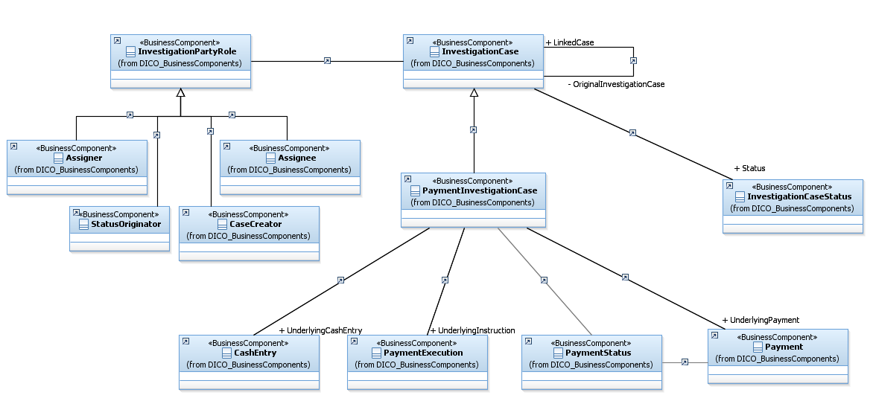

A Payment investigation case is a specialisation of an investigation case. It may contain information on a payment or on a payment execution or on the account entry.

Resolution
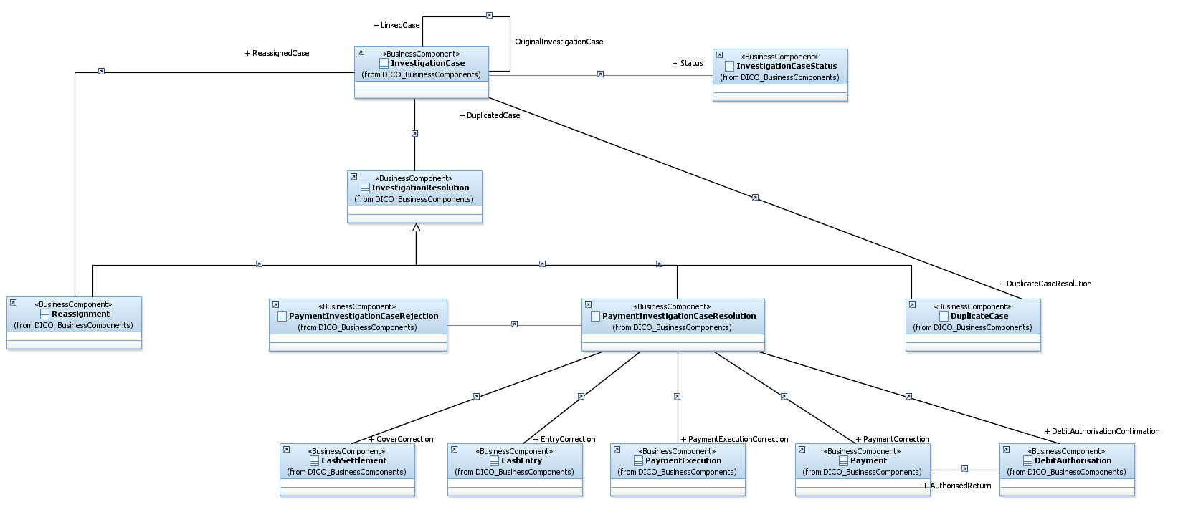

An investigation case may have several resolutions:
 | It can be reassigned to another party
 | It can be the duplicate of an existing case
 | It can be rejected
 | It may generate a corrective action

