Introduction

 |  |  | Introduction

This document describes the Business Model Components and Elements used by the Exceptions and Investigations message definitions.

In the “Business Model” tab, the cells with text in green indicate the business concepts used by the Exceptions and Investigations message set

The “Traces” tab shows to which business concepts the Exceptions and Investigations message components and message elements trace.

Notes:
 | Specialisation | Some components inherit from a parent. In this illustration, the AccountContract is a specialisation (a child) of Contract and inherits from all its elements.
 |  | CashAccountContract inherits AccountContract and indirectly from Contract.

Case
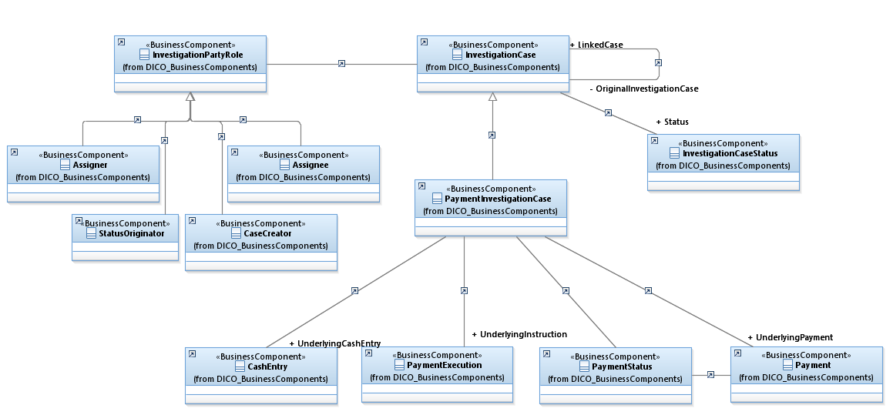

Resolution
