Introduction
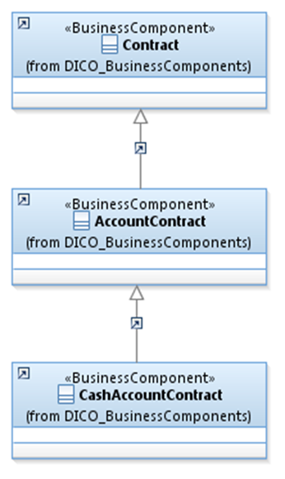
Introduction

This document describes the business model components and elements used by the Investment Funds message definitions.

In the “Full Business Model” tab, the cells with text in green indicate the business concepts used by the Investment Funds message set.

The “Traces” tab shows to which business concepts the Investment Funds message components and message elements trace.

Notes:
 | Specialisation | Some components inherit from a parent. In this illustration, the AccountContract is a specialisation (a child) of Contract and inherits from all its elements.
 |  | CashAccountContract inherits AccountContract and indirectly from Contract.

FundAndFundClass
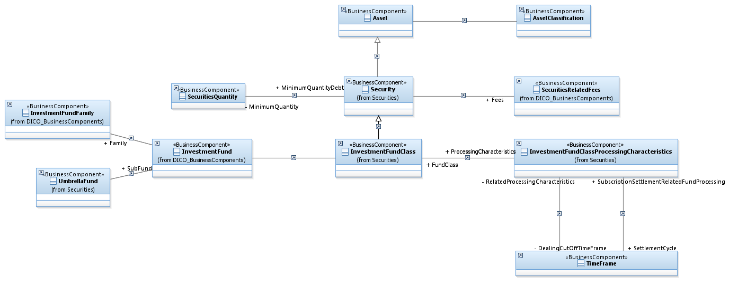
Business representation

Order
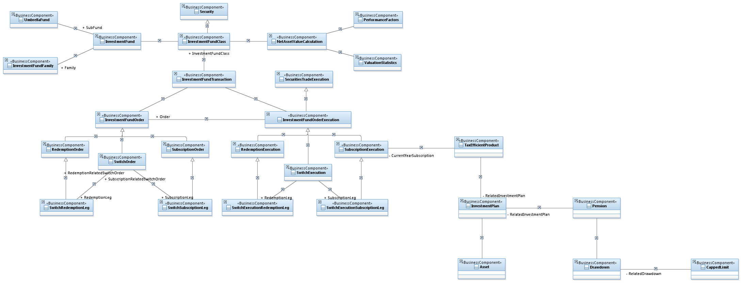
Business representation

Account
Business representation
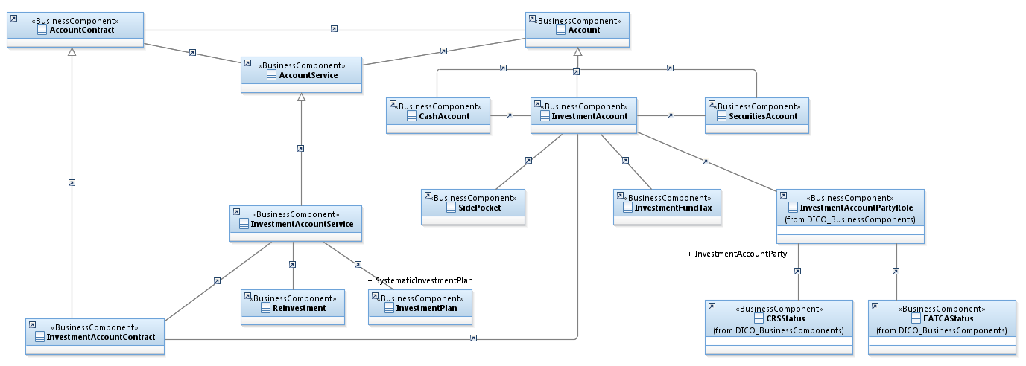

An investment account contract is a specialisation of an account contract.
The contract specifies services/parameters relative to the use of the account such as the frequency of statements.
An investment account contains a cash component and a securities component.

NAV
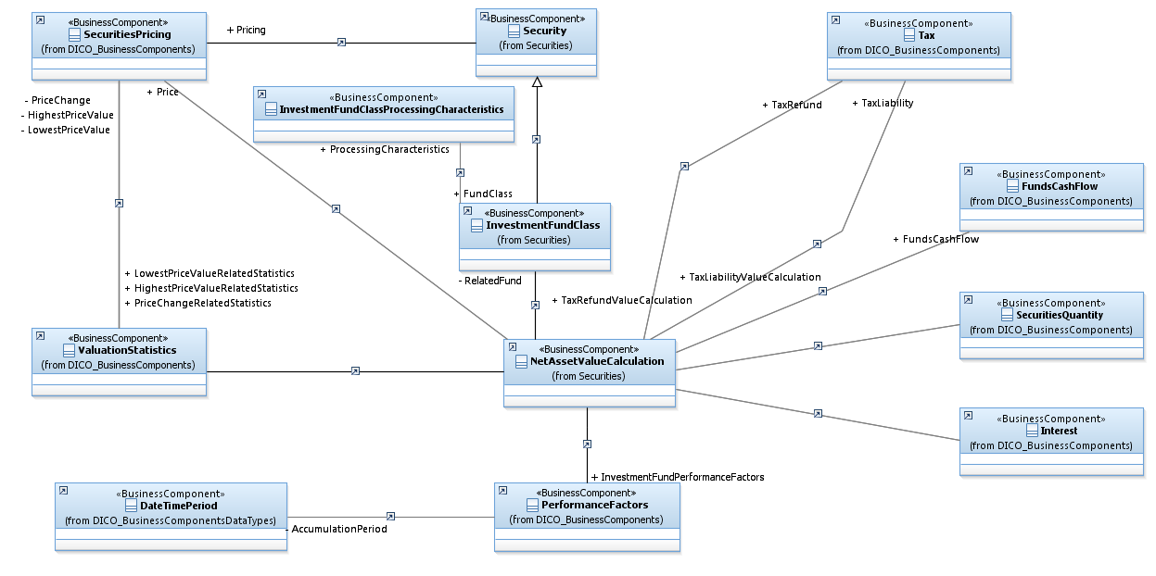
Business representation

Parties
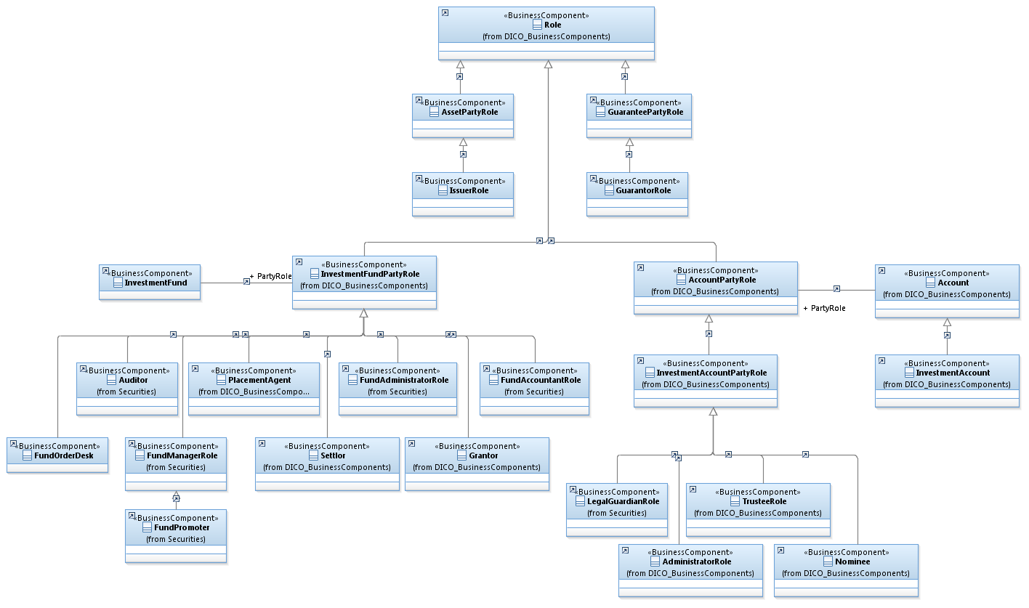
Business representation

