Input & Dashboard
MODEL INPUT AND DASHBOARD

 |  |  |  |  |  |  |  | Decision Input
Analyst Revenue Growth | 20% | Discriptive Stats (Financial Ratios) |  |  |  |  |  | Given Inputs
 |  | Gross % | Average | 44% | Target Price | 100.70 |  | Model Output
 |  | Net % | Average | 10% | Revenue Growth Rate | 8%
Inflation Target | 5% | ROA | Median | 3% | EPS | 0.89
Shares Oustanding | 1,499,358,944 | ROE | Median | 9%
 |  | EPS | Median | 0.89 | Margin of Error | 20% | 23.45
 |  |  |  |  | Buy/Sell | Buy
Management Assumptions |  | Stock
Management Revenue Growth | 10% | Current Price |  | 77.25 | Valuation Methods | Weights
Gross Margin | 45% |  |  |  | Price/Sales | 50% | 107.33
Nike Direct Sales | -12% |  |  |  | P/E | 50% | 94.07
Nike Digital Sales | 20%
Wholesale Sales | -7%
Inventory Levels | Elevated globally
SG&A Expenses | 2%
EPS | 0.70

 | Series1
Sales through Direct to Consumer 2022 | 18726
Sales through Direct to Consumer 2023 | 21308
Sales through Direct to Consumer 2024 | 21519
Sales to Wholesale Customers 2022 | 25608
Sales to Wholesale Customers 2023 | 27397
Sales to Wholesale Customers 2024 | 27758
 | Revenues
Q1 | 9,611
Q2 | 8,520
Q3 | 10,660
Q4 | 10,326
Q1 | 10,104
Q2 | 5,462
Q3 | 10,594
Q4 | 11,243
Q1 | 10,357
Q2 | 10,576
Q3 | 12,248
Q4 | 11,357
Q1 | 10,871
Q2 | 9,837
Q3 | 12,687
Q4 | 13,315
Q1 | 12,390
Q2 | 12,500
Q3 | 12,939
Q4 | 13,388

 | Sum of NORTH AMERICA | Sum of EUROPE, MIDDLE EAST & AFRICA | Sum of GREATER CHINA | Sum of ASIA PACIFIC & LATIN AMERICA
Apparel | 14% | 16% | 12% | 12%
Equipment | 2% | 3% | 1% | 2%
Footwear | 34% | 31% | 37% | 36%
Other | 0% | 0% | 0% | 0%
Sales through Direct to Consumer | 24% | 19% | 22% | 21%
Sales to Wholesale Customers | 26% | 31% | 28% | 29%

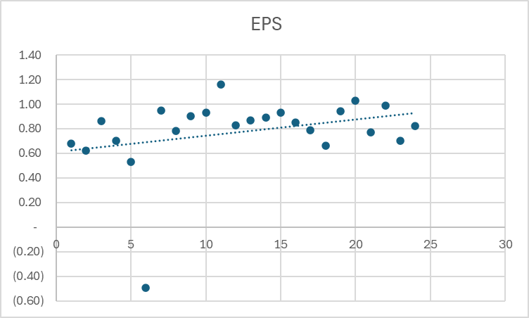

 | Total
Apparel | 286
Equipment | 91
Footwear | 6,049
Other | 858
Sales through Direct to Consumer | 2,737
Sales to Wholesale Customers | 3,689

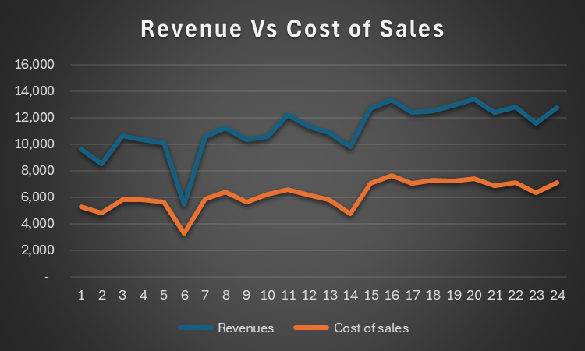

 | Total
Apparel | 286
Equipment | 91
Footwear | 6,049
Other | 858
Sales through Direct to Consumer | 2,737
Sales to Wholesale Customers | 3,689

Regression
Series ID | Year | Period | Label | Value
CWUR0000SA0 | 2018 | M01 | 2018 Jan | 241.919 |  | Year | Revenue | cpi | Revenue growth | Inflation rate | SUMMARY OUTPUT
CWUR0000SA0 | 2018 | M02 | 2018 Feb | 242.988 | 245 | 2019 | 39,117 | 249 | 9% | 1.7%
CWUR0000SA0 | 2018 | M03 | 2018 Mar | 243.463 |  | 2020 | 37,403 | 252 | 5% | 8.5% | Regression Statistics
CWUR0000SA0 | 2018 | M04 | 2018 Apr | 244.607 |  | 2021 | 44,538 | 266 | 10% | 3.8% | Multiple R | 0.24309400595
CWUR0000SA0 | 2018 | M05 | 2018 May | 245.77 |  | 2022 | 46,710 | 288 |  |  | R Square | 0.059094695727
CWUR0000SA0 | 2018 | M06 | 2018 Jun | 246.196 |  | 2023 | 51,217 | 299 | -1 | 2.8% | Adjusted R Square | -0.17613163034
CWUR0000SA0 | 2018 | M07 | 2018 Jul | 246.155 |  | 2024 | 0 | 307 |  |  | Standard Error | 0.48366206922
CWUR0000SA0 | 2018 | M08 | 2018 Aug | 246.336 |  |  |  |  |  |  | Observations | 6
CWUR0000SA0 | 2018 | M09 | 2018 Sep | 246.565 |  |  |  |  | -4% | 1.2%
CWUR0000SA0 | 2018 | M10 | 2018 Oct | 247.038 |  |  |  |  | 19% | 5.3% | ANOVA
CWUR0000SA0 | 2018 | M11 | 2018 Nov | 245.933 |  |  |  |  |  |  |  | df | SS | MS | F | Significance F
 | Inflation rate
9% | 1.7%
5% | 8.5%
10% | 3.8%
-100% | 2.8%
CWUR0000SA0 | 2018 | M12 | 2018 Dec | 244.786 |  |  |  |  |  |  | Regression | 1 | 0.058768774492 | 0.058768774492 | 0.25122483829 | 0.64254177424
CWUR0000SA0 | 2019 | M01 | 2019 Jan | 245.133 |  |  |  |  |  |  | Residual | 4 | 0.9357159888 | 0.2339289972
CWUR0000SA0 | 2019 | M02 | 2019 Feb | 246.218 |  |  |  |  |  |  | Total | 5 | 0.99448476329
CWUR0000SA0 | 2019 | M03 | 2019 Mar | 247.768
CWUR0000SA0 | 2019 | M04 | 2019 Apr | 249.332 |  |  |  |  |  |  |  | Coefficients | Standard Error | t Stat | P-value | Lower 95% | Upper 95% | Lower 95.0% | Upper 95.0%
CWUR0000SA0 | 2019 | M05 | 2019 May | 249.871 |  |  |  |  |  |  | Intercept | -0.25930173102 | 0.3691530326 | -0.70242340743 | 0.52113993884 | -1.2842348614 | 0.7656313994 | -1.2842348614 | 0.7656313994
CWUR0000SA0 | 2019 | M06 | 2019 Jun | 249.747 |  |  |  |  |  |  | Inflation rate | 4.0365240924 | 8.053344201 | 0.50122334172 | 0.64254177424 | -18.323143995 | 26.39619218 | -18.323143995 | 26.39619218
CWUR0000SA0 | 2019 | M07 | 2019 Jul | 250.236
CWUR0000SA0 | 2019 | M08 | 2019 Aug | 250.112
CWUR0000SA0 | 2019 | M09 | 2019 Sep | 250.251
CWUR0000SA0 | 2019 | M10 | 2019 Oct | 250.894
CWUR0000SA0 | 2019 | M11 | 2019 Nov | 250.644
CWUR0000SA0 | 2019 | M12 | 2019 Dec | 250.452 |  |  |  |  |  |  | SUMMARY OUTPUT
CWUR0000SA0 | 2020 | M01 | 2020 Jan | 251.361
CWUR0000SA0 | 2020 | M02 | 2020 Feb | 251.935 |  |  |  |  |  |  | Regression Statistics
CWUR0000SA0 | 2020 | M03 | 2020 Mar | 251.375 |  |  |  |  |  |  | Multiple R | 0.90409021769
CWUR0000SA0 | 2020 | M04 | 2020 Apr | 249.515 |  |  |  |  |  |  | R Square | 0.81737912173
CWUR0000SA0 | 2020 | M05 | 2020 May | 249.521 |  |  |  |  |  |  | Adjusted R Square | 0.63475824346
CWUR0000SA0 | 2020 | M06 | 2020 Jun | 251.054 |  |  |  |  |  |  | Standard Error | 0.015642479884
CWUR0000SA0 | 2020 | M07 | 2020 Jul | 252.636 |  |  |  |  |  |  | Observations | 3
CWUR0000SA0 | 2020 | M08 | 2020 Aug | 253.597
CWUR0000SA0 | 2020 | M09 | 2020 Sep | 254.004 |  |  |  |  |  |  | ANOVA
CWUR0000SA0 | 2020 | M10 | 2020 Oct | 254.076 |  |  |  |  |  |  |  | df | SS | MS | F | Significance F
CWUR0000SA0 | 2020 | M11 | 2020 Nov | 253.826 |  |  |  |  |  |  | Regression | 1 | 0.0010951770229 | 0.0010951770229 | 4.4758251602 | 0.2810996881
CWUR0000SA0 | 2020 | M12 | 2020 Dec | 254.081 |  |  |  |  |  |  | Residual | 1 | 0.00024468717693 | 0.00024468717693
CWUR0000SA0 | 2021 | M01 | 2021 Jan | 255.296 |  |  |  |  |  |  | Total | 2 | 0.0013398641998
CWUR0000SA0 | 2021 | M02 | 2021 Feb | 256.843
CWUR0000SA0 | 2021 | M03 | 2021 Mar | 258.935 |  |  |  |  |  |  |  | Coefficients | Standard Error | t Stat | P-value | Lower 95% | Upper 95% | Lower 95.0% | Upper 95.0%
CWUR0000SA0 | 2021 | M04 | 2021 Apr | 261.237 |  |  |  |  |  |  | Intercept | 0.10972150586 | 0.017334514528 | 6.3296555366 | 0.099752835517 | -0.11053438474 | 0.32997739645 | -0.11053438474 | 0.32997739645
CWUR0000SA0 | 2021 | M05 | 2021 May | 263.612 |  |  |  |  |  |  | Inflation rate | -0.67324227998 | 0.31822538857 | -2.1156146058 | 0.2810996881 | -4.7166792194 | 3.3701946594 | -4.7166792194 | 3.3701946594
CWUR0000SA0 | 2021 | M06 | 2021 Jun | 266.412
CWUR0000SA0 | 2021 | M07 | 2021 Jul | 267.789
CWUR0000SA0 | 2021 | M08 | 2021 Aug | 268.387
CWUR0000SA0 | 2021 | M09 | 2021 Sep | 269.086
CWUR0000SA0 | 2021 | M10 | 2021 Oct | 271.552
CWUR0000SA0 | 2021 | M11 | 2021 Nov | 273.042
CWUR0000SA0 | 2021 | M12 | 2021 Dec | 273.925
CWUR0000SA0 | 2022 | M01 | 2022 Jan | 276.296
CWUR0000SA0 | 2022 | M02 | 2022 Feb | 278.943
CWUR0000SA0 | 2022 | M03 | 2022 Mar | 283.176
CWUR0000SA0 | 2022 | M04 | 2022 Apr | 284.575
CWUR0000SA0 | 2022 | M05 | 2022 May | 288.022
CWUR0000SA0 | 2022 | M06 | 2022 Jun | 292.542
CWUR0000SA0 | 2022 | M07 | 2022 Jul | 292.219
CWUR0000SA0 | 2022 | M08 | 2022 Aug | 291.629
CWUR0000SA0 | 2022 | M09 | 2022 Sep | 291.854
CWUR0000SA0 | 2022 | M10 | 2022 Oct | 293.003
CWUR0000SA0 | 2022 | M11 | 2022 Nov | 292.495
CWUR0000SA0 | 2022 | M12 | 2022 Dec | 291.051
CWUR0000SA0 | 2023 | M01 | 2023 Jan | 293.565
CWUR0000SA0 | 2023 | M02 | 2023 Feb | 295.057
CWUR0000SA0 | 2023 | M03 | 2023 Mar | 296.021
CWUR0000SA0 | 2023 | M04 | 2023 Apr | 297.73
CWUR0000SA0 | 2023 | M05 | 2023 May | 298.382
CWUR0000SA0 | 2023 | M06 | 2023 Jun | 299.394
CWUR0000SA0 | 2023 | M07 | 2023 Jul | 299.899
CWUR0000SA0 | 2023 | M08 | 2023 Aug | 301.551
CWUR0000SA0 | 2023 | M09 | 2023 Sep | 302.257
CWUR0000SA0 | 2023 | M10 | 2023 Oct | 302.071
CWUR0000SA0 | 2023 | M11 | 2023 Nov | 301.224
CWUR0000SA0 | 2023 | M12 | 2023 Dec | 300.728
CWUR0000SA0 | 2024 | M01 | 2024 Jan | 302.201
CWUR0000SA0 | 2024 | M02 | 2024 Feb | 304.284
CWUR0000SA0 | 2024 | M03 | 2024 Mar | 306.502
CWUR0000SA0 | 2024 | M04 | 2024 Apr | 307.811
CWUR0000SA0 | 2024 | M05 | 2024 May | 308.163
CWUR0000SA0 | 2024 | M06 | 2024 Jun | 308.054
CWUR0000SA0 | 2024 | M07 | 2024 Jul | 308.501
CWUR0000SA0 | 2024 | M08 | 2024 Aug | 308.64
CWUR0000SA0 | 2024 | M09 | 2024 Sep | 309.046
CWUR0000SA0 | 2024 | M10 | 2024 Oct | 309.358
CWUR0000SA0 | 2024 | M11 | 2024 Nov | 308.998

Sheet2
YEAR | 2024

Row Labels | Sum of NORTH AMERICA | Sum of EUROPE, MIDDLE EAST & AFRICA | Sum of GREATER CHINA | Sum of ASIA PACIFIC & LATIN AMERICA
Apparel | 14% | 16% | 12% | 12%
Equipment | 2% | 3% | 1% | 2%
Footwear | 34% | 31% | 37% | 36%
Other | 0% | 0% | 0% | 0%
Sales through Direct to Consumer | 24% | 19% | 22% | 21%
Sales to Wholesale Customers | 26% | 31% | 28% | 29%
Grand Total | 100% | 100% | 100% | 100%

Sheet3
YEAR | (All)

Row Labels | Sum of CONVERSE
Apparel | 286
Equipment | 91
Footwear | 6,049
Other | 858
Sales through Direct to Consumer | 2,737
Sales to Wholesale Customers | 3,689
Grand Total | 13,710

