Microservice
Topic | Meaning
A microservices architecture | A microservices architecture is an architectural style that structures an application as a collection of loosely coupled services. It is a term used to describe the practice of breaking up an application into a series of smaller, more specialised parts, each of which communicate with one another across common interfaces such as APIs and REST interfaces like HTTP

What is REST/RESTful and what are its uses? | Representational State Transfer (REST)/RESTful web services are an architectural style to help computer systems communicate over the internet. This makes microservices easier to understand and implement.
 | Microservices can be implemented with or without RESTful APIs, but it’s always easier to build loosely coupled microservices using RESTful APIs.
What is OAuth? | OAuth stands for open authorization protocol. This allows accessing the resources of the resource owner by enabling the client applications on HTTP services such as third-party providers Facebook, GitHub, etc. So with this, you can share resources stored on one site with another site without using their credentials.
Continuous Integration (CI)? | Continuous Integration (CI) is the process of automating the build and testing of code every time a team member commits changes to version control. This encourages developers to share code and unit tests by merging the changes into a shared version control repository after every small task completion.
Continuous Monitoring? | Continuous monitoring gets into the depth of monitoring coverage, from in-browser front-end performance metrics, through application performance, and down to host virtualized infrastructure metrics.
What is DRY in Microservices architecture? | DRY stands for Don’t Repeat Yourself. It basically promotes the concept of reusing the code. This results in developing and sharing the libraries which in turn result in tight coupling.

Monolithic Architecture | A monolithic application has single code base with multiple modules. Modules are divided as either for business features or technical features. It has single build system which build entire application. It also has single executable or deployable binary.
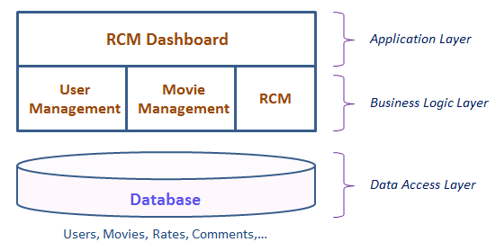

Monolithic Challenges | Large monolithic code base makes complicated to understand, especially for new developer.
 | Scaling become challenging.
 | Overloaded IDE, Large code base makes IDE slow, build time increase.
 | Extremely difficult to change technology or language or framework (hybrid technologies) because everything is tightly coupled and depend up on each other.
 | Deployment challenges.
 | Any change in the order module would require the entire application to be deployed again.
 | Big database.
 | Fault Tolerance.
 | If a specific feature is not working it will make the system goes down. In order to handle this problem, the system has to be rebuilt, retested and redeployed

Microservice Architecture | A microservices architecture consists of a collection of small, autonomous services. Each service is self-contained and should implement a single business capability.
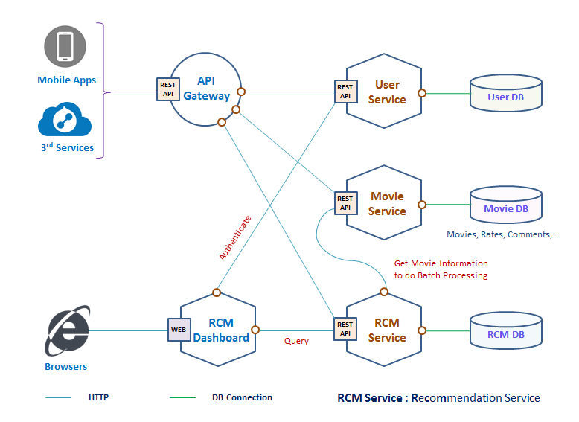
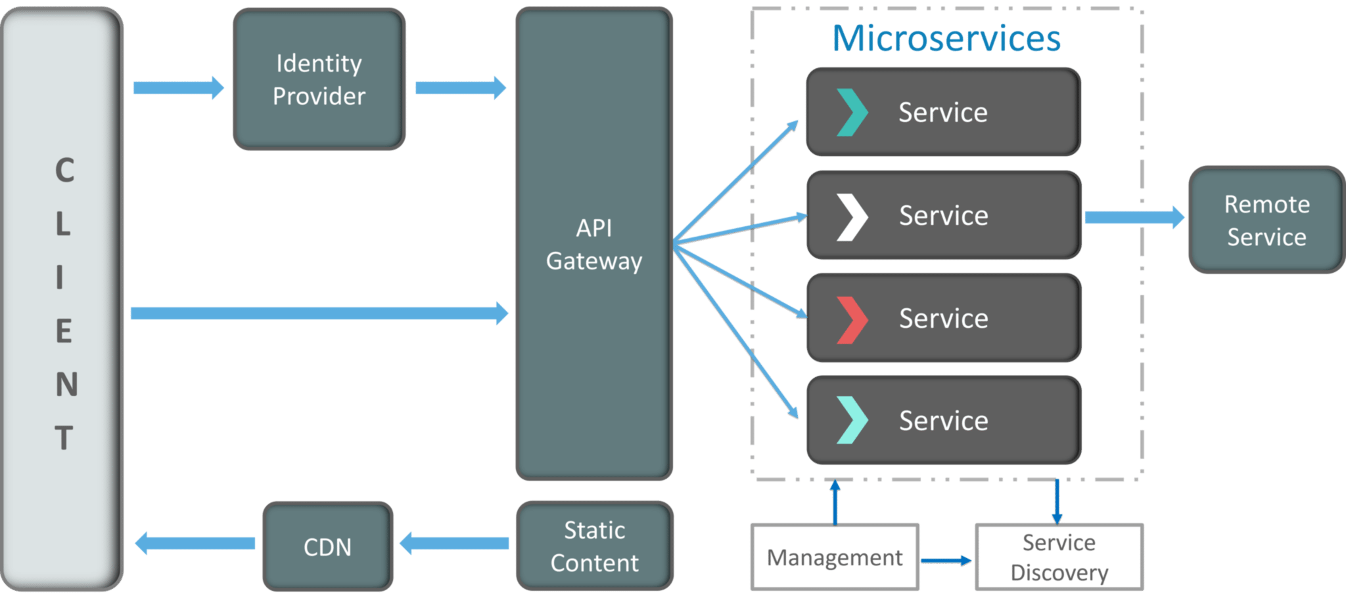

 | Clients – Different users from various devices send requests.
 | Identity Providers – Authenticates user or clients identities and issues security tokens.
 | API Gateway – Handles client requests.
 | Static Content – Houses all the content of the system.
 | Management – Balances services on nodes and identifies failures.
 | Service Discovery – A guide to find the route of communication between microservices.
 | Content Delivery Networks – Distributed network of proxy servers and their data centers.
 | Remote Service – Enables the remote access information that resides on a network of IT devices.

features of Microservices | Decoupling – Services within a system are largely decoupled. So the application as a whole can be easily built, altered, and scaled
 | Componentization – Microservices are treated as independent components that can be easily replaced and upgraded
 | Business Capabilities – Microservices are very simple and focus on a single capability
 | Autonomy – Developers and teams can work independently of each other, thus increasing speed
 | Continous Delivery – Allows frequent releases of software, through systematic automation of software creation, testing, and approval
 | Responsibility – Microservices do not focus on applications as projects. Instead, they treat applications as products for which they are responsible
 | Decentralized Governance – The focus is on using the right tool for the right job. That means there is no standardized pattern or any technology pattern. Developers have the freedom to choose the best useful tools to solve their problems
 | Agility – Microservices support agile development. Any new feature can be quickly developed and discarded again

Microservice Benefits | Independent deployments.
 | You can update a service without redeploying the entire application, and roll back or roll forward an update if something goes wrong. Bug fixes and feature releases are more manageable and less risky.
 | Independent development.
 | A single development team can build, test, and deploy a service. The result is continuous innovation and a faster release cadence.
 | Small, focused teams.
 | Teams can focus on one service. The smaller scope of each service makes the code base easier to understand, and it’s easier for new team members to ramp up.
 | Fault isolation.
 | If a service goes down, it won’t take out the entire application. However, that doesn’t mean you get resiliency for free. You still need to follow resiliency best practices and design patterns. See Designing resilient applications for Azure.
 | When change is required in a certain part of the application, only the related service can be modified and redeployed — no need to modify and redeploy the entire application.
 | The developers can make use of the latest technologies.
 | Mixed technology stacks (hybrid technologies).
 | Teams can pick the technology that best fits their service.
 | Granular scaling.
 | Services can be scaled independently. At the same time, the higher density of services per VM means that VM resources are fully utilized. Using placement constraints, a services can be matched to a VM profile (high CPU, high memory, and so on).

Microservice Challenges | Complexity.
 | A microservices application has more moving parts than the equivalent monolithic application. Each service is simpler, but the entire system as a whole is more complex especially when the number of services increases.
 | Development and test.
 | Developing against service dependencies requires a different approach. Existing tools are not necessarily designed to work with service dependencies. Refactoring across service boundaries can be difficult. It is also challenging to test service dependencies, especially when the application is evolving quickly.
 | Data integrity.
 | With each microservice responsible for its own data persistence. As a result, data consistency can be a challenge. Embrace eventual consistency where possible.
 | Lack of governance.
 | The decentralized approach to building microservices has advantages, but it can also lead to problems. You may end up with so many different languages and frameworks that the application becomes hard to maintain. It may be useful to put some project-wide standards in place, without overly restricting teams’ flexibility. This especially applies to cross-cutting functionality such as logging.
 | Network congestion and latency.
 | The use of many small, granular services can result in more interservice communication. Also, if the chain of service dependencies gets too long (service A calls B, which calls C…), the additional latency can become a problem. You will need to design APIs carefully. Avoid overly chatty APIs, think about serialization formats, and look for places to use asynchronous communication patterns.
 | Management.
 | To be successful with microservices requires a mature DevOps culture. Correlated logging across services can be challenging. Typically, logging must correlate multiple service calls for a single user operation.
 | Versioning.
 | Updates to a service must not break services that depend on it. Multiple services could be updated at any given time, so without careful design, you might have problems with backward or forward compatibility.
 | Skillset.
 | Microservices are highly distributed systems. Carefully evaluate whether the team has the skills and experience to be successful.
 | A distributed system is a network that consists of autonomous computers that are connected using a distribution middleware. They help in sharing different resources and capabilities to provide users with a single and integrated coherent network.

Microservices authentication and authorization technical solutions
Client Token | The main difference between Token and Session is where the storage is different. Sessions are stored centrally in the server; Tokens are held by the user themselves and are typically stored in the browser in the form of cookies.
 | The Token holds the user’s identity information, and each time the request is sent to the server, the server can therefore determine the identity of the visitor and determine whether it has access to the requested resource.
 | JWT (Json Web Token) is an open standard (RFC 7519) that defines the Token format, defines the Token content, encrypts it, and provides lib for various languages.
 | Header
 | header contains type, fixed value JWT. Then the Hash algorithm used by JWT.
 | Payload
 | includes standard information such as the user id, expiration date, and user name. It can also add user roles and user-defined information
 | Signature
 | Token’s signature is used by the client to verify the Token’s identity and also to verify the message wasn’t changed along the way.
 | These three parts are combined using Base64 encoding and become Token strings that are eventually returned to the client, separated by “.”, The token formed by the above example will be like this:
 | By using token for user authentication, The server does not save the user status. The client needs to send the token to the server for authentication every time the client requests it.
Single sign-on | The idea of ​​single sign-on is simple, that is, users only need to log in to the application once, then they can access all the microservices in the application. This solution means that each user-oriented service must interact with the authentication service
 | This can result in a lot of very trivial network traffic, repeated work, and it may cause single point of failure. When there are dozens of micro-applications, the drawbacks of this solution will become more apparent.
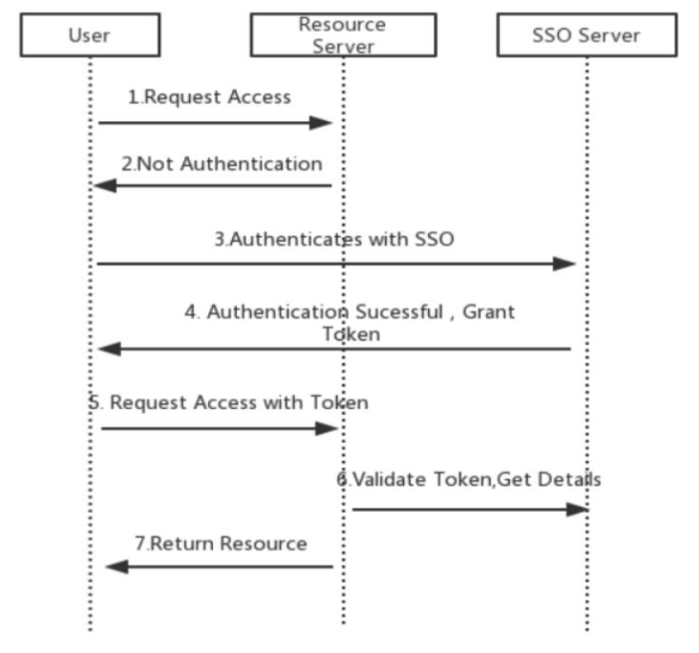

Client Token with API Gateway | This scenario means that all requests go through the API gateway, effectively hiding the microservices. On request, the API gateway translates the original user token into an opaque token that only itself can resolve like the following diagram
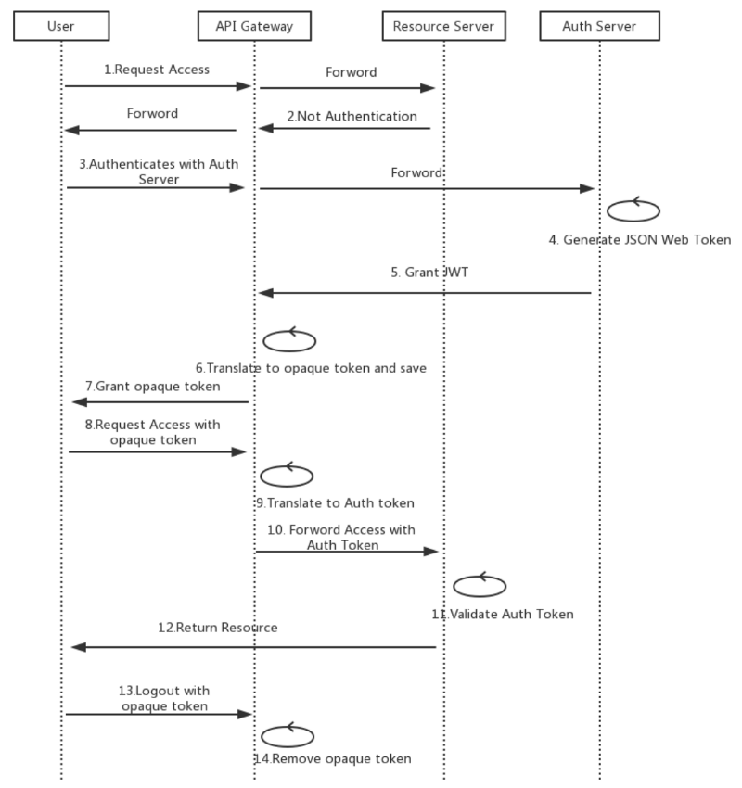

 | In this case, logging off is not a problem because the API gateway can revoke the user’s token when it logs out and also it adds an extra protection to Auth Token from being decrypted by hiding it from the client.

Web API
Topic | Meaning
What is REST? | REST is architectural style. It has defined guidelines for creating services which are scalable. REST used with HTTP protocol using its verbs GET, PUT, POST and DELETE.
What is Web API? | WebAPI is a framework which helps you to build/develop HTTP services.
Why select Web API? | It is used to create simple, non-SOAP-based HTTP Services
 | It is also an easy method for creation with Web API. With WCF REST Services
 | It is based on HTTP and easy to define, expose and consume in a REST-ful way.
 | It is lightweight architecture and ideal for devices that have limited bandwidth like smartphones
What is SOAP? | SOAP is an XML message format used in web service interactions. It allows to send messages over HTTP or JMS, but other transport protocols can be used. It is also an XML-based messaging protocol for exchanging information among computers
What is the benefit of WebAPI over WCF? | WCF services use the SOAP protocol while HTTP never use SOAP protocol. That’s why WebAPI services are lightweight since SOAP is not used. It also reduces the data which is transferred to resume service. Moreover, it never needs too much configuration. Therefore, the client can interact with the service by using the HTTP verbs
How can you handle errors in Web API? | Several classes are available in Web API to handle errors. They are HttpError, Exception Filters, HttpResponseException, and Registering Exception Filters.
How to Enable HTTPS in Web API? | Create a class and inherit that class with AuthorizationFilterAttribute and then check if the requested url has HTTPS or not.
New Features in Web API 2.0 | Attribute Routing
 | Cross-Origin Resource Sharing
 | External Authentication
 | Open Web Interface NET
 | HttpActionResult
 | Web API OData

SOAP | REST
SOAP stands for Simple Object Access Protocol | REST stands for Representational State Transfer
SOAP is a protocol. SOAP was designed with a specification. It includes a WSDL file which has the required information on what the web service does in addition to the location of the web service. | REST is an Architectural style in which a web service can only be treated as a RESTful service if it follows the constraints of being :
 | 1. Client Server
 | 2. Stateless
 | 3. Cacheable
 | 4. Layered System
 | 5. Uniform Interface
SOAP cannot make use of REST since SOAP is a protocol and REST is an architectural pattern. | REST can make use of SOAP as the underlying protocol for web services, because in the end it is just an architectural pattern.
SOAP uses service interfaces to expose its functionality to client applications. In SOAP, the WSDL file provides the client with the necessary information which can be used to understand what services the web service can offer. | REST use Uniform Service locators to access to the components on the hardware device. For example, if there is an object which represents the data of an employee hosted on a URL as http://demo.guru99 , the below are some of URI that can exist to access them http://demo.guru99.com/Employee http://demo.guru99.com/Employee1
SOAP requires more bandwidth for its usage. Since SOAP Messages contain a lot of information inside of it, the amount of data transfer using SOAP is generally a lot. | REST does not need much bandwidth when requests are sent to the server. REST messages mostly just consist of JSON messages. Below is an example of a JSON message passed to a web server. You can see that the size of the message is comparatively smaller to SOAP.
<?xml version="1.0"?> | {"city":"Mumbai","state":"Maharastra"}
<SOAP-ENV:Envelope
xmlns:SOAP-ENV
http://www.w3.org/2001/12/soap-envelope
SOAP-ENV:encodingStyle
=" http://www.w3.org/2001/12/soap-encoding">
<soap:Body>
<Demo.guru99WebService
xmlns="http://tempuri.org/">
<EmployeeID>int</EmployeeID>
</Demo.guru99WebService>
</soap:Body>
</SOAP-ENV:Envelope>
SOAP can only work with XML format. As seen from SOAP messages, all data passed is in XML format. | REST permits different data format such as Plain text, HTML, XML, JSON, etc. But the most preferred format for transferring data is JSON.

REST services should be used in the following instances
Limited resources and bandwidth – Since SOAP messages are heavier in content and consume a far greater bandwidth, REST should be used in instances where network bandwidth is a constraint.
Statelessness – If there is no need to maintain a state of information from one request to another then REST should be used. If you need a proper information flow wherein some information from one request needs to flow into another then SOAP is more suited for that purpose. We can take the example of any online purchasing site. These sites normally need the user first to add items which need to be purchased to a cart. All of the cart items are then transferred to the payment page in order to complete the purchase. This is an example of an application which needs the state feature. The state of the cart items needs to be transferred to the payment page for further processing.
Caching – If there is a need to cache a lot of requests then REST is the perfect solution. At times, clients could request for the same resource multiple times. This can increase the number of requests which are sent to the server. By implementing a cache, the most frequent queries results can be stored in an intermediate location. So whenever the client requests for a resource, it will first check the cache. If the resources exist then, it will not proceed to the server. So caching can help in minimizing the amount of trips which are made to the web server.
Ease of coding – Coding REST Services and subsequent implementation is far easier than SOAP. So if a quick win solution is required for web services, then REST is the way to go.

SOAP should be used in the following instances
Asynchronous processing and subsequent invocation – if there is a requirement that the client needs a guaranteed level of reliability and security then the new SOAP standard of SOAP 1.2 provides a lot of additional features, especially when it comes to security.
A Formal means of communication – if both the client and server have an agreement on the exchange format then SOAP 1.2 gives the rigid specifications for this type of interaction. An example is an online purchasing site in which users add items to a cart before the payment is made. Let's assume we have a web service that does the final payment. There can be a firm agreement that the web service will only accept the cart item name, unit price, and quantity. If such a scenario exists then, it's always better to use the SOAP protocol.
Stateful operations – if the application has a requirement that state needs to be maintained from one request to another, then the SOAP 1.2 standard provides the WS* structure to support such requirements.

https://www.guru99.com/web-service-architecture.html
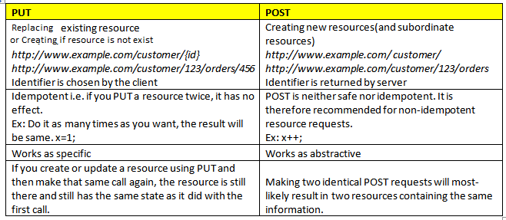

PUT is used to create or update the resourses. | POST is used to create the resourses.
can do all operations using 1 verb

ASP.NET Web API
ASP.NET Web API is a framework for building HTTP services that can be accessed from any client including browsers and mobile devices. It is an ideal platform for building RESTful applications on the .NET Framework.

Web API Controller
The name of a controller class must end with "Controller" and it must be derived from System.Web.Http.ApiController class. All the public methods of the controller are called action methods.
Based on the incoming request URL and HTTP verb (GET/POST/PUT/DELETE), Web API decides which Web API controller and action method to execute. e.g. Get() method will handle HTTP GET request, Post() method will handle HTTP POST request.
If you want to write methods that do not start with an HTTP verb then you can apply the appropriate http verb attribute on the method (as HttpGet, HttpPost, HttpPut etc.) | e.g. [HttpGet] public string Value(int id) { return "value"; }

Configure Web API ( Project --> App_start --> WebAPIConfig.cs )
Web API supports code based configuration. It can not be configured in web.config file. We can configure Web API to customize components such as routes, formatters, filters, DependencyResolver, MessageHandlers, ParamterBindingRules, properties, services etc.
Global.asax | WebApiConfig
public class WebAPIApplication : System.Web.HttpApplication { protected void Application_Start() { GlobalConfiguration.Configure(WebApiConfig.Register); //other configuration } } | public static class WebApiConfig { public static void Register(HttpConfiguration config) { config.MapHttpAttributeRoutes(); config.Routes.MapHttpRoute( name: "DefaultApi", routeTemplate: "api/{controller}/{id}", defaults: new { id = RouteParameter.Optional } ); // configure additional webapi settings here.. } }

Web API Routing
Convention-based Routing
In the above example WebApiConfig.Register(), config.MapHttpAttributeRoutes() enables attribute routing. config.Routes is a route table or route collection of type HttpRouteCollection.
The "DefaultApi" route is added in the route table using MapHttpRoute() extension method. It internally creates a new instance of IHttpRoute and adds it to an HttpRouteCollection. However, you can create a new route and add it : | IHttpRoute defaultRoute = config.Routes.CreateRoute("api/{controller}/{id}", new { id = RouteParameter.Optional }, null); config.Routes.Add("DefaultApi", defaultRoute);
If Web API framework does not find matched routes for an incoming request then it will send 404 error response.
Multiple Routes : School route is configured before DefaultApi route. So any incoming request will be matched with the School route first and if incoming request url does not match with it then only it will be matched with DefaultApi route. For example, request url is http://localhost:1234/api/myschool is matched with School route template, so it will be handled by SchoolController. | config.Routes.MapHttpRoute( name: "School", routeTemplate: "api/myschool/{id}", defaults: new { controller="school", id = RouteParameter.Optional } constraints: new { id ="/d+" } ); // default route config.Routes.MapHttpRoute( name: "DefaultApi", routeTemplate: "api/{controller}/{id}", defaults: new { id = RouteParameter.Optional } );
Attribute Routing
Attribute routing uses [Route()] attribute to define routes. The Route attribute can be applied on any controller or action method. To use attribute routing with Web API, it must be enabled in WebApiConfig by calling config.MapHttpAttributeRoutes() method. | [Route("api/student/names")] public IEnumerable<string> Get() { return new string[] { "student1", "student2" }; }
Action Method Return Type
The Web API action method can have following return types.
1. Void | Action method returns void. It will send 204 "No Content".
2. Primitive type or Complex type
3. HttpResponseMessage
The advantage of HttpResponseMessage is that we can configure a response in our way, we can set the status code, content or error message (if any) as per your requirement. e.g. if there is no student with specified id in the DB then it will return HTTP 404 Not Found status code, otherwise it will return 200 OK status with student data. | public HttpResponseMessage Get(int id) { Student stud = GetStudentFromDB(id); if (stud == null) return Request.CreateResponse(HttpStatusCode.NotFound, id); return Request.CreateResponse(HttpStatusCode.OK, stud); }
4. IHttpActionResult
if student with specified id does not exists in the DB then it will return response with the status code 404 otherwise it sends student data with status code 200 as a response. we don't have to write much code because NotFound() and Ok() method does it all for us. | public IHttpActionResult Get(int id) { Student stud = GetStudentFromDB(id); if (stud == null) return NotFound(); return Ok(stud); }
We can create your own custom class as a result type that implements IHttpActionResult interface.
Web API Filters
Filters are used to add extra logic before or after action method executes. Filters can be used to provide features such as logging, exception handling, performance measurement, authentication and authorization.
Filters are actually attributes that can be applied on the Web API controller or one or more action methods. Every filter attribute class must implement IFilter interface included in System.Web.Http.Filters namespace. However, System.Web.Http.Filters includes other interfaces and classes that can be used to create filter for specific purpose.
Filter Type - Interface - Class | Description
Simple Filter - Ifilter - | Defines the methods that are used in a filter
Action Filter - IActionFilter - ActionFilterAttribute | Used to add extra logic before or after action methods execute.
Authentication Filter - IAuthenticationFilter - | Used to force users or clients to be authenticated before action methods execute.
Authorization Filter | Used to restrict access to action methods to specific users or groups.
Exception Filter - IExceptionFilter - ExceptionFilterAttribute | Used to handle all unhandled exception in Web API.
Override Filter - IOverrideFilter - | Used to customize the behaviour of other filter for individual action method.
Consume Web API in .NET using HttpClient
Send GET Request
We create an object of HttpClient and assigned the base address of our Web API. The GetAsync() method sends an http GET request to the specified url.
The GetAsync() method is asynchronous and returns a Task. Task.wait() suspends the execution until GetAsync() method completes the execution and returns a result.
Once the execution completes, we get the result from Task using Task.result which is HttpResponseMessage. Now, you can check the status of an http response using IsSuccessStatusCode. Read the content of the result using ReadAsAsync() method.
Send POST Request
Similarly, you can send HTTP POST request using PostAsAsync() method of HttpClient and process the result the same way as GET request.

Content Negotiation
Content Negotiation is a concept that allows the same Url to serve the same content in various formats.
Content Negotiation is centered on Media type and Media type formatter. While the former refers to the value of the "content-type" header in HTTP request and HTTP response, the latter is used to convert .NET types to corresponding HTTP data and vice-versa. Note that media type formatter in Web API is represented by an abstract class called MediaTypeFormatter.

ASP.NET Web Services
A web service is a web-based functionality, accessed using web protocol, which could be used by other applications. It also follows a code-behind architecture such as the ASP.NET web pages, although it does not have a user interface.

MVC
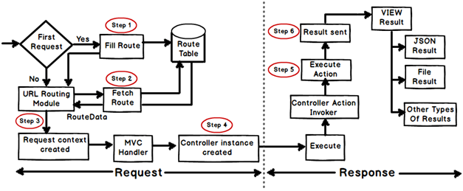
 |  |  | Action method
 |  |  | Action method must be public. It cannot be private or protected. - Action method cannot be overloaded. - Action method cannot be a static method.

 |  |  | ViewResult
 |  |  | EmptyResult
 |  |  | ContentResult
 |  |  | FileContentResult,
 |  |  | FilePathResult,
 |  |  | FileStreamResult
 |  |  | JavaScriptResult
 |  |  | JsonResult
 |  |  | RedirectResult
 |  |  | RedirectToRouteResult
 |  |  | PartialViewResult
 |  |  | HttpUnauthorizedResult

 | Story points | Product Owner | Tools to maintails stories in agile
 | estimate of the overall effort, that will be required to fully implement a product backlog item or any other piece of work | The product owner is commonly a lead user of the system or someone from marketing, product management | JIRA is an Agile Testing as well as a Project Management Tool developed
 | Made by srum team | responsibilities is to have a vision of what key stakeholders wishes to build, and convey that vision to the scrum team. | importance of agile
 |  |  | High product quality
 |  |  | n Agile development, testing is integrated during the cycle, which means that there are regular checkups to see that the product is working during the development. This enables the product owner to make changes if needed and the team is aware if there are any issues.
 |  |  | Higher customer satisfaction
 |  |  | The product owner is always involved, the progress of development has high visibility and flexibility to change is highly important. This implies engagement and customer satisfaction.
 |  |  | Increased project control
 |  |  | Sprint meetings. Transparency. Jira usage (visibility of each step of the project for both parties).
 |  |  | Always having a working product, starting with the very first sprint, so that no agile project fails completely.
 |  |  | Agile gives freedom when new changes need to be implemented.

Asp.Net Web Forms |  | Asp.Net MVC
Asp.Net Web Form follow a traditional event-driven development model. |  | Asp.Net MVC is a lightweight and follows MVC (Model, View, Controller) pattern based development, model.
In Asp.Net Web Form, Web Forms(ASPX) i.e. views are tightly coupled to Code behind(ASPX.CS) i.e. logic. |  | In Asp.Net MVC, Views and logic are kept separately.
Asp.Net Web Form has file-based URLs means file name exist in the URLs must have its physical existence. |  | Asp.Net MVC has route-based URLs means URLs are divided into controllers and actions and moreover it is based on controller not on physical file.
Asp.Net Web Form has server controls. |  | Asp.Net MVC has HTML helpers.
Asp.Net Web Form supports view state for state management at the client side. |  | Asp.Net MVC does not support view state.
Asp.Net Web Form has User Controls for code re-usability. |  | Asp.Net MVC has Partial Views for code re-usability.

MVC Life Cycle
When application starts at first time, it registers 1< patterns to the Route Table, An application has only one Route Table which is setup in the Global.asax file of the application. When a matching pattern found in the Route Table, the Routing engine forwards the request to the MvcHandler. The routing engine returns a 404 HTTP status code if not found.
MvcHandler is responsible for initiating the processing inside ASP.NET MVC.
MvcHandler uses the IControllerFactory instance and tries to get a IController instance. If successful, the Execute method is called. The IControllerFactory could be the default controller factory or a custom factory initialized at the Application_Start event
The action method receives user input, prepares the appropriate response data, and then executes the result by returning a result type. The result type can be ViewResult, RedirectToRouteResult, RedirectResult, ContentResult, JsonResult, FileResult, and EmptyResult.
The first step in the execution of the View Result involves the selection of the appropriate View Engine to render the View Result. It is handled by IViewEngine interface of the view engine. By default Asp.Net MVC uses WebForm and Razor view engines. You can also register your own custom view engine to your Asp.Net MVC application as shown below:

ASP.NET MVC Folder Structure
App_Start
MVC 5 includes BundleConfig.cs, FilterConfig.cs and RouteConfig.cs by default
Routing in MVC
Routing is the process of directing an HTTP request to a controller, System.Web.Routing is used by the MVC framework,

We can register a route in RouteConfig class, which is in RouteConfig.cs under App_Start folder
"Default", url pattern is "{controller}/{action}/{id}"
Register Routes - Global.asax |  | public class MvcApplication : System.Web.HttpApplication { protected void Application_Start() { RouteConfig.RegisterRoutes(RouteTable.Routes); } }
Route Constraints - RouteConfig.cs |  | routes.MapRoute( name: "Student", url: "student/{id}/{name}/{standardId}", defaults: new { controller = "Student", action = "Index", id = UrlParameter.Optional, name = UrlParameter.Optional, standardId = UrlParameter.Optional }, constraints: new { id = @"\d+" } );

Controller
Controller is a class, derived from the base class System.Web.Mvc.Controller. Controller class contains public methods called Action methods. Controller and its action method handles incoming browser requests, retrieves necessary model data and returns appropriate responses.
Every controller class name must end with a word "Controller"
Action method
- Action method must be public. It cannot be private or protected. |  |  | ViewResult EmptyResult ContentResult FileContentResult, FilePathResult, FileStreamResult JavaScriptResult JsonResult RedirectResult RedirectToRouteResult PartialViewResult HttpUnauthorizedResult
- Action method cannot be overloaded.
- Action method cannot be a static method.
ActionResult is a base class of all the result type which returns from Action method. Base Controller class contains methods that returns appropriate result type e.g. View(), Content(), File(), JavaScript() etc.
ASP.NET MVC- Filters
There may be requirement where you want to execute some logic before or after an action method executes.
Filters are used to add extra logic before or after action method executes. Filters can be used to provide features such as logging, exception handling, performance measurement, authentication and authorization.
Filter Type | Description | Built-in Filter | Interface
Authorization filters | Performs authentication and authorizes before executing action method. | [Authorize], [RequireHttps] | IAuthorizationFilter
Action filters | Performs some operation before and after an action method executes. |  | IActionFilter
Result filters | Performs some operation before or after the execution of view result. | [OutputCache] | IResultFilter
Exception filters | Performs some operation if there is an unhandled exception thrown during the execution of the ASP.NET MVC pipeline. | [HandleError] | IExceptionFilter
e..g An exception filter executes when there is an unhandled exception occurs. HandleError Attribute ([HandleError]) is a built-in exception filter class in MVC framework. This built-in HandleErrorAttribute class renders Error.cshtml included in the Shared folder by default, when an unhandled exception occurs.
Register Global Filters | Action Filters on Controller | Filters on Action Method
// FilterConfig.cs located in App_Start folder public class FilterConfig { public static void RegisterGlobalFilters(GlobalFilterCollection filters) { filters.Add(new HandleErrorAttribute()); } } | [HandleError] public class HomeController : Controller { public ActionResult Index() { return View(); } } | public class HomeController : Controller { [HandleError] public ActionResult Index() { return View(); } }
OutputCache | ViewData | ViewBag | TempData
Output caching basically allows you to store the output of a particular controller in the memory. Hence, any future request coming for the same action in that controller will be returned from the cached result. That way, the same content does not need to be generated each and every time the same controller action is invoked. | It is basically a Dictionary object i.e. Keys and Values where Keys are String while Values will be objects. | ViewBag is a Wrapper built around ViewData. | TempData is stored in the Session object. So the limit is the limit of your Session object
[OutputCache(Duration = 60)] | ViewData is used for passing value from Controller to View | ViewBag is a dynamic property
[Authorize(Roles="Manager")] | ViewData is available only for Current Request. It will be destroyed on redirection. | While retrieving, there is no need for Type Casting data.
public class ManageController : Controller | ViewData["Message"] = "Hello MVC!"; | ViewBag.Message = "Hello MVC!";
[AllowAnonymous]
Create Custom Filter
We can create it attributes by implementing filter interface for which we want to create a custom filter and also derive a FilterAttribute class so that we can use that class as an attribute. For example, implement IExceptionFilter and FilterAttribute class to create custom exception filter. In the same way implement an IAuthorizatinFilter interface and FilterAttribute class to create a custom authorization filter. |  | class MyErrorHandler : FilterAttribute, IExceptionFilter { public override void IExceptionFilter.OnException(ExceptionContext filterContext) { Log(filterContext.Exception); base.OnException(filterContext); } private void Log(Exception exception) { //log exception here.. } }

EF ASP.net
Common Examples of SaaS, PaaS, & IaaS
Platform Type | Common Examples
SaaS (Software as a Service) | Google Apps, Dropbox, Salesforce, Cisco WebEx, Concur, GoToMeeting
PaaS (Plateform as a Service) | AWS Elastic Beanstalk, Windows Azure, Heroku, Force.com, Google App Engine, Apache Stratos, OpenShift
IaaS (Infrastructure as a Service) | DigitalOcean, Linode, Rackspace, Amazon Web Services (AWS), Cisco Metapod, Microsoft Azure, Google Compute Engine (GCE)

Entity framework
Prior to .NET 3.5, we used to write ADO.NET code or Enterprise Data Access Block to save or retrieve application data. We used to open a connection, create a DataSet, convert data from / to the DataSet. Microsoft has provided a framework called "Entity Framework" to automate all these DB related activities for your application.
An entity in Entity Framework is a class that maps to a database table. - POCO Entities (Plain Old CLR Object) - Dynamic Proxy Entities (POCO Proxy) - It is a runtime proxy class which wraps POCO entity. These allow lazy loading.

Development Approaches with Entity Framework
- Database-First, Code-First, Model-First

Entity Framework Architecture
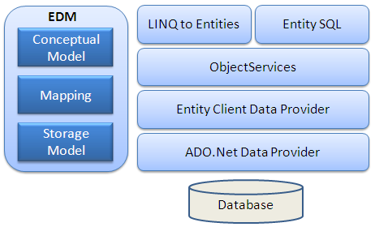

EDM (Entity Data Model): EDM consists of three main parts - Conceptual model, Mapping and Storage model.
Conceptual Model: It contains the model classes and their relationships. This will be independent from your database table design.
Storage Model: It is the database design model which includes tables, views, stored procedures, and their relationships and keys.
Mapping: Mapping consists of information about how the conceptual model is mapped to the storage model.
LINQ to Entities: It is a query language used to write queries against the object model. It returns entities, which are defined in the conceptual model. You can use your LINQ skills here.
Entity SQL: Entity SQL is another query language (For EF 6 only) just like LINQ to Entities. However, it is a little more difficult than L2E and the developer will have to learn it separately.
Object Service: Object service is a main entry point for accessing data from the database and returning it back. Object service is responsible for materialization, which is the process of converting data returned from an entity client data provider (next layer) to an entity object structure.
Entity Client Data Provider: The main responsibility of this layer is to convert LINQ-to-Entities or Entity SQL queries into a SQL query which is understood by the underlying database. It communicates with the ADO.Net data provider which in turn sends or retrieves data from the database.
ADO.Net Data Provider: This layer communicates with the database using standard ADO.Net.

Persistence (Saving) in Entity Framework
Connected Scenario | Non-Connected Scenario
In the connected scenario, the same instance of the context class (derived from DbContext) is used in retrieving and saving entities. | different instances of the context are used to retrieve and save entities to the database.
It keeps track of all entities during its lifetime | An instance of the context is disposed after retrieving data and a new instance is created to save entities to the database.
This is useful in windows applications with the local database or the database on the same network. | you must set an appropriate state to each entity before saving entities using SaveChanges(). This is useful in web applications or applications with a remote database.
Pros: | Pros:
Performs fast. | Utilizes less resources compared to the connected scenario.
The context keeps track of all entities and automatically sets an appropriate state as and when changes occurr to entities | No open connection with the database.
Cons: | Cons:
The context stays alive, so the connection with the database stays open. | Need to set an appropriate state to each entity before saving.
Utilizes more resources. | Performs slower than the connected scenario.

Tips to improve Entity Framework Performance
1. Avoid to put all the DB Objects into One Single Entity Model
Entity Model specifies a single unit of work, not all our database. If we have many database objects that are not connected to one another (log tables, objects used by batch processes,etc.). Hence these objects are consuming space in the memory and cause performance degrades. So try to make separate entity models of related database objects.
2. Disable change tracking for entity if not needed
Whenever you retrieve the data only for reading purpose, not for modification then there is no need of object tracking. So disable object tracking by using MergeOption as below:
NorthwindDataContext context = new NorthwindDataContext() context.tblCities.MergeOption = MergeOption.NoTracking;
This option allow us to turn off the object cache and unnecessary identity management of the objects.
3. Avoid fetching all the fields if not required
Suppose I have table of Customer with 20 fields and I am interested only in 3 fields then fetch only these three fields.
4. Use Compiled Query wherever needed.
Make a query to compiled query, if it is frequently used to fetch records. This query is slow in first time but after that it boost the performance significantly. We use Compile method of CompiledQuery class for making compiled query.
e.g. Func> compiledQuery = CompiledQuery.Compile>( (ctx, city) =>from customer in ctx.Customers where customer.City == city select customer);

ASP.NET
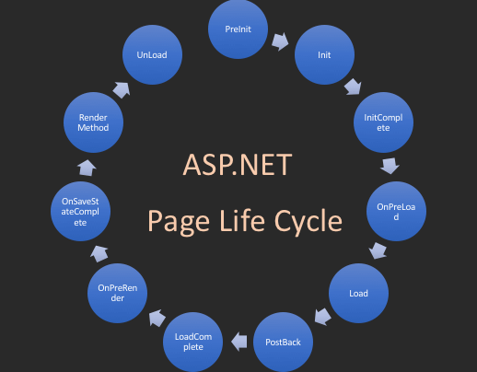

Session data , Chache
Session data is stored at the user level, but caching data is stored at the application level and shared by all the users. Sessions may not improve performance whereas Cache will improve site performance. Items in cache can expire after given time to cache while items in session will stay till session expires

Patterns_CICD
Design Patterns in the object-oriented world is a reusable solution to common software design problems, There are 23 design patterns, also known as Gang of Four (GoF) design patterns. The Gang of Four is the authors of the book, "Design Patterns: Elements of Reusable Object-Oriented Software". These 23 patterns are grouped into three main categories :
Creational Design Patterns | Behavioral Design Patterns
These patterns deal with the process of objects creation in such a way that they can be decoupled from their implementing system. This provides more flexibility in deciding which objects need to be created for a given use case/ scenario. There are as follows: | These patterns deal with the process of communication, managing relationships, and responsibilities between objects. There are as follows:
1. Singleton : Ensures that a class can has only one instance
2. Factory Method : Create instances of derived classes | 1. Chain of Responsibility: Passes a request among a list or chain of objects.
3. Abstract Factory : Create instances of several classes belonging to different families | 2. Command: Wraps a request under an object as a command and passed to invoker object.
4. Builder : Separates an object construction from its representation | 3. Interpreter: Implements an expression interface to interpret a particular context.
5. Prototype : Create a duplicate object or clone of the object | 4. Iterator: Provides a way to access the elements of a collection object in sequential manner without knowing its underlying structure.
Structural Design Patterns | 5. Mediator: Allows multiple objects to communicate with each other’s without knowing each other’s structure.
These patterns deal with the composition of objects structures. The concept of inheritance is used to compose interfaces and define various ways to compose objects for obtaining new functionalities. There are as follows: | 6. Memento: Capture the current state of an object and store it in such a manner that it can be restored at a later time without breaking the rules of encapsulation.
1. Adapter : Match interfaces of different classes (Allows for two incompatible classes to work together by wrapping an interface around one of the existing classes.) | 7. Observer: Allows an object (subject) to publish changes to its state and other objects (observer) that depend upon that object are automatically notified of any changes to the subject's state.
2. Façade : A single class that represents an entire complex system | 8. State: Alters the behavior of an object when it’s internal state changes.
3. Bridge : Separates an object’s abstraction from its implementation | 9. Strategy: Allows a client to choose an algorithm from a family of algorithms at run-time and gives it a simple way to access it.
4. Composite : A tree structure of simple and composite objects | 10. Visitor: Creates and performs new operations onto a set of objects without changing the object structure or classes.
5. Decorator : Add responsibilities to objects dynamically | 11. Template Method: Defines the basic steps of an algorithm and allow the implementation of the individual steps to be changed.
6. Flyweight : Minimize memory usage by sharing as much data as possible with similar objects
7. Proxy : Provides a surrogate object, which references to other object

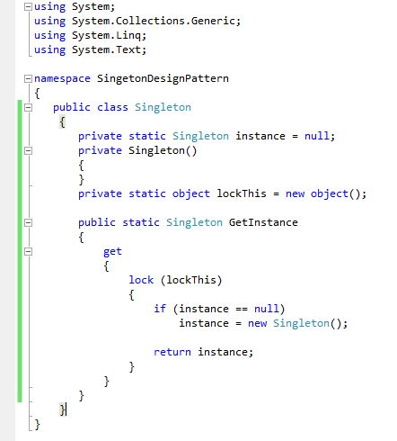
Singleton Design Pattern
Singleton pattern ensures that the class has only 1 instance and provides a global access to it. All references to objects, of the singleton class, refer to the same instance.
In the singleton patterns, "GetInstace" method should be declared as static, all the methods and instances are defined as static. The static keyword ensures that only one instance of the object is created and you can call methods of the class without creating an object.
The constructor of a class is marked as private. This prevents any external classes from creating new instances. The class is also sealed to prevent inheritance, which could lead to subclassing that breaks the singleton rules.
Singleton is a pattern and not a keyword. That means, it creates a single instance and that instance can be passed as a parameter to other methods, and treated as a normal object. While a static class allows only static methods and and you cannot pass static class as parameter.
A Singleton can implement interfaces and allow inheritance. While a static class cannot inherit their instance members. So Singleton is more flexible than static classes and can maintain state.
A Singleton can be initialized lazily or asynchronously and loaded automatically by the .NET Framework CLR (common language runtime) when the program or namespace containing the class is loaded. While a static class is generally initialized when it is first loaded and it will lead to potential class loader issues.

Factory Method Pattern
It is concerned with the creation of objects in an application. This pattern favors method invocation instead of making direct constructor calls to create objects.
In the factory method pattern, we provide an interface, which can be a interface or an abstract class to create objects. A factory method in the interface defers the object creation to one or more concrete subclasses at run time. The subclasses implement the factory method to select the class whose objects need to be created.
To understand how the factory method pattern works, consider a pizza store. In an application, you can model the pizzas as concrete Pizza objects, such as CheesePizza, PepperoniPizza, and VeggiePizza. Just as in any pizza store, a customer can only order a pizza and not make it. In the application, you can create an abstract class, say BasePizzaFactory with a factory method to create a pizza. You can then create a subclass of BasePizzaFactory, called PizzaFactory to implement the factory method. In the factory method, you can create and return a proper Pizza object. The object returned will be the proper subtype, and configured for use in your code.

Abstract Factory Pattern
Abstract Factory patterns act a super-factory which creates other factories. This pattern is also called a Factory of factories. In Abstract Factory pattern an interface is responsible for creating a set of related objects, or dependent objects without specifying their concrete classes.

Adapter Pattern
Adapter pattern acts as a bridge between two incompatible interfaces. This pattern involves a single class called adapter which is responsible for communication between them. for e.g. There is a trading app which downloads the stock data from multiple sources in XML format and then displays data in tabular format, in charts. We want to integrate a smart 3rd-party analytics library. which only works with data in JSON format.
We can create an adapter. This is a special object that converts the interface of one object so that another object can understand it.
An adapter wraps one of the objects to hide the complexity of conversion happening behind the scenes. The wrapped object isn’t even aware of the adapter. For example, you can wrap an object that operates in meters and kilometers with an adapter that converts all of the data to imperial units such as feet and miles.

Facade Pattern
Imagine that you must make your code work with a broad set of objects that belong to a sophisticated library or framework. Ordinarily, you’d need to initialize all of those objects, keep track of dependencies, execute methods in the correct order, and so on.
As a result, the business logic of your classes would become tightly coupled to the implementation details of 3rd-party classes, making it hard to comprehend and maintain.
A facade is a class that provides a simple interface to a complex subsystem which contains lots of moving parts. A facade might provide limited functionality in comparison to working with the subsystem directly. However, it includes only those features that clients really care about.
Having a facade is handy when you need to integrate your app with a sophisticated library that has dozens of features, but you just need a tiny bit of its functionality.
For instance, an app that uploads short funny videos with cats to social media could potentially use a professional video conversion library. However, all that it really needs is a class with the single method encode(filename, format). After creating such a class and connecting it with the video conversion library, you’ll have your first facade.

Continuous Integration (CI) / Continuous Deployment (CD)
Continuous integration focuses on combining the work of individual developers together into a repository. this is done several times every day, and the primary purpose is to enable early detection of integration bugs, which should eventually result in tighter cohesion and more development collaboration. The aim of continuous delivery is to minimize the friction points that are inherent in the deployment or release processes. Typically, the implementation involves automating each of the steps for build deployments such that a safe code release can be done—ideally—at any moment in time. Continuous deployment is a higher degree of automation, in which a build/deployment occurs automatically whenever a major change is made to the code.
continuous integration process works :
First, developer commits the code to repository, then Continuous Integration server detects that changes and it fetches the latest copy of the code from the repository and then executes build script.
Unit tests are then carried out if the build is succeeded. If the tests are successful, the code is ready to be deployed to either the staging or production server.
Source Code Repository | Continuous Integration Server
The source code repository is used for maintaining all the source code and all the changes made to it. The 2 popular source code repository mgmt is subversion and Git | Jenkins Jet Brains TeamCity Atlassian Bamboo

Agile
Agile Methodologies
AGILE methodology is a practice that helps in continuous iteration of development and testing, throughout the software development lifecycle (SDLC) of the project. It using short iterations of 1 to 4 weeks so that the development process is aligned with the changing business needs.
Development and testing activities are concurrent, It also encourages teamwork and face-to-face communication. Stakeholders, and developers and clients must work together to develop a product.

Agile Model |  | Waterfall Model
Agile method proposes incremental and iterative approach to software design |  | Development of the software flows sequentially from start point to end point.
The agile process is broken into individual models that designers work on |  | The design process is not broken into an individual models
The customer has early and frequent opportunities to look at the product and make decision and changes to the project |  | The customer can only see the product at the end of the project
Agile model is considered unstructured compared to the waterfall model |  | Waterfall model are more secure because they are so plan oriented
Small projects can be implemented very quickly. For large projects, it is difficult to estimate the development time. |  | All sorts of project can be estimated and completed.
Error can be fixed in the middle of the project. |  | Only at the end, the whole product is tested. If the requirement error is found or any changes have to be made, the project has to start from the beginning
Development process is iterative, and the project is executed in short (2-4) weeks iterations. Planning is very less. |  | The development process is phased, and the phase is much bigger than iteration. Every phase ends with the detailed description of the next phase.
Documentation attends less priority than software development |  | Documentation is a top priority and can even use for training staff and upgrade the software with another team
Every iteration has its own testing phase. It allows implementing regression testing every time new functions or logic are released. |  | Only after the development phase, the testing phase is executed because separate parts are not fully functional.
In agile testing when an iteration end, shippable features of the product is delivered to the customer. New features are usable right after shipment. It is useful when you have good contact with customers. |  | All features developed are delivered at once after the long implementation phase.
Testers and developers work together |  | Testers work separately from developers
At the end of every sprint, user acceptance is performed |  | User acceptance is performed at the end of the project.
It requires close communication with developers and together analyze requirements and planning |  | Developer does not involve in requirement and planning process. Usually, time delays between tests and coding

Twelve Principles of Agile Manifesto
1. Customer Satisfaction | Highest priority is given to satisfy the requirements of customers through early and continuous delivery of valuable software.
2. Welcome Change | Changes are inevitable during software development. Ever-changing requirements should be welcome, even late in the development phase. Agile processes should work to increase customers' competitive advantage.
3. Deliver a Working Software − | Deliver a working software frequently, ranging from a few weeks to a few months, considering shorter time-scale.
4. Collaboration | Business people and developers must work together during the entire life of a project.
5. Motivation | Projects should be built around motivated individuals. Provide an environment to support individual team members and trust them so as to make them feel responsible to get the job done.
6. Face-to-face Conversation | Face-to-face conversation is the most efficient and effective method of conveying information to and within a development team.
7. Measure the Progress as per the Working Software | Working software is the key and it should be the primary measure of progress.
8. Maintain Constant Pace | Agile processes aim towards sustainable development. The business, the developers, and the users should be able to maintain a constant pace with the project.
9. Monitoring | Pay regular attention to technical excellence and good design to enhance agility.
10. Simplicity | Keep things simple and use simple terms to measure the work that is not completed.
11. Self-organized Teams | An agile team should be self-organized and should not depend heavily on other teams because the best architectures, requirements, and designs emerge from self-organized teams.
12. Review the Work Regularly | Review the work done at regular intervals so that the team can reflect on how to become more effective and adjust its behavior accordingly.

The agile software development emphasizes on four core values.
Individual and team interactions over processes and tools | Working software over comprehensive documentation | Customer collaboration over contract negotiation | Responding to change over following a plan

There are various methods present in agile testing like Scrum, Extreme Programming (XP), Crystal Methodology, Feature Driven Development (FDD), etc.

The Scrum Framework
Scrum is a framework for developing, delivering, and sustaining complex products. Ken Schwaber and Jeff Sutherland developed Scrum;
Scrum is: | Lightweight | Simple to understand | Difficult to master
Scrum is not a process, technique, or definitive method. Rather, it is a framework within which you can employ various processes and techniques
It makes clear the relative effeciveness of our product management and work techniques, so that we can continuously improve the product, the team, and the working environment.
The Scrum framework consists of Scrum Teams and their associated roles, events, artifacts, and rules. Each component within the framework serves a specific purpose and is essential to Scrum’s success and usage.
The essence of Scrum is a small team of people. The individual team is highly flexible and adaptive.
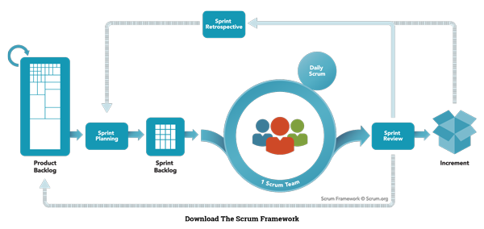
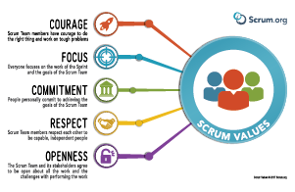

Scrum Theory
Scrum is founded on empirical process control theory, or empiricism. Empiricism asserts that knowledge comes from experience and making decisions based on what is known.
Scrum employs an iterative, incremental approach to optimize predictability and control risk.
The Scrum Values values include Courage, Focus, Commitment, Respect, and Openness.
Three pillars uphold every implementation of empirical process control: transparency, inspection, and adaptation

Transparency |  | Inspection
Significant aspects of the process must be visible to those responsible for the outcome. Transparency requires those aspects be defined by a common standard so observers share a common understanding of what is being seen |  | Scrum users must frequently inspect Scrum artifacts and progress toward a Sprint Goal, to detect undesirable variances.
A common language referring to the process must be shared by all participants. Those performing the work and those inspecting the resulting increment must share a common definition of “Done”. |  | Their inspection should not be so frequent that inspection gets in the way of the work. Inspections are most beneficial when diligently performed by skilled inspectors at the point of work.
Adaptation
If an inspector determines that one or more aspects of a process deviate outside acceptable limits, and that the resulting product will be unacceptable, the process or the material being processed must be adjusted. An adjustment must be made as soon as possible to minimize further deviation.

Scrum prescribes four formal events for inspection and adaptation : | Sprint Planning | Daily Scrum | Sprint Review Or Sprint Retrospective

The Scrum Team
The Scrum Team consists of a Product Owner, the Development Team, and a Scrum Master. Scrum Teams are self-organizing and cross-functional.
Self-organizing teams choose how best to accomplish their work, rather than being directed by others, outside the team.
Cross-functional teams have all competencies needed to accomplish the work without depending on others. not part of the team.
Scrum Teams deliver products iteratively and incrementally, maximizing opportunities for feedback.

The Product Owner
The Product Owner is responsible for maximizing the value of the product, resulting from work of the Development Team.
The Product Owner is the sole person responsible for managing the Product Backlog. Product Backlog management includes-
Clearly expressing Product Backlog items |  | Ordering the items in the Product Backlog to best achieve goals and missions
Optimizing the value of the work the Development Team performs |  | Ensuring that the Product Backlog is visible, transparent, and clear to all, and shows what the Scrum Team will work on next
Ensuring the Development Team understands items in the Product Backlog to the level needed.

The Development Team
The Development Team consists of professionals who do the work of delivering a potentially releasable Increment of “Done”, product at the end of each Sprint.
Development Teams have the following characteristics:
They are self-organizing. No one (not even the Scrum Master) tells the Development Team how to turn Product Backlog into Increments of potentially releasable functionality.
Development Teams are cross-functional, with all the skills as a team necessary to create a product Increment.
Scrum recognizes no titles for Development Team members, regardless of the work being performed by the person.
Scrum recognizes no sub-teams in the Development Team, regardless of domains that need to be addressed like testing, architecture, operations, or business analysis.
Individual Development Team members may have specialized skills and areas of focus, but accountability belongs to the Development Team as a whole.
Optimal Development Team size is small enough ( >=3 and <=9 ) OR (6+-3).
The Product Owner and Scrum Master roles are not included in this count unless they are also executing the work of the Sprint Backlog.

The Scrum Master
The Scrum Master is responsible for promoting and supporting Scrum Scrum Masters do this by helping everyone understand Scrum theory, practices, rules, and values.
The Scrum Master helps those outside the Scrum Team, understand which of their interactions with the Scrum Team are helpful and which aren’t.

Scrum Master Service to the Product Owner |  | Scrum Master Service to the Development Team
Ensuring that goals, scope, and product domain are understood by everyone on the Scrum Team as well as possible |  | Coaching the Development Team in self-organization and cross-functionality
Finding techniques for effective Product Backlog management |  | Helping the Development Team to create high-value products
Helping the Scrum Team understand the need for clear and concise Product Backlog items |  | Removing impediments to the Development Team’s progress
Understanding product planning in an empirical environment |  | Facilitating Scrum events as requested or needed
Ensuring the Product Owner knows how to arrange the Product Backlog to maximize value |  | Coaching the Development Team in organizational environments in which Scrum is not yet fully adopted and understood
Understanding and practicing agility
Facilitating Scrum events as requested or needed

Scrum Master Service to the Organization
Leading and coaching the organization in its Scrum adoption
Planning Scrum implementations within the organization
Helping employees and stakeholders understand and enact Scrum and empirical product development
Causing change that increases the productivity of the Scrum Team
Working with other Scrum Masters to increase the effectiveness of the application of Scrum in the organization

The Scrum Events
The Scrum events are time-boxed events. That means, in a project, every scrum event has a predefined maximum duration.
These events enable transparency on the project progress to all who are involved in the project. The vital events of scrum are :
Release Planning Meeting, The Sprint, Sprint Planning, Daily Scrum Meetings, Sprint Review, Sprint Retrospective

Release Planning Meeting
At the project initiation, the Release Planning meeting focuses on the strategy to turn the vision into a successful project in best possible way. This meeting establishes the plan and goals which needs to be achieved for the upcoming Release.
The release plan establishes the goal of the release, high-priority Product Backlog items, major risks and overall features and functionalities that the release will contain. A probable delivery date is agreed upon. The stakeholders can inspect the progress and make changes to the release plan on a Sprint-by-Sprint basis.
Following are the key points discussed in the Release planning meetingEstimate Product Backlog • Decide the Sprint Length • Calculate the number of sprints • Fix the release Date

The Sprint
During a Sprint, a working product Increment is developed. It is usually of duration 2 weeks or 1 month, and this duration remains constant for all the sprints in the project. We cannot have varying durations for the different sprints in a project. A new Sprint starts immediately after the conclusion of the previous Sprint.
The Sprint Goal is an objective set for the Sprint. It provides guidance to the Team on why it is building the Increment. It is created during the Sprint Planning meeting.
A Sprint should be cancelled if the Sprint Goal becomes obsolete. This might occur if the organization changes direction or if market or technology conditions change.
A sprint can be cancelled only by product owner, all the incomplete Sprint Backlog Items are put back into the Product Backlog.

Sprint Planning
The work to be performed in the Sprint is planned in the Sprint Planning Meeting. It is of duration of max of 4 Hrs for 2 weeks sprints and 8 Hrs for 1 month sprints.
It is the responsibility of the Scrum Master to ensure that the meeting takes place and that all the required attendees are present and understand the purpose of the scheduled meeting.
Sprint Planning focuses on the following two questions -
What needs to be and can be delivered in the Sprint Increment?
How will the work needed for the execution of Sprint be achieved?
The inputs to this meeting are -
The Product Backlog
The latest product Increment
Projected capacity of the Team during the Sprint
Past performance of the Team
The Scrum Team discusses the functionality that can be developed during the Sprint. Product Owner provides clarifications on the Product Backlog items. Team selects the items from the Product Backlog for the Sprint, as they are the best to assess what they can accomplish in the Sprint. Team comprises of analysts, designers, developers, and testers.
The Scrum Team then comes up with Sprint Goal. The Sprint Goal is an objective that provides guidance to the Team on why it is building the Product Increment. The Team then decides how it will build the selected functionality into a working product Increment during the Sprint. The Product Backlog items selected for this Sprint + the plan for delivering them is called the Sprint Backlog.
By the end of the Sprint Planning meeting, the work is divided into tasks of duration of 1 day or less. This is to enable the ease of work allocation, and tracking the completion. If the Team realizes that it has too much or too little work, it can renegotiate the selected Product Backlog items with the Product Owner.

Daily Scrum Meetings
Daily Scrum Meeting is a 15-minute meeting for the Team, conducted daily to quickly understand the work since the last Daily Scrum Meeting and create a plan for the next 24 hours. This meeting is also referred to as Daily Stand up Meeting.
The Daily Scrum Meeting is held at the same time and same place every day to reduce complexity.
During the meeting, each Team member explains -
What did he do yesterday that helped the Team meet the Sprint Goal?
What will he do today to help the Team meet the Sprint Goal?
Does he see any impediments that prevent him or the Team from meeting the Sprint Goal?
Daily Scrum is mistaken to be a status tracking event, though, in fact, it is a planning event. It is an internal meeting for the Development Team
Input to the meeting should be how the team is doing toward meeting the Sprint Goal, output should be a new / revised plan that optimizes the team’s efforts in meeting the Sprint Goal.
Scrum Master coordinates the Daily Scrum Meeting and ensures that the objectives of the meeting are met, the Meeting is the responsibility of the Team.
This is a key inspect and adapt meeting.
Benefits of Daily Scrum Meetings -
Improve communication within the Team.
Identify impediments, if any, in order to facilitate an early removal of the same, so as to minimize impact on the Sprint.
Highlight and promote quick decision-making.
Improve the Team’s level of knowledge.

Sprint Review
A Sprint Review is held at the end of every Sprint. During the Sprint Review, a presentation of the increment that is getting released is reviewed. In this, the Scrum Team and the stakeholders collaborate to understand what was done in the Sprint.
Based on that, and any changes to the Product Backlog during the Sprint, the attendees arrive at the next steps required that could optimize value. Thus, the objective of Sprint Review is to obtain feedback and progress unitedly.
The Sprint Review is normally held for 2 Hrs for 2 week sprints and for 4 Hrs for 1 month sprints.
The Scrum Master ensures that -
The meeting takes place.
The participants understand the purpose.
The meeting is focused on the required agenda and is completed within the required duration.
The Sprint Review includes the following aspects
Attendees include the Scrum Team and key stakeholders, as invited by the Product Owner.
The Product Owner explains what Product Backlog items have been completed during the sprint and what has not been completed.
The Team discusses what went well during the Sprint, what problems it ran into, and how those problems were solved.
The Team demonstrates the work that it has completed and answers questions, if any, about the Increment.
The entire group then discusses on what to do next. Thus, the Sprint Review provides valuable input to Sprint Planning of the subsequent Sprint.
The Scrum Team then reviews the timeline, budget, potential capabilities, and marketplace for the next anticipated release of the product increment.
The outcome of the Sprint Review is an updated Product Backlog, which defines the probable Product Backlog items for the next Sprint.

Sprint Retrospective
The Sprint Retrospective occurs after the Sprint Review and prior to the next Sprint Planning. This is usually a 1 Hrs meeting for 2-week duration sprints and a 3 hour meeting for 1 month duration Sprints.
The purpose of the Sprint Retrospective is to -
Combine the learnings from the last Sprint, with regards to people, relationships, process, and tools.
Identify the major items that went well and potential improvements.
Creation of a plan for implementing improvements to increase product quality.
The Sprint Retrospective is an opportunity for the Scrum Team to introspect and improve within the Scrum process framework so as to make the next Sprint outcome more effective.
The Scrum Master ensures that the meeting is positive and productive. The Scrum Master teaches all to keep it within the time-box. The Scrum Master participates as a peer team member in the meeting from the accountability over the Scrum process.

Scrum Artifacts
Scrum Artifacts provide key information that the Scrum Team and the stakeholders need to be aware of for understanding the product under : Development, the activities done, and the activities being planned in the project.
The following artifacts are defined in Scrum Process Framework -
Product Backlog | Sprint Backlog | Burn-Up / Burn-Down Chart | Increment

Product Backlog
The Product Backlog is an ordered list of features that are needed as part of the end product and it is the single source of requirements for any changes to be made to the product.
The Product Backlog lists all features, functions, requirements, enhancements, and fixes that constitute the changes to be made to the product in future releases. Product Backlog items have the attributes of a description, order, estimate, and value. These items are normally termed as User Stories.
The Product Owner is responsible for the Product Backlog, including its content, availability, and ordering.

 | rutaamit.bhoomkar

